Collar(Put Strike 0.8)
Recall that a COLLAR is a strategy based on EU options:
1 long asset + 1 long put + 1 short call.
Both the options are out-of-the-money.
BINOMIAL MODEL
Pricing of Collar

Initial price | S0 | 1 |  | u | 1.0469520641 |  |  |  | qu | 0.49426611577
Volatility | sigma | 0.2 |  | d | 0.95515356845 |  |  |  | qd | 0.50573388423
Maturity | T | 1 |  |  |  |  |  |  | disc | 0.99947382269
# steps | Nsteps | 19
Risk-free rate | r | 0.01
Call strike | Strike | 1.2
Put strike | Strike | 0.8

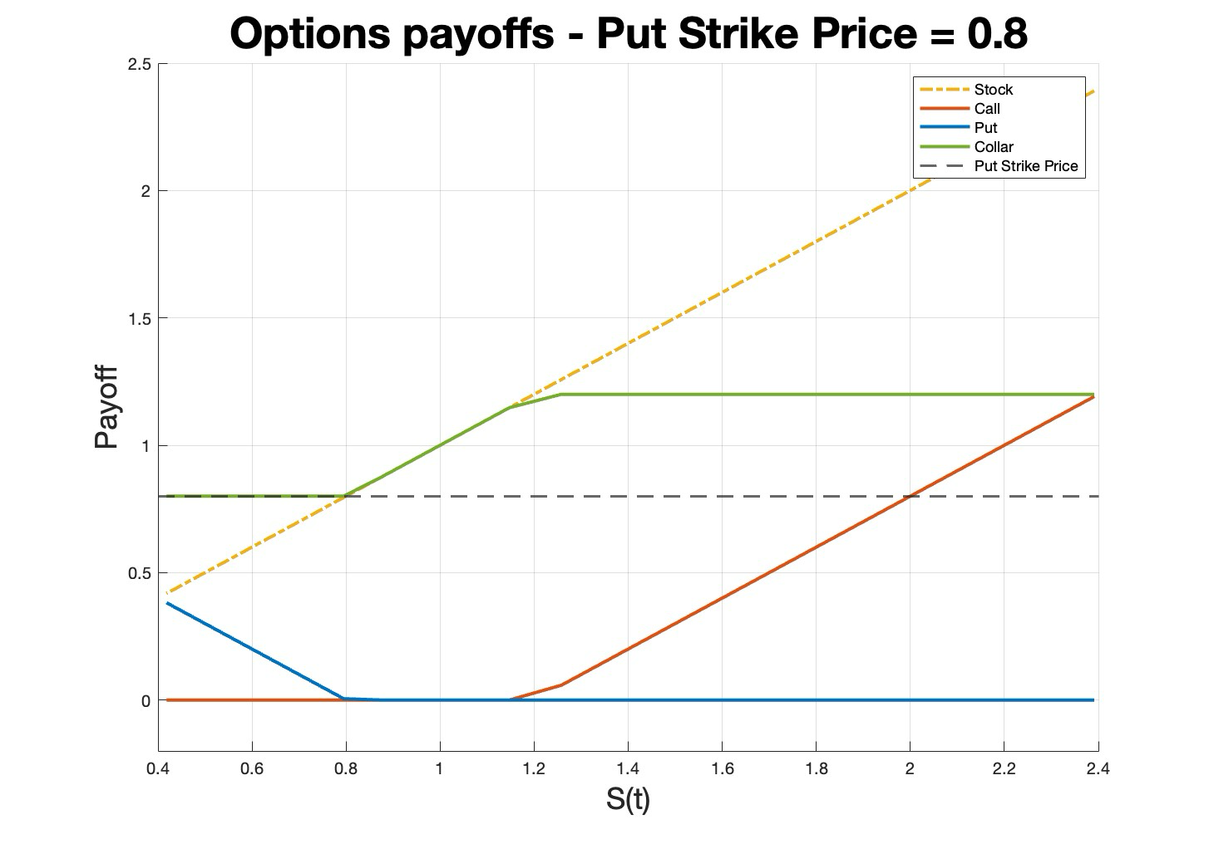
 | Tree - Underlying asset
 | 0 | 1 | 2 | 3 | 4 | 5 | 6 | 7 | 8 | 9 | 10 | 11 | 12 | 13 | 14 | 15 | 16 | 17 | 18 | 19 | Payoff Call | Payoff Put | Payoff Collar
 | 1 | 1.0469520641 | 1.0961086245 | 1.1475731869 | 1.2014541167 | 1.2578648674 | 1.3169242192 | 1.3787565295 | 1.4434919945 | 1.5112669231 | 1.5822240245 | 1.6565127083 | 1.7342893991 | 1.8157178662 | 1.9009695678 | 1.9902240127 | 2.0836691381 | 2.181501705 | 2.2839277129 | 2.3911628332 | 1.1911628332 | 0 | 1.2
 |  | 0.95515356845 | 1 | 1.0469520641 | 1.0961086245 | 1.1475731869 | 1.2014541167 | 1.2578648674 | 1.3169242192 | 1.3787565295 | 1.4434919945 | 1.5112669231 | 1.5822240245 | 1.6565127083 | 1.7342893991 | 1.8157178662 | 1.9009695678 | 1.9902240127 | 2.0836691381 | 2.181501705 | 0.98150170501 | 0 | 1.2
 |  |  | 0.91231833931 | 0.95515356845 | 1 | 1.0469520641 | 1.0961086245 | 1.1475731869 | 1.2014541167 | 1.2578648674 | 1.3169242192 | 1.3787565295 | 1.4434919945 | 1.5112669231 | 1.5822240245 | 1.6565127083 | 1.7342893991 | 1.8157178662 | 1.9009695678 | 1.9902240127 | 0.79022401273 | 0 | 1.2
 |  |  |  | 0.87140411735 | 0.91231833931 | 0.95515356845 | 1 | 1.0469520641 | 1.0961086245 | 1.1475731869 | 1.2014541167 | 1.2578648674 | 1.3169242192 | 1.3787565295 | 1.4434919945 | 1.5112669231 | 1.5822240245 | 1.6565127083 | 1.7342893991 | 1.8157178662 | 0.61571786616 | 0 | 1.2
 |  |  |  |  | 0.83232475225 | 0.87140411735 | 0.91231833931 | 0.95515356845 | 1 | 1.0469520641 | 1.0961086245 | 1.1475731869 | 1.2014541167 | 1.2578648674 | 1.3169242192 | 1.3787565295 | 1.4434919945 | 1.5112669231 | 1.5822240245 | 1.6565127083 | 0.45651270831 | 0 | 1.2
 |  |  |  |  |  | 0.79499795722 | 0.83232475225 | 0.87140411735 | 0.91231833931 | 0.95515356845 | 1 | 1.0469520641 | 1.0961086245 | 1.1475731869 | 1.2014541167 | 1.2578648674 | 1.3169242192 | 1.3787565295 | 1.4434919945 | 1.5112669231 | 0.3112669231 | 0 | 1.2
 |  |  |  |  |  |  | 0.75934513574 | 0.79499795722 | 0.83232475225 | 0.87140411735 | 0.91231833931 | 0.95515356845 | 1 | 1.0469520641 | 1.0961086245 | 1.1475731869 | 1.2014541167 | 1.2578648674 | 1.3169242192 | 1.3787565295 | 0.17875652955 | 0 | 1.2
 |  |  |  |  |  |  |  | 0.72529121609 | 0.75934513574 | 0.79499795722 | 0.83232475225 | 0.87140411735 | 0.91231833931 | 0.95515356845 | 1 | 1.0469520641 | 1.0961086245 | 1.1475731869 | 1.2014541167 | 1.2578648674 | 0.057864867354 | 0 | 1.2
 |  |  |  |  |  |  |  |  | 0.69276449321 | 0.72529121609 | 0.75934513574 | 0.79499795722 | 0.83232475225 | 0.87140411735 | 0.91231833931 | 0.95515356845 | 1 | 1.0469520641 | 1.0961086245 | 1.1475731869 | 0 | 0 | 1.1475731869
 |  |  |  |  |  |  |  |  |  | 0.66169647778 | 0.69276449321 | 0.72529121609 | 0.75934513574 | 0.79499795722 | 0.83232475225 | 0.87140411735 | 0.91231833931 | 0.95515356845 | 1 | 1.0469520641 | 0 | 0 | 1.0469520641
 |  |  |  |  |  |  |  |  |  |  | 0.63202175198 | 0.66169647778 | 0.69276449321 | 0.72529121609 | 0.75934513574 | 0.79499795722 | 0.83232475225 | 0.87140411735 | 0.91231833931 | 0.95515356845 | 0 | 0 | 0.95515356845
 |  |  |  |  |  |  |  |  |  |  |  | 0.60367783174 | 0.63202175198 | 0.66169647778 | 0.69276449321 | 0.72529121609 | 0.75934513574 | 0.79499795722 | 0.83232475225 | 0.87140411735 | 0 | 0 | 0.87140411735
 |  |  |  |  |  |  |  |  |  |  |  |  | 0.57660503517 | 0.60367783174 | 0.63202175198 | 0.66169647778 | 0.69276449321 | 0.72529121609 | 0.75934513574 | 0.79499795722 | 0 | 0.0050020427839 | 0.8
 |  |  |  |  |  |  |  |  |  |  |  |  |  | 0.55074635693 | 0.57660503517 | 0.60367783174 | 0.63202175198 | 0.66169647778 | 0.69276449321 | 0.72529121609 | 0 | 0.074708783914 | 0.8
 |  |  |  |  |  |  |  |  |  |  |  |  |  |  | 0.52604734813 | 0.55074635693 | 0.57660503517 | 0.60367783174 | 0.63202175198 | 0.66169647778 | 0 | 0.13830352222 | 0.8
 |  |  |  |  |  |  |  |  |  |  |  |  |  |  |  | 0.50245600174 | 0.52604734813 | 0.55074635693 | 0.57660503517 | 0.60367783174 | 0 | 0.19632216826 | 0.8
 |  |  |  |  |  |  |  |  |  |  |  |  |  |  |  |  | 0.47992264305 | 0.50245600174 | 0.52604734813 | 0.55074635693 | 0 | 0.24925364307 | 0.8
 |  |  |  |  |  |  |  |  |  |  |  |  |  |  |  |  |  | 0.45839982508 | 0.47992264305 | 0.50245600174 | 0 | 0.29754399826 | 0.8
 |  |  |  |  |  |  |  |  |  |  |  |  |  |  |  |  |  |  | 0.4378422287 | 0.45839982508 | 0 | 0.34160017492 | 0.8
 |  |  |  |  |  |  |  |  |  |  |  |  |  |  |  |  |  |  |  | 0.41820656716 | 0 | 0.38179343284 | 0.8

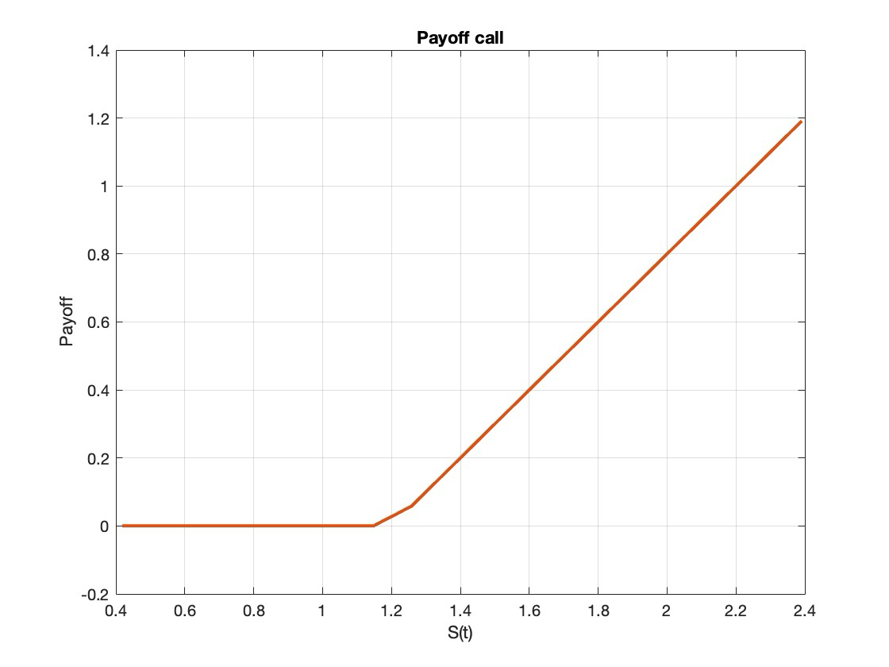
 | Tree - Call
 | 19 | 18 | 17 | 16 | 15 | 14 | 13 | 12 | 11 | 10 | 9 | 8 | 7 | 6 | 5 | 4 | 3 | 2 | 1 | 0
 | 1.1911628332 | 1.0845591256 | 0.98276419832 | 0.8855623799 | 0.7927476711 | 0.70412331102 | 0.61950136275 | 0.53870231773 | 0.461778127 | 0.38921774553 | 0.32191470773 | 0.26091765097 | 0.20711979887 | 0.16102829334 | 0.12267316086 | 0.091643156713 | 0.067199878224 | 0.048418198876 | 0.034315130744 | 0.02395
 | 0.98150170501 | 0.88430055089 | 0.79148650604 | 0.70286280955 | 0.61824152453 | 0.5374431424 | 0.46029620491 | 0.38707892837 | 0.31870787136 | 0.25647290382 | 0.20157534065 | 0.15475744565 | 0.11614956151 | 0.085315449366 | 0.061412171285 | 0.043380816411 | 0.03011280543 | 0.020567577785 | 0.013839679142
 | 0.79022401273 | 0.70160098054 | 0.61698035946 | 0.53618264093 | 0.45903636669 | 0.38537776778 | 0.31592482809 | 0.25221892787 | 0.19591612611 | 0.14813244123 | 0.10916226783 | 0.078538038751 | 0.055269327031 | 0.038114840266 | 0.025803489689 | 0.017176999784 | 0.011260203197 | 0.0072787456665
 | 0.61571786616 | 0.53492081192 | 0.45777520162 | 0.38411726631 | 0.31379058148 | 0.2483756371 | 0.19022014335 | 0.14109396152 | 0.10158647685 | 0.071189397326 | 0.04868998519 | 0.03258577874 | 0.021389016502 | 0.01379816582 | 0.0087640006053 | 0.0054892944735 | 0.0033951466378
 | 0.45651270831 | 0.38285543729 | 0.31252941641 | 0.24538523626 | 0.18470256111 | 0.13358136813 | 0.093228615132 | 0.063080592714 | 0.04155569286 | 0.026751443327 | 0.016880664068 | 0.010468411787 | 0.0063938049608 | 0.0038531106718 | 0.0022945581356 | 0.0013520188997
 | 0.3112669231 | 0.24412340725 | 0.18001902285 | 0.12558816594 | 0.08375842808 | 0.05388792925 | 0.033681856834 | 0.020562139134 | 0.012310735025 | 0.0072512819403 | 0.0042124578424 | 0.0024182476458 | 0.0013740388716 | 0.00077373512512 | 0.00043225962424
 | 0.17875652955 | 0.11755563198 | 0.072522289532 | 0.04296439052 | 0.024750854674 | 0.01396902904 | 0.0077613221787 | 0.0042592507447 | 0.0023141028557 | 0.0012469256455 | 0.00066723938743 | 0.00035493838754 | 0.00018784900182 | 9.8977220658E-05
 | 0.057864867354 | 0.028585594217 | 0.014121456319 | 0.0069760847739 | 0.0034462280429 | 0.0017024574827 | 0.00084102428639 | 0.00041547108076 | 0.00020524522507 | 0.00010139238172 | 5.0088449401E-05 | 2.4743996746E-05 | 1.2223683949E-05
 | 0 | 0 | 0 | 0 | 0 | 0 | 0 | 0 | 0 | 0 | 0 | 0
 | 0 | 0 | 0 | 0 | 0 | 0 | 0 | 0 | 0 | 0 | 0
 | 0 | 0 | 0 | 0 | 0 | 0 | 0 | 0 | 0 | 0
 | 0 | 0 | 0 | 0 | 0 | 0 | 0 | 0 | 0
 | 0 | 0 | 0 | 0 | 0 | 0 | 0 | 0
 | 0 | 0 | 0 | 0 | 0 | 0 | 0
 | 0 | 0 | 0 | 0 | 0 | 0
 | 0 | 0 | 0 | 0 | 0
 | 0 | 0 | 0 | 0
 | 0 | 0 | 0
 | 0 | 0
 | 0

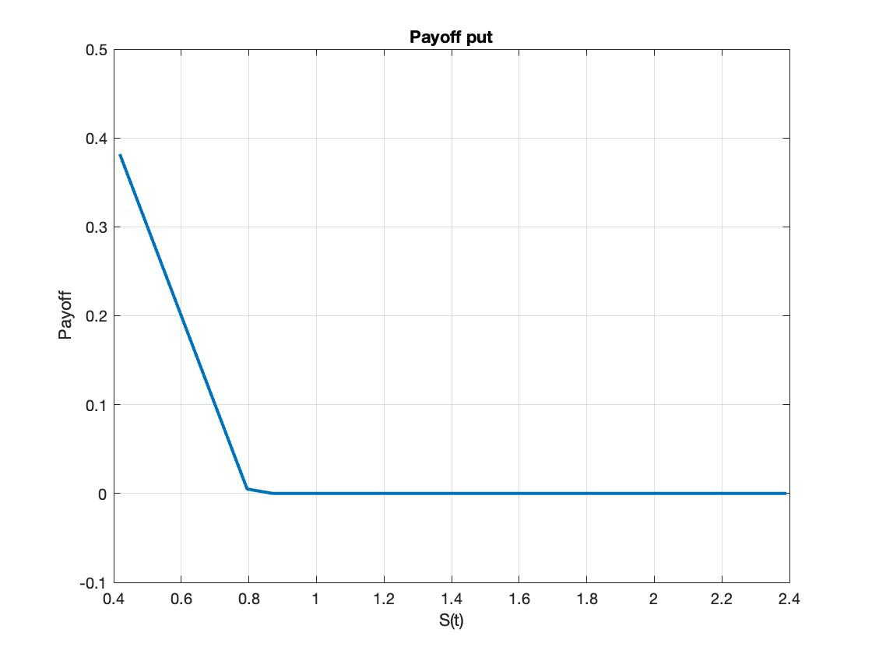
 | Tree - Put
 | 19 | 18 | 17 | 16 | 15 | 14 | 13 | 12 | 11 | 10 | 9 | 8 | 7 | 6 | 5 | 4 | 3 | 2 | 1 | 0
 | 0 | 0 | 0 | 0 | 0 | 0 | 0 | 0 | 0 | 0 | 0 | 0 | 1.3914548477E-06 | 1.9440809901E-05 | 0.00011338284558 | 0.0004253977441 | 0.0012081662381 | 0.0028229866677 | 0.0057036039735 | 0.010295378594
 | 0 | 0 | 0 | 0 | 0 | 0 | 0 | 0 | 0 | 0 | 0 | 2.7528062258E-06 | 3.7101124131E-05 | 0.00020531272693 | 0.00073078037566 | 0.0019744427315 | 0.0044041288847 | 0.0085248391293 | 0.014793749623
 | 0 | 0 | 0 | 0 | 0 | 0 | 0 | 0 | 0 | 0 | 5.4460567869E-06 | 7.0709197965E-05 | 0.00036992377221 | 0.0012450935042 | 0.0031919597598 | 0.0067833052612 | 0.012560984321 | 0.020935909304
 | 0 | 0 | 0 | 0 | 0 | 0 | 0 | 0 | 0 | 1.0774290703E-05 | 0.00013456607104 | 0.00066273858645 | 0.0021017144315 | 0.0050980025883 | 0.010300276434 | 0.018220727243 | 0.029142722355
 | 0 | 0 | 0 | 0 | 0 | 0 | 0 | 0 | 2.1315484707E-05 | 0.0002556908903 | 0.0011796244179 | 0.0035102486043 | 0.0080316552873 | 0.01539530841 | 0.025980545123 | 0.039847392501
 | 0 | 0 | 0 | 0 | 0 | 0 | 0 | 4.2169818952E-05 | 0.00048501788331 | 0.002083835246 | 0.0057916787902 | 0.012458897536 | 0.02260801309 | 0.036352801301 | 0.053441282168
 | 0 | 0 | 0 | 0 | 0 | 0 | 8.3427313753E-05 | 0.00091832903616 | 0.0036485678385 | 0.0094214740995 | 0.018987903117 | 0.032550526665 | 0.049823761786 | 0.07019790402
 | 0 | 0 | 0 | 0 | 0 | 0.00016504971691 | 0.0017352548989 | 0.0063206951656 | 0.015073284309 | 0.028357174434 | 0.045839495105 | 0.066757182764 | 0.090183126386
 | 0 | 0 | 0 | 0 | 0.00032652866101 | 0.003271661244 | 0.010808737944 | 0.023643094973 | 0.041369364712 | 0.062973113008 | 0.0872700437 | 0.11317175306
 | 0 | 0 | 0 | 0.00064599302839 | 0.0061534171791 | 0.018186159248 | 0.036211038322 | 0.058736746739 | 0.084152538705 | 0.11110687494 | 0.13860393673
 | 0 | 0 | 0.0012780103022 | 0.011542363265 | 0.029964984145 | 0.053864888901 | 0.080812816717 | 0.10907961525 | 0.13756566717 | 0.16562177159
 | 0 | 0.0025283714541 | 0.021585982163 | 0.048001055574 | 0.077278923166 | 0.10723381061 | 0.13681899872 | 0.16554898551 | 0.19321409728
 | 0.0050020427839 | 0.04023392241 | 0.073867121709 | 0.1059733456 | 0.13662108331 | 0.16587575252 | 0.1937998372 | 0.22045301911
 | 0.074708783914 | 0.10681456495 | 0.13746186002 | 0.16671608683 | 0.19463972935 | 0.22129246932 | 0.246731312
 | 0.13830352222 | 0.16755730617 | 0.19548050606 | 0.22213280364 | 0.24757120415 | 0.27185015637
 | 0.19632216826 | 0.22297402298 | 0.24841198086 | 0.27269049068 | 0.29586155934
 | 0.24925364307 | 0.27353171002 | 0.29670233606 | 0.31881519576
 | 0.29754399826 | 0.3196564151 | 0.34075851271
 | 0.34160017492 | 0.36173682945
 | 0.38179343284

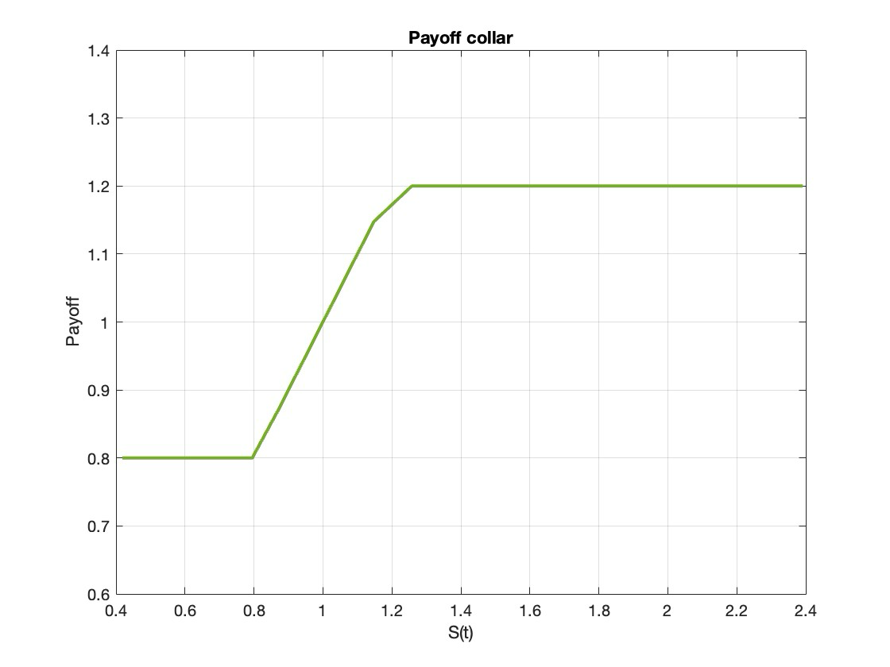
 | Tree - Collar
 | 19 | 18 | 17 | 16 | 15 | 14 | 13 | 12 | 11 | 10 | 9 | 8 | 7 | 6 | 5 | 4 | 3 | 2 | 1 | 0
 | 1.2 | 1.1993685872 | 1.1987375067 | 1.1981067582 | 1.1974763416 | 1.1968462567 | 1.1962165034 | 1.1955870814 | 1.1947345813 | 1.193006279 | 1.1893522154 | 1.1825743435 | 1.1716381221 | 1.1559153667 | 1.1353050893 | 1.1102363577 | 1.0815814749 | 1.0505134123 | 1.0183405373 | 0.98634798473
 | 1.2 | 1.1993685872 | 1.1987375067 | 1.1981067582 | 1.1974763416 | 1.1968462567 | 1.1962165034 | 1.1951450962 | 1.1925590517 | 1.1870190907 | 1.1771811889 | 1.1621695264 | 1.141752407 | 1.11634398 | 1.086891796 | 1.0547022508 | 1.0212433875 | 0.98795726134 | 0.95610763893
 | 1.2 | 1.1993685872 | 1.1987375067 | 1.1981067582 | 1.1974763416 | 1.1968462567 | 1.195342095 | 1.1912730666 | 1.1828404034 | 1.168791778 | 1.1487080456 | 1.1229867871 | 1.0926737836 | 1.0592388777 | 1.0243405342 | 0.98960630548 | 0.95645434957 | 0.92597550295
 | 1.2 | 1.1993685872 | 1.1987375067 | 1.1981067582 | 1.1974763416 | 1.1951163574 | 1.1885363862 | 1.1758302577 | 1.1562783905 | 1.1302754936 | 1.0990177677 | 1.0641855843 | 1.027664762 | 0.99129983677 | 0.95668984427 | 0.92504977208 | 0.89715169307
 | 1.2 | 1.1993685872 | 1.1987375067 | 1.1981067582 | 1.1940539684 | 1.1833428511 | 1.1646362522 | 1.138373524 | 1.1060388095 | 1.069612872 | 1.0312510244 | 0.99304183682 | 0.95679141877 | 0.92386053705 | 0.89509010434 | 0.87082012585
 | 1.2 | 1.1993685872 | 1.1987375067 | 1.1913360533 | 1.1741064393 | 1.1475661874 | 1.11389133 | 1.0755886552 | 1.0351263469 | 0.99483255331 | 0.95673278939 | 0.9223589892 | 0.89263809157 | 0.86790381842 | 0.84800697976
 | 1.2 | 1.1993685872 | 1.1853425778 | 1.1584897262 | 1.1228223322 | 1.0821395954 | 1.0392741692 | 0.99665907829 | 0.95648803343 | 0.92049288777 | 0.88972478108 | 0.86452034053 | 0.84463387 | 0.82944406254
 | 1.2 | 1.1728685225 | 1.1334517305 | 1.0891325397 | 1.043505836 | 0.99846259223 | 0.95604779906 | 0.9182235634 | 0.88627215644 | 0.8605805343 | 0.84078736387 | 0.82607757451 | 0.81546211879
 | 1.1475731869 | 1.0961086245 | 1.0469520641 | 1 | 0.95548009711 | 0.91559000056 | 0.8822128553 | 0.85596784722 | 0.83636732193 | 0.82231824875 | 0.81256125979 | 0.80593624626
 | 1.0469520641 | 1 | 0.95515356845 | 0.91296433234 | 0.87755753453 | 0.8505109115 | 0.83120899554 | 0.81808188248 | 0.80944375479 | 0.80387136814 | 0.80030041451
 | 0.95515356845 | 0.91231833931 | 0.87268212766 | 0.84386711551 | 0.82496294136 | 0.81321002464 | 0.8061040328 | 0.80184410845 | 0.79926214495 | 0.79764352356
 | 0.87140411735 | 0.8348531237 | 0.81658393938 | 0.80734619132 | 0.80257013925 | 0.79999830382 | 0.7985154765 | 0.79757073749 | 0.79689192902
 | 0.8 | 0.79957905815 | 0.79915833779 | 0.79873783881 | 0.79831756108 | 0.7978975045 | 0.79747766893 | 0.79705805428
 | 0.8 | 0.79957905815 | 0.79915833779 | 0.79873783881 | 0.79831756108 | 0.7978975045 | 0.79747766893
 | 0.8 | 0.79957905815 | 0.79915833779 | 0.79873783881 | 0.79831756108 | 0.7978975045
 | 0.8 | 0.79957905815 | 0.79915833779 | 0.79873783881 | 0.79831756108
 | 0.8 | 0.79957905815 | 0.79915833779 | 0.79873783881
 | 0.8 | 0.79957905815 | 0.79915833779
 | 0.8 | 0.79957905815
 | 0.8

Collar(Put Strike 1)
Recall that a COLLAR is a strategy based on EU options:
1 long asset + 1 long put + 1 short call.
Both the options are out-of-the-money.
BINOMIAL MODEL
Pricing of Collar

Initial price | S0 | 1 |  | u | 1.0469520641 |  |  |  | qu | 0.49426611577
Volatility | sigma | 0.2 |  | d | 0.95515356845 |  |  |  | qd | 0.50573388423
Maturity | T | 1 |  |  |  |  |  |  | disc | 0.99947382269
# steps | Nsteps | 19
Risk-free rate | r | 0.01
Call strike | Strike | 1.2
Put strike | Strike | 1

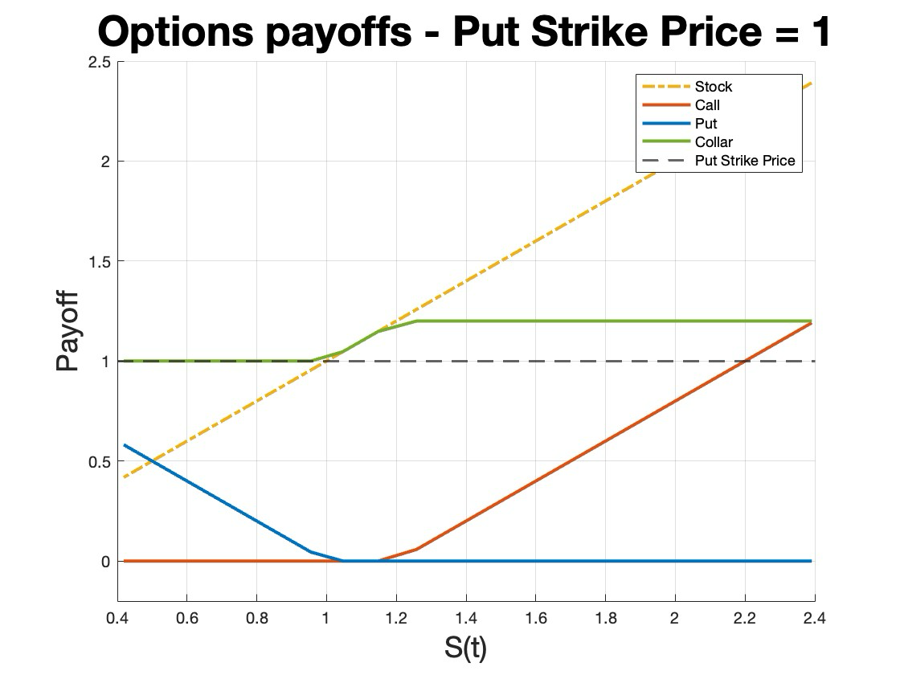
 | Tree - Underlying asset
 | 0 | 1 | 2 | 3 | 4 | 5 | 6 | 7 | 8 | 9 | 10 | 11 | 12 | 13 | 14 | 15 | 16 | 17 | 18 | 19 | Payoff Call | Payoff Put | Payoff Collar
 | 1 | 1.0469520641 | 1.0961086245 | 1.1475731869 | 1.2014541167 | 1.2578648674 | 1.3169242192 | 1.3787565295 | 1.4434919945 | 1.5112669231 | 1.5822240245 | 1.6565127083 | 1.7342893991 | 1.8157178662 | 1.9009695678 | 1.9902240127 | 2.0836691381 | 2.181501705 | 2.2839277129 | 2.3911628332 | 1.1911628332 | 0 | 1.2
 |  | 0.95515356845 | 1 | 1.0469520641 | 1.0961086245 | 1.1475731869 | 1.2014541167 | 1.2578648674 | 1.3169242192 | 1.3787565295 | 1.4434919945 | 1.5112669231 | 1.5822240245 | 1.6565127083 | 1.7342893991 | 1.8157178662 | 1.9009695678 | 1.9902240127 | 2.0836691381 | 2.181501705 | 0.98150170501 | 0 | 1.2
 |  |  | 0.91231833931 | 0.95515356845 | 1 | 1.0469520641 | 1.0961086245 | 1.1475731869 | 1.2014541167 | 1.2578648674 | 1.3169242192 | 1.3787565295 | 1.4434919945 | 1.5112669231 | 1.5822240245 | 1.6565127083 | 1.7342893991 | 1.8157178662 | 1.9009695678 | 1.9902240127 | 0.79022401273 | 0 | 1.2
 |  |  |  | 0.87140411735 | 0.91231833931 | 0.95515356845 | 1 | 1.0469520641 | 1.0961086245 | 1.1475731869 | 1.2014541167 | 1.2578648674 | 1.3169242192 | 1.3787565295 | 1.4434919945 | 1.5112669231 | 1.5822240245 | 1.6565127083 | 1.7342893991 | 1.8157178662 | 0.61571786616 | 0 | 1.2
 |  |  |  |  | 0.83232475225 | 0.87140411735 | 0.91231833931 | 0.95515356845 | 1 | 1.0469520641 | 1.0961086245 | 1.1475731869 | 1.2014541167 | 1.2578648674 | 1.3169242192 | 1.3787565295 | 1.4434919945 | 1.5112669231 | 1.5822240245 | 1.6565127083 | 0.45651270831 | 0 | 1.2
 |  |  |  |  |  | 0.79499795722 | 0.83232475225 | 0.87140411735 | 0.91231833931 | 0.95515356845 | 1 | 1.0469520641 | 1.0961086245 | 1.1475731869 | 1.2014541167 | 1.2578648674 | 1.3169242192 | 1.3787565295 | 1.4434919945 | 1.5112669231 | 0.3112669231 | 0 | 1.2
 |  |  |  |  |  |  | 0.75934513574 | 0.79499795722 | 0.83232475225 | 0.87140411735 | 0.91231833931 | 0.95515356845 | 1 | 1.0469520641 | 1.0961086245 | 1.1475731869 | 1.2014541167 | 1.2578648674 | 1.3169242192 | 1.3787565295 | 0.17875652955 | 0 | 1.2
 |  |  |  |  |  |  |  | 0.72529121609 | 0.75934513574 | 0.79499795722 | 0.83232475225 | 0.87140411735 | 0.91231833931 | 0.95515356845 | 1 | 1.0469520641 | 1.0961086245 | 1.1475731869 | 1.2014541167 | 1.2578648674 | 0.057864867354 | 0 | 1.2
 |  |  |  |  |  |  |  |  | 0.69276449321 | 0.72529121609 | 0.75934513574 | 0.79499795722 | 0.83232475225 | 0.87140411735 | 0.91231833931 | 0.95515356845 | 1 | 1.0469520641 | 1.0961086245 | 1.1475731869 | 0 | 0 | 1.1475731869
 |  |  |  |  |  |  |  |  |  | 0.66169647778 | 0.69276449321 | 0.72529121609 | 0.75934513574 | 0.79499795722 | 0.83232475225 | 0.87140411735 | 0.91231833931 | 0.95515356845 | 1 | 1.0469520641 | 0 | 0 | 1.0469520641
 |  |  |  |  |  |  |  |  |  |  | 0.63202175198 | 0.66169647778 | 0.69276449321 | 0.72529121609 | 0.75934513574 | 0.79499795722 | 0.83232475225 | 0.87140411735 | 0.91231833931 | 0.95515356845 | 0 | 0.044846431554 | 1
 |  |  |  |  |  |  |  |  |  |  |  | 0.60367783174 | 0.63202175198 | 0.66169647778 | 0.69276449321 | 0.72529121609 | 0.75934513574 | 0.79499795722 | 0.83232475225 | 0.87140411735 | 0 | 0.12859588265 | 1
 |  |  |  |  |  |  |  |  |  |  |  |  | 0.57660503517 | 0.60367783174 | 0.63202175198 | 0.66169647778 | 0.69276449321 | 0.72529121609 | 0.75934513574 | 0.79499795722 | 0 | 0.20500204278 | 1
 |  |  |  |  |  |  |  |  |  |  |  |  |  | 0.55074635693 | 0.57660503517 | 0.60367783174 | 0.63202175198 | 0.66169647778 | 0.69276449321 | 0.72529121609 | 0 | 0.27470878391 | 1
 |  |  |  |  |  |  |  |  |  |  |  |  |  |  | 0.52604734813 | 0.55074635693 | 0.57660503517 | 0.60367783174 | 0.63202175198 | 0.66169647778 | 0 | 0.33830352222 | 1
 |  |  |  |  |  |  |  |  |  |  |  |  |  |  |  | 0.50245600174 | 0.52604734813 | 0.55074635693 | 0.57660503517 | 0.60367783174 | 0 | 0.39632216826 | 1
 |  |  |  |  |  |  |  |  |  |  |  |  |  |  |  |  | 0.47992264305 | 0.50245600174 | 0.52604734813 | 0.55074635693 | 0 | 0.44925364307 | 1
 |  |  |  |  |  |  |  |  |  |  |  |  |  |  |  |  |  | 0.45839982508 | 0.47992264305 | 0.50245600174 | 0 | 0.49754399826 | 1
 |  |  |  |  |  |  |  |  |  |  |  |  |  |  |  |  |  |  | 0.4378422287 | 0.45839982508 | 0 | 0.54160017492 | 1
 |  |  |  |  |  |  |  |  |  |  |  |  |  |  |  |  |  |  |  | 0.41820656716 | 0 | 0.58179343284 | 1

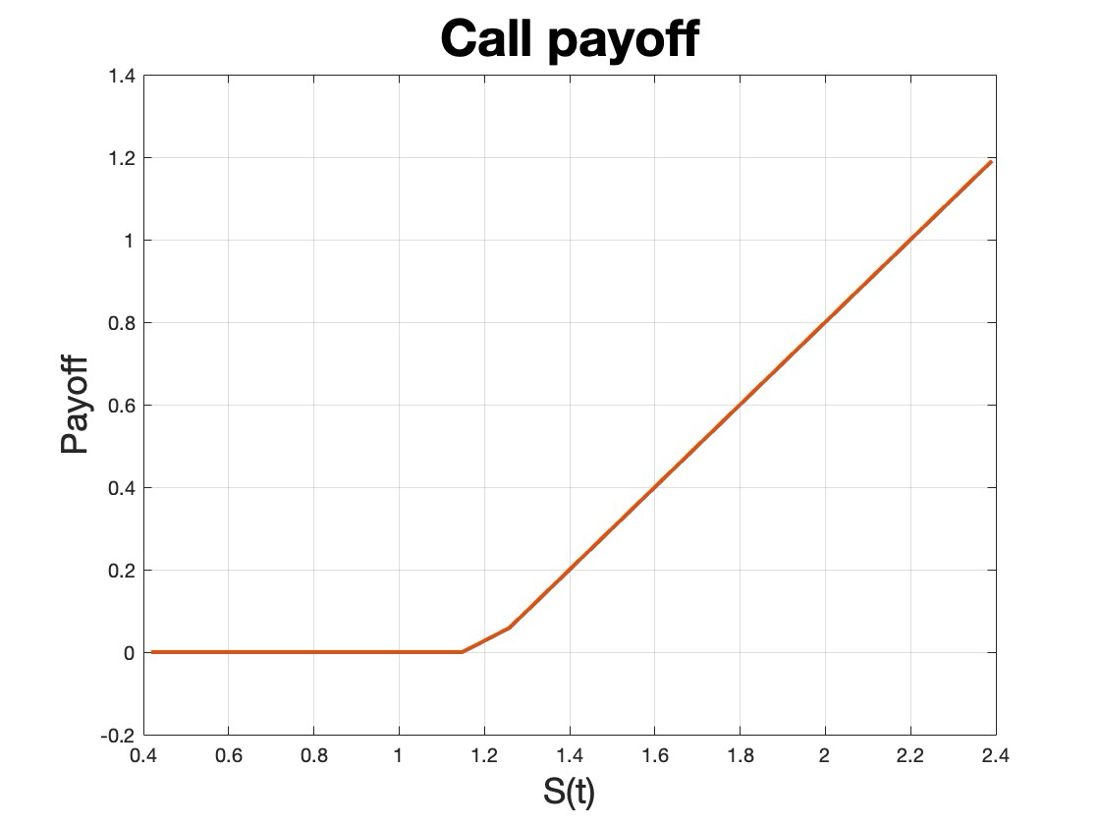
 | Tree - Call
 | 19 | 18 | 17 | 16 | 15 | 14 | 13 | 12 | 11 | 10 | 9 | 8 | 7 | 6 | 5 | 4 | 3 | 2 | 1 | 0
 | 1.1911628332 | 1.0845591256 | 0.98276419832 | 0.8855623799 | 0.7927476711 | 0.70412331102 | 0.61950136275 | 0.53870231773 | 0.461778127 | 0.38921774553 | 0.32191470773 | 0.26091765097 | 0.20711979887 | 0.16102829334 | 0.12267316086 | 0.091643156713 | 0.067199878224 | 0.048418198876 | 0.034315130744 | 0.02395
 | 0.98150170501 | 0.88430055089 | 0.79148650604 | 0.70286280955 | 0.61824152453 | 0.5374431424 | 0.46029620491 | 0.38707892837 | 0.31870787136 | 0.25647290382 | 0.20157534065 | 0.15475744565 | 0.11614956151 | 0.085315449366 | 0.061412171285 | 0.043380816411 | 0.03011280543 | 0.020567577785 | 0.013839679142
 | 0.79022401273 | 0.70160098054 | 0.61698035946 | 0.53618264093 | 0.45903636669 | 0.38537776778 | 0.31592482809 | 0.25221892787 | 0.19591612611 | 0.14813244123 | 0.10916226783 | 0.078538038751 | 0.055269327031 | 0.038114840266 | 0.025803489689 | 0.017176999784 | 0.011260203197 | 0.0072787456665
 | 0.61571786616 | 0.53492081192 | 0.45777520162 | 0.38411726631 | 0.31379058148 | 0.2483756371 | 0.19022014335 | 0.14109396152 | 0.10158647685 | 0.071189397326 | 0.04868998519 | 0.03258577874 | 0.021389016502 | 0.01379816582 | 0.0087640006053 | 0.0054892944735 | 0.0033951466378
 | 0.45651270831 | 0.38285543729 | 0.31252941641 | 0.24538523626 | 0.18470256111 | 0.13358136813 | 0.093228615132 | 0.063080592714 | 0.04155569286 | 0.026751443327 | 0.016880664068 | 0.010468411787 | 0.0063938049608 | 0.0038531106718 | 0.0022945581356 | 0.0013520188997
 | 0.3112669231 | 0.24412340725 | 0.18001902285 | 0.12558816594 | 0.08375842808 | 0.05388792925 | 0.033681856834 | 0.020562139134 | 0.012310735025 | 0.0072512819403 | 0.0042124578424 | 0.0024182476458 | 0.0013740388716 | 0.00077373512512 | 0.00043225962424
 | 0.17875652955 | 0.11755563198 | 0.072522289532 | 0.04296439052 | 0.024750854674 | 0.01396902904 | 0.0077613221787 | 0.0042592507447 | 0.0023141028557 | 0.0012469256455 | 0.00066723938743 | 0.00035493838754 | 0.00018784900182 | 9.8977220658E-05
 | 0.057864867354 | 0.028585594217 | 0.014121456319 | 0.0069760847739 | 0.0034462280429 | 0.0017024574827 | 0.00084102428639 | 0.00041547108076 | 0.00020524522507 | 0.00010139238172 | 5.0088449401E-05 | 2.4743996746E-05 | 1.2223683949E-05
 | 0 | 0 | 0 | 0 | 0 | 0 | 0 | 0 | 0 | 0 | 0 | 0
 | 0 | 0 | 0 | 0 | 0 | 0 | 0 | 0 | 0 | 0 | 0
 | 0 | 0 | 0 | 0 | 0 | 0 | 0 | 0 | 0 | 0
 | 0 | 0 | 0 | 0 | 0 | 0 | 0 | 0 | 0
 | 0 | 0 | 0 | 0 | 0 | 0 | 0 | 0
 | 0 | 0 | 0 | 0 | 0 | 0 | 0
 | 0 | 0 | 0 | 0 | 0 | 0
 | 0 | 0 | 0 | 0 | 0
 | 0 | 0 | 0 | 0
 | 0 | 0 | 0
 | 0 | 0
 | 0

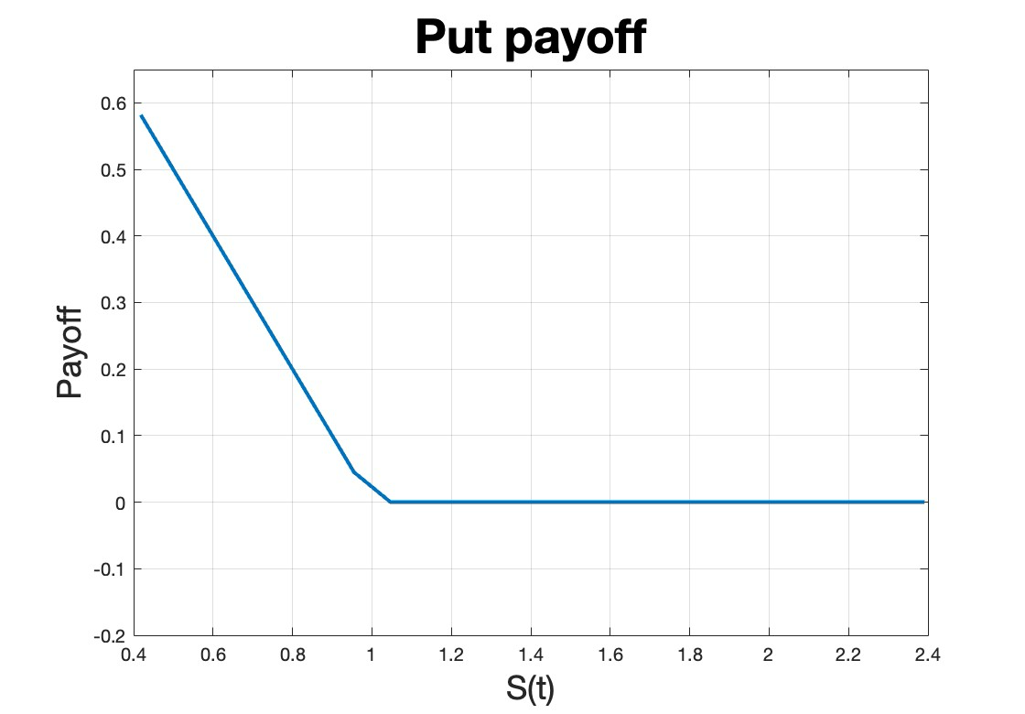
 | Tree - Put
 | 19 | 18 | 17 | 16 | 15 | 14 | 13 | 12 | 11 | 10 | 9 | 8 | 7 | 6 | 5 | 4 | 3 | 2 | 1 | 0
 | 0 | 0 | 0 | 0 | 0 | 0 | 0 | 0 | 0 | 0 | 4.8827293865E-05 | 0.00033610175649 | 0.00126301251 | 0.0034355512299 | 0.007574180407 | 0.014377641512 | 0.024391899308 | 0.037922287545 | 0.055003474058 | 0.075421322089
 | 0 | 0 | 0 | 0 | 0 | 0 | 0 | 0 | 0 | 9.659823225E-05 | 0.00061721199935 | 0.0021702198586 | 0.0055624028583 | 0.011626848602 | 0.021041797446 | 0.034204470066 | 0.051185343473 | 0.071754593158 | 0.095454696627
 | 0 | 0 | 0 | 0 | 0 | 0 | 0 | 0 | 0.00019110660729 | 0.001126663089 | 0.0036902716249 | 0.0088834567142 | 0.017565883222 | 0.030265161524 | 0.04710427837 | 0.067834449552 | 0.091932119283 | 0.11871675399
 | 0 | 0 | 0 | 0 | 0 | 0 | 0 | 0.00037807871324 | 0.0020421781838 | 0.0061995905225 | 0.013968131158 | 0.026069716947 | 0.042707982502 | 0.06361059402 | 0.088165167443 | 0.11557906099 | 0.14501761442
 | 0 | 0 | 0 | 0 | 0 | 0 | 0.00074797787177 | 0.003670669216 | 0.010269185054 | 0.021575056675 | 0.037924031054 | 0.059013424846 | 0.084105445165 | 0.11225473103 | 0.14249164526 | 0.17393959307
 | 0 | 0 | 0 | 0 | 0 | 0.001479773595 | 0.0065309081343 | 0.016728766173 | 0.032647021017 | 0.053941762089 | 0.079686037364 | 0.10871604272 | 0.1398825717 | 0.17219125202 | 0.20485550904
 | 0 | 0 | 0 | 0 | 0.0029275329859 | 0.011474304161 | 0.026712796847 | 0.048238306085 | 0.074809786081 | 0.10492949919 | 0.13720094845 | 0.17048799777 | 0.20394656298 | 0.23699233637
 | 0 | 0 | 0 | 0.0057917301759 | 0.019839217448 | 0.041633556347 | 0.069325928327 | 0.10085661931 | 0.13447546133 | 0.16888344869 | 0.20319771969 | 0.23685874096 | 0.26953548249
 | 0 | 0 | 0.011458159 | 0.03358882298 | 0.062977037049 | 0.096462528221 | 0.13177732495 | 0.16747196437 | 0.20268702053 | 0.23694542038 | 0.27000304485 | 0.30175184121
 | 0 | 0.022668426133 | 0.05525262809 | 0.091764415955 | 0.12928913385 | 0.1664285174 | 0.20253154348 | 0.23731454901 | 0.27067364722 | 0.30259213651 | 0.33309483269
 | 0.044846431554 | 0.087155483376 | 0.12754380489 | 0.16609754626 | 0.20289899414 | 0.23802674488 | 0.27155587008 | 0.30355807464 | 0.33410184774 | 0.36325260706
 | 0.12859588265 | 0.16714907044 | 0.20394996503 | 0.23907716277 | 0.27260573527 | 0.30460738741 | 0.33515060839 | 0.36430081587 | 0.39212049379
 | 0.20500204278 | 0.24012868695 | 0.27365670616 | 0.30565780531 | 0.33620047358 | 0.36535012864 | 0.39316925443 | 0.41971753268
 | 0.27470878391 | 0.30670932948 | 0.33725144446 | 0.36640054654 | 0.39421911962 | 0.42076684545 | 0.44610072924
 | 0.33830352222 | 0.36745207071 | 0.39527009051 | 0.42181726334 | 0.44715059442 | 0.47132453249
 | 0.39632216826 | 0.42286878752 | 0.44820156531 | 0.47237495038 | 0.49544094962
 | 0.44925364307 | 0.47342647456 | 0.4964919205 | 0.51849965547
 | 0.49754399826 | 0.51955117964 | 0.54054809716
 | 0.54160017492 | 0.56163159399
 | 0.58179343284

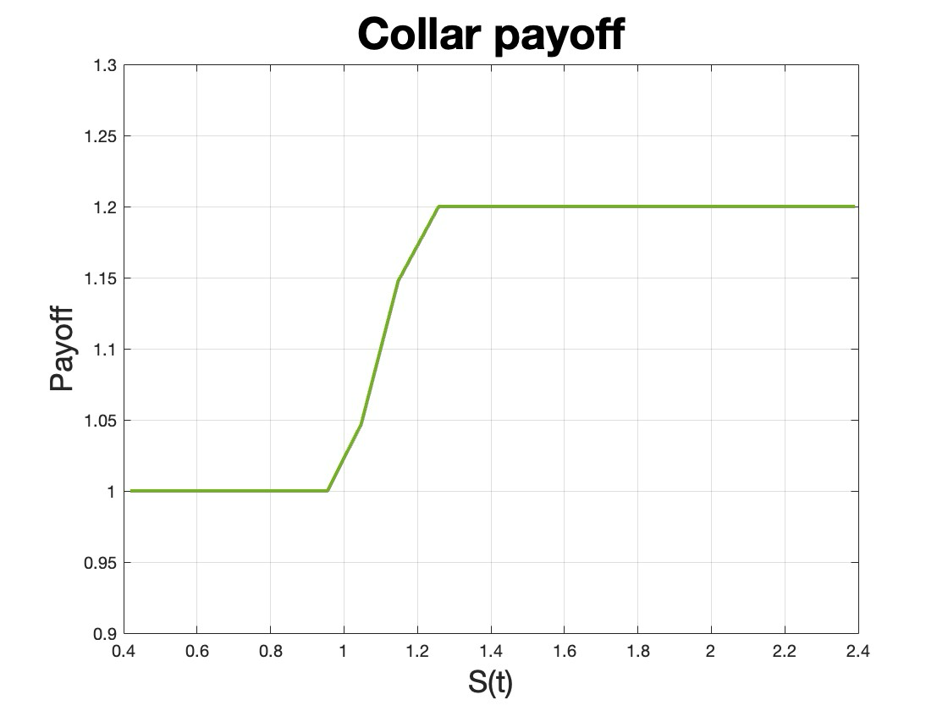
 | Tree - Collar
 | 19 | 18 | 17 | 16 | 15 | 14 | 13 | 12 | 11 | 10 | 9 | 8 | 7 | 6 | 5 | 4 | 3 | 2 | 1 | 0
 | 1.2 | 1.1993685872 | 1.1987375067 | 1.1981067582 | 1.1974763416 | 1.1968462567 | 1.1962165034 | 1.1955870814 | 1.1947345813 | 1.193006279 | 1.1894010427 | 1.1829104453 | 1.1728997432 | 1.1593314771 | 1.1427658869 | 1.1241886015 | 1.1047652079 | 1.0856127132 | 1.0676404074 | 1.0514739282
 | 1.2 | 1.1993685872 | 1.1987375067 | 1.1981067582 | 1.1974763416 | 1.1968462567 | 1.1962165034 | 1.1951450962 | 1.1925590517 | 1.1871156889 | 1.1777984009 | 1.1643369934 | 1.1472777087 | 1.1277655159 | 1.107202813 | 1.0869322781 | 1.0680246021 | 1.0511870154 | 1.0367685859
 | 1.2 | 1.1993685872 | 1.1987375067 | 1.1981067582 | 1.1974763416 | 1.1968462567 | 1.195342095 | 1.1912730666 | 1.18303151 | 1.1699184411 | 1.1523928712 | 1.1317995346 | 1.1098697431 | 1.0882589457 | 1.0682528528 | 1.0506574498 | 1.0358254845 | 1.0237563476
 | 1.2 | 1.1993685872 | 1.1987375067 | 1.1981067582 | 1.1974763416 | 1.1951163574 | 1.1885363862 | 1.1762083364 | 1.1583205687 | 1.1364643099 | 1.1128513328 | 1.0895925627 | 1.0682710301 | 1.0498124282 | 1.0345547353 | 1.0224081058 | 1.0130265851
 | 1.2 | 1.1993685872 | 1.1987375067 | 1.1981067582 | 1.1940539684 | 1.1833428511 | 1.1653842301 | 1.1420441932 | 1.1162866791 | 1.0909322378 | 1.0679954311 | 1.0485450131 | 1.0328652086 | 1.0207199597 | 1.0116012045 | 1.0049123264
 | 1.2 | 1.1993685872 | 1.1987375067 | 1.1913360533 | 1.1741064393 | 1.149045961 | 1.1204222382 | 1.0922752515 | 1.0672883501 | 1.0466904801 | 1.030627148 | 1.0186161344 | 1.0099126502 | 1.0037422691 | 0.99942120663
 | 1.2 | 1.1993685872 | 1.1853425778 | 1.1584897262 | 1.1257498652 | 1.0936138996 | 1.0659035388 | 1.0439790553 | 1.0276492517 | 1.0160009129 | 1.0079378264 | 1.0024578116 | 0.99875667119 | 0.99623849489
 | 1.2 | 1.1728685225 | 1.1334517305 | 1.0949242699 | 1.0633450535 | 1.0399310989 | 1.0236384725 | 1.0127594875 | 1.0056743335 | 1.0011068086 | 0.99814558845 | 0.99617913271 | 0.99481447489
 | 1.1475731869 | 1.0961086245 | 1.0584102231 | 1.033588823 | 1.0181306055 | 1.0087808675 | 1.0031814423 | 0.99979671662 | 0.99768497775 | 0.99629055613 | 0.99529426093 | 0.99451633442
 | 1.0469520641 | 1.0226684261 | 1.0104061965 | 1.0040827553 | 1.0006932512 | 0.99875326965 | 0.9975295007 | 0.99665968475 | 0.99596486331 | 0.99535662971 | 0.99479131046
 | 1 | 0.99947382269 | 0.99894792224 | 0.99842229851 | 0.99789695135 | 0.99737188062 | 0.99684708617 | 0.99632256785 | 0.99579832552 | 0.99527435904
 | 1 | 0.99947382269 | 0.99894792224 | 0.99842229851 | 0.99789695135 | 0.99737188062 | 0.99684708617 | 0.99632256785 | 0.99579832552
 | 1 | 0.99947382269 | 0.99894792224 | 0.99842229851 | 0.99789695135 | 0.99737188062 | 0.99684708617 | 0.99632256785
 | 1 | 0.99947382269 | 0.99894792224 | 0.99842229851 | 0.99789695135 | 0.99737188062 | 0.99684708617
 | 1 | 0.99947382269 | 0.99894792224 | 0.99842229851 | 0.99789695135 | 0.99737188062
 | 1 | 0.99947382269 | 0.99894792224 | 0.99842229851 | 0.99789695135
 | 1 | 0.99947382269 | 0.99894792224 | 0.99842229851
 | 1 | 0.99947382269 | 0.99894792224
 | 1 | 0.99947382269
 | 1

