Sheet1
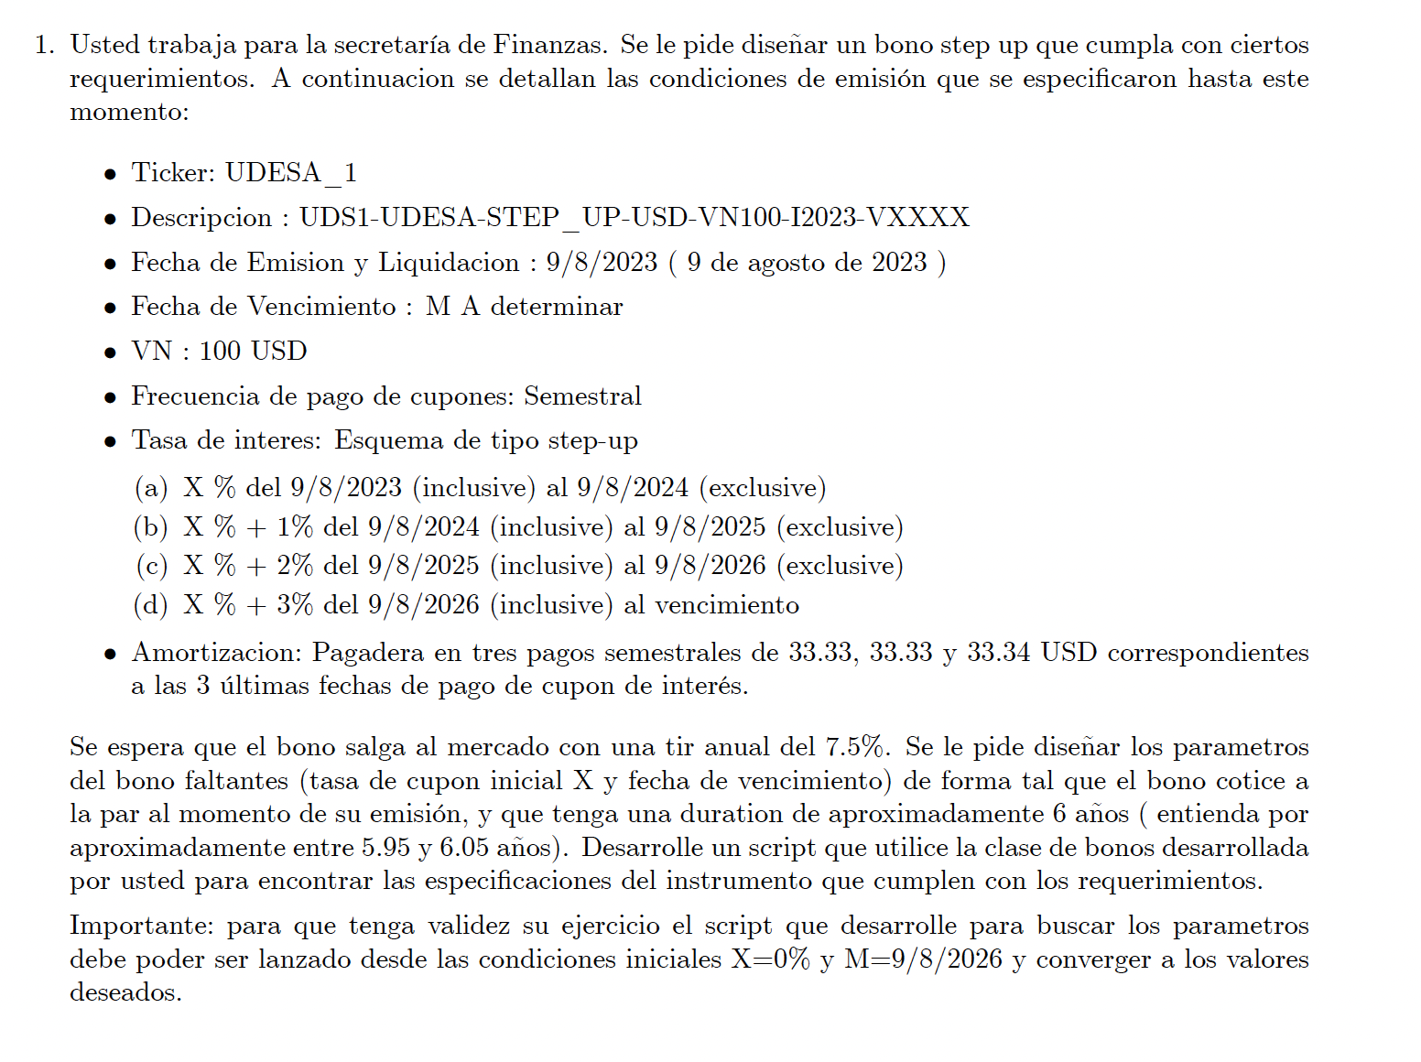
 |  |  |  |  |  |  |  |  |  |  |  | 5.912714143
Obj: precio = VN |  |  |  |  |  |  |  |  |  | 84.012434464 |  | 2.9563570715

 |  |  |  | X | TASA C |  |  | 100
2023-08-09 | EMISION | 0 | 2023-08-09 | 0% | 0% | 0 |  | 100 | 0 | 0 | 0 | 0
100 | VN | 1 | 2024-02-09 | 0% | 0% | 0 |  | 100 | 0 | 0 | 0 | 0
freq | 2 | 2 | 2024-08-09 | 0% | 0.50% | 0.5 |  | 100 | 0.5 | 0.46450863696 | 0.46450863696 | 0.92901727391
X | 0 | 3 | 2025-02-09 | 0% | 0.50% | 0.5 |  | 100 | 0.5 | 0.44771916815 | 0.44771916815 | 1.3431575045
 | 0.075 | 4 | 2025-08-09 | 0% | 1.00% | 1 |  | 100 | 1 | 0.86307309523 | 0.86307309523 | 3.4522923809
 |  | 5 | 2026-02-09 | 0% | 1.00% | 1 | 33.33 | 66.67 | 34.33 | 28.558360828 | 28.558360828 | 142.79180414
 |  | 6 | 2026-08-09 | 0% | 2% | 1.00005 | 33.33 | 33.34 | 34.33005 | 27.526171009 | 27.526171009 | 165.15702606
 |  | 7 | 2027-02-09 | 0% | 2% | 0.5001 | 33.34 | 0 | 33.8401 | 26.152601726 | 26.152601726 | 183.06821208

