P_guia (2)
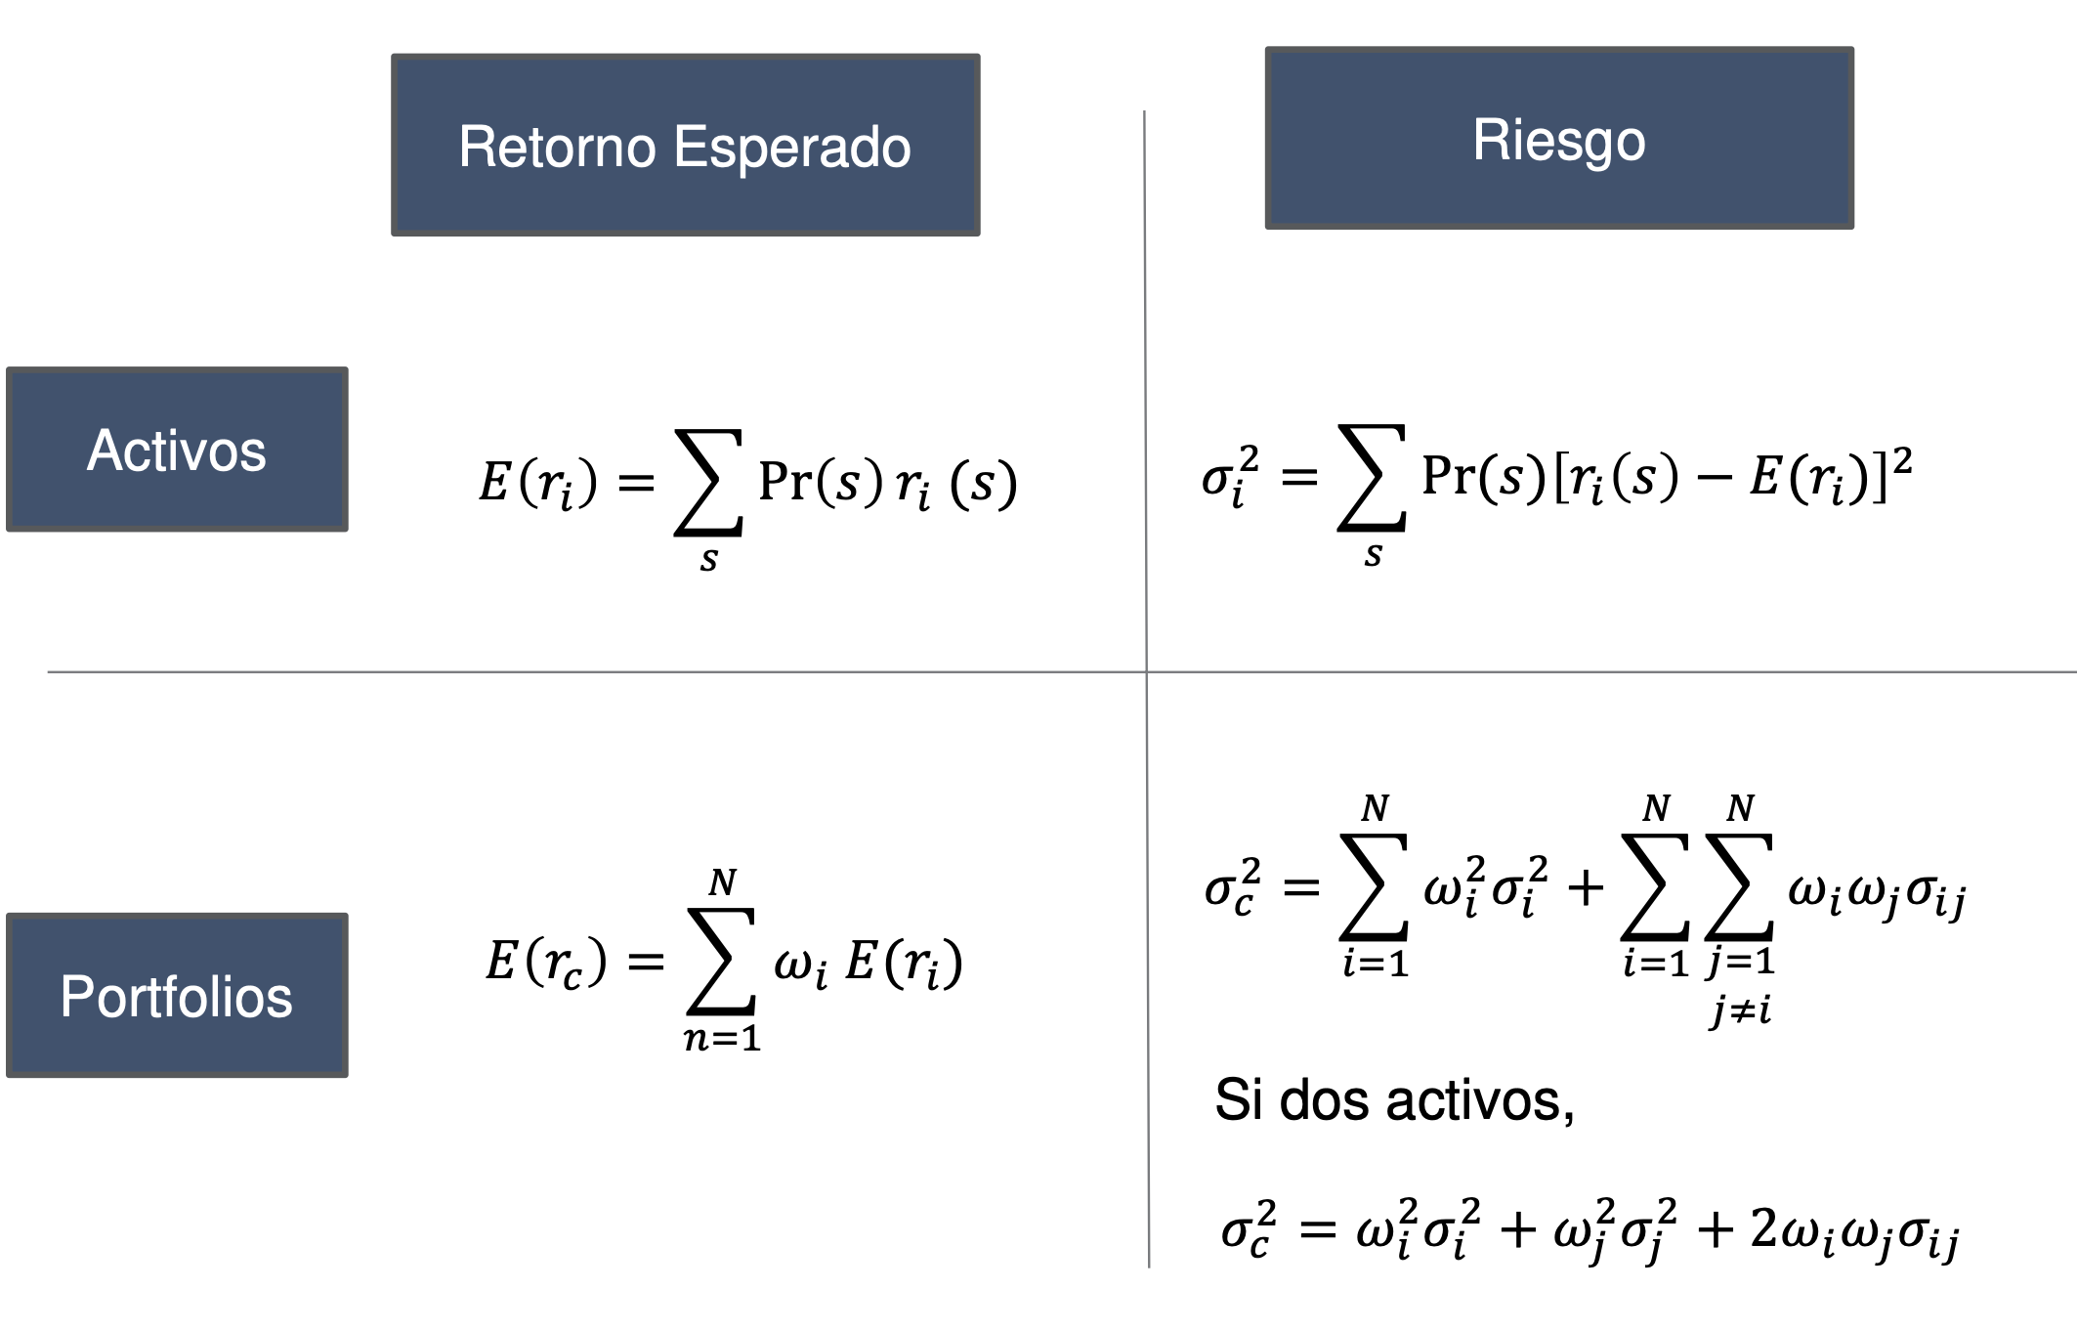
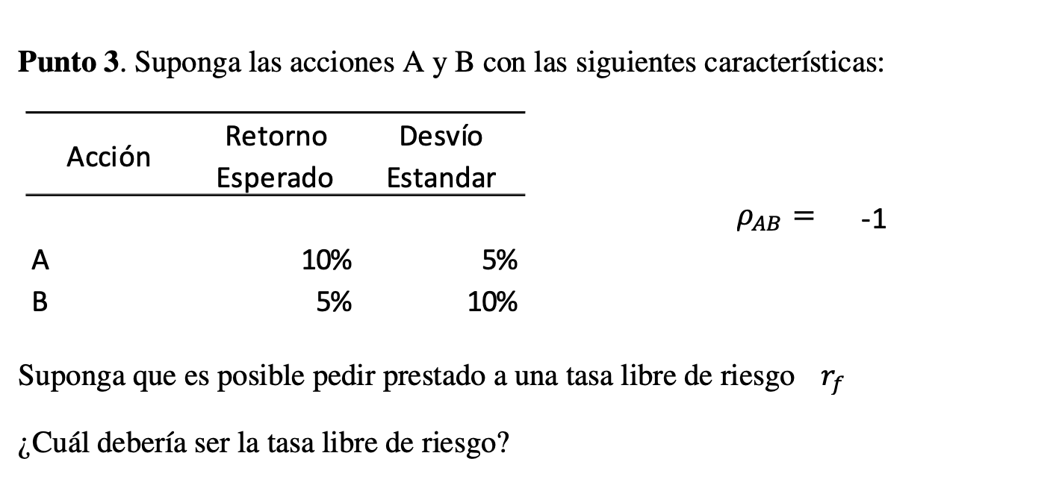
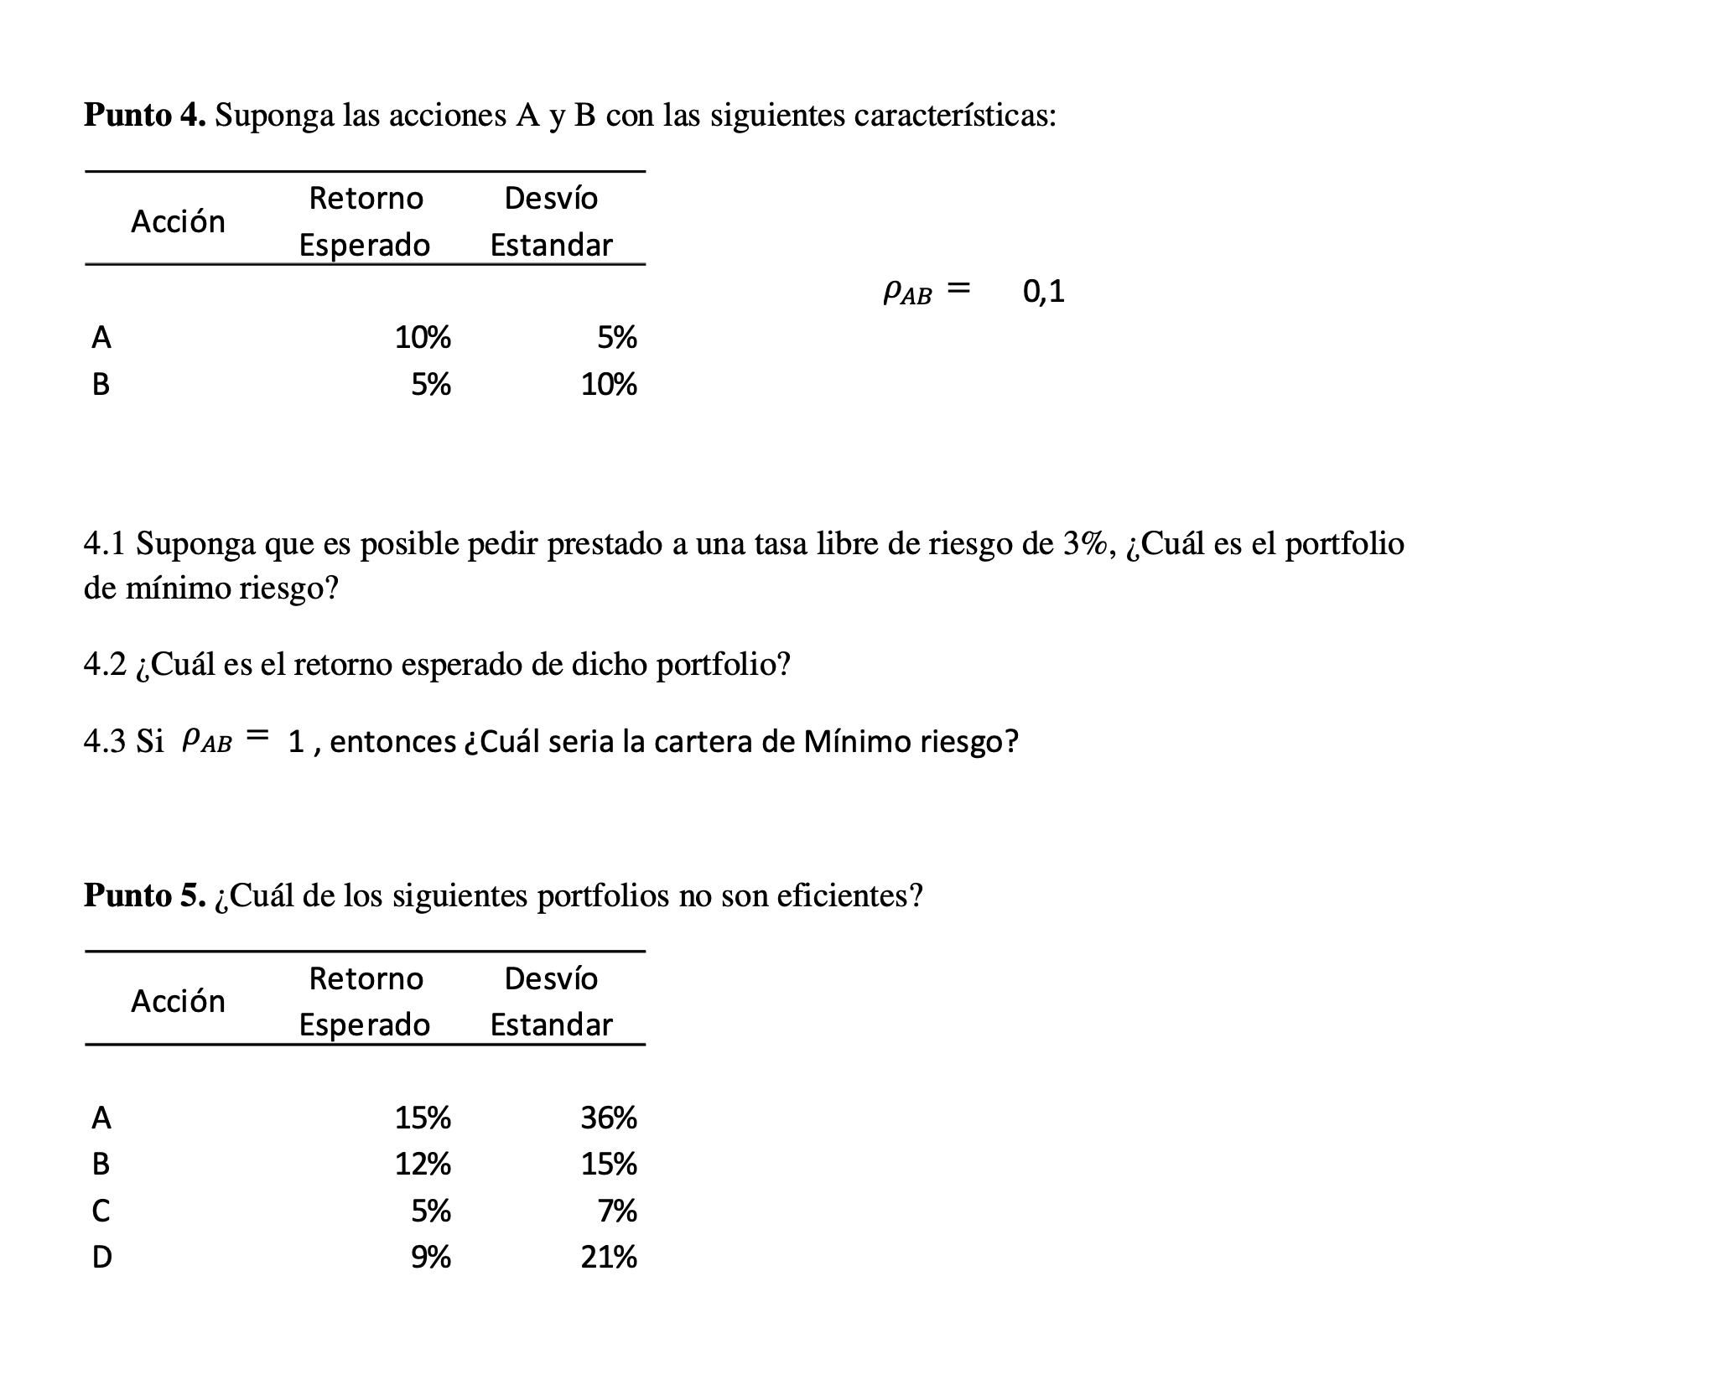
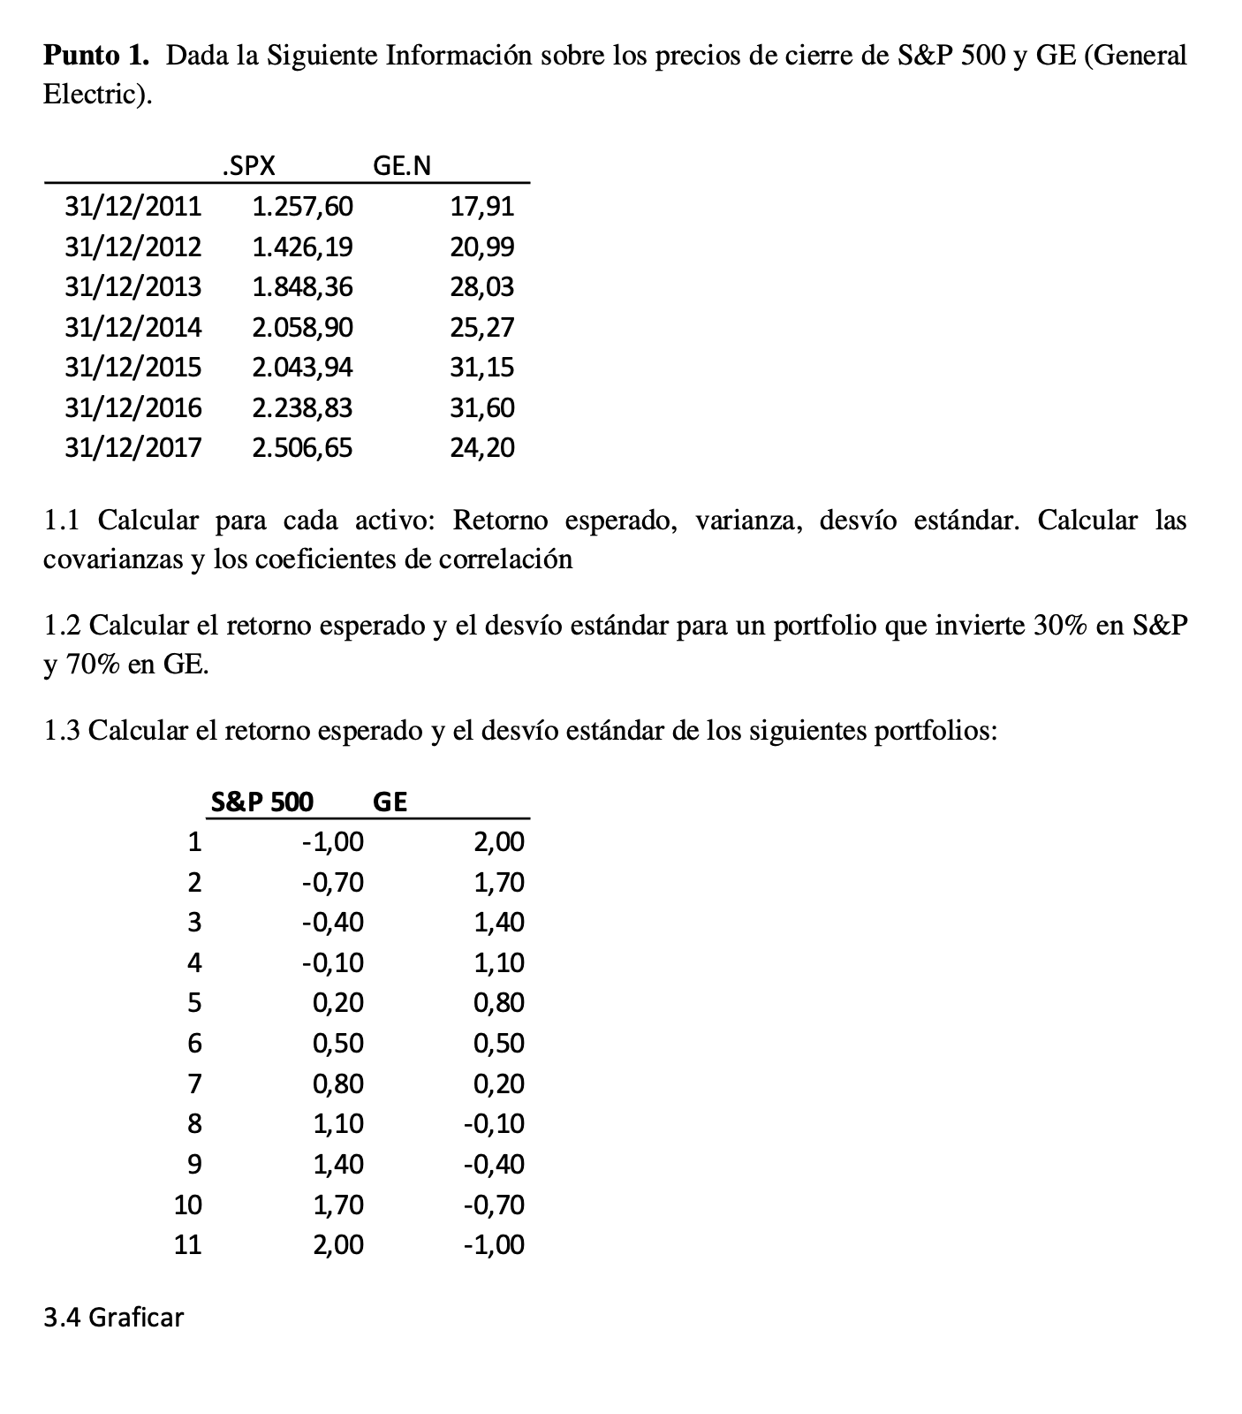
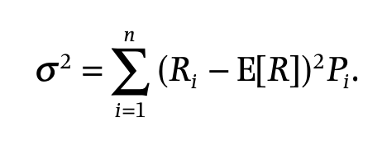

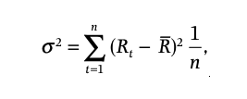
 | SPX | GE.N | E(Rspx) | E(Rgen) | VAR(Rspx) | VAR(Rgen)
2011-12-31 | 1257.600000 | 17.910000
2012-12-31 | 1426.190000 | 20.990000 | 0.134057 | 0.171971 | 0.000077 | 0.010335 | 0.008776 | 0.046690 | 0.000410
2013-12-31 | 1848.360000 | 28.030000 | 0.296012 | 0.335398 | 0.029149 | 0.070272 | 0.170732 | 0.210117 | 0.035874
2014-12-31 | 2058.900000 | 25.270000 | 0.113906 | -0.098466 | 0.000129 | 0.028485 | -0.011374 | -0.223747 | 0.002545
2015-12-31 | 2043.940000 | 31.150000 | -0.007266 | 0.232687 | 0.017569 | 0.026366 | -0.132547 | 0.107406 | -0.014236
2016-12-31 | 2238.830000 | 31.600000 | 0.095350 | 0.014446 | 0.000896 | 0.003121 | -0.029931 | -0.110835 | 0.003317
2017-12-31 | 2506.650000 | 24.200000 | 0.119625 | -0.234177 | 0.000032 | 0.092712 | -0.005656 | -0.359458 | 0.002033

 |  |  | 0.125281 | 0.070310 | 0.007975 | 0.038549 |  | 0.029942 | 0.029942

 |  |  |  |  | SD(Rspx) | SD(Rgen) |  |  | COV
 |  |  |  |  | 0.089305 | 0.196338 |  | 0.004990 | 0.004990

 |  |  |  |  |  |  |  |  | CORREL
 |  |  |  |  |  |  |  | 0.284614 | 0.284614

P | 0.300000 | SP |  | E | 0.086801
 | 0.700000 | GE |  | VAR | 0.021703
 |  |  |  | SD | 0.147318

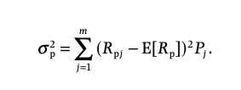

 | SPX | GE.N
1.00 | -1.000000 | 2.000000 | 0.015339 | 0.142208
2.00 | -0.700000 | 1.700000 | 0.031830 | 0.103436
3.00 | -0.400000 | 1.400000 | 0.048321 | 0.071242
4.00 | -0.100000 | 1.100000 | 0.064813 | 0.045626
5.00 | 0.200000 | 0.800000 | 0.081304 | 0.026587
6.00 | 0.500000 | 0.500000 | 0.097795 | 0.014126
7.00 | 0.800000 | 0.200000 | 0.114287 | 0.008243
8.00 | 1.100000 | -0.100000 | 0.130778 | 0.008938
9.00 | 1.400000 | -0.400000 | 0.147269 | 0.016210
10.00 | 1.700000 | -0.700000 | 0.163761 | 0.030060
11.00 | 2.000000 | -1.000000 | 0.180252 | 0.050488

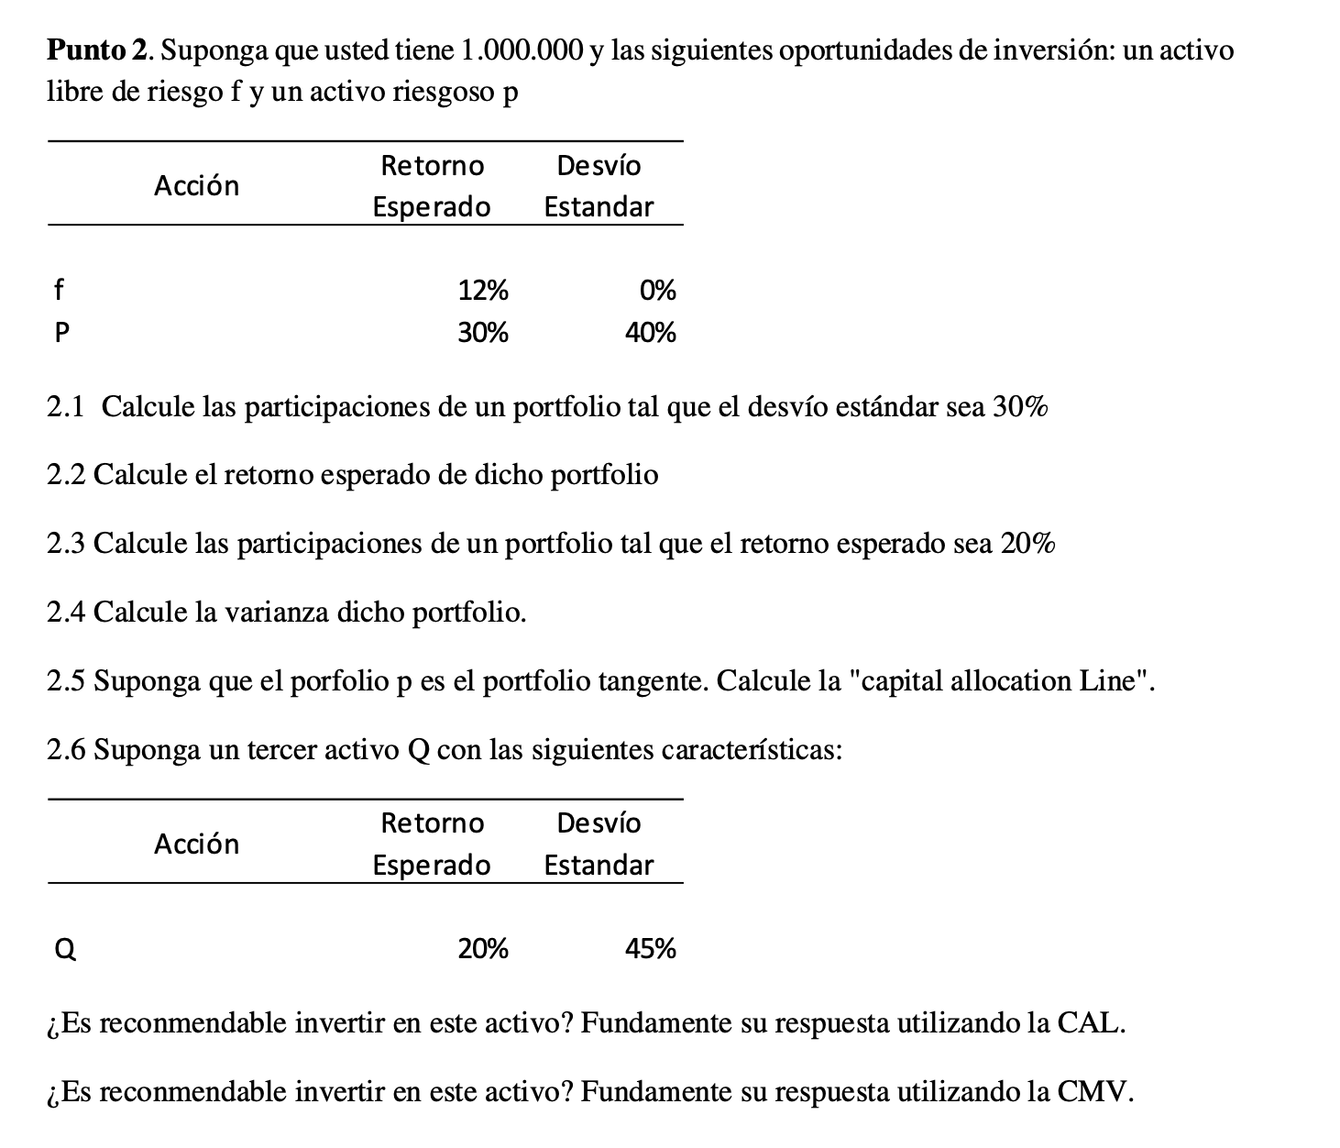

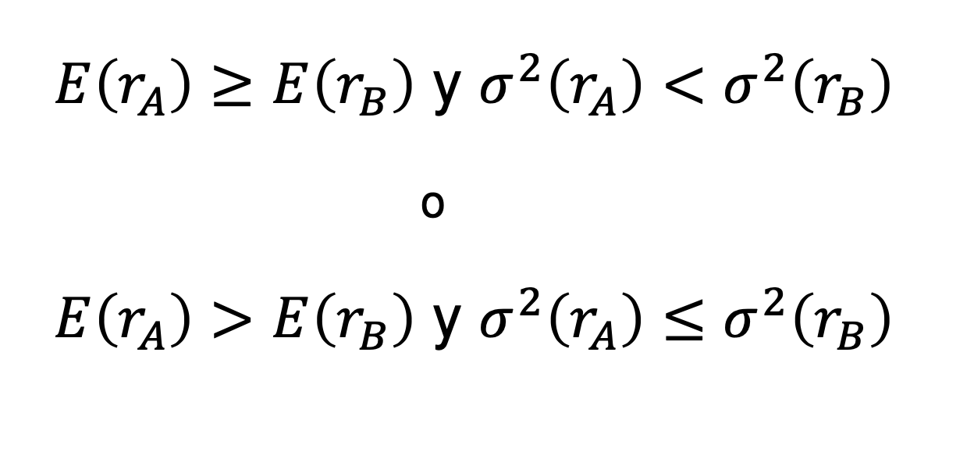

 |  | wp = | 1.3693063938
 |  | wf = | -0.369306

 |  | E(r) | 0.366475

 |  | wp = | -4.4444444444
 |  | wf = | 5.444444

BODIE

 |  | E(R) | SD
 | risk free | 0.09 | 0
 | stocks | 0.22 | 0.32
 | bonds | 0.13 | 0.23

 | CORREL(s,b) | 0.15000
 | COV(s,b) | 0.01104

 | Portfolio con los dos activos
 | s | 1-s = b | E(P) | SD(P)
 | -0.6 | 1.6 | 7.60% | 38.87%
 | -0.5 | 1.5 | 8.50% | 35.79%
 | -0.4 | 1.4 | 9.40% | 32.82%
 | -0.3 | 1.3 | 10.30% | 30.00%
 | -0.2 | 1.2 | 11.20% | 27.38%
 | -0.1 | 1.1 | 12.10% | 25.02%
 | 0 | 1 | 13.00% | 23.00%
 | 0.1 | 0.9 | 13.90% | 21.41%
 | 0.2 | 0.8 | 14.80% | 20.37%
 | 0.3 | 0.7 | 15.70% | 19.94%
 | 0.4 | 0.6 | 16.60% | 20.18%
 | 0.5 | 0.5 | 17.50% | 21.06%
 | 0.6 | 0.4 | 18.40% | 22.50%
 | 0.7 | 0.3 | 19.30% | 24.41%
 | 0.8 | 0.2 | 20.20% | 26.68%
 | 0.9 | 0.1 | 21.10% | 29.23%
 | 1 | 0 | 22.00% | 32.00%
 | 1.1 | -0.1 | 22.90% | 34.93%
 | 1.2 | -0.2 | 23.80% | 37.98%
 | 1.3 | -0.3 | 24.70% | 41.13%
 | 1.4 | -0.4 | 25.60% | 44.36%
 | 1.5 | -0.5 | 26.50% | 47.65%
 | 1.6 | -0.6 | 27.40% | 50.99%
 | 1.7 | -0.7 | 28.30% | 54.37%
 | 1.8 | -0.8 | 29.20% | 57.78%
1 ) MINIMA VARIANZA | 31.42% | 68.58% | 15.83% | 19.94%

