Confusion Matrices
Representative Confusion Matrices (normalized, fold 0)

 | EXP1 · Hi-Res · YOLO11m
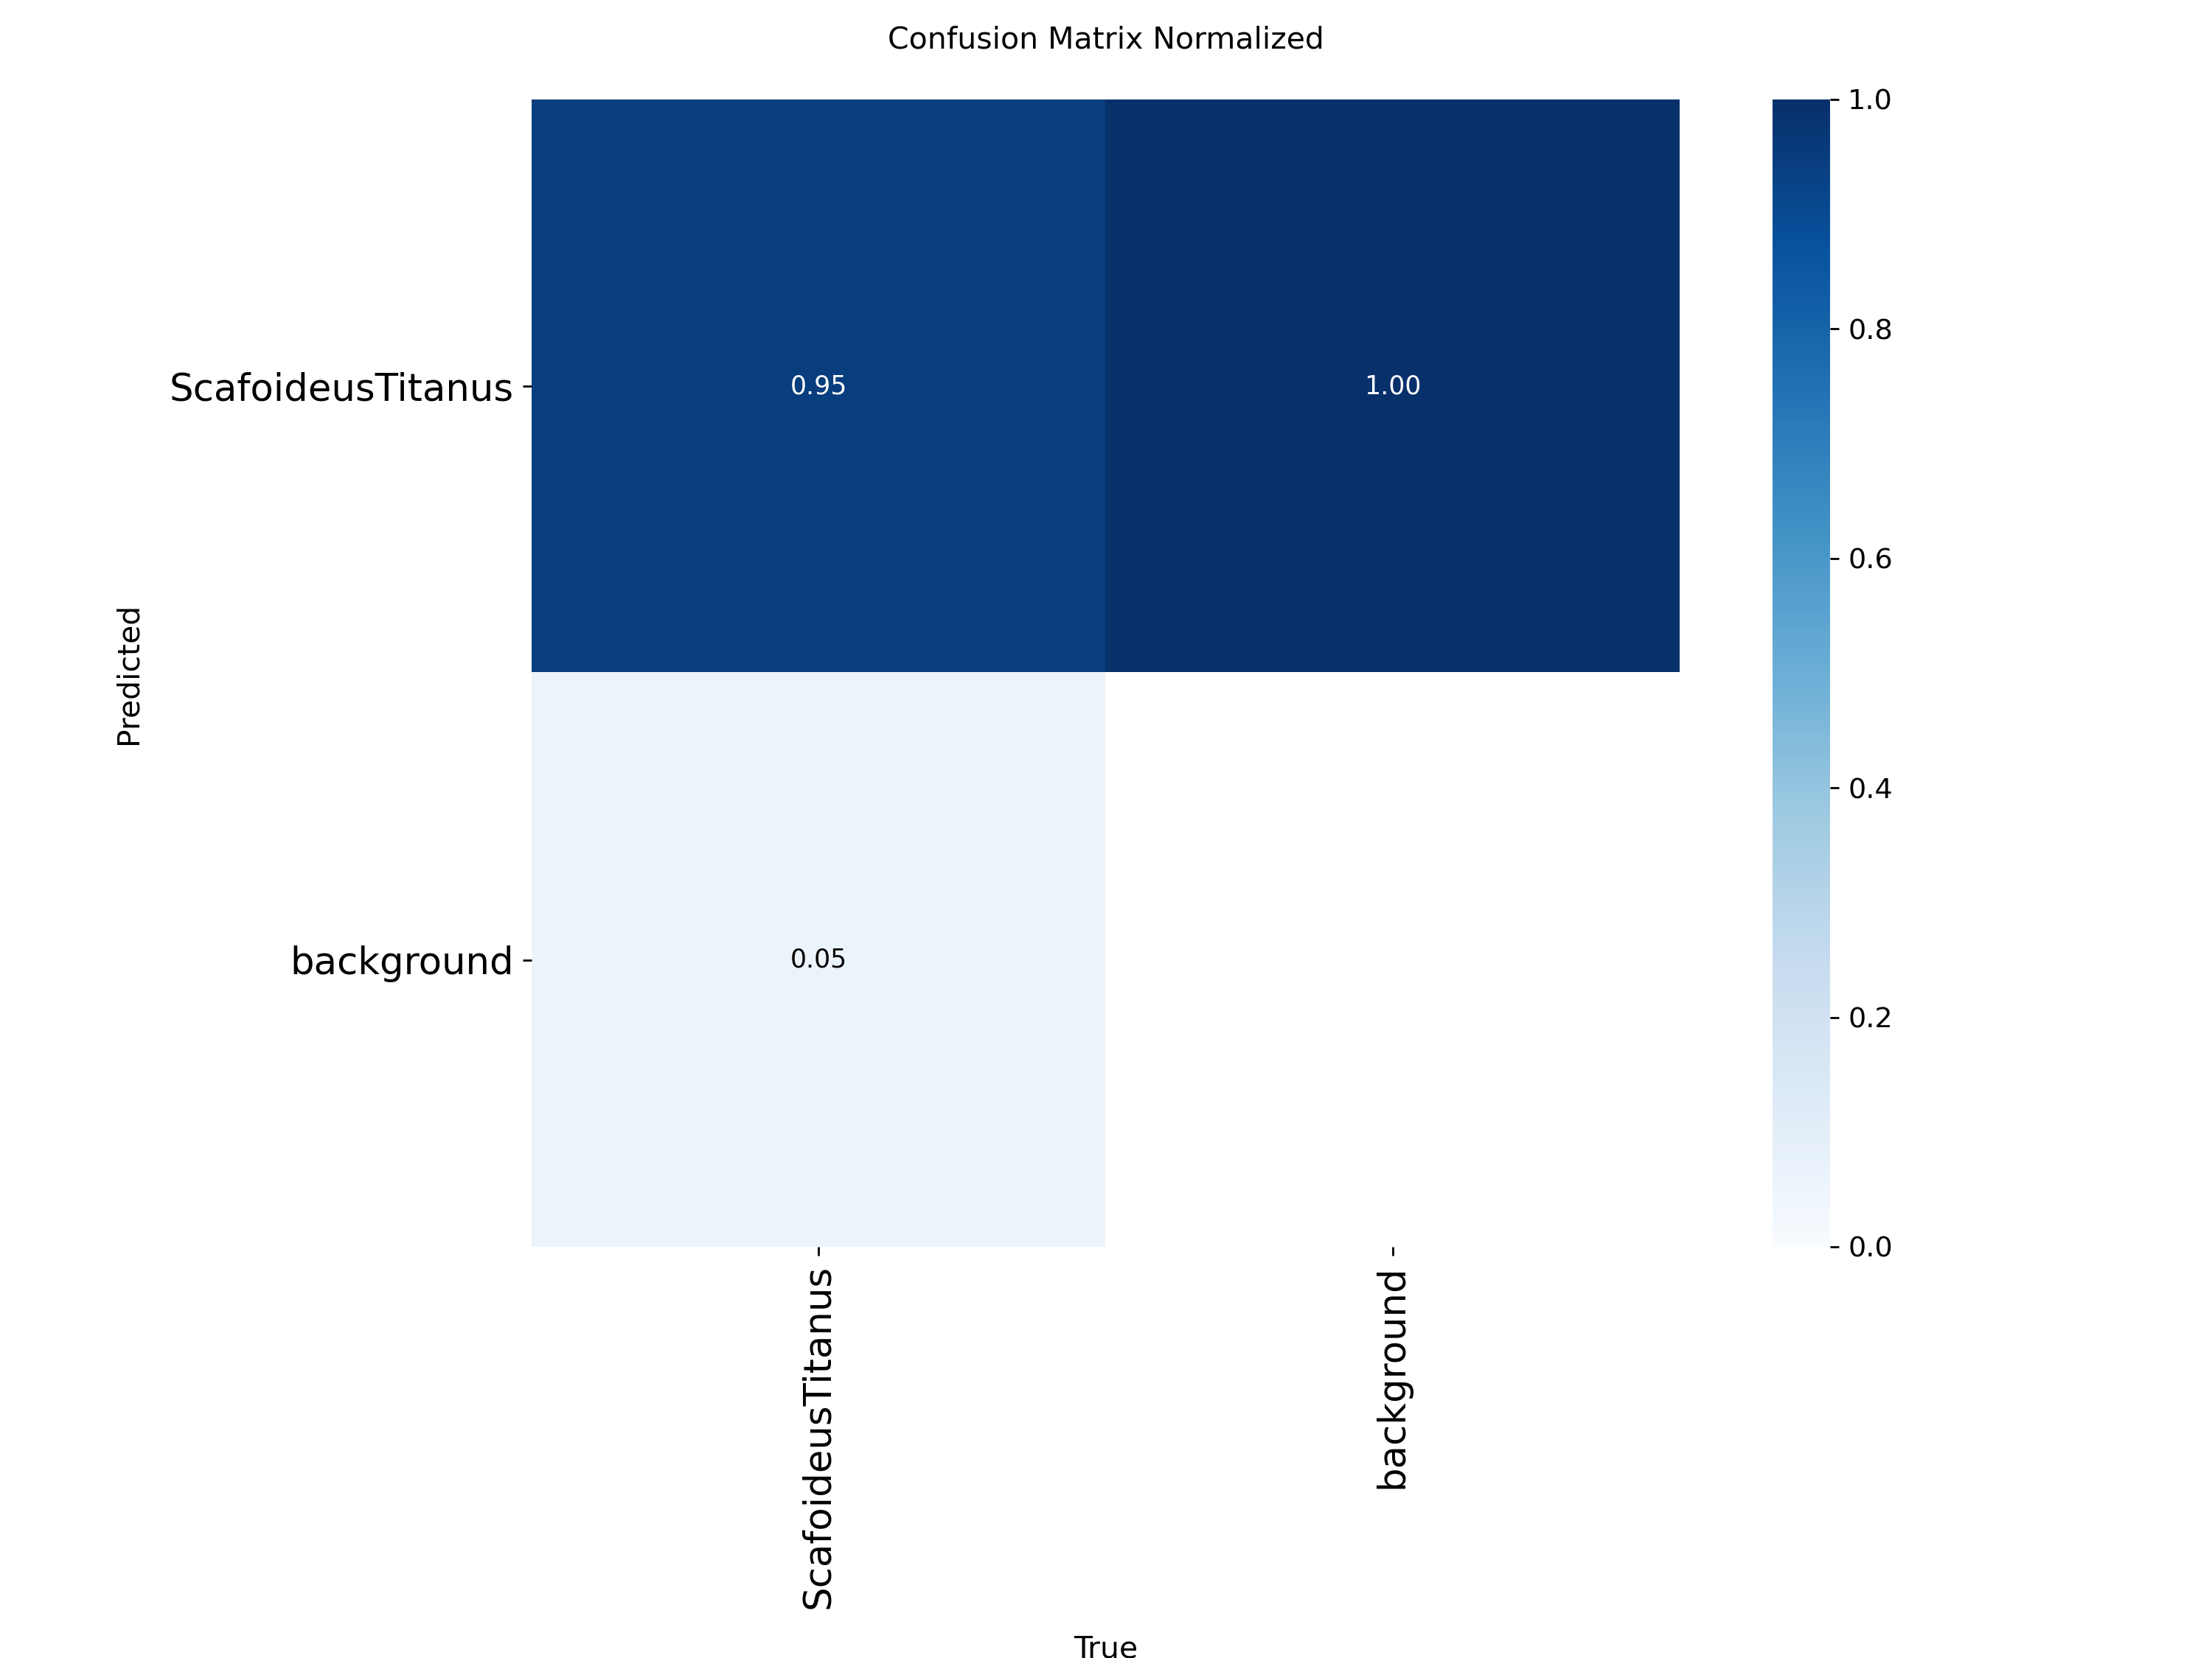

 | EXP1 · Low-Res · YOLO11m
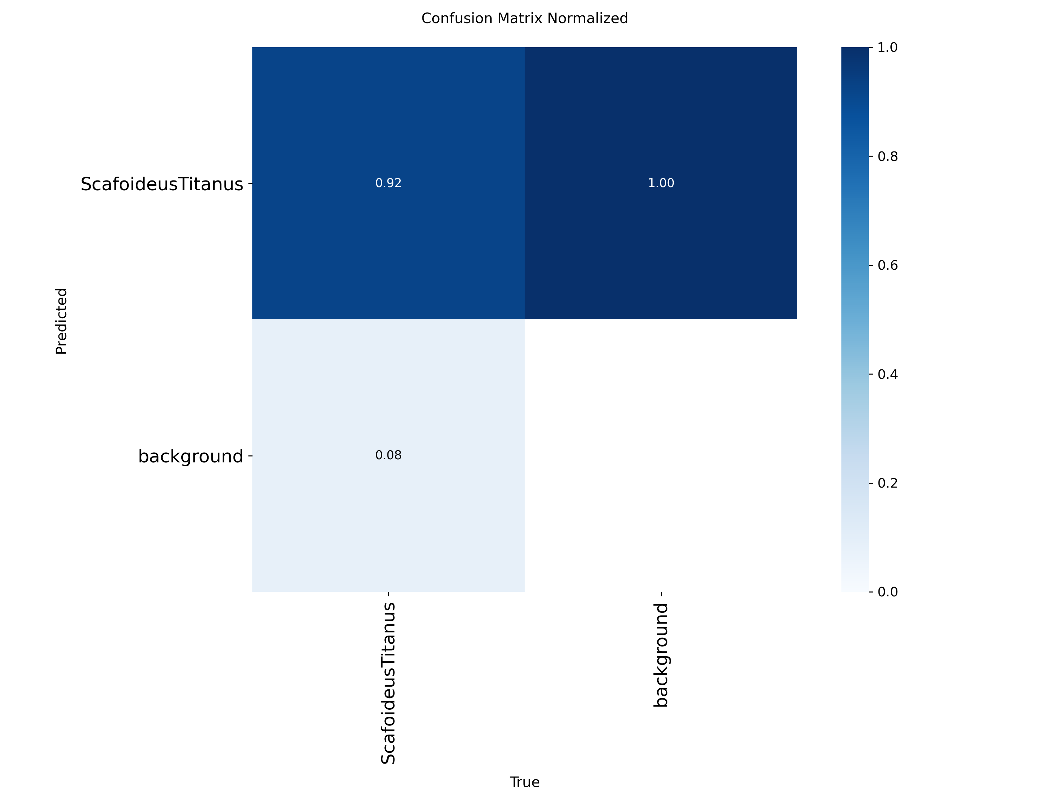

 | EXP1 · Literature · YOLO11m
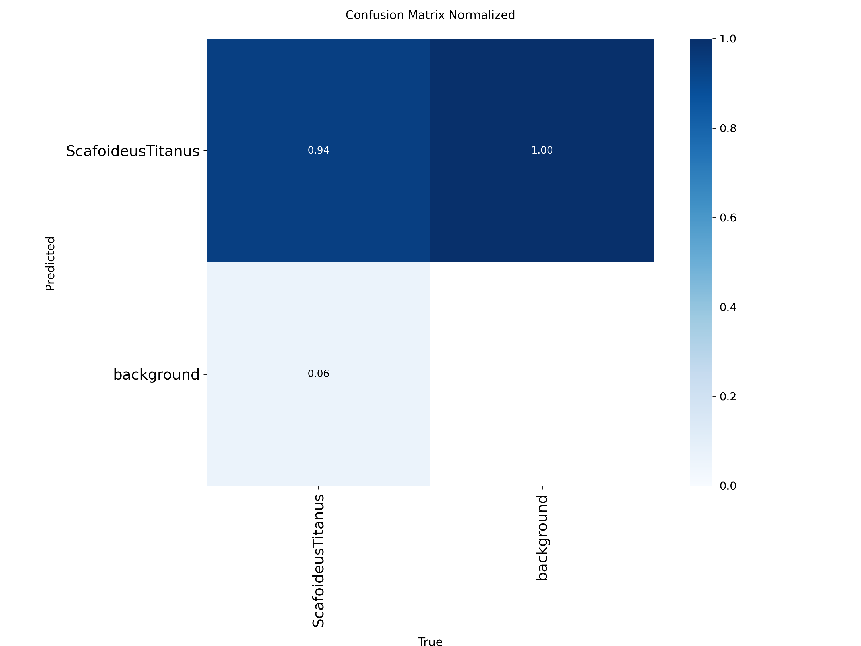

 | EXP4 · Hi-Res + Low-Res · YOLO11s


 | EXP4 · All Combined · YOLO11s

