SLD
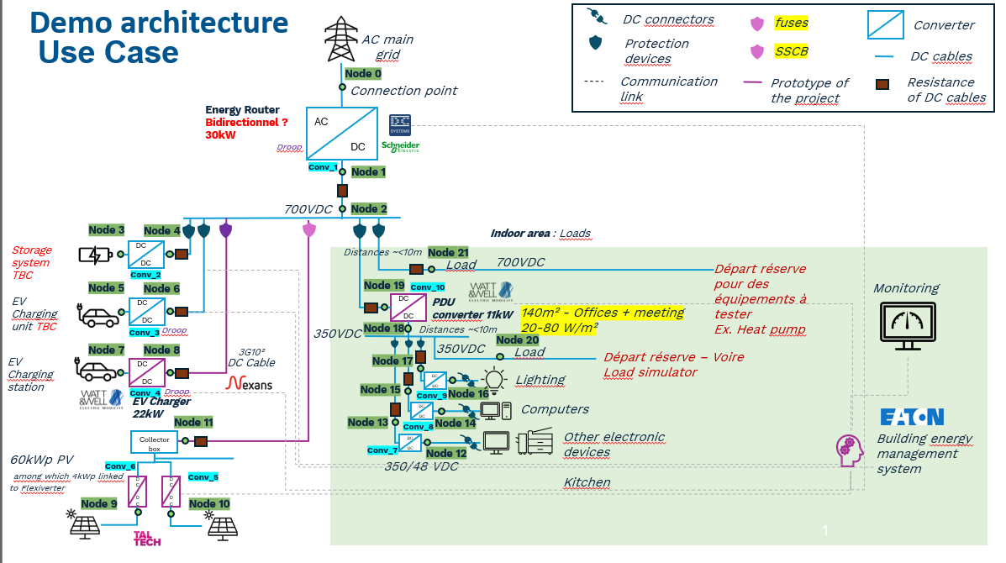

Assets Nodes
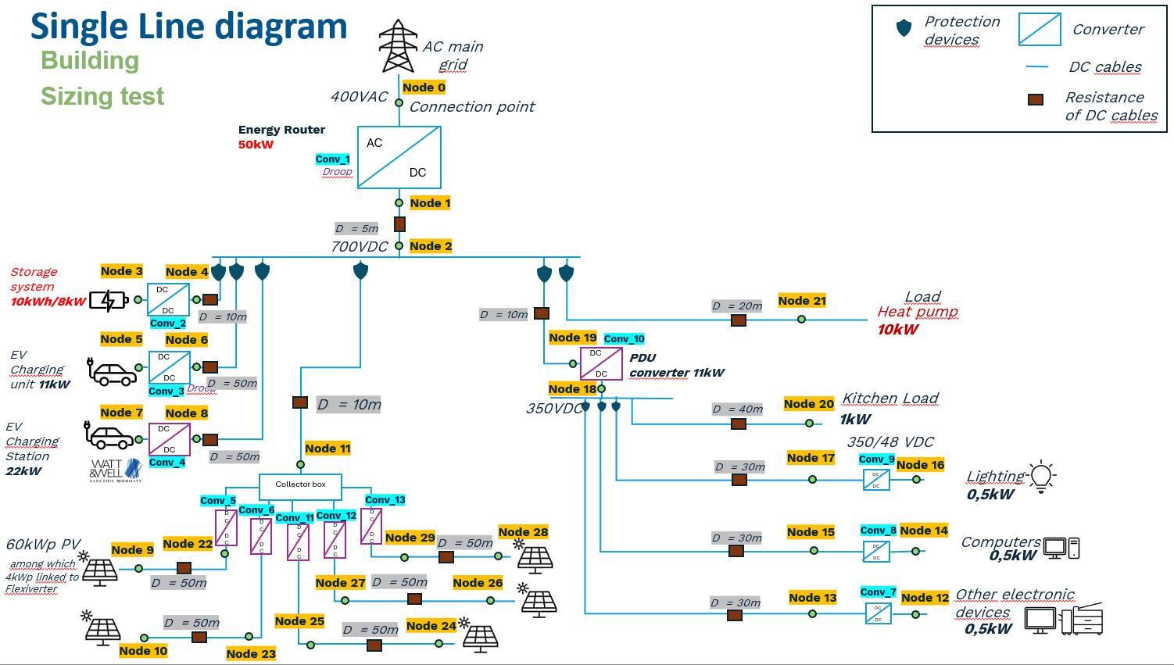
Component type | Node type | Node number | Operating nominal voltage (V) | Maximum power (kW) | Capacity (kWh) | Droop curve of asset | Directly linked converter | Node number for directly linked converter | Asset profile type
AC Grid | V | 0 | 400 |  |  | not applicable | Conv_1 | 1 | not applicable
Storage | storage | 3 | 700 | 8 | 10 | not applicable | Conv_2 | 4 | not applicable
EV | storage | 5 | 700 | 11 |  | not applicable | Conv_3 | 6 | user-defined
EV | storage | 7 | 700 | 22 |  | not applicable | Conv_4 | 8 | user-defined
PV | gen | 9 | 700 | 12 |  | not applicable | Conv_5 | 11 | user-defined
PV | gen | 10 | 700 | 12 |  | not applicable | Conv_6 | 11 | user-defined
DC Load | P | 12 | 48 | 0.5 |  | default non-dynamic | Conv_7 | 13 | user-defined
DC Load | P | 14 | 48 | 0.5 |  | default non-dynamic | Conv_8 | 15 | user-defined
DC Load | P | 16 | 48 | 0.5 |  | default non-dynamic | Conv_9 | 17 | user-defined
DC Load | P | 20 | 350 | 1 |  | not applicable |  |  | user-defined
DC Load | P | 21 | 700 | 10 |  | not applicable |  |  | user-defined
PV | gen | 24 | 700 | 12 |  | not applicable | Conv_11 | 11 | user-defined
PV | gen | 26 | 700 | 12 |  | not applicable | Conv_12 | 11 | user-defined
PV | gen | 28 | 700 | 12 |  | not applicable | Conv_13 | 11 | user-defined

