group & CU
该表单:
1. 描述如何将工作分配到各个CU上 |  |  |  |  |  |  |  |  |  |  |  |  |  |  |  |  |  |  | 各CU上work_group 分配
2. 描述每个work_group的工作量 |  |  |  |  |  |  |  |  |  |  |  |  |  |  |  |  |  |  | SE0 |  |  |  |  |  | SE1 |  |  |  |  |  | SE2 |  |  |  |  |  | SE3
3. 描述work_group的数量以及如何在各个CU上分配 |  |  |  |  |  |  |  |  |  |  |  |  |  |  |  |  |  |  | CU id | group id |  |  |  | group num | CU id | group id |  |  |  | group num | CU id | group id |  |  |  | group num | CU id | group id |  |  |  | group num
 |  |  |  |  |  |  |  |  |  |  |  |  |  |  |  |  |  |  | CU0 | 0 | 64 | 128 | 192 | 4 | CU0 | 1 | 65 | 129 | 193 | 4 | CU0 | 2 | 66 | 130 | 194 | 4 | CU0 | 3 | 67 | 131 | 195 | 4
 |  |  |  |  |  |  |  |  |  |  |  |  |  |  |  |  |  |  | CU1 | 4 | 68 | 132 |  | 3 | CU1 | 5 | 69 | 133 |  | 3 | CU1 | 6 | 70 | 134 |  | 3 | CU1 | 7 | 71 | 135 |  | 3
 |  |  |  |  |  |  |  |  |  |  |  |  |  |  |  |  |  |  | CU2 | 8 | 72 | 136 |  | 3 | CU2 | 9 | 73 | 137 |  | 3 | CU2 | 10 | 74 | 138 |  | 3 | CU2 | 11 | 75 | 139 |  | 3
 |  |  |  |  |  |  |  |  |  |  |  |  |  |  |  |  |  |  | CU3 | 12 | 76 | 140 |  | 3 | CU3 | 13 | 77 | 141 |  | 3 | CU3 | 14 | 78 | 142 |  | 3 | CU3 | 15 | 79 | 143 |  | 3
W=28
H=28
C=192
… …
N=16
group(0) =
64pix * 192chan
group(1) =
64pix * 192chan
C=192
H=1
… …
K=64
W=1
in one group
H=28
W=28
K=64
… …
N=16
group(0) =
64pix * 64feature
group(1) =
64pix * 64feature
 |  |  |  |  |  |  |  |  |  |  |  |  |  |  |  |  |  |  | CU4 | 16 | 80 | 144 |  | 3 | CU4 | 17 | 81 | 145 |  | 3 | CU4 | 18 | 82 | 146 |  | 3 | CU4 | 19 | 83 | 147 |  | 3
 |  |  |  |  |  |  |  |  |  |  |  |  |  |  |  |  |  |  | CU5 | 20 | 84 | 148 |  | 3 | CU5 | 21 | 85 | 149 |  | 3 | CU5 | 22 | 86 | 150 |  | 3 | CU5 | 23 | 87 | 151 |  | 3
 |  |  |  |  |  |  |  |  |  |  |  |  |  |  |  |  |  |  | CU6 | 24 | 88 | 152 |  | 3 | CU6 | 25 | 89 | 153 |  | 3 | CU6 | 26 | 90 | 154 |  | 3 | CU6 | 27 | 91 | 155 |  | 3
 |  |  |  |  |  |  |  |  |  |  |  |  |  |  |  |  |  |  | CU7 | 28 | 92 | 156 |  | 3 | CU7 | 29 | 93 | 157 |  | 3 | CU7 | 30 | 94 | 158 |  | 3 | CU7 | 31 | 95 | 159 |  | 3
 |  |  |  |  |  |  |  |  |  |  |  |  |  |  |  |  |  |  | CU8 | 32 | 96 | 160 |  | 3 | CU8 | 33 | 97 | 161 |  | 3 | CU8 | 34 | 98 | 162 |  | 3 | CU8 | 35 | 99 | 163 |  | 3
 |  |  |  |  |  |  |  |  |  |  |  |  |  |  |  |  |  |  | CU9 | 36 | 100 | 164 |  | 3 | CU9 | 37 | 101 | 165 |  | 3 | CU9 | 38 | 102 | 166 |  | 3 | CU9 | 39 | 103 | 167 |  | 3
 |  |  |  |  |  |  |  |  |  |  |  |  |  |  |  |  |  |  | CU10 | 40 | 104 | 168 |  | 3 | CU10 | 41 | 105 | 169 |  | 3 | CU10 | 42 | 106 | 170 |  | 3 | CU10 | 43 | 107 | 171 |  | 3
 |  |  |  |  |  |  |  |  |  |  |  |  |  |  |  |  |  |  | CU11 | 44 | 108 | 172 |  | 3 | CU11 | 45 | 109 | 173 |  | 3 | CU11 | 46 | 110 | 174 |  | 3 | CU11 | 47 | 111 | 175 |  | 3
 |  |  |  |  |  |  |  |  |  |  |  |  |  |  |  |  |  |  | CU12 | 48 | 112 | 176 |  | 3 | CU12 | 49 | 113 | 177 |  | 3 | CU12 | 50 | 114 | 178 |  | 3 | CU12 | 51 | 115 | 179 |  | 3
 |  |  |  |  |  |  |  |  |  |  |  |  |  |  |  |  |  |  | CU13 | 52 | 116 | 180 |  | 3 | CU13 | 53 | 117 | 181 |  | 3 | CU13 | 54 | 118 | 182 |  | 3 | CU13 | 55 | 119 | 183 |  | 3
 |  |  |  |  |  |  |  |  |  |  |  |  |  |  |  |  |  |  | CU14 | 56 | 120 | 184 |  | 3 | CU14 | 57 | 121 | 185 |  | 3 | CU14 | 58 | 122 | 186 |  | 3 | CU14 | 59 | 123 | 187 |  | 3
 |  |  |  |  |  |  |  |  |  |  |  |  |  |  |  |  |  |  | CU15 | 60 | 124 | 188 |  | 3 | CU15 | 61 | 125 | 189 |  | 3 | CU15 | 62 | 126 | 190 |  | 3 | CU15 | 63 | 127 | 191 |  | 3
 |  |  |  |  |  |  |  |  |  |  |  |  |  |  |  |  |  |  | Total |  |  |  |  | 49 | Total |  |  |  |  | 49 | Total |  |  |  |  | 49 | Total |  |  |  |  | 49 | 196

input |  |  |  | weight |  |  |  | output |  |  |  | parameter mapped in one group |  |  | group num
W | H | C | N | R | S | C | K | W | H | K | N | pix(W*H*N) | C | K | total | groups/SE | group num1/CU | group num2/CU
28 | 28 | 192 | 16 | 1 | 1 | 192 | 64 | 28 | 28 | 64 | 16 | 64 | 192 | 64 | 196 | 49 | 4 | 3
14 | 14 | 1024 | 16 | 1 | 1 | 1024 | 256 | 14 | 14 | 256 | 16 | 64 | 1024

每个work_group 计算:
input：64pixel * 192 channel
weight: 192 channel * 64 feature
output: 64pixel * 16 feature

local & wave
该表单: |  |  |  |  |  |  |  |  |  |  |  |  |  |  | 各CU上 wave_front 数量
1. 描述一个work_group的工作如何分配到各个thread上 |  |  |  |  |  |  |  |  |  |  |  |  |  |  | SE0 |  | SE1 |  | SE2 |  | SE3
2. 描述work_item的工作量以及数量 |  |  |  |  |  |  |  |  |  |  |  |  |  |  | CU id | wave num | CU id | wave num | CU id | wave num | CU id | wave num
3. 描述wave_front的工作量以及数量 |  |  |  |  |  |  |  |  |  |  |  |  |  |  | CU0 | 16 | CU0 | 16 | CU0 | 16 | CU0 | 16
 |  |  |  |  |  |  |  |  |  |  |  |  |  |  | CU1 | 12 | CU1 | 12 | CU1 | 12 | CU1 | 12
 |  |  |  |  |  |  |  |  |  |  |  |  |  |  | CU2 | 12 | CU2 | 12 | CU2 | 12 | CU2 | 12
W
H
C=192
thread(0) =
1pix * 192chan
thread(1) =
1pix * 192chan
group = 64pix * 192chan
C=192
H=1
… …
K=64
W=1
thread(0)
vave(0)
16 feature
thread(1) =
16 feature
H=28
W=28
K=64
thread(0) =
1pix * 16feature
thread(1) =
1pix * 16feature
group = 64pix * 64feature
 |  |  |  |  |  |  |  |  |  |  |  |  |  |  | CU3 | 12 | CU3 | 12 | CU3 | 12 | CU3 | 12
 |  |  |  |  |  |  |  |  |  |  |  |  |  |  | CU4 | 12 | CU4 | 12 | CU4 | 12 | CU4 | 12
 |  |  |  |  |  |  |  |  |  |  |  |  |  |  | CU5 | 12 | CU5 | 12 | CU5 | 12 | CU5 | 12
 |  |  |  |  |  |  |  |  |  |  |  |  |  |  | CU6 | 12 | CU6 | 12 | CU6 | 12 | CU6 | 12
 |  |  |  |  |  |  |  |  |  |  |  |  |  |  | CU7 | 12 | CU7 | 12 | CU7 | 12 | CU7 | 12
 |  |  |  |  |  |  |  |  |  |  |  |  |  |  | CU8 | 12 | CU8 | 12 | CU8 | 12 | CU8 | 12
 |  |  |  |  |  |  |  |  |  |  |  |  |  |  | CU9 | 12 | CU9 | 12 | CU9 | 12 | CU9 | 12
 |  |  |  |  |  |  |  |  |  |  |  |  |  |  | CU10 | 12 | CU10 | 12 | CU10 | 12 | CU10 | 12
 |  |  |  |  |  |  |  |  |  |  |  |  |  |  | CU11 | 12 | CU11 | 12 | CU11 | 12 | CU11 | 12
 |  |  |  |  |  |  |  |  |  |  |  |  |  |  | CU12 | 12 | CU12 | 12 | CU12 | 12 | CU12 | 12
 |  |  |  |  |  |  |  |  |  |  |  |  |  |  | CU13 | 12 | CU13 | 12 | CU13 | 12 | CU13 | 12
 |  |  |  |  |  |  |  |  |  |  |  |  |  |  | CU14 | 12 | CU14 | 12 | CU14 | 12 | CU14 | 12
 |  |  |  |  |  |  |  |  |  |  |  |  |  |  | CU15 | 12 | CU15 | 12 | CU15 | 12 | CU15 | 12
 |  |  |  |  |  |  |  |  |  |  |  |  |  |  | Total | 196 | Total | 196 | Total | 196 | Total | 196 | 784

parameter mapped on one group |  |  | parameter mapped in one wave |  |  | parameter mapped in one thread |  |  | group on one CU |  |  | wave on one CU
pix(W*H*N) | C | K | pix | C | K | pix | C | K | group size | group num1 | group num2 | wave size | wave num1 | wave num2
64 | 192 | 64 | 64 | 192 | 16 | 1 | 192 | 16 | 256 | 4 | 3 | 64 | 16 | 12
7 | 2048 | 512 | 49/64 | 64

每个work_item 计算:
input：1pixel * 192 channel
weight: 192 channel * 16 feature
output: 1pixel * 16 feature

thread
该表单:
1. 描述一个work_item的工作量
2. 计算一个work_item的GPR资源使用
3

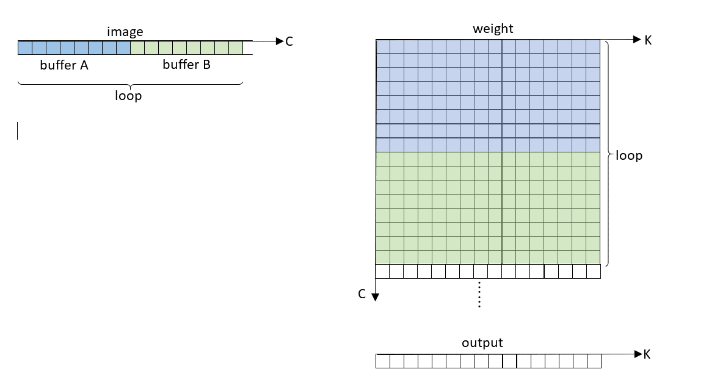

每层循环计算:
input：1pixel * 16 channel
weight: 16 channel * 64 feature
output: 1pixel * 16 feature

theoretic Value
该表单:
1. 计算一个CU上的计算量以及访存数量
2. 计算一个CU上计算时间与访存时间
3. 计算理论效率

W
H
C=192
… …
N
1 group =
4 waves =
64pix * 192chan
1 group =
4 waves =
64pix * 192chan
group(0)
group(64)
group(4)
group(68)
1 group = 192C * 64K
1 wave = 192C * 16K
CU0
CU1
SQC
C=192
H
… …
K=64
W
192chan * 64 feature
W
H
K=64
… …
N
group(0)
group(4)
1 group = 64pix * 64K
1 wave = 64pix * 16K
group(64)
group(68)
1 group = 64pix * 64K
1 wave = 64pix * 16K
CU0
CU1

parameter mapped on one wave |  |  | wave num | Operations | image read |  | weight read |  | result write |  | L2 --> L1 | L2 --> SQC | SQC --> CU | L1 --> L2 | Ops Cycles | CU Efficiency
pix | C | K |  |  | L2 --> L1 | L1 --> CU | L2 --> SQC | SQC --> CU | CU --> L1 | L1 --> L2 | 4 | 4 | 4 | 4 | 64
64 | 192 | 16 | 12 | 2359296 | 36864 |  | 12288 | 36864 |  | 12288 | 9216 | 3072 | 9216 | 3072 | 36864 | 100.00%
64 | 64 | 4 | 64 | 1048576 | 4096 |  |  | 16384 |  |  | 1024 |  | 4096 |  | 16384

计算公式
 |  | 数据量(DWORD) |  |  | 带宽(DWORD)
image read | L2 --> L1 | Pixwave * Cwave * (wave_numcu /4) |  |  | 4
 | L1 --> CU |  |  |  | 4
weight read | L2 --> SQC | Ccu * Kcu |  |  | 4
 | SQC --> CU | Cwave * Kwave * wave_numcu |  |  | 4
result write | CU --> L1 |  |  |  | 4
 | L1 --> L2 | Pixwave * Kwave * wave_numcu |  |  | 4
Operation |  | Pixwave * Cwave * Kwave * wave_numcu |  |  | 16

