upstream
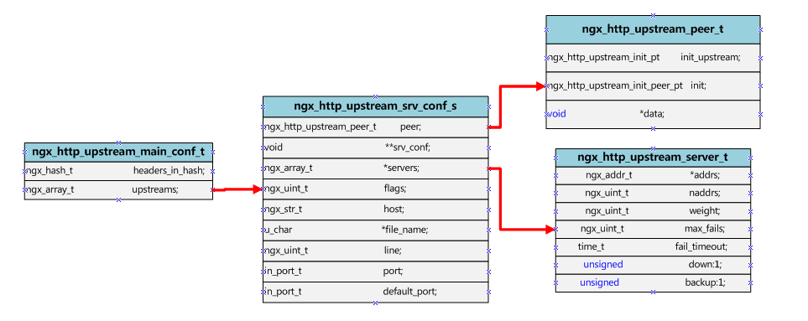
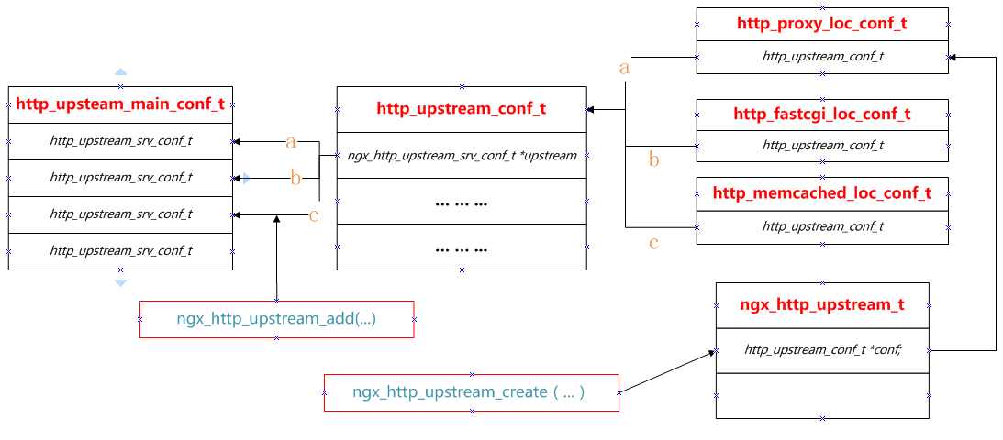

ngx_http_upstream_main_conf_t | (upstream管理所有server的总结构)
|-- ngx_http_upstream_srv_conf_t | (upstream管理针对后端单个server管理使用的结构)
ngx_http_upstream_t | (与后端服务器通信使用的总结构)
|-- ngx_http_upstream_conf_t | (与后端服务器通信模块的配置结构)

1. upstream模块在初始化时，创建 ngx_http_upstream_main_conf_t 结构体。 2. 在配置文件中，遇到"fastcgi_pass"、"memcached_pass"、"proxy_pass"等指令时，解析的过程中通过ngx_http_upstream_add()函数向 ngx_http_upstream_main_conf_t 结构体中添加 ngx_http_upstream_srv_conf_t 3.

input_filter_init
input_filter
input_filter_ctx
create_key
create_request
reinit_request
process_header
abort_request
finalize_request
rewrite_redirect
rewrite_cookie

