Internal Standards
Row Index Number | Rh (IS1) 103/103 | Rh (IS2) 103/103 | Rh (IS3) 103/103 | Rh (IS4) 103/103 | Rh (IS5) 103/103 | Rh (IS6) 103/103 | Rh OShift (IS1) 103/119
1 | 100.0% | 100.0% | 100.0% | 100.0% | 100.0% | 100.0% | 100.0%
2 | 97.4% | 103.5% | 96.4% | 110.2% | 99.0% | 101.5% | 100.0%
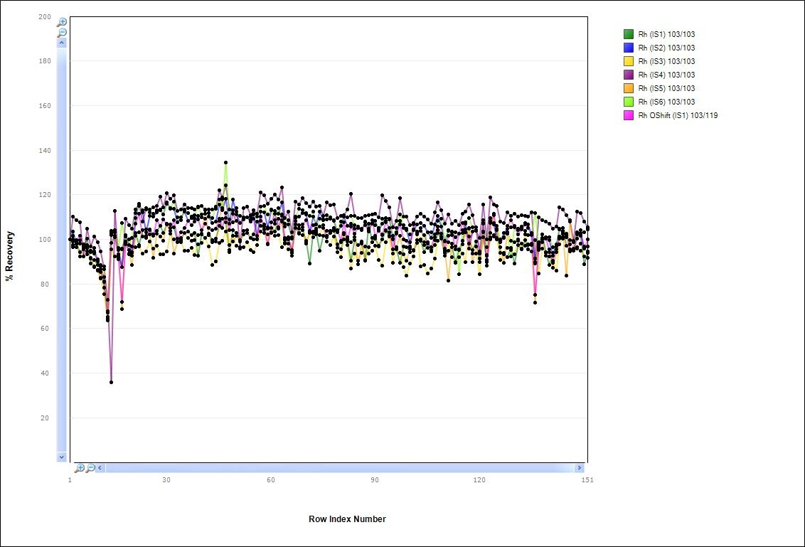
3 | 97.9% | 98.1% | 96.6% | 108.5% | 97.7% | 98.6% | 99.6%
4 | 94.2% | 99.8% | 98.0% | 107.5% | 92.4% | 99.5% | 101.5%
5 | 95.7% | 97.8% | 95.7% | 92.3% | 95.6% | 97.5% | 96.7%
6 | 100.3% | 96.2% | 96.9% | 104.9% | 94.4% | 97.3% | 93.4%
7 | 89.1% | 94.9% | 91.5% | 96.7% | 91.6% | 94.8% | 94.4%
8 | 90.8% | 93.7% | 87.8% | 101.3% | 87.5% | 94.5% | 96.2%
9 | 88.5% | 90.6% | 86.0% | 98.6% | 86.2% | 91.2% | 90.0%
10 | 87.9% | 86.8% | 82.7% | 94.6% | 82.5% | 88.5% | 85.3%
11 | 78.2% | 83.2% | 75.3% | 86.6% | 88.0% | 80.7% | 81.3%
12 | 64.1% | 67.3% | 63.7% | 72.9% | 64.6% | 67.8% | 65.4%
14 | 98.2% | 103.1% | 95.6% | 35.8% | 102.9% | 101.9% | 103.9%
15 | 101.6% | 103.3% | 92.4% | 112.7% | 101.3% | 104.0% | 100.9%
16 | 95.2% | 95.3% | 91.0% | 92.2% | 93.4% | 96.1% | 92.7%
17 | 95.6% | 87.6% | 95.8% | 87.6% | 68.8% | 107.3% | 71.9%
18 | 101.7% | 102.1% | 98.2% | 109.4% | 101.2% | 99.1% | 97.9%
19 | 93.5% | 97.5% | 100.0% | 106.5% | 93.3% | 97.5% | 95.2%
20 | 92.7% | 94.2% | 96.7% | 104.9% | 88.4% | 100.6% | 94.0%
21 | 102.8% | 109.5% | 96.5% | 113.5% | 101.5% | 111.8% | 107.0%
22 | 97.4% | 115.9% | 96.8% | 115.9% | 103.1% | 115.0% | 111.4%
23 | 104.0% | 112.0% | 93.7% | 108.1% | 101.4% | 113.0% | 101.3%
24 | 104.6% | 103.2% | 94.6% | 114.0% | 101.4% | 113.3% | 100.5%
25 | 104.3% | 110.7% | 99.1% | 113.4% | 102.1% | 112.1% | 104.5%
26 | 102.2% | 110.1% | 95.8% | 114.4% | 91.7% | 111.4% | 101.7%
27 | 103.8% | 112.1% | 97.0% | 115.1% | 102.5% | 113.2% | 108.5%
28 | 106.0% | 113.2% | 93.2% | 119.2% | 101.3% | 113.5% | 106.0%
29 | 102.8% | 111.0% | 93.2% | 114.4% | 99.4% | 111.3% | 109.1%
30 | 106.8% | 116.5% | 94.7% | 120.7% | 107.1% | 116.1% | 106.6%
31 | 106.7% | 113.8% | 102.5% | 118.2% | 105.1% | 114.1% | 104.0%
32 | 105.4% | 113.7% | 100.1% | 119.8% | 93.5% | 116.8% | 108.6%
33 | 99.0% | 107.7% | 100.2% | 112.7% | 98.6% | 109.9% | 100.4%
34 | 100.6% | 110.0% | 98.9% | 113.5% | 99.7% | 108.7% | 103.2%
35 | 102.9% | 112.4% | 94.8% | 115.6% | 103.0% | 113.4% | 105.2%
36 | 103.4% | 108.3% | 94.8% | 114.1% | 100.7% | 111.9% | 108.2%
37 | 101.8% | 109.5% | 96.3% | 114.2% | 99.4% | 110.2% | 106.3%
38 | 102.9% | 109.2% | 93.1% | 113.3% | 99.6% | 110.8% | 108.0%
39 | 92.7% | 110.7% | 97.8% | 114.3% | 102.0% | 114.7% | 109.0%
40 | 102.4% | 109.8% | 98.3% | 115.1% | 102.2% | 111.2% | 104.2%
41 | 100.5% | 109.3% | 100.6% | 113.2% | 113.4% | 111.4% | 107.1%
42 | 102.6% | 110.3% | 96.8% | 113.4% | 101.8% | 111.9% | 105.2%
43 | 99.7% | 107.3% | 88.7% | 113.3% | 98.8% | 109.4% | 104.1%
44 | 100.3% | 107.9% | 90.2% | 113.8% | 99.1% | 114.8% | 104.9%
45 | 106.2% | 115.6% | 98.5% | 122.0% | 108.4% | 117.8% | 109.4%
46 | 109.1% | 113.1% | 99.2% | 119.0% | 117.8% | 114.2% | 104.9%
47 | 107.5% | 118.1% | 103.4% | 124.1% | 109.5% | 134.3% | 111.8%
48 | 94.4% | 106.9% | 95.3% | 113.5% | 97.3% | 108.8% | 104.3%
49 | 104.2% | 117.8% | 101.6% | 113.1% | 99.0% | 107.7% | 111.6%
50 | 102.8% | 111.1% | 97.1% | 113.9% | 101.7% | 112.3% | 108.3%
51 | 99.7% | 107.4% | 95.7% | 96.4% | 98.9% | 110.6% | 107.4%
52 | 102.3% | 109.9% | 96.5% | 114.2% | 103.7% | 108.9% | 109.7%
53 | 103.0% | 109.8% | 98.7% | 114.8% | 104.3% | 109.9% | 110.0%
54 | 100.7% | 108.0% | 95.2% | 110.8% | 100.6% | 110.2% | 108.8%
55 | 102.3% | 111.1% | 94.4% | 113.2% | 100.1% | 111.6% | 109.1%
56 | 108.0% | 101.7% | 97.5% | 111.4% | 100.2% | 110.3% | 99.9%
57 | 106.2% | 112.3% | 103.5% | 121.1% | 108.4% | 114.6% | 110.1%
58 | 104.6% | 112.1% | 102.7% | 119.9% | 106.8% | 115.1% | 105.6%
59 | 104.8% | 105.5% | 97.9% | 116.1% | 102.1% | 111.2% | 97.7%
60 | 105.2% | 113.5% | 102.9% | 118.0% | 103.3% | 112.9% | 107.5%
61 | 103.5% | 112.9% | 101.6% | 120.0% | 107.0% | 108.7% | 111.5%
62 | 109.2% | 111.6% | 101.9% | 118.0% | 104.9% | 113.9% | 105.3%
63 | 108.1% | 116.6% | 96.5% | 123.3% | 108.5% | 111.2% | 110.5%
64 | 98.0% | 105.8% | 98.3% | 109.5% | 99.7% | 107.1% | 100.8%
65 | 99.8% | 106.6% | 95.4% | 112.3% | 98.0% | 108.5% | 101.0%
66 | 94.1% | 100.8% | 92.6% | 103.3% | 94.8% | 100.4% | 95.2%
67 | 105.1% | 109.7% | 108.1% | 116.9% | 106.7% | 110.3% | 108.2%
68 | 103.0% | 110.3% | 102.6% | 115.6% | 104.8% | 113.6% | 106.4%
69 | 104.3% | 111.7% | 101.9% | 118.5% | 105.4% | 113.1% | 106.5%
70 | 99.5% | 111.2% | 98.9% | 116.4% | 98.2% | 111.9% | 108.7%
71 | 89.1% | 103.5% | 103.0% | 114.7% | 103.0% | 110.6% | 103.8%
72 | 103.4% | 110.3% | 101.0% | 116.9% | 103.0% | 112.6% | 106.4%
73 | 103.1% | 106.5% | 102.4% | 114.5% | 103.9% | 104.3% | 104.8%
74 | 94.9% | 112.5% | 102.0% | 114.8% | 102.0% | 109.4% | 105.9%
75 | 101.6% | 108.5% | 106.4% | 110.6% | 101.6% | 108.8% | 104.9%
76 | 101.0% | 108.9% | 99.0% | 116.5% | 103.9% | 110.9% | 101.6%
77 | 103.0% | 109.9% | 97.5% | 115.3% | 103.9% | 109.2% | 103.9%
78 | 104.3% | 108.3% | 101.3% | 115.7% | 103.7% | 108.7% | 105.1%
79 | 97.7% | 103.1% | 94.2% | 109.7% | 96.1% | 103.5% | 104.2%
80 | 95.5% | 105.9% | 92.1% | 110.7% | 98.8% | 108.0% | 99.5%
81 | 100.2% | 110.2% | 102.9% | 110.9% | 102.3% | 110.6% | 107.6%
82 | 98.9% | 106.1% | 97.5% | 113.4% | 101.1% | 110.0% | 100.1%
83 | 90.5% | 107.0% | 86.9% | 120.3% | 98.7% | 110.6% | 105.8%
84 | 99.6% | 104.7% | 93.8% | 110.6% | 101.0% | 106.4% | 102.4%
85 | 97.4% | 105.2% | 90.5% | 109.7% | 88.8% | 105.6% | 105.3%
86 | 99.1% | 104.2% | 93.8% | 109.7% | 98.0% | 104.0% | 104.8%
87 | 90.6% | 107.7% | 96.9% | 110.5% | 90.4% | 108.1% | 106.3%
88 | 106.9% | 104.8% | 93.8% | 110.9% | 96.6% | 104.0% | 103.4%
89 | 98.9% | 106.9% | 95.0% | 111.1% | 100.6% | 107.4% | 108.5%
90 | 100.3% | 108.4% | 97.2% | 111.5% | 101.0% | 106.3% | 101.6%
91 | 97.3% | 104.1% | 90.7% | 110.0% | 96.9% | 105.2% | 103.9%
92 | 99.8% | 107.1% | 88.3% | 119.7% | 102.1% | 109.2% | 101.8%
93 | 103.9% | 109.5% | 98.7% | 117.1% | 104.2% | 108.2% | 107.7%
94 | 101.3% | 109.3% | 101.7% | 114.4% | 103.3% | 108.9% | 105.1%
95 | 100.0% | 100.4% | 89.6% | 105.5% | 93.8% | 101.5% | 95.6%
96 | 95.5% | 103.0% | 96.2% | 108.2% | 96.5% | 104.9% | 102.7%
97 | 89.6% | 108.3% | 93.9% | 118.5% | 101.4% | 111.3% | 106.5%
98 | 96.9% | 105.0% | 87.7% | 110.1% | 93.4% | 106.3% | 100.0%
99 | 96.4% | 104.0% | 83.8% | 110.3% | 90.5% | 104.8% | 99.4%
100 | 94.3% | 98.8% | 89.2% | 106.4% | 96.0% | 102.1% | 96.8%
101 | 94.9% | 104.2% | 92.3% | 107.3% | 95.2% | 104.3% | 106.7%
102 | 98.3% | 106.6% | 103.5% | 110.3% | 99.7% | 103.0% | 102.1%
103 | 99.4% | 107.3% | 87.9% | 111.5% | 99.9% | 105.2% | 103.9%
104 | 94.1% | 106.0% | 88.4% | 110.2% | 97.4% | 98.7% | 101.9%
105 | 98.7% | 103.3% | 84.7% | 108.9% | 96.3% | 103.3% | 98.0%
106 | 95.1% | 100.5% | 87.0% | 107.0% | 94.7% | 103.1% | 96.5%
107 | 97.5% | 106.7% | 91.3% | 112.2% | 101.0% | 99.8% | 102.3%
108 | 103.0% | 110.6% | 99.3% | 116.6% | 104.1% | 108.2% | 105.7%
109 | 100.4% | 105.8% | 101.1% | 113.2% | 102.4% | 109.3% | 102.4%
110 | 92.8% | 99.1% | 94.0% | 107.1% | 95.0% | 99.4% | 95.9%
111 | 94.9% | 104.0% | 98.7% | 111.2% | 81.5% | 103.7% | 101.6%
112 | 96.5% | 103.2% | 92.2% | 107.0% | 98.1% | 101.9% | 103.5%
113 | 89.9% | 100.9% | 89.6% | 108.3% | 96.7% | 103.2% | 95.6%
114 | 95.1% | 102.6% | 92.0% | 106.3% | 95.6% | 84.3% | 102.7%
115 | 99.4% | 102.9% | 93.8% | 111.6% | 97.8% | 104.2% | 107.2%
116 | 104.3% | 107.0% | 89.9% | 112.5% | 103.3% | 107.6% | 104.4%
117 | 101.3% | 98.2% | 105.1% | 115.7% | 104.9% | 109.6% | 95.7%
118 | 95.2% | 103.6% | 93.6% | 110.9% | 89.9% | 105.5% | 103.5%
119 | 98.9% | 104.0% | 93.6% | 104.0% | 96.9% | 105.4% | 105.4%
120 | 89.8% | 94.7% | 84.3% | 100.5% | 91.5% | 94.1% | 93.6%
121 | 100.9% | 107.2% | 103.0% | 115.7% | 103.5% | 108.5% | 107.5%
122 | 90.8% | 89.9% | 92.9% | 99.9% | 92.5% | 96.5% | 88.1%
123 | 100.9% | 109.6% | 100.1% | 119.0% | 102.9% | 108.2% | 107.2%
124 | 101.3% | 106.6% | 101.9% | 115.5% | 111.5% | 107.3% | 110.7%
125 | 104.1% | 100.2% | 100.5% | 114.8% | 104.7% | 106.1% | 100.0%
126 | 94.0% | 99.0% | 90.9% | 107.9% | 96.4% | 100.0% | 98.7%
127 | 94.1% | 102.7% | 93.4% | 107.3% | 89.4% | 101.0% | 100.5%
128 | 92.1% | 104.7% | 96.3% | 112.1% | 103.1% | 102.4% | 106.0%
129 | 96.3% | 105.5% | 95.2% | 110.6% | 99.3% | 92.4% | 108.5%
130 | 89.0% | 105.8% | 93.3% | 111.5% | 98.7% | 105.9% | 105.3%
131 | 97.5% | 104.0% | 99.4% | 110.2% | 100.1% | 104.7% | 102.1%
132 | 95.5% | 105.0% | 95.9% | 111.0% | 98.0% | 105.7% | 104.6%
133 | 99.6% | 107.4% | 102.2% | 110.4% | 97.0% | 104.0% | 106.7%
134 | 95.5% | 106.8% | 97.4% | 110.4% | 97.7% | 102.0% | 105.0%
135 | 94.7% | 102.3% | 97.5% | 112.1% | 98.2% | 102.8% | 102.0%
136 | 89.1% | 89.9% | 99.7% | 91.5% | 71.7% | 111.8% | 75.3%
137 | 95.2% | 98.8% | 84.8% | 110.0% | 97.6% | 97.2% | 96.2%
138 | 102.1% | 100.7% | 95.7% | 108.8% | 98.6% | 99.9% | 98.7%
139 | 94.4% | 100.7% | 94.0% | 107.8% | 92.6% | 100.2% | 101.0%
140 | 88.6% | 99.8% | 92.4% | 106.9% | 95.6% | 101.0% | 94.4%
141 | 94.0% | 92.8% | 89.3% | 104.8% | 87.4% | 96.4% | 90.5%
142 | 97.2% | 97.7% | 86.0% | 105.9% | 94.4% | 96.8% | 95.5%
143 | 100.3% | 104.5% | 97.6% | 114.5% | 100.4% | 104.7% | 101.3%
144 | 103.7% | 102.9% | 100.4% | 113.3% | 102.4% | 105.2% | 101.0%
145 | 97.2% | 100.9% | 101.7% | 111.0% | 83.7% | 102.7% | 102.7%
146 | 95.7% | 99.6% | 94.6% | 107.9% | 108.8% | 97.8% | 95.7%
147 | 94.8% | 98.6% | 95.7% | 99.5% | 95.3% | 99.0% | 95.3%
148 | 102.6% | 103.2% | 96.6% | 112.5% | 95.8% | 102.2% | 100.4%
149 | 101.6% | 102.5% | 95.0% | 111.8% | 98.1% | 102.8% | 104.1%
150 | 88.7% | 96.0% | 92.3% | 108.1% | 96.7% | 103.3% | 95.8%
151 | 94.6% | 96.7% | 91.6% | 105.6% | 93.9% | 104.5% | 100.0%

