Internal Standards
Row Index Number | Rh (IS1) 103/103 | Rh (IS2) 103/103 | Rh (IS3) 103/103 | Rh (IS4) 103/103 | Rh (IS5) 103/103 | Rh (IS6) 103/103 | Rh OShift (IS1) 103/119
1 | 100.0% | 100.0% | 100.0% | 100.0% | 100.0% | 100.0% | 100.0%
2 | 99.9% | 98.2% | 99.4% | 98.0% | 99.6% | 99.4% | 98.2%
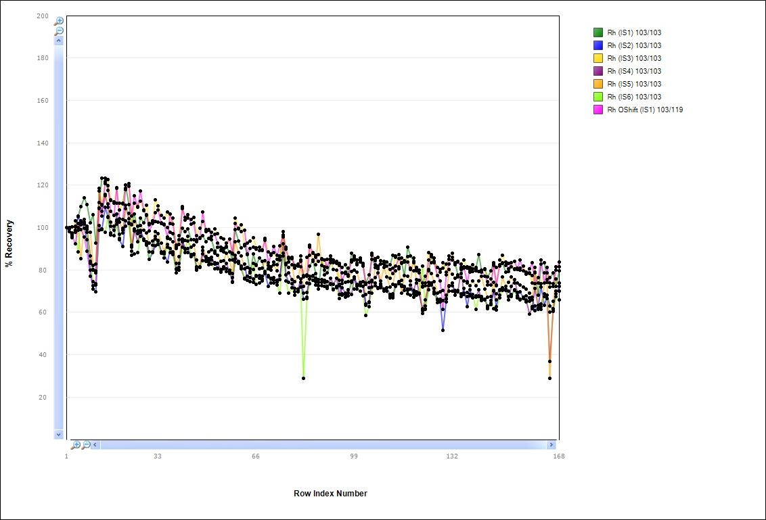
3 | 100.3% | 95.7% | 95.8% | 97.5% | 95.3% | 96.5% | 95.8%
4 | 100.5% | 98.8% | 100.7% | 97.7% | 103.0% | 97.8% | 92.3%
5 | 105.4% | 105.0% | 100.0% | 99.9% | 98.8% | 88.4% | 101.9%
6 | 110.0% | 102.4% | 101.2% | 102.2% | 85.2% | 103.1% | 99.1%
7 | 114.1% | 99.8% | 101.7% | 103.8% | 102.6% | 103.9% | 95.5%
8 | 111.0% | 94.1% | 100.7% | 99.1% | 99.7% | 97.8% | 89.0%
9 | 102.1% | 79.7% | 83.2% | 86.7% | 97.9% | 84.0% | 77.0%
10 | 106.2% | 70.9% | 79.9% | 80.1% | 82.3% | 74.4% | 72.7%
11 | 92.6% | 69.8% | 78.6% | 79.7% | 82.7% | 73.5% | 73.0%
13 | 111.9% | 101.1% | 108.8% | 117.2% | 118.5% | 98.8% | 109.1%
14 | 123.4% | 99.0% | 110.5% | 107.5% | 110.8% | 99.4% | 105.4%
15 | 123.2% | 109.7% | 120.9% | 114.8% | 115.8% | 97.9% | 121.7%
16 | 117.4% | 105.2% | 122.8% | 109.6% | 111.0% | 104.8% | 119.8%
17 | 113.1% | 96.5% | 112.7% | 100.5% | 102.6% | 97.4% | 107.8%
18 | 112.1% | 96.2% | 111.4% | 98.8% | 100.8% | 96.0% | 105.8%
19 | 111.5% | 103.6% | 118.7% | 106.5% | 102.8% | 101.6% | 118.4%
20 | 111.4% | 94.4% | 108.3% | 96.9% | 102.5% | 95.0% | 104.1%
21 | 111.1% | 91.1% | 111.4% | 97.6% | 98.8% | 99.6% | 103.9%
22 | 120.2% | 103.2% | 117.8% | 110.5% | 108.8% | 100.8% | 118.5%
23 | 110.8% | 102.3% | 119.6% | 104.2% | 106.6% | 102.0% | 120.6%
24 | 101.5% | 90.7% | 101.1% | 88.8% | 91.6% | 87.0% | 105.3%
25 | 106.4% | 98.5% | 111.5% | 99.3% | 102.9% | 87.7% | 115.0%
26 | 98.4% | 97.1% | 109.9% | 93.4% | 100.6% | 88.3% | 109.6%
27 | 104.4% | 98.7% | 112.4% | 97.7% | 101.1% | 95.9% | 117.3%
28 | 102.2% | 94.3% | 108.4% | 94.5% | 98.6% | 94.0% | 107.9%
29 | 105.9% | 92.8% | 110.5% | 93.2% | 97.3% | 91.9% | 105.7%
30 | 102.1% | 85.0% | 101.2% | 88.7% | 92.6% | 84.9% | 98.4%
31 | 103.0% | 88.1% | 103.2% | 88.6% | 93.5% | 91.6% | 101.9%
32 | 103.0% | 91.2% | 113.1% | 95.8% | 98.1% | 94.5% | 107.2%
33 | 102.5% | 94.0% | 110.3% | 93.6% | 97.0% | 91.9% | 108.3%
34 | 102.3% | 88.4% | 105.9% | 88.0% | 92.8% | 88.1% | 101.8%
35 | 101.1% | 87.4% | 104.4% | 88.4% | 88.4% | 85.7% | 101.6%
36 | 100.1% | 83.6% | 107.2% | 92.1% | 95.0% | 90.8% | 95.6%
37 | 97.8% | 90.0% | 101.9% | 90.1% | 94.6% | 88.0% | 106.3%
38 | 97.0% | 88.5% | 104.4% | 88.2% | 93.3% | 87.3% | 101.6%
39 | 91.7% | 80.3% | 91.2% | 80.7% | 83.1% | 78.8% | 90.1%
40 | 94.1% | 80.0% | 96.3% | 83.2% | 86.3% | 81.3% | 92.0%
41 | 99.8% | 94.1% | 110.0% | 93.2% | 94.5% | 90.9% | 109.0%
42 | 98.2% | 89.7% | 103.4% | 90.1% | 93.8% | 88.1% | 104.9%
43 | 99.3% | 90.0% | 104.6% | 88.3% | 93.6% | 95.7% | 105.9%
44 | 94.2% | 86.3% | 103.7% | 87.4% | 90.9% | 87.4% | 101.7%
45 | 94.2% | 87.5% | 104.8% | 87.6% | 91.7% | 87.1% | 102.1%
46 | 94.3% | 80.6% | 96.3% | 81.6% | 84.7% | 79.8% | 93.3%
47 | 95.2% | 81.2% | 99.7% | 81.4% | 81.4% | 81.5% | 94.7%
48 | 96.1% | 89.3% | 102.8% | 87.6% | 90.9% | 84.5% | 107.4%
49 | 93.4% | 84.1% | 99.0% | 84.6% | 86.1% | 84.7% | 98.0%
50 | 94.9% | 83.8% | 99.1% | 85.3% | 88.7% | 82.6% | 98.7%
51 | 94.1% | 84.6% | 97.7% | 85.8% | 89.4% | 82.9% | 95.9%
52 | 88.8% | 83.4% | 99.5% | 82.9% | 87.8% | 80.6% | 96.8%
53 | 90.7% | 80.7% | 97.2% | 83.0% | 86.9% | 80.6% | 92.7%
54 | 89.1% | 79.5% | 95.4% | 80.3% | 84.0% | 79.1% | 90.6%
55 | 88.7% | 80.5% | 94.5% | 80.6% | 84.4% | 81.6% | 90.1%
56 | 90.7% | 80.4% | 91.0% | 83.0% | 87.9% | 79.3% | 92.7%
57 | 88.4% | 79.9% | 94.6% | 79.0% | 84.6% | 78.3% | 94.5%
58 | 84.6% | 74.1% | 87.5% | 74.4% | 78.3% | 76.3% | 87.9%
59 | 98.9% | 85.4% | 104.6% | 87.0% | 93.4% | 83.8% | 101.9%
60 | 93.5% | 84.2% | 99.8% | 83.6% | 88.2% | 83.0% | 99.5%
61 | 90.5% | 81.7% | 101.3% | 80.6% | 86.7% | 80.9% | 98.2%
62 | 91.4% | 82.7% | 92.1% | 75.9% | 80.7% | 76.0% | 98.7%
63 | 87.2% | 75.2% | 92.7% | 77.2% | 81.1% | 75.2% | 87.5%
64 | 78.7% | 76.5% | 93.7% | 79.3% | 80.7% | 74.6% | 90.1%
65 | 87.4% | 75.8% | 95.1% | 74.2% | 80.4% | 83.0% | 90.8%
66 | 82.5% | 77.1% | 90.3% | 77.4% | 82.2% | 73.1% | 89.8%
67 | 85.8% | 76.0% | 90.6% | 77.4% | 80.6% | 73.7% | 89.3%
68 | 84.1% | 75.8% | 89.3% | 76.9% | 80.8% | 74.9% | 89.1%
69 | 78.3% | 78.8% | 94.9% | 79.1% | 84.2% | 79.1% | 93.8%
70 | 82.2% | 72.2% | 88.4% | 76.6% | 80.5% | 77.4% | 83.4%
71 | 81.3% | 75.7% | 87.5% | 75.9% | 79.8% | 73.8% | 86.9%
72 | 83.8% | 75.0% | 88.2% | 76.3% | 82.4% | 73.9% | 91.0%
73 | 82.4% | 75.3% | 85.1% | 74.0% | 79.4% | 72.7% | 86.9%
74 | 86.1% | 77.2% | 86.7% | 75.5% | 84.6% | 68.9% | 91.4%
75 | 98.1% | 87.8% | 98.1% | 92.4% | 95.7% | 86.5% | 96.6%
76 | 83.1% | 77.6% | 90.9% | 77.7% | 82.5% | 74.7% | 89.9%
77 | 83.8% | 74.3% | 85.8% | 78.6% | 81.3% | 68.9% | 85.4%
78 | 85.2% | 73.5% | 86.0% | 75.6% | 82.6% | 71.6% | 85.6%
79 | 81.9% | 69.5% | 80.9% | 71.2% | 74.5% | 68.1% | 82.1%
80 | 82.9% | 69.6% | 82.2% | 70.9% | 76.8% | 70.7% | 81.8%
81 | 84.6% | 74.2% | 86.7% | 75.9% | 81.5% | 71.9% | 83.9%
82 | 77.2% | 66.1% | 76.7% | 68.9% | 72.1% | 28.7% | 77.4%
83 | 76.9% | 67.1% | 85.9% | 69.4% | 74.0% | 66.4% | 77.7%
84 | 81.7% | 76.9% | 87.0% | 75.9% | 90.9% | 73.7% | 91.6%
85 | 84.6% | 75.0% | 88.1% | 77.4% | 84.1% | 77.2% | 87.8%
86 | 78.4% | 74.4% | 87.0% | 76.1% | 82.5% | 72.9% | 86.0%
87 | 71.0% | 74.1% | 87.4% | 75.4% | 96.7% | 72.4% | 84.1%
88 | 85.1% | 74.0% | 85.0% | 75.6% | 82.2% | 72.7% | 85.3%
89 | 77.6% | 75.1% | 81.6% | 74.1% | 80.0% | 72.2% | 84.7%
90 | 78.6% | 72.3% | 81.1% | 71.4% | 84.9% | 74.4% | 81.1%
91 | 83.3% | 73.5% | 84.7% | 76.0% | 85.4% | 73.4% | 86.5%
92 | 83.7% | 70.5% | 84.6% | 73.3% | 80.2% | 71.0% | 83.3%
93 | 83.2% | 72.1% | 84.0% | 76.0% | 79.8% | 71.6% | 83.0%
94 | 82.1% | 72.7% | 75.0% | 68.6% | 73.1% | 66.5% | 83.2%
95 | 81.0% | 68.6% | 78.5% | 71.5% | 73.5% | 68.0% | 75.2%
96 | 82.5% | 67.2% | 78.4% | 69.0% | 74.3% | 68.3% | 79.0%
97 | 77.7% | 69.2% | 81.0% | 70.7% | 74.5% | 67.9% | 77.1%
98 | 87.9% | 74.2% | 83.9% | 68.4% | 79.2% | 74.7% | 84.7%
99 | 85.8% | 75.8% | 84.5% | 76.7% | 79.8% | 71.1% | 86.6%
100 | 84.7% | 72.3% | 82.5% | 73.1% | 78.8% | 71.0% | 83.1%
101 | 85.6% | 72.5% | 84.8% | 74.2% | 73.4% | 69.9% | 83.7%
102 | 81.7% | 72.3% | 83.2% | 74.6% | 74.5% | 67.7% | 82.3%
103 | 73.8% | 63.4% | 73.3% | 63.9% | 68.4% | 58.5% | 73.3%
104 | 77.6% | 64.4% | 74.0% | 64.8% | 69.5% | 62.6% | 71.7%
105 | 85.1% | 74.4% | 87.1% | 75.0% | 69.2% | 71.9% | 87.9%
106 | 82.4% | 74.0% | 85.5% | 76.3% | 81.2% | 72.6% | 84.2%
107 | 81.8% | 71.2% | 85.9% | 78.5% | 81.3% | 71.5% | 80.4%
108 | 84.4% | 72.5% | 84.4% | 73.5% | 74.9% | 71.7% | 82.6%
109 | 83.1% | 70.5% | 84.0% | 70.9% | 81.3% | 69.9% | 82.8%
110 | 83.6% | 71.5% | 82.0% | 70.1% | 76.8% | 71.5% | 81.8%
111 | 82.6% | 68.5% | 75.9% | 67.7% | 71.9% | 66.8% | 80.4%
112 | 86.8% | 68.6% | 80.8% | 66.9% | 73.2% | 67.8% | 78.3%
113 | 85.8% | 72.1% | 86.5% | 72.8% | 79.7% | 72.6% | 81.8%
114 | 87.3% | 73.4% | 81.6% | 74.6% | 80.5% | 73.5% | 85.3%
115 | 83.4% | 72.3% | 85.7% | 73.0% | 69.0% | 75.1% | 83.2%
116 | 77.4% | 71.9% | 84.3% | 72.3% | 77.4% | 70.5% | 83.7%
117 | 90.8% | 71.0% | 86.2% | 70.3% | 76.9% | 68.6% | 83.6%
118 | 86.6% | 70.8% | 80.7% | 72.8% | 74.9% | 68.3% | 80.3%
119 | 84.2% | 68.6% | 83.4% | 70.2% | 85.7% | 67.3% | 79.5%
120 | 79.5% | 69.6% | 81.0% | 75.4% | 73.9% | 68.1% | 80.6%
121 | 79.8% | 69.0% | 79.8% | 68.9% | 75.2% | 68.8% | 78.5%
122 | 73.9% | 60.7% | 72.3% | 61.8% | 59.6% | 82.0% | 72.0%
123 | 77.0% | 63.0% | 73.9% | 65.9% | 61.7% | 61.5% | 72.7%
124 | 79.7% | 72.6% | 88.1% | 74.3% | 80.2% | 70.8% | 84.5%
125 | 86.2% | 73.5% | 83.4% | 72.9% | 78.3% | 73.9% | 87.1%
126 | 84.2% | 71.2% | 85.5% | 68.6% | 74.5% | 69.7% | 83.5%
127 | 81.1% | 66.1% | 77.4% | 65.9% | 69.0% | 64.5% | 77.3%
128 | 80.1% | 65.0% | 78.9% | 65.6% | 69.8% | 66.0% | 74.9%
129 | 80.9% | 51.4% | 83.3% | 65.7% | 70.4% | 65.6% | 61.5%
130 | 82.8% | 66.2% | 79.1% | 66.4% | 68.2% | 65.0% | 77.6%
131 | 85.1% | 72.5% | 86.8% | 72.2% | 80.1% | 69.9% | 82.9%
132 | 84.8% | 72.6% | 87.9% | 73.8% | 78.0% | 69.9% | 86.1%
133 | 83.3% | 70.3% | 83.0% | 68.1% | 75.9% | 69.6% | 82.4%
134 | 77.7% | 70.4% | 83.6% | 69.6% | 76.6% | 69.7% | 84.1%
135 | 78.4% | 67.5% | 82.8% | 80.3% | 76.5% | 68.7% | 81.1%
136 | 80.9% | 71.4% | 84.8% | 68.4% | 74.7% | 69.2% | 81.4%
137 | 81.5% | 62.7% | 80.7% | 67.4% | 74.5% | 69.3% | 73.8%
138 | 80.1% | 70.7% | 78.8% | 68.4% | 72.6% | 67.8% | 81.3%
139 | 80.6% | 67.2% | 82.4% | 66.7% | 74.8% | 68.5% | 79.4%
140 | 81.1% | 67.8% | 79.7% | 67.0% | 72.5% | 61.6% | 80.2%
141 | 87.3% | 67.8% | 79.3% | 70.6% | 74.9% | 67.3% | 79.2%
142 | 80.0% | 67.5% | 79.0% | 65.5% | 77.0% | 66.6% | 79.9%
143 | 80.3% | 66.1% | 80.4% | 65.8% | 71.0% | 66.1% | 77.2%
144 | 76.7% | 63.1% | 72.9% | 62.6% | 67.1% | 61.8% | 74.6%
145 | 79.5% | 64.2% | 75.6% | 63.6% | 67.5% | 65.4% | 72.8%
146 | 83.3% | 70.4% | 82.0% | 70.0% | 74.2% | 61.7% | 82.9%
147 | 81.3% | 62.6% | 72.5% | 68.6% | 65.8% | 61.0% | 72.8%
148 | 81.9% | 70.3% | 84.8% | 70.7% | 68.2% | 66.7% | 82.4%
149 | 83.5% | 71.5% | 86.9% | 71.4% | 76.7% | 70.5% | 83.2%
150 | 79.0% | 70.2% | 82.1% | 70.3% | 72.1% | 71.1% | 83.8%
151 | 79.2% | 69.9% | 83.0% | 66.0% | 74.1% | 67.6% | 80.5%
152 | 81.7% | 68.5% | 83.4% | 72.2% | 76.7% | 67.6% | 83.4%
153 | 80.2% | 70.2% | 80.7% | 75.4% | 73.8% | 70.6% | 84.1%
154 | 80.8% | 67.7% | 80.1% | 69.5% | 74.0% | 66.8% | 80.2%
155 | 79.9% | 69.8% | 80.9% | 66.1% | 73.0% | 66.0% | 84.8%
156 | 79.5% | 66.8% | 81.7% | 66.6% | 72.0% | 67.2% | 79.4%
157 | 78.8% | 67.8% | 78.9% | 66.0% | 71.0% | 64.9% | 78.1%
158 | 78.6% | 66.7% | 78.3% | 59.1% | 68.9% | 65.2% | 80.7%
159 | 77.5% | 67.2% | 73.8% | 62.7% | 66.0% | 61.6% | 83.3%
160 | 78.8% | 60.7% | 79.0% | 71.2% | 81.3% | 63.0% | 73.6%
161 | 67.9% | 63.4% | 73.7% | 62.0% | 61.5% | 61.5% | 76.5%
162 | 82.7% | 71.9% | 73.6% | 64.0% | 61.3% | 62.8% | 84.7%
163 | 83.5% | 63.2% | 78.6% | 68.7% | 73.7% | 67.4% | 73.9%
164 | 75.5% | 68.1% | 78.5% | 66.5% | 74.3% | 66.6% | 81.2%
165 | 76.4% | 63.0% | 72.0% | 36.7% | 28.8% | 60.0% | 73.8%
166 | 78.8% | 61.3% | 72.2% | 61.7% | 65.4% | 60.5% | 73.5%
167 | 72.1% | 68.9% | 81.4% | 70.1% | 75.9% | 67.6% | 79.8%
168 | 79.7% | 72.1% | 81.6% | 70.1% | 73.9% | 65.8% | 83.7%

