Sheet1
Question 1
calculate the number of customer has a primary account type as "SAVINGS" | SELECT COUNT(Customer_id) as No_of_Saving_acc_Customers FROM bank_account_details where Account_type = 'SAVINGS';

Question 2
1) calculate the number of account owned by the each customer | SELECT a.Customer_id , count(b.Account_type) as No_of_accounts from bank_customer a left join bank_account_details b on a.customer_id = b.Customer_id group by a.Customer_id ; | 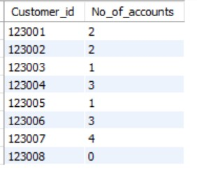
2) calculate the number of account owned by the each customer having atleast two account | SELECT a.Customer_id , count(b.Account_type) as No_of_accounts from bank_customer a left join bank_account_details b on a.customer_id = b.Customer_id group by a.Customer_id having No_of_accounts >= 2 ;

Question 3
1) list the customer name whose primary account type is "Credit Card" | select a.customer_id , b.customer_name , a.Account_type from bank_account_details a inner join bank_customer b on a.Customer_id = b.customer_id where Account_type = "Credit Card";
2) list the customer name whose primary account type is "Credit Card" and order the result in descending manner | select a.customer_id , b.customer_name , a.Account_type from bank_account_details a inner join bank_customer b on a.Customer_id = b.customer_id where Account_type = "Credit Card" order by b.customer_name DESC;

Question 4
1) Query to report the details of customer(customer id, customer_name, account number) having linking account number. | SELECT a.customer_id,c.customer_name,a.Account_Number,b.Linking_Accoun t_Number from bank_account_details a inner join bank_account_relationship_details b on a.Account_Number = b.Account_Number inner join bank_customer c on c.customer_id = a.Customer_id where b.Linking_Account_Number is not null; | 
2) Query to report the details of all customer having linking account number or not. | select a.customer_id,a.customer_name,b.Account_Number,b.Account_type, b.Linking_Account_Number from bank_customer a left join bank_account_relationship_details b on a.customer_id = b.Customer_id; | 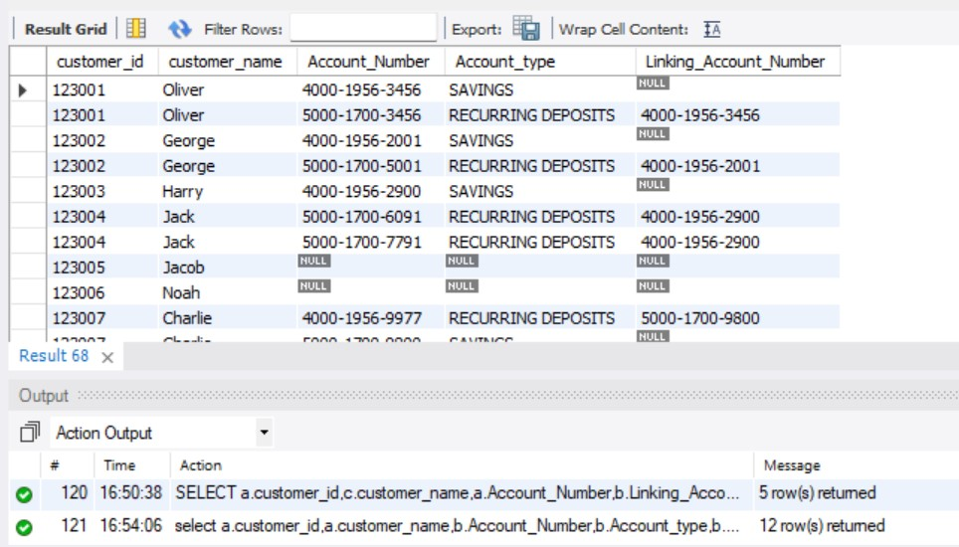

Question 5
Query to report the customer_name, Address,Account_Number, Account_type,Balance_amount,Linking_Account_Number from the above tables. | Select a.customer_name, a.Address,b.Account_Number, b.Account_type,b.Balance_amount,c.Linking_Account_Number from bank_customer a left join bank_account_details b on a.customer_id = b.Customer_id left join bank_account_relationship_details c on b.Account_Number = c.Account_Number; | 

Question 6
Query to report all the Bank Customer and their respective account number,Account type,Balance amount,Account status and Relationship type. | Select a.customer_id,a.customer_name, b.Account_Number, b.Account_type,b.Balance_amount,b.Account_status,b.Relationship_ty pe from bank_customer a left join bank_account_details b on a.customer_id = b.Customer_id ;

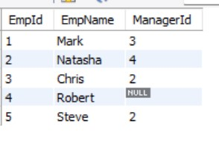
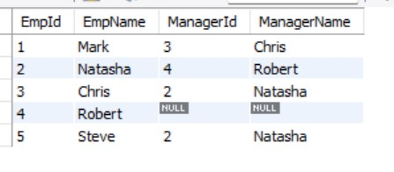
Question 7
1) create a table called employees with following below data | create table employee (EmpId int , EmpName varchar(20),ManagerId int); insert into employee values(1,"Mark",3),(2,"Natasha",4),(3,"Chris",2),(4,"Robert",null),(5,"St eve",2); select a.EmpId,a.EmpName,a.ManagerId , b.EmpName as ManagerName from employee a Left join employee b ON a.ManagerId = b.EmpId order by a.EmpId ;

EmpID Name Manager ID
1 Mark 3
2 Natasha 4
3 Chris 2
4 Robert Null
5 Steve 2

2) query to get the all the employee id, employee name and their manager name and manager id | select a.EmpId,a.EmpName,a.ManagerId , b.EmpName as ManagerName from employee a Left join employee b ON a.ManagerId = b.EmpId order by a.EmpId

Question 8
Write a difference between the inner join, left join, right join, self join and cross join | Inner Join: Retrieves rows where there's a match in both tables based on the specified condition. Syntax: SELECT * FROM table1 INNER JOIN table2 ON table1.column = table2.column; This query will return rows where the values in table1.column match the values in table2.column | Left Join: Retrieves all rows from the left table and matching rows from the right table. If no match is found in the right table, NULL values are used for the right table's columns. Syntax: SELECT * FROM table1 LEFT JOIN table2 ON table1.column = table2.column; This query will return all rows from table1, along with matching rows from table2. | Right Join: Retrieves all rows from the right table and matching rows from the left table. If no match is found in the left table, NULL values are used for the left table's columns. Syntax: SELECT * FROM table1 RIGHT JOIN table2 ON table1.column = table2.column; This query will return all rows from table2, along with matching rows from table1 | Self Join: Joins a table with itself, typically using aliases to distinguish between the two instances of the table. Syntax: SELECT * FROM table1 AS t1 INNER JOIN table1 AS t2 ON t1.column = t2.column; This query will join table1 with itself using the aliases t1 and t2. | Cross Join: Produces a Cartesian product of all rows from both tables, resulting in a potentially large result set. Syntax: SELECT * FROM table1 CROSS JOIN table2; This query will return all possible combinations of rows between table1 and table2.

Question 9
Explain full outer join and how to achieve in MySQL | A Full Outer join returns all rows from both the left and the right tables, along with the matching rows between them. If there's no match in either the left or right table, the result will include NULL values for columns from the table without a match. In MySQL, there's no direct FULL OUTER JOIN syntax, but you can achieve the same result using a combination of a LEFT JOIN and a RIGHT JOIN, along with a UNION to combine the results Syntax -- Retrieve records from table1 and matching records from table2 SELECT * FROM table1 LEFT JOIN table2 ON table1.id = table2.id | UNION -- Retrieve records from table2 that don't have a match in table1 SELECT * FROM table1 RIGHT JOIN table2 ON table1.id = table2.id WHERE table1.id IS NULL;

Question 10
Query to report the customer_name, Address,Account_Number, Account_type,Balance_amount,Linking_Account_Number from the above tables whose customer name is Oliver,Harry. | Select a.customer_name, a.Address,b.Account_Number, b.Account_type,b.Balance_amount,c.Linking_Account_Number from bank_customer a inner join bank_account_details b on a.customer_id = b.Customer_id inner join bank_account_relationship_details c on c.Account_Number = b.Account_Number where a.customer_name in ("Oliver","Harry");

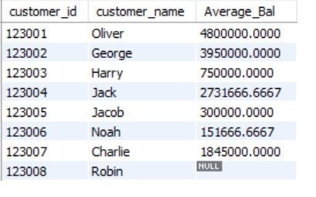
Question 11
Query to report the average balance amount of the each customer in their account. | select a.customer_id , a.customer_name , avg(b.Balance_amount) as Average_Bal from bank_customer a left join bank_account_details b on a.customer_id = b.Customer_id group by a.customer_id;

