Sheet1
1) Rank the students on the basis of their marks subjectwise. | select *,dense_rank() over(partition by subject order by marks DESC) as "rank" from student | 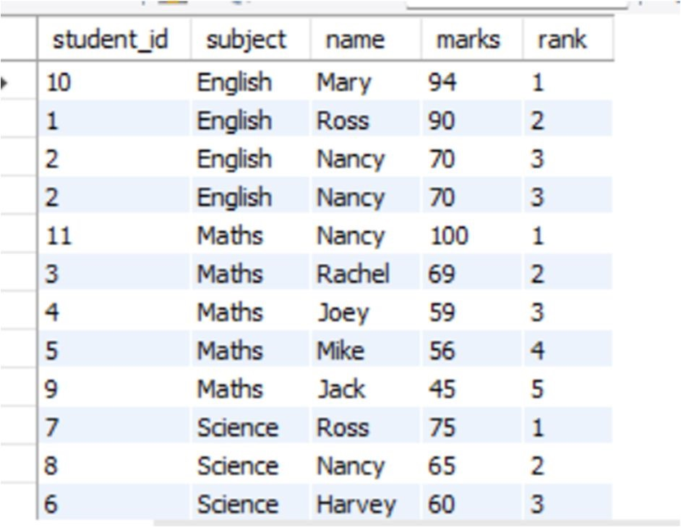

2) Provide the new roll numbers to the students on the basis of their names alphabetically. | select *,dense_rank() over(order by name ASC) as "roll_no" from student | 

3) Use the aggregate window functions to display the sum of marks in each row within its partition (Subject). | select *,sum(marks) over(partition by subject ) as "Sum" from student select distinct subject , sum(marks) over(partition by subject ) as "Sum" from student | 

4) Display the records from the students table where partition should be done on subjects and use sum as a window function on marks | select *,sum(marks) over(partition by subject ) as "Sum" from student select distinct subject , sum(marks) over(partition by subject ) as "Sum" from student | 

5)Find the dense rank of the students on the basis of their marks subjectwise. | CREATE OR REPLACE VIEW Students_Ranked as select *,dense_rank() over(partition by subject order by marks DESC) as "rank" from student
Store the result in a new view with name as 'Students_Ranked'

6)Show day, number of users and the number of users the next day (for all days when the website was used) | select website_id,day , no_users ,lead(no_users,1,"No next day not used") over (partition by website_id order by day asc) as "next_day_users" from website_stats where no_users > 0 | 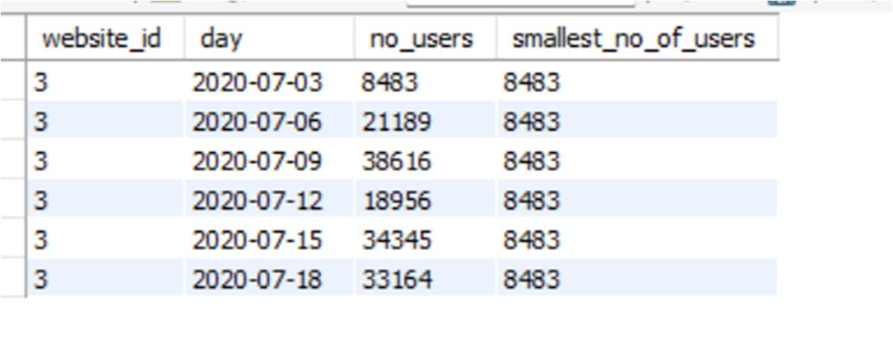

7)Write a query that displays the statistics for website_id = 3 such that for each row, show the day, the number of users and the smallest number of users ever. | select website_id,day,no_users , min(no_users) over (partition by website_id) as "smallest_no_of_users" from website_stats where website_id = 3

8) Write a query that displays name of the website and it's launch date. The query should also display the date of recently launched website in the third column. | SELECT w1.name AS "Website Name", w1.launch_date AS "Launch Date", MAX(w2.launch_date) AS "Recently Launched Date" FROM website w1 LEFT JOIN website w2 ON w1.la unch_date < w2.launch_date GROUP BY w1.name, w1.launch_date; | 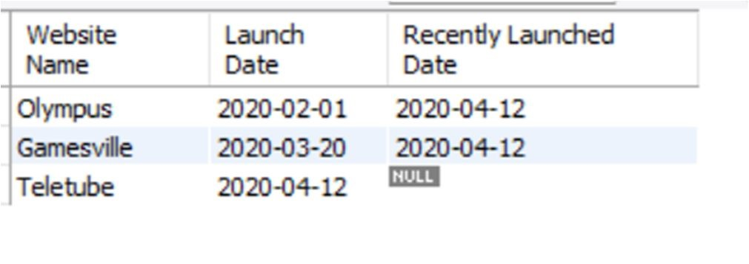

9) Display the difference in ad_clicks between the current day and the next day for the website 'Olympus' | select a.website_id , a.day , a.ad_clicks , CASE WHEN LEAD(a.ad_clicks) OVER (PARTITION BY a.website_id ORDER BY a.day) IS NULL THEN NULL ELSE LEAD(a.ad_clicks) OVER (PARTITION BY a.website_id ORDER BY a.day) - a.ad_clicks END AS "Next_day_clicks_difference" from website_stats a where website_id=(select id from website where name = "Olympus") | 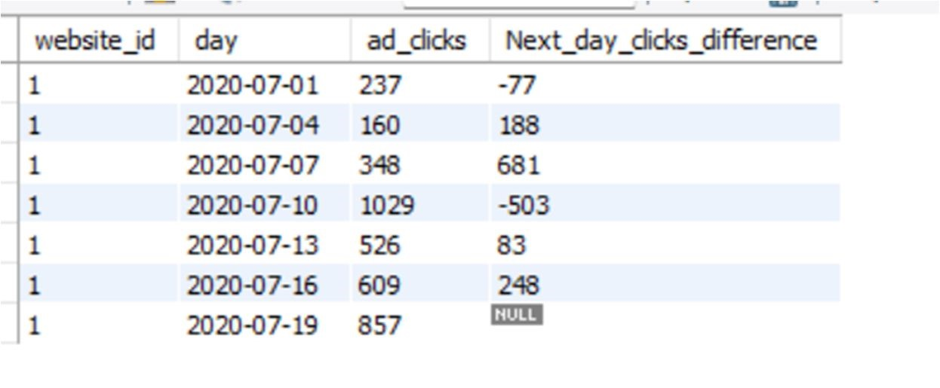

10) Identify and remove the duplicate data from the student table. | SELECT *, ROW_NUMBER() OVER (PARTITION BY subject ORDER BY marks DESC) AS "row_number", DENSE_RANK() OVER (PARTITION BY subject ORDER BY marks DESC) AS "dense_rank" FROM student;

