Header
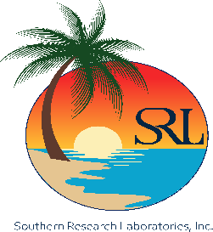
Thank you Keegan O'Brien for the opportunity to be of service to you and your company, We Sincerely Appreciate Your Business. SRL certifies these Laboratory Results were produced in accordance with NELAC Standards. Hold times and preservation requirements were met for all analytes unless specifically call noted in the report. Results relate only to the samples as received.
Southern Research Laboratories, Inc 279 Douglas Ave, Suite 1110 Altamonte Springs, Florida 32714 (407) 522‐7100 / Fax (407) 522‐7043
 |  | ANALYTICAL REPORT |  | NELAP Certified
 |  | Ford Proyect |  | FDOH # : | E83484
 |  | City of Ocoee NPDES Monitoring Yr 5 | Lab Received Date : |  | 4/7/25
Company Name: | WSP |  | Facility ID: |  | N.A
Client's Name: | Robert Sheridan |  | Project Location: |  | NPDES Outfalls
Client's Adress: | 550 Northlake Blvd. Suite 1000 |  | Client's Phone: |  | 407-522-7570

