Chain of Custody 1
Chain of Custody

Project Manager: |  | Keegan O Brien |  |  |  |  |  |  |  |  |  | Southern Research Laboratories INC |  |  |  |  |  |  |  |  |  |  |  |  |  |  |  |  |  |  |  |  |  |  |  |  |  |  |  |  |  |  |  |  |  |  |  |  | Code: | 2503014 |  | Page: |  | of
Company: |  | GOA |  |  |  |  |  |  |  |  |  |  |  |  |  |  |  |  |  |  |  |  |  |  |  |  |  |  |  |  |  |  |  |  |  |  |  |  |  |  |  |  |  |  |  |  |  |  | Project Name:
Addres: |  | 8652 Casa Verde Road, Building 812 |  |  |  |  |  |  |  |  |  | 279 Douglas Ave, Suite 1110 Altamonte Springs, |  |  |  |  |  |  |  |  |  |  |  |  |  |  |  |  |  |  |  |  |  |  |  |  |  |  |  |  |  |  |  |  |  |  |  |  | Seaworld
City: |  | Orlando |  |  |  |  |  |  |  |  |  |  |  |  |  |  |  |  |  |  |  |  |  |  |  |  |  |  |  |  |  |  |  |  |  |  |  |  |  |  |  |  |  |  |  |  |  |  | Project Location:
State: |  | Florida |  | Zip: | 32003 |  |  |  |  |  |  | Florida 32714 |  |  |  |  |  |  |  |  |  |  |  |  |  |  |  |  |  |  |  |  |  |  |  |  |  |  |  |  |  |  |  |  |  |  |  |  | Florida
Phone: |  | 407-733-7080 | Fax: | 407-825-3555 |  |  |  |  |  |  |  | (407) 522‐7100 / Fax (407) 522‐7043 |  |  |  |  |  |  |  |  |  |  |  |  |  |  |  |  |  |  |  |  |  |  |  |  |  |  |  |  |  |  |  |  |  |  |  |  | Project Number:
Sampled by (Phint Name (s() / Afiliation: |  |  |  |  |  |  | Preservatives (see codes) |  |  |  |  |  |  |  |  |  |  |  |  |  |  |  |  |  |  |  |  |  |  |  |  |  |  |  |  |  |  |  |  |  |  |  |  |  |  |  |  |  | 2504
Jessica Koller / GOAA |  |  |  |  |  |  | I | N |  |  |  |  |  |  |  |  |  |  |  |  |  |  |  |  |  |  |  |  |  |  |  |  |  |  |  |  |  |  |  |  |  |  |  |  |  |  |  |  | REQUESTED DUE DATE: |  |  |  |  |  | A | 1 | Grab
Sampler (s) Signature(s): |  |  |  |  |  |  | Analyses Requested |  |  |  |  |  |  |  |  |  |  |  |  |  |  |  |  |  |  |  |  |  |  |  |  |  |  |  |  |  |  |  |  |  |  |  |  |  |  |  |  |  | 2025-03-11 |  |  |  |  |  | GW | 2 | Composite
 |  |  |  |  |  |  | Alkalinity | Ammonia | Chloride | Color | Hardness, Total | Nitrogen, N02 plus N03 | Nitrogen, Nitrate (NO3) | Nitrogen, Nitrite (NO2) | Oil & Grease | Ortho Phosphate | Total Dissolved Solids/Total Filterable Residue | TKN, Water (Total Kjeldahl Nitrogen, Water) | TS (Total Solids/Total Residue) | TSS | Turbidity | Phosphorus LL, Total | Sulfate | Chlorophyll A | Total Coliform, MF | Berilium | Cadmium | Manganese | Arsenic | Barium | Chromium | Copper | Cobalt | Lead | Nickel | Selenium | Strontium | Vanadium | Zinc | Thallium | Silver | Iron | Aluminum | Calcium | Magnesium | Potassium | Sodium | Mercury | Facility ID#: |  |  |  |  | 2345 | SE | 3
Sample Identification |  | Sampled |  | Grab or Composite | Matrix: (see codes) | Total Number of Containers |  |  |  |  |  |  |  |  |  |  |  |  |  |  |  |  |  |  |  |  |  |  |  |  |  |  |  |  |  |  |  |  |  |  |  |  |  |  |  |  |  |  | Petroleum Restoration Program |  |  |  |  |  | SO | 4
 |  | Date: | Time: |  |  |  |  |  |  |  |  |  |  |  |  |  |  |  |  |  |  |  |  |  |  |  |  |  |  |  |  |  |  |  |  |  |  |  |  |  |  |  |  |  |  |  |  |  | Yes |  |  |  | No |  | SW | 5
1 | SW-1 | 2025-03-11 | 12:45:00 | Grab | GW | 1 | 1 | 0 | 0 | 1 | 0 | 0 | 0 | 0 | 0 | 0 | 0 | 0 | 0 | 0 | 0 | 0 | 0 | 0 | 1 | 0 | 0 | 0 | 0 | 0 | 0 | 0 | 0 | 0 | 0 | 0 | 0 | 0 | 0 | 0 | 0 | 0 | 0 | 0 | 0 | 0 | 0 | 0 | 2503014-001 |  |  |  |  |  | W | 6
2 | SW-2 | 2025-03-12 | 13:45:00 | Grab | GW | 1 | 0 | 1 | 0 | 1 | 0 | 0 | 0 | 0 | 0 | 0 | 0 | 0 | 0 | 0 | 0 | 0 | 0 | 0 | 1 | 1 | 0 | 0 | 0 | 0 | 0 | 0 | 0 | 0 | 0 | 0 | 0 | 0 | 0 | 0 | 0 | 0 | 0 | 0 | 0 | 0 | 0 | 0 | 2503014-002 |  |  |  |  |  | HW | 7
3 | SW-3 | 2025-03-13 | 14:45:00 | Grab | GW | 1 | 0 | 1 | 0 | 1 | 0 | 0 | 0 | 0 | 0 | 0 | 0 | 0 | 0 | 0 | 0 | 0 | 0 | 0 | 1 | 0 | 1 | 1 | 0 | 0 | 0 | 0 | 0 | 0 | 0 | 0 | 0 | 0 | 0 | 0 | 0 | 0 | 0 | 0 | 0 | 0 | 0 | 0 | 2503014-003 |  |  |  |  |  | O | 8
4 | SW-4 | 2025-03-14 | 15:45:00 | Grab | GW | 1 | 0 | 0 | 0 | 1 | 0 | 0 | 0 | 0 | 0 | 0 | 0 | 0 | 0 | 0 | 0 | 0 | 0 | 0 | 1 | 0 | 0 | 0 | 1 | 1 | 1 | 1 | 1 | 1 | 1 | 1 | 1 | 1 | 1 | 1 | 1 | 1 | 1 | 1 | 1 | 1 | 1 | 1 | 2503014-004 |  |  |  |  |  |  | 9
5 | SW-5 | 2025-03-15 | 16:45:00 | Grab | GW | 1 | 0 | 0 | 0 | 1 | 0 | 0 | 0 | 0 | 0 | 0 | 0 | 0 | 0 | 0 | 0 | 0 | 0 | 0 | 1 | 0 | 0 | 0 | 0 | 0 | 0 | 0 | 0 | 0 | 0 | 0 | 0 | 0 | 0 | 0 | 0 | 0 | 0 | 0 | 0 | 0 | 0 | 0 | 2503014-005 |  |  |  |  |  | H | 10
6 | SW-6 | 2025-03-16 | 17:45:00 | Grab | GW | 1 | 0 | 0 | 0 | 1 | 0 | 0 | 0 | 0 | 0 | 0 | 0 | 0 | 0 | 0 | 0 | 0 | 0 | 0 | 1 | 0 | 0 | 0 | 0 | 0 | 0 | 0 | 0 | 0 | 0 | 0 | 0 | 0 | 0 | 0 | 0 | 0 | 0 | 0 | 0 | 0 | 0 | 0 | 2503014-006 |  |  |  |  |  | I
7 | SW-7 | 2025-03-17 | 18:45:00 | Grab | GW | 1 | 1 | 0 | 0 | 1 | 0 | 0 | 0 | 0 | 0 | 0 | 0 | 0 | 0 | 0 | 0 | 0 | 0 | 0 | 1 | 0 | 0 | 0 | 0 | 0 | 0 | 0 | 0 | 0 | 0 | 0 | 0 | 0 | 0 | 0 | 0 | 0 | 0 | 0 | 0 | 0 | 0 | 0 | 2503014-007 |  |  |  |  |  | N
8 | SW-8 | 2025-03-18 | 19:45:00 | Grab | GW | 1 | 1 | 0 | 0 | 1 | 0 | 0 | 0 | 0 | 0 | 0 | 0 | 0 | 0 | 0 | 0 | 0 | 0 | 0 | 1 | 0 | 0 | 0 | 0 | 0 | 0 | 0 | 0 | 0 | 0 | 0 | 0 | 0 | 0 | 0 | 0 | 0 | 0 | 0 | 0 | 0 | 0 | 0 | 2503014-008 |  |  |  |  |  | S
9 | SW-9 | 2025-03-19 | 20:45:00 | Grab | GW | 1 | 1 | 0 | 0 | 1 | 0 | 0 | 0 | 0 | 0 | 0 | 0 | 0 | 0 | 0 | 0 | 0 | 0 | 0 | 1 | 0 | 0 | 0 | 0 | 0 | 0 | 0 | 0 | 0 | 0 | 0 | 0 | 0 | 0 | 0 | 0 | 0 | 0 | 0 | 0 | 0 | 0 | 0 | 2503014-009 |  |  |  |  |  | X
10 | SW-10 | 2025-03-20 | 21:45:00 | Grab | GW | 1 | 0 | 0 | 0 | 1 | 0 | 0 | 0 | 0 | 0 | 0 | 0 | 0 | 0 | 0 | 0 | 0 | 0 | 0 | 1 | 0 | 0 | 0 | 0 | 0 | 0 | 0 | 0 | 0 | 0 | 0 | 0 | 0 | 0 | 0 | 0 | 0 | 0 | 0 | 0 | 0 | 0 | 0 | 2503014-010 |  |  |  |  |  | O
11 | SW-11 | 2025-03-21 | 22:45:00 | Grab | GW | 1 | 0 | 0 | 0 | 1 | 0 | 0 | 0 | 0 | 0 | 0 | 0 | 0 | 0 | 0 | 0 | 0 | 0 | 0 | 1 | 0 | 0 | 0 | 0 | 0 | 0 | 0 | 0 | 0 | 0 | 0 | 0 | 0 | 0 | 0 | 0 | 0 | 0 | 0 | 0 | 0 | 0 | 0 | 2503014-011
12 | SW-12 | 2025-03-22 | 23:45:00 | Grab | GW | 1 | 0 | 0 | 0 | 1 | 0 | 0 | 0 | 0 | 0 | 0 | 0 | 0 | 0 | 0 | 0 | 0 | 0 | 0 | 1 | 0 | 0 | 0 | 0 | 0 | 0 | 0 | 0 | 0 | 0 | 0 | 0 | 0 | 0 | 0 | 0 | 0 | 0 | 0 | 0 | 0 | 0 | 0 | 2503014-012
13 | SW-13 | 2025-03-23 | 24:45:00 | Grab | GW | 1 | 0 | 0 | 0 | 1 | 0 | 0 | 0 | 0 | 0 | 0 | 0 | 0 | 0 | 0 | 0 | 0 | 0 | 0 | 1 | 0 | 0 | 0 | 0 | 0 | 0 | 0 | 0 | 0 | 0 | 0 | 0 | 0 | 0 | 0 | 0 | 0 | 0 | 0 | 0 | 0 | 0 | 0 | 2503014-013
14 | SW-14 | 2025-03-24 | 25:45:00 | Grab | GW | 1 | 0 | 0 | 0 | 1 | 0 | 0 | 0 | 0 | 0 | 0 | 0 | 0 | 0 | 0 | 0 | 0 | 0 | 0 | 1 | 0 | 0 | 0 | 0 | 0 | 0 | 0 | 0 | 0 | 0 | 0 | 0 | 0 | 0 | 0 | 0 | 0 | 0 | 0 | 0 | 0 | 0 | 0 | 2503014-014
15 | SW-15 | 2025-03-25 | 26:45:00 | Grab | GW | 1 | 0 | 0 | 0 | 1 | 0 | 0 | 0 | 0 | 0 | 0 | 0 | 0 | 0 | 0 | 0 | 0 | 0 | 0 | 1 | 0 | 0 | 0 | 0 | 0 | 0 | 0 | 0 | 0 | 0 | 0 | 0 | 0 | 0 | 0 | 0 | 0 | 0 | 0 | 0 | 0 | 0 | 0 | 2503014-015
16 | SW-16 | 2025-03-26 | 27:45:00 | Grab | GW | 1 | 0 | 0 | 0 | 1 | 0 | 0 | 0 | 0 | 0 | 0 | 0 | 0 | 0 | 0 | 0 | 0 | 0 | 0 | 1 | 0 | 0 | 0 | 0 | 0 | 0 | 0 | 0 | 0 | 0 | 0 | 0 | 0 | 0 | 0 | 0 | 0 | 0 | 0 | 0 | 0 | 0 | 0 | 2503014-016
17 | SW-17 | 2025-03-27 | 28:45:00 | Grab | GW | 1 | 0 | 0 | 0 | 1 | 0 | 0 | 0 | 0 | 0 | 0 | 0 | 0 | 0 | 0 | 0 | 0 | 0 | 0 | 11 | 0 | 0 | 0 | 0 | 0 | 0 | 0 | 0 | 0 | 0 | 0 | 0 | 0 | 0 | 0 | 0 | 0 | 0 | 0 | 0 | 0 | 0 | 0 | 2503014-017
18 | SW-18 | 2025-03-28 | 29:45:00 | Grab | GW | 1 | 0 | 0 | 0 | 1 | 0 | 0 | 0 | 0 | 0 | 0 | 0 | 0 | 0 | 0 | 0 | 0 | 0 | 0 | 1 | 0 | 0 | 0 | 0 | 0 | 0 | 0 | 0 | 0 | 0 | 0 | 0 | 0 | 0 | 0 | 0 | 0 | 0 | 0 | 0 | 0 | 0 | 0 | 2503014-018
19 | SW-19 | 2025-03-29 | 30:45:00 | Grab | GW | 1 | 0 | 0 | 0 | 1 | 0 | 0 | 0 | 0 | 0 | 0 | 0 | 0 | 0 | 0 | 0 | 0 | 0 | 0 | 1 | 0 | 0 | 0 | 0 | 0 | 0 | 0 | 0 | 0 | 0 | 0 | 0 | 0 | 0 | 0 | 0 | 0 | 0 | 0 | 0 | 0 | 0 | 0 | 2503014-019
20 | SW-20 | 2025-03-30 | 31:45:00 | Grab | GW | 1 | 0 | 0 | 0 | 1 | 0 | 0 | 0 | 0 | 0 | 0 | 0 | 0 | 0 | 0 | 0 | 0 | 0 | 0 | 1 | 0 | 0 | 0 | 0 | 0 | 0 | 0 | 0 | 0 | 0 | 0 | 0 | 0 | 0 | 0 | 0 | 0 | 0 | 0 | 0 | 0 | 0 | 0 | 2503014-020
Shipment Method: |  |  |  |  |  | Relinquieshed by |  |  |  |  |  |  |  |  |  |  |  |  |  |  |  |  |  |  |  |  |  |  |  |  |  |  |  | Date: |  |  | Time: |  |  | Accpted by: |  |  |  |  |  |  |  |  |  |  |  | Date: |  | Time:
Out: |  |  | Via: |  |  |  |  |  |  |  |  |  |  |  |  |  |  |  |  |  |  |  |  |  |  |  |  |  |  |  |  |  |  | 2024-11-18 |  |  | 2024-11-18 08:00:00
Additional Comments:

 |  |  |  |  |  | Cooler N°. (s) |  |  |  |  |  |  |  |  |  |  |  |  |  | Temperature (s) |C |  |  |  |  |  |  |  |  |  |  |  | Sampling Kit N°: |  |  |  |  |  |  |  |  |  |  | Equipment ID N°:

Matrix Codes: |  | A = Air |  | GW = Groundwater |  | SE = Sediment |  | SO = Soil |  |  |  |  |  | SW = Surface Water |  |  |  |  |  |  |  |  |  |  |  |  |  |  |  |  |  |  |  |  |  |  |  |  |  |  |  |  |  |  |  | W = Water (Blanks) |  |  |  |  | HW = Potencial Haz Wastw |  | O = Other (Specify):
Preservative Codes: |  | H = Hydrochloric Acid & Ice |  | I = Ice Only |  |  | N = Nitrie Acid & Ice |  |  |  |  |  |  | S = Sulfuric Acid & Ice |  |  |  |  |  |  |  |  |  |  |  |  |  |  |  |  |  |  |  |  |  |  |  |  |  |  |  |  |  |  |  | X = Sodium Hydrollide & Ice |  |  |  |  |  |  | O = Other (Specify):

Cal_Curve COLOR
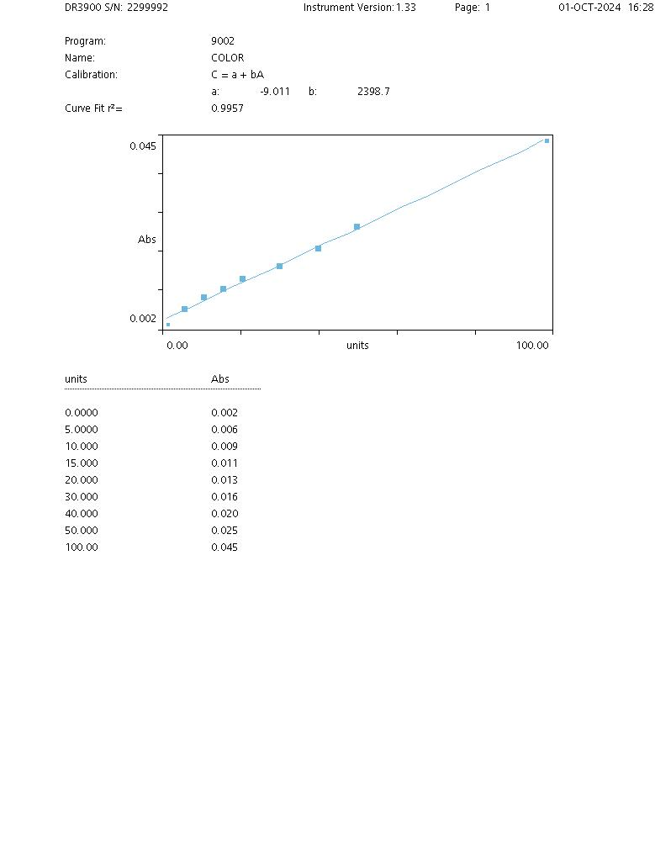
 | SOUTHERN RESEARCH LABORATORIES, INC
 | WET CHEM - DATA WORKSHEET
 | Method SM 2120 B Visual Comparison Method (Color)
 |  |  | ELABORATION DATE | 2023-11-14
 | VERSION | 1 | PAGE | 1 OF 1

Cal-CurveOP
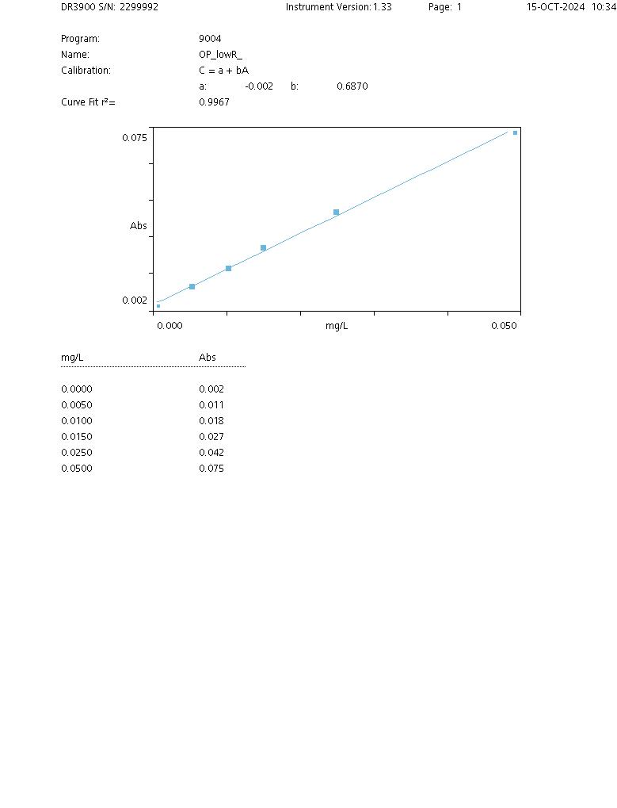
 | SOUTHERN RESEARCH LABORATORIES, INC
 | WET CHEM - DATA WORKSHEET
 | SM 4500-P, E - Ortho-phosphates
 |  |  | ELABORATION DATE | 2023-11-13
 | VERSION | 1 | PAGE | 1 OF 1

Cal-Curve TP
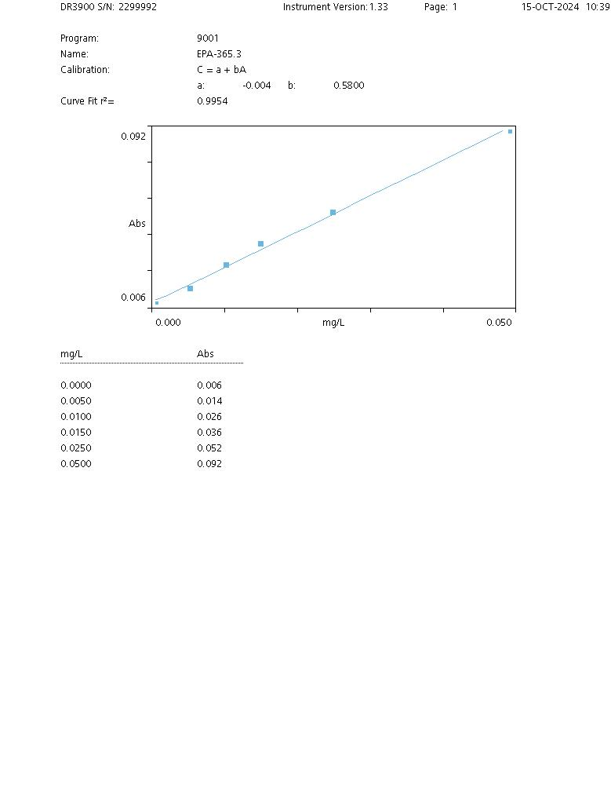
 | SOUTHERN RESEARCH LABORATORIES, INC
 | WET CHEM - DATA WORKSHEET
 | Method 365.3: Phosphorous Low Level (LL)
 |  |  | ELABORATION DATE | 2023-11-13
 | VERSION | 1 | PAGE | 1 OF 1

Total Coliform, MF
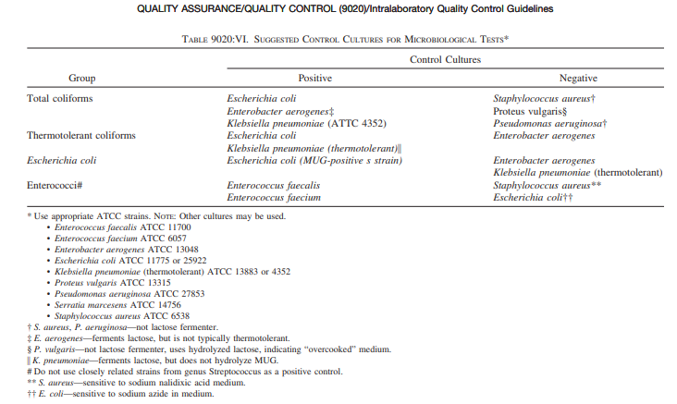
 |  |  | SOUTHERN RESEARCH LABORATORIES, INC
 |  |  | DATA WORKSHEET
 |  |  | Standard Method (SM) 9222 Membrane Filtration
 |  |  | Total Coliforms - Fecal Coliforms - E. Coli
 |  |  | 03/21/2024 - V1
 |  |  | Page 1 of 1
 | Method Blank (MB) |  |  |  |  | Lot Numbers:
 | Sample Duplicate |  |  |  | Phosphate buffer
 | Positive control (every new lot number of media or buffer) |  |  |  | K. aerogenes
 | Negative Control (every new lot number of media or buffer) |  |  |  | E. coli
 |  |  |  |  | S. aureus
 | Transferpette SN: |  |  |  | m-FC Broth
 | Incubator SN: |  | Initials |  | m-ColiBlue24 Broth
 | Start Date/time:
 | End Date/ time:
Date | Sample ID | Parameter | Analyst | ml of sample filtered | colonies counted | CFU/100 mL | Obs
3/14/2025 | Method Blank (MB) | Total coliform | SR | 50 | 0 | 0
3/14/2025 | Sample Duplicate | Total coliform | SR | 50 | 5 | 10
3/14/2025 | Positive control | Total coliform | SR | 50 | 10 | 20
3/14/2025 | Negative Control | Total coliform | SR | 50 | 2 | 4
3/14/2025 | SW-1 | Total coliform | SR | 50 | 3 | 6
3/14/2025 | SW-2 | Total coliform | SR | 50 | 5 | 10
3/14/2025 | SW-3 | Total coliform | SR | 50 | 7 | 14
3/14/2025 | SW-4 | Total coliform | SR | 50 | 8 | 16
3/14/2025 | SW-5 | Total coliform | SR | 50 | 10 | 20
3/14/2025 | SW-6 | Total coliform | SR | 50 | 12 | 24
3/14/2025 | SW-7 | Total coliform | SR | 50 | 5 | 10
3/14/2025 | SW-8 | Total coliform | SR | 50 | 4 | 8
3/14/2025 | SW-9 | Total coliform | SR | 50 | 6 | 12
3/14/2025 | SW-10 | Total coliform | SR | 50 | 5 | 10
3/14/2025 | SW-11 | Total coliform | SR | 50 | 10 | 20
3/14/2025 | SW-12 | Total coliform | SR | 50 | 5 | 10
3/14/2025 | SW-13 | Total coliform | SR | 50 | 12 | 24
3/14/2025 | SW-14 | Total coliform | SR | 50 | 8 | 16
3/14/2025 | SW-15 | Total coliform | SR | 50 | 9 | 18
3/14/2025 | SW-16 | Total coliform | SR | 50 | 3 | 6
3/14/2025 | SW-17 | Total coliform | SR | 50 | 2 | 4
3/14/2025 | SW-18 | Total coliform | SR | 50 | 1 | 2
3/14/2025 | SW-19 | Total coliform | SR | 50 | 5 | 10
3/14/2025 | SW-20 | Total coliform | SR | 50 | 9 | 18

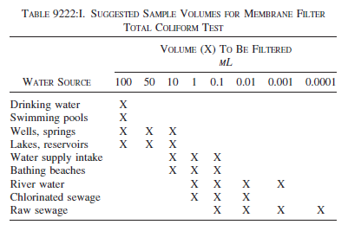
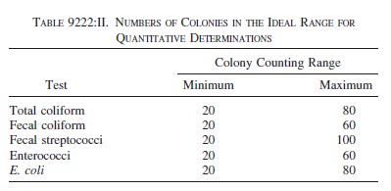

 |  |  |  |  | Total coliform
 |  |  |  |  | Fecal coliform
 |  |  |  |  | E. coli

