Sheet1
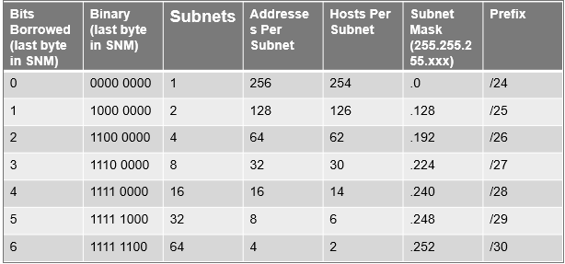
VLSM Table
Subnet# | Host# | Increment | Network | First Host | Last Host | Broadcast | Subnet | W/C
1 | 6 | 8 | 0 | 1 | 6 | 7 | 248 | 7

