Sheet_1
10004
10021
10022
10023
10025
10026
10027
10028
10029
10030
10031
10032
15004
15021
15022
15023
15025
15026
15027
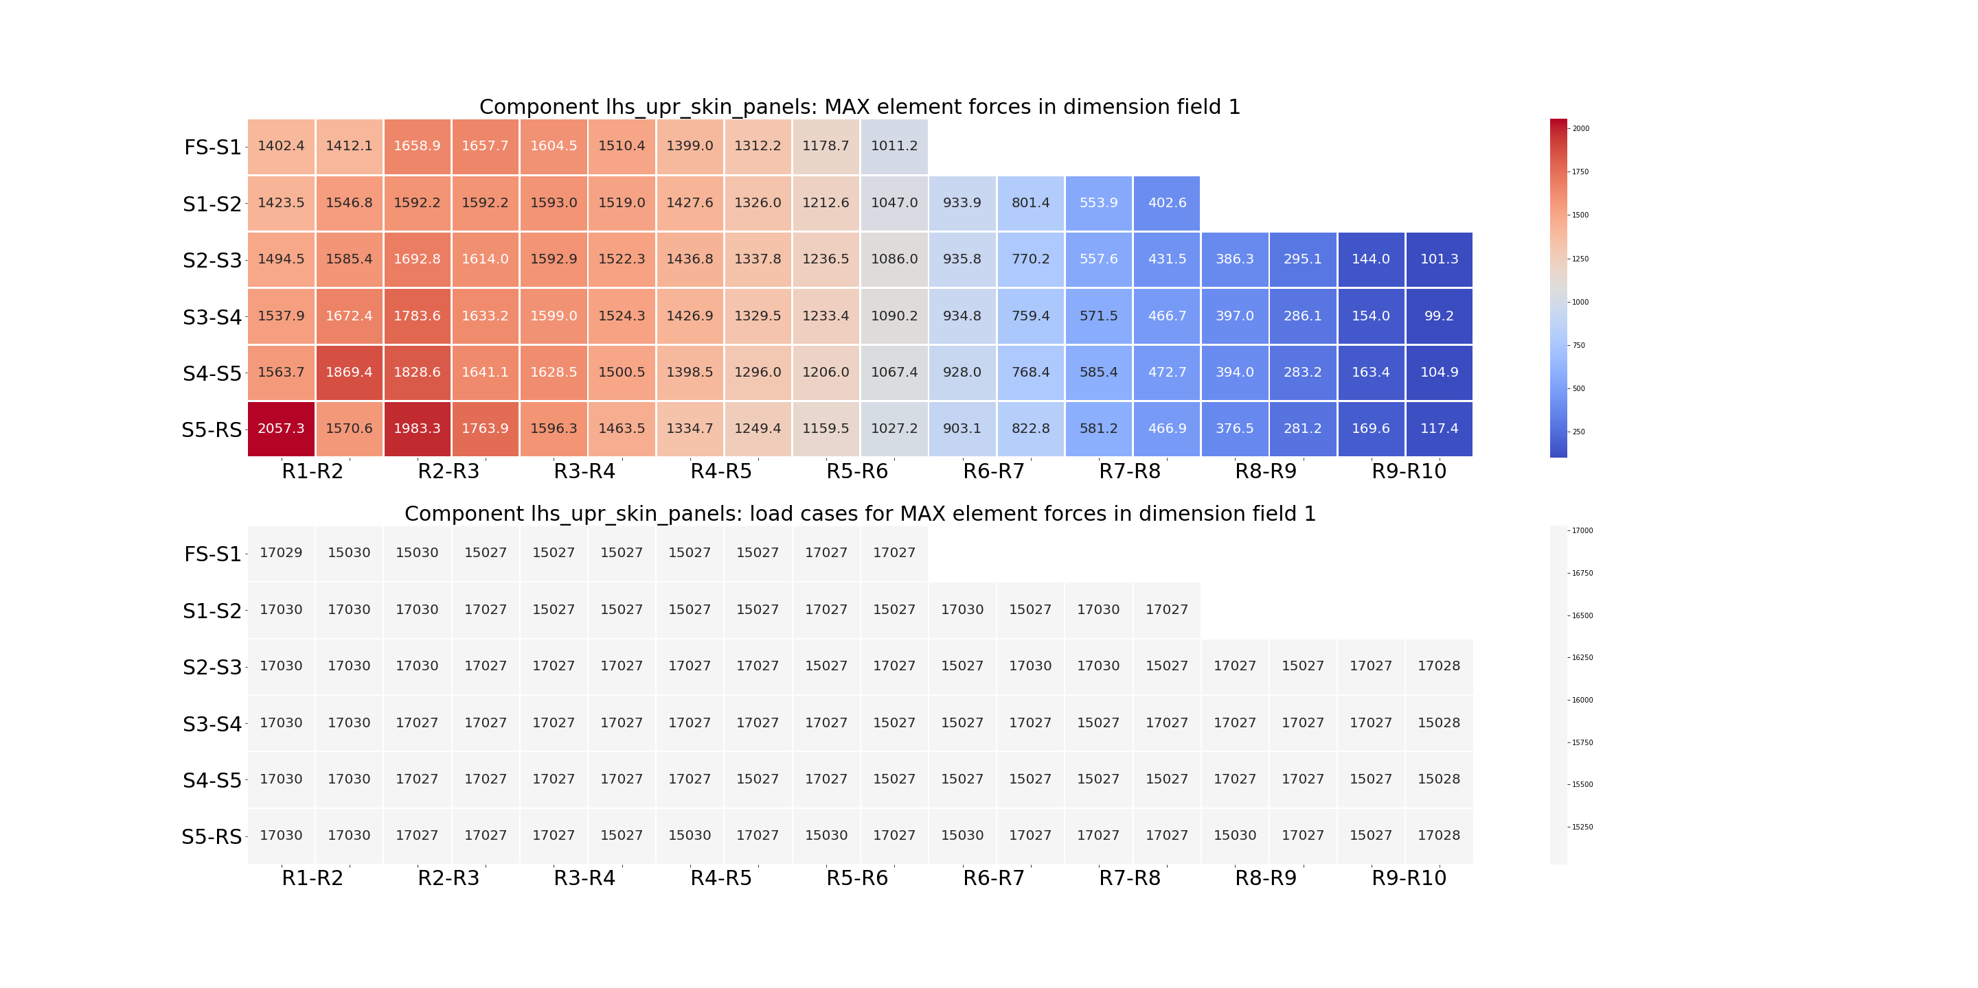
15028
15029
15030
15031
15032
17004
17021
17022
17023
17025
17026
17027
17028
17029
17030
17031
17032

