CeilingLabel
FSO2308888-8
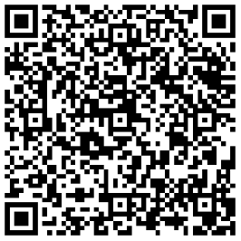 | 18
XXXXXXXXX(M1) | UVF
8888x8888x8888 | G888/N888

