Sheet1
GROUP 3 |  | Music | Art | P.E | Heatlh



 | Logon, Ma Tiffany



 | carino, princess
 | kasumi



 | Felomeno, hastlyne
 | Shane



 | Dabu, irvin james



 | Bitarra, Louise jane

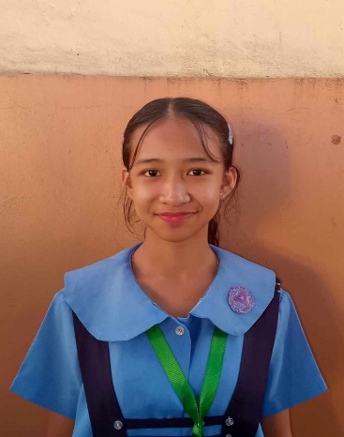

 | Candido, michaella



 | Llamasares, Veronica

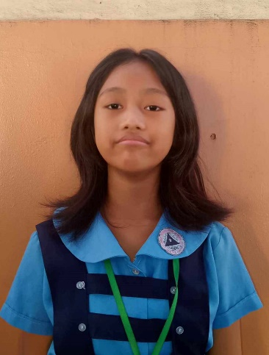

 | Brao, Charmaine

