Planilha1
0.00097694548116 | 0.89666175749
0.0014327139971 | 1.6894943544
0.0018875081282 | 2.6492390771
0.0022664829378 | 3.4525036819
0.0025693948296 | 4.1410162003
0.0028719413271 | 4.8921207658
0.0031739397332 | 5.7371134021
0.0034764862307 | 6.4882179676
0.0037786673338 | 7.3019145803
0.004080848437 | 8.1156111929
0.0043826641459 | 8.9918998527
0.0046846625519 | 9.836892489
0.0049870263522 | 10.619293078
0.0052892074554 | 11.432989691
0.0055168481172 | 11.871134021
0.0058164714601 | 13.122974963
0.0061950199763 | 13.999263623
0.0065224132876 | 14.875552283
0.0067979206054 | 15.877025037
0.0071001017086 | 16.690721649
0.0074026482061 | 17.441826215
0.0077053774007 | 18.161634757
0.0080077412011 | 18.944035346 | eps0 | 0.008 | sigma0 | 18 | E | 2250
0.0083099223043 | 19.757731959 | eps1 | 0.013 | sigma1 | 27.5
0.0086128341961 | 20.446244477 | eps2 | 0.015 | sigma2 | 27.5
0.0089913827123 | 21.322533137 | eps3 | 0.05 | sigma3 | 11
0.0094462986415 | 22.261413844
0.010204491857 | 23.826215022 | epsp1 | 0.005
0.010583771162 | 24.577319588 | epsp2 | 0.007
0.010963050467 | 25.328424153 | epsp3 | 0.042
0.011419427973 | 26.016936672
0.011952264241 | 26.752393225
0.012714933537 | 27.550441826
0.013633413061 | 27.946858125
0.014402598555 | 27.628681885
0.01486747148 | 26.861929308
0.015103150817 | 25.923048601
0.015365199444 | 24.848551792
0.015625603796 | 24.055719195
0.015809092644 | 23.294182622
0.015966577596 | 22.605670103
0.016124793337 | 21.79197349
0.016283191775 | 20.946980854
0.016466741522 | 20.175012273
0.016727633067 | 19.298723613
0.016911852704 | 18.412002946
0.017146983949 | 17.567010309
0.017535763506 | 16.690721649
0.018160131052 | 14.891200295
0.018779109031 | 14.014911635
0.019550121497 | 13.38377516
0.020472985753 | 13.029086892
0.021395423716 | 12.74742268
0.02231773988 | 12.486622484
0.023239751549 | 12.277982327
0.024161580521 | 12.100638193
0.025083409493 | 11.92329406
0.026004812172 | 11.818973981
0.026926093052 | 11.735517919
0.027847373933 | 11.652061856
0.028768472116 | 11.599901816
0.0296895094 | 11.558173785
0.030610668482 | 11.495581738
0.031531583969 | 11.474717722
0.032452743051 | 11.412125675
0.033374206629 | 11.297373589
0.03429542661 | 11.224349534
0.035216707491 | 11.140893471
0.036137988371 | 11.057437408
0.037059025655 | 11.015709377
0.03798000204 | 10.984413353
0.038901100224 | 10.932253314
0.039822198407 | 10.880093274
0.040743052994 | 10.869661267
0.041663846682 | 10.869661267
0.042584762168 | 10.848797251
0.043505860352 | 10.796637212
0.044120027306 | 10.744477172

Planilha1 (2)
epslon1 | sigd |  |  |  |  |  |  | epslon1 | epslonv
0.00035790435577 | 0.17599574508 |  |  |  |  |  |  | 0 | 0
0.000133516093 | 0.087328752434 |  |  |  |  |  |  | 0.0017870947716 | -0.068506786435
0.00056503198294 | 0.2958711858 |  |  |  |  |  |  | 0.0058264097131 | -0.13766622426
0.00097928723728 | 0.72666443627 |  |  |  |  |  |  | 0.010008261487 | -0.18031157133
ENSAIO TRIAXIAL - ARGILA DÚCTIL
0.00082394151691 | 0.47087182919 |  |  |  |  |  |  | 0.01489025802 | -0.2018826678
0.00069448674992 | 0.37899649141 |  |  |  |  |  |  | 0.019634306272 | -0.20916798258
0.0011475784344 | 0.6371224404 |  |  |  |  |  |  | 0.024377998516 | -0.21961880471
0.00095339628389 | 0.55983048957 |  |  |  |  |  |  | 0.029123510357 | -0.21389036707
0.0015266959662 | 0.97233200612 |  |  |  |  |  |  | 0.034148805185 | -0.20217670431
0.0013417605848 | 0.87094274448 |  |  |  |  |  |  | 0.03889574106 | -0.18378623729
0.0013417605848 | 0.81066474509 |  |  |  |  |  |  | 0.043364317983 | -0.15871896602
0.0016006701188 | 1.0892074358 |  |  |  |  |  |  | 0.047974146152 | -0.11856860274
0.0018595796528 | 1.2000411766 |  |  |  |  |  |  | 0.052166900681 | -0.064270287383
0.0021832165702 | 1.3123332561 |  |  |  |  |  |  | 0.056220767463 | -0.0040396124877
0.0023773987207 | 1.3978891262 |  |  |  |  |  |  | 0.060552098232 | 0.04155652441
0.0028952177886 | 1.4815005447 |  |  |  |  |  |  | 0.06516389074 | 0.09917313402
0.0035424916235 | 1.5738619954 |  |  |  |  |  |  | 0.068264920662 | 0.12505226909
0.004293329272 | 1.6646678848 |  |  |  |  |  |  | 0.070821113828 | 0.14584063347
0.0057432226622 | 1.8431685411 |  |  |  |  |  |  | 0.073964044311 | 0.17202282062
0.0065199512641 | 1.9190021532 |  |  |  |  |  |  | 0.078572710509 | 0.20184131965
0.007167225099 | 1.9715023462 |  |  |  |  |  |  | 0.083320279288 | 0.22585935528
0.0084617727688 | 2.0765027322 |  |  |  |  |  |  | 0.088068164518 | 0.25269117521
0.0094974109047 | 2.1552530218 | eps0 | 0.003 | sigma0 | 1.4 | E | 466.66666667 | 0.092536583215 | 0.27635155433
0.010662503807 | 2.2235032727 | eps1 | 0.017 | sigma1 | 2.6 |  |  | 0.097284784897 | 0.30599715858
0.012086506244 | 2.2923368591 | eps2 | 0.058 | sigma2 | 2.6 |  | 0.3 | 0.10189427684 | 0.34315787603
ENSAIO TRIAXIAL - ARGILA DÚCTIL
0.013639963448 | 2.3623371164 | eps3 | 0.075 | sigma3 | 1.8 |  | 1.7
0.015193420652 | 2.4245595674
0.016746877856 | 2.4751153088 | epsp1 | 0.014
0.018300335059 | 2.5217821471 | epsp2 | 0.055
ENSAIO TRIAXIAL - ARGILA DÚCTIL
0.019853792263 | 2.5606711789 | epsp3 | 0.072
0.021407249467 | 2.5898379528
0.022960706671 | 2.6209491783
0.024514163875 | 2.6471992748
0.026067621078 | 2.6685882424 |  | eps | eps1 | sigd
0.027621078282 | 2.6890049841 |  | inicial | 0 | 0
0.029174535486 | 2.7074772742 |  | 0 | 0.003 | 1.4
0.03072799269 | 2.7201162096 |  | 1 | 0.017 | 2.65
0.032281449893 | 2.7327551449 |  | 2 | 0.058 | 2.65
0.033834907097 | 2.7453940803 |  | 3 | 0.075 | 1.8
0.035388364301 | 2.7560885641 |  | 4 | 0.1 | 1.8
0.036941821505 | 2.7648385962
0.038495278708 | 2.7667830478
0.040048735912 | 2.77553308
0.041602193116 | 2.7765053058
0.04315565032 | 2.7765053058
0.044709107524 | 2.7765053058
0.046262564727 | 2.7765053058
0.047816021931 | 2.7696997252
0.049369479135 | 2.7619219188
0.050922936339 | 2.7444218545
0.052476393542 | 2.7269217902
0.054029850746 | 2.7045605968
0.05558330795 | 2.6763660487
0.057136765154 | 2.6403936943
0.058690222358 | 2.5946990818
0.060243679561 | 2.5344210824
0.061797136765 | 2.4721986314
0.063350593969 | 2.4090039547
0.064904051173 | 2.3428926005
0.065939689309 | 2.2923368591
0.068140420347 | 2.1698364087
0.069434968017 | 2.0963361385
0.070341151386 | 2.0502526357
0.072671337192 | 1.9481689271
0.074224794395 | 1.9083076694
0.075778251599 | 1.8733075408
0.077331708803 | 1.8558074764
0.078885166007 | 1.8470574442
0.08043862321 | 1.8383074121
0.081992080414 | 1.8295573799
0.083545537618 | 1.8208073477
0.085098994822 | 1.8198351219
0.086652452026 | 1.814973993
0.088205909229 | 1.8081684124
0.089759366433 | 1.8023350576
0.091312823637 | 1.795529477
0.092866280841 | 1.7945572512
0.094419738044 | 1.7858072191
0.095973195248 | 1.7848349933
0.097526652452 | 1.7780294127
0.099080109656 | 1.7731682837
0.10063356686 | 1.7663627031
0.10218702406 | 1.7692793805
0.10348157173 | 1.7510015355
0.10350746269 | 0.4559967745
0.10366280841 | 0.93083185355
0.10348157173 | 0.84566487377
0.10348157173 | 0.77566461641
0.10348157173 | 0.70566435906
0.10348157173 | 0.63566410171
0.10348157173 | 0.56566384435
0.10335211697 | 0.51316365134
0.10386993603 | 1.6526122849
0.10386993603 | 1.5826120276
0.10386993603 | 1.5126117702
0.10386993603 | 1.4523337708
0.10374048127 | 1.3823335135
0.10374048127 | 1.3123332561
0.10374048127 | 1.2423329988
0.10374048127 | 1.1723327414
0.10374048127 | 1.1023324841
0.10374048127 | 1.0323322267

ARGILA DÚCTIL
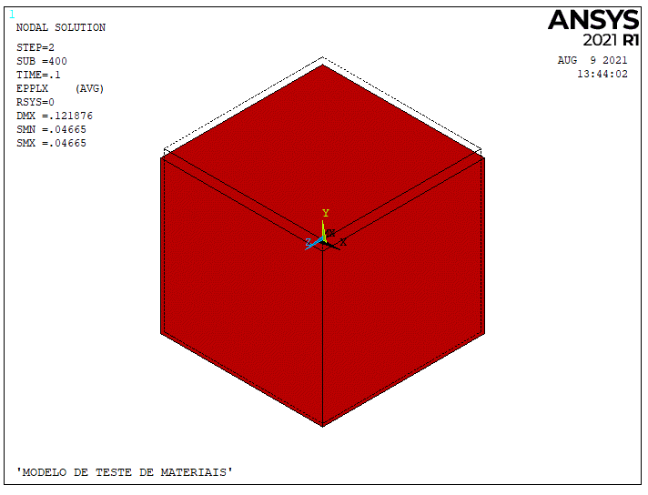
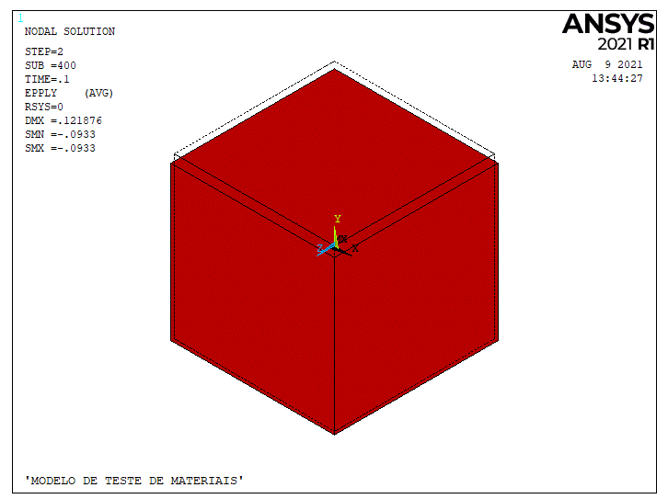
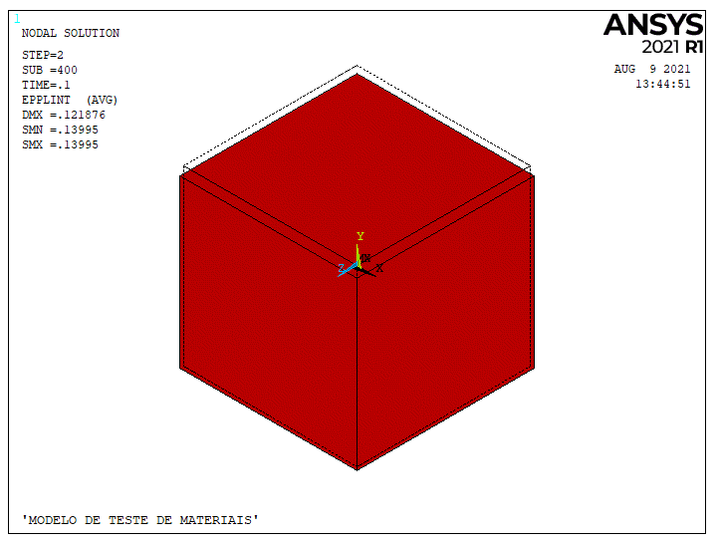
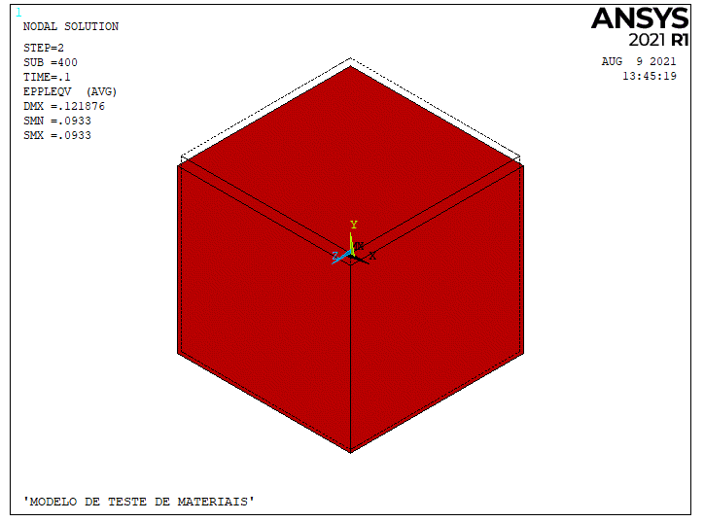
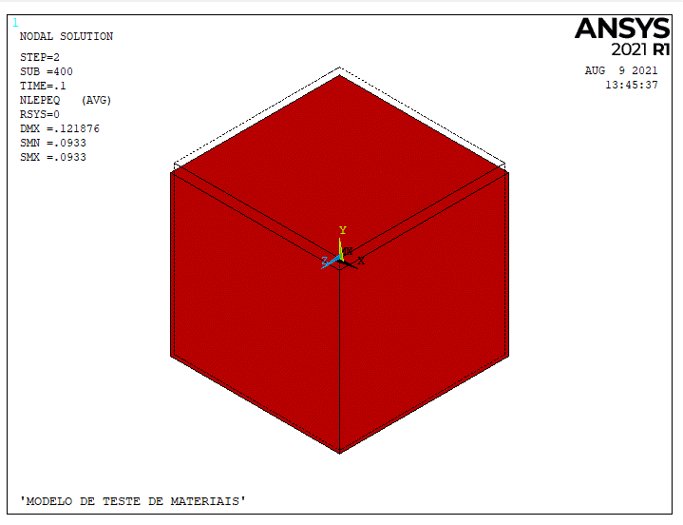
epslon1 | sigd | epslon1 | epslonv | COEFICIENTES PARA EPSLONV POLINOMIO GRAU 10 |  | eps0 | 0.003 | sigma0 | 1.4 | E | 466.66666667
0.00035790435577 | 0.17599574508 | 0 | 0 | 1.2731521311E+13 |  | eps1 | 0.017 | sigma1 | 2.6
0.000133516093 | 0.087328752434 | 0.0017870947716 | -0.068506786435 | -6.3363925981E+12 |  | eps2 | 0.058 | sigma2 | 2.6 |  | 0.3
0.00056503198294 | 0.2958711858 | 0.0058264097131 | -0.13766622426 | 1.3382976808E+12 |  | eps3 | 0.075 | sigma3 | 1.8 |  | 1.7
0.00097928723728 | 0.72666443627 | 0.010008261487 | -0.18031157133 | -1.5705879208E+11
0.00082394151691 | 0.47087182919 | 0.01489025802 | -0.2018826678 | 11319964968 |  | epsp1 | 0.014
0.00069448674992 | 0.37899649141 | 0.019634306272 | -0.20916798258 | -526812130.67 |  | epsp2 | 0.055 |  |  |  |  | 74.5
0.0011475784344 | 0.6371224404 | 0.024377998516 | -0.21961880471 | 16291989.556 |  | epsp3 | 0.072
0.00095339628389 | 0.55983048957 | 0.029123510357 | -0.21389036707 | -336887.67276
0.0015266959662 | 0.97233200612 | 0.034148805185 | -0.20217670431 | 4659.0373724
0.0013417605848 | 0.87094274448 | 0.03889574106 | -0.18378623729 | -42.80430034
0.0013417605848 | 0.81066474509 | 0.043364317983 | -0.15871896602 | 0 |  | eps | eps1 | sigd | epsv | epsr | epsr posn |  | epsEq | epsEqEP
0.0016006701188 | 1.0892074358 | 0.047974146152 | -0.11856860274 |  |  | inicial | 0 | 0 | 0 | 0
0.0018595796528 | 1.2000411766 | 0.052166900681 | -0.064270287383 |  | yield | 0 | 0.003 | 1.21 | -0.094377978605 | -0.048688989302 | -0.00117 |  | 0.002797
0.0021832165702 | 1.3123332561 | 0.056220767463 | -0.0040396124877 |  |  | 1 | 0.015 | 2.7 | -0.20074281346 | -0.10787140673 | -0.00585 |  | 0.013987 | 0.0112
0.0023773987207 | 1.3978891262 | 0.060552098232 | 0.04155652441 |  |  | 2 | 0.058 | 2.7 | 0.01074790584 | -0.02362604708 | -0.02262 |  | 0.054082 | 0.0513
0.0028952177886 | 1.4815005447 | 0.06516389074 | 0.09917313402 |  |  | 3 | 0.075 | 1.8 | 0.17832920166 | 0.051664600831 | -0.02925 |  | 0.069934 | 0.0671
0.0035424916235 | 1.5738619954 | 0.068264920662 | 0.12505226909 |  |  | 4 | 0.1 | 1.8 | 0.32201989948 | 0.11100994974 | -0.039 |  | 0.093245 | 0.0904
0.004293329272 | 1.6646678848 | 0.070821113828 | 0.14584063347
0.0057432226622 | 1.8431685411 | 0.073964044311 | 0.17202282062 |  |  |  |  |  |  |  | 0.012
0.0065199512641 | 1.9190021532 | 0.078572710509 | 0.20184131965 |  |  | E | nu | nu | nu |  | 0.055
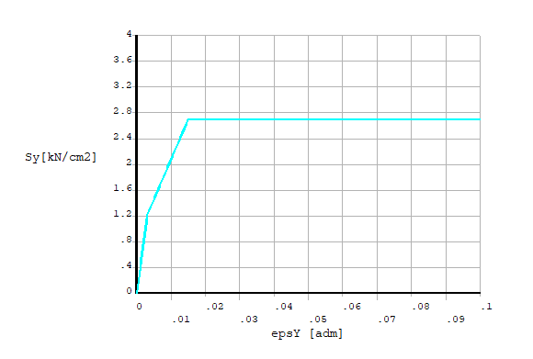
0.007167225099 | 1.9715023462 | 0.083320279288 | 0.22585935528 |  |  | 4.03E+02 | 16.229663101 | 16.229663101 | 0.39 |  | 0.072
0.0084617727688 | 2.0765027322 | 0.088068164518 | 0.25269117521 |  |  |  |  |  |  |  |  |  |  |  |  | SET | TIME | LDSTEP | SUBST | CUMULATIVE
0.0094974109047 | 2.1552530218 | 0.092536583215 | 0.27635155433 |  |  |  |  |  |  |  |  |  |  |  |  | 9 | 3.10E-03 | 2 | 3 | 10
0.010662503807 | 2.2235032727 | 0.097284784897 | 0.30599715858 |  |  |  |  |  |  |  |  |  |  |  |  | 10 | 4.10E-03 | 2 | 4 | 12
0.012086506244 | 2.2923368591 | 0.10189427684 | 0.34315787603 |  |  |  |  |  |  |  |  |  |  |  |  | 11 | 5.10E-03 | 2 | 5 | 13
ENSAIO TRIAXIAL - ARGILA DÚCTIL
0.013639963448 | 2.3623371164
0.015193420652 | 2.4245595674
0.016746877856 | 2.4751153088
0.018300335059 | 2.5217821471 |  |  |  |  |  |  |  |  |  |  |  |  |  |  | SET | 9 | 10 | 11 |  | SET | 9 | 10 | 11
0.019853792263 | 2.5606711789 |  |  |  |  |  |  |  |  |  |  |  |  |  |  | DMX | 0.003427 | 0.004623 | 0.005821 |  | DMX | 0.003427 | 0.004622 | 0.005817
0.021407249467 | 2.5898379528 |  |  |  |  |  |  |  |  |  |  |  |  |  |  | SX | -2.22E-16 |  | 2.64E-16 |  | SX | -2.22E-16 | 1.39E-17 | 7.77E-16
0.022960706671 | 2.6209491783 |  |  |  |  |  |  |  |  |  |  |  |  |  |  | SY | -1.2094 | -1.33413 | -1.45845 |  | SY | -1.2094 | -1.343 | -1.47621
0.024514163875 | 2.6471992748 |  |  |  |  |  |  |  |  |  |  |  |  |  |  | SZ |  |  | 6.94E-17 |  | SZ |  | 1.39E-17 | 7.77E-16
0.026067621078 | 2.6685882424 |  |  |  |  |  |  |  |  |  |  |  |  |  |  | SXY |  |  |  |  | SXY
0.027621078282 | 2.6890049841 |  |  |  |  |  |  |  |  |  |  |  |  |  |  | SYZ | 7.86E-18 | -4.49E-17 | -4.64E-18 |  | SYZ | 7.86E-18 | -4.52E-17 | 3.44E-17
0.029174535486 | 2.7074772742 |  |  |  |  |  |  |  |  |  |  |  |  |  |  | SXZ | 7.86E-18 |  | -2.61E-17 |  | SXZ | 7.86E-18 | -1.29E-17 | 1.55E-17
0.03072799269 | 2.7201162096 |  |  |  |  |  |  |  |  |  |  |  |  |  |  | S1 |  |  |  |  | S1
0.032281449893 | 2.7327551449 |  |  |  |  |  |  |  |  |  |  |  |  |  | 135.29411765 | S2 |  |  |  |  | S2
0.033834907097 | 2.7453940803 |  |  |  |  |  |  |  |  |  |  |  |  |  | 91.176470588 | S3 | -1.2094 | -1.33413 | -1.45845 |  | S3 | -1.2094 | -1.343 | -1.47621
0.035388364301 | 2.7560885641 |  |  |  |  |  |  |  |  |  |  |  |  |  |  | SI | 1.2094 | 1.33413 | 1.45845 |  | SI | 1.2094 | 1.343 | 1.47621
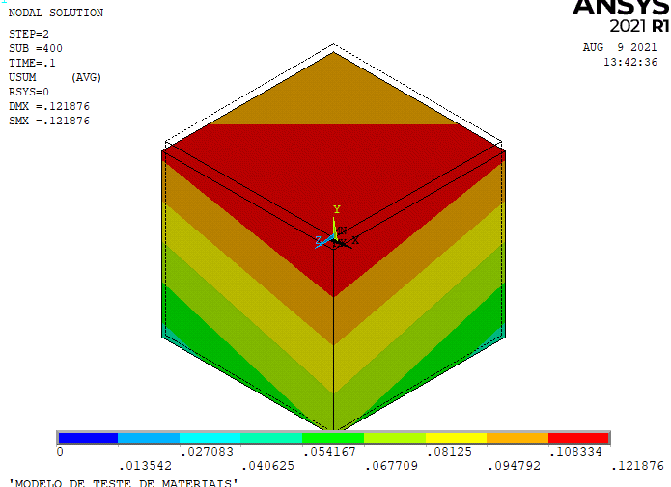
0.036941821505 | 2.7648385962 |  |  |  |  |  |  |  |  |  |  |  |  |  |  | SVM | 1.2094 | 1.33413 | 1.45845 |  | SVM | 1.2094 | 1.343 | 1.47621
0.038495278708 | 2.7667830478 |  |  |  |  |  |  |  |  |  |  |  |  |  |  | SPLASTEQ | 1.21 | 1.33413 | 1.45845 |  | SPLASTEQ | 1.21
0.040048735912 | 2.77553308 |  |  |  |  |  |  |  |  |  |  |  |  |  | 1.8 | SRATIO |  | 1 | 1 |  | SRATIO |  | 1 | 1
0.041602193116 | 2.7765053058 |  |  |  |  |  |  |  |  |  |  |  |  |  |  | HS | -0.40314 | -0.444711 | -0.48615 |  | HS | -0.40314 | -0.447668 | -0.492069
0.04315565032 | 2.7765053058
0.044709107524 | 2.7765053058 |  |  |  |  |  |  |  |  |  |  |  |  |  |  | EPX |  | 3.46E-04 | 6.92E-04 |  | EPX |  | 3.35E-04 | 6.70E-04
0.046262564727 | 2.7765053058 |  |  |  |  |  |  |  |  |  |  |  |  |  |  | EPY |  | -6.91E-04 | -0.001384 |  | EPY |  | -6.69E-04 | -0.00134
0.047816021931 | 2.7696997252 |  |  |  |  |  |  |  |  |  |  |  |  |  |  | EPZ |  | 3.46E-04 | 6.92E-04 |  | EPZ |  | 3.35E-04 | 6.70E-04
0.049369479135 | 2.7619219188 |  |  |  |  |  |  |  |  |  |  |  |  |  |  | EPXY |  |  |  |  | EPXY
0.050922936339 | 2.7444218545 |  |  |  |  |  |  |  |  |  |  |  |  |  |  | EPYZ |  | -6.98E-20 | -7.64E-20 |  | EPYZ |  | -6.76E-20 | -2.07E-20
0.052476393542 | 2.7269217902 |  |  |  |  |  |  |  |  |  |  |  |  |  |  | EPXZ |  |  | -3.71E-20 |  | EPXZ |  | -1.93E-20 | 0.00E+00
0.054029850746 | 2.7045605968 |  |  |  |  |  |  |  |  |  |  |  |  |  |  | EP1 |  | 3.46E-04 | 6.92E-04 |  | EP1 |  | 3.35E-04 | 6.70E-04
0.05558330795 | 2.6763660487 |  |  |  |  |  |  |  |  |  |  |  |  |  |  | EP2 |  | 3.46E-04 | 6.92E-04 |  | EP2 |  | 3.35E-04 | 6.70E-04
0.057136765154 | 2.6403936943 |  |  |  |  |  |  |  |  |  |  |  |  |  |  | EP3 |  | -6.91E-04 | -1.38E-03 |  | EP3 |  | -6.69E-04 | -1.34E-03
0.058690222358 | 2.5946990818 |  |  |  |  |  |  |  |  |  |  |  |  |  |  | EPI |  | 1.04E-03 | 2.08E-03 |  | EPI |  | 1.00E-03 | 2.01E-03
0.060243679561 | 2.5344210824 |  |  |  |  |  |  |  |  |  |  |  |  |  |  | EPVM |  | 6.91E-04 | 1.38E-03 |  | EPVM |  | 6.69E-04 | 1.34E-03
0.061797136765 | 2.4721986314 |  |  |  |  |  |  |  |  |  |  |  |  |  |  | EPEQ |  | 6.91E-04 | 1.38E-03 |  | EPEQ |  | 6.69E-04 | 1.38E-03
0.063350593969 | 2.4090039547
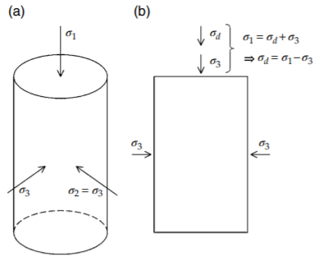
0.064904051173 | 2.3428926005
0.065939689309 | 2.2923368591
0.068140420347 | 2.1698364087
0.069434968017 | 2.0963361385
0.070341151386 | 2.0502526357
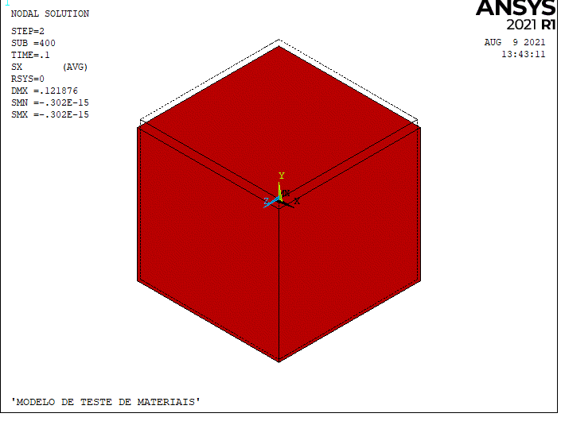
0.072671337192 | 1.9481689271
0.074224794395 | 1.9083076694
0.075778251599 | 1.8733075408
0.077331708803 | 1.8558074764
0.078885166007 | 1.8470574442
0.08043862321 | 1.8383074121
0.081992080414 | 1.8295573799
0.083545537618 | 1.8208073477
0.085098994822 | 1.8198351219
0.086652452026 | 1.814973993
0.088205909229 | 1.8081684124
0.089759366433 | 1.8023350576
0.091312823637 | 1.795529477
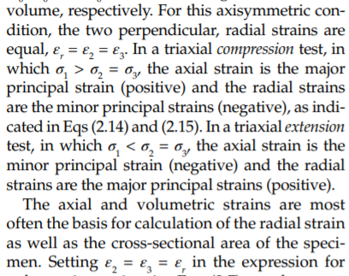
0.092866280841 | 1.7945572512
0.094419738044 | 1.7858072191
0.095973195248 | 1.7848349933
0.097526652452 | 1.7780294127
0.099080109656 | 1.7731682837
0.10063356686 | 1.7663627031
0.10218702406 | 1.7692793805
0.10348157173 | 1.7510015355
0.10350746269 | 0.4559967745
0.10366280841 | 0.93083185355
0.10348157173 | 0.84566487377
0.10348157173 | 0.77566461641
0.10348157173 | 0.70566435906
0.10348157173 | 0.63566410171
0.10348157173 | 0.56566384435
0.10335211697 | 0.51316365134
0.10386993603 | 1.6526122849
0.10386993603 | 1.5826120276
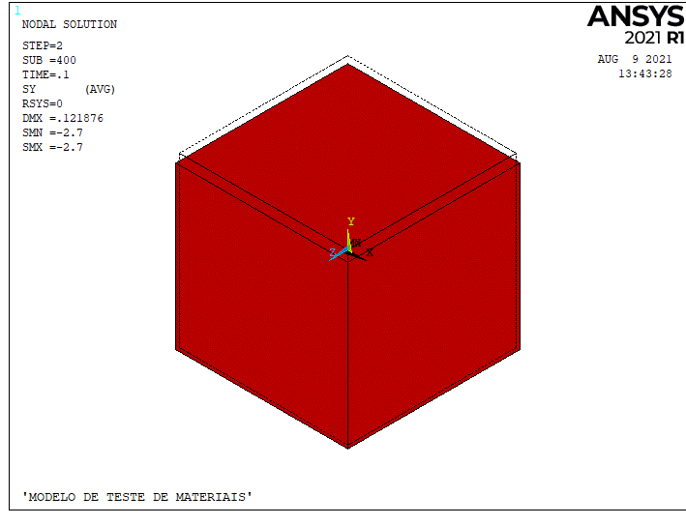
0.10386993603 | 1.5126117702
0.10386993603 | 1.4523337708
0.10374048127 | 1.3823335135
0.10374048127 | 1.3123332561
0.10374048127 | 1.2423329988
0.10374048127 | 1.1723327414
0.10374048127 | 1.1023324841
0.10374048127 | 1.0323322267

ARGILA RIGIDA
 | epslon1 | sigd | epslon1 | epslonv | COEFICIENTES EPSLONV POLINOMIO GRAU 10 |  | eps0 | 0.008 | sigma0 | 18 | E | 2250
-0.0012684587228 | 0.00033154127724 | 0.24058680026 | 4.8097221678E-05 | -0.0045398554036 | 9.6844631915E+20 |  | eps1 | 0.013 | sigma1 | 27.5
-0.00089217054618 | 0.00070782945382 | 0.72077934819 | 0.00085965622456 | -0.017793795676 | -7.7819430071E+19 |  | eps2 | 0.015 | sigma2 | 27.5
-0.00056324540922 | 0.0010367545908 | 1.1666023532 | 0.0016257296196 | -0.053903709797 | 2.6393095076E+18 |  | eps3 | 0.02 | sigma3 | 11
-0.00014177430994 | 0.0014582256901 | 1.8521946147 | 0.0022037668177 | -0.11751391773 | -4.9076414185E+16
0.00027664462568 | 0.0018766446257 | 2.777229115 | 0.0029715812887 | -0.17188771802 | 5.4227203088E+14 |  | epsp1 | 0.005
0.00069549958469 | 0.0022954995847 | 3.6680575812 | 0.0036432013163 | -0.2171818075 | -3.5805274469E+12 |  | epsp2 | 0.007
0.0012516474053 | 0.0028516474053 | 5.0382610516 | 0.0043148213438 | -0.26247589698 | 13162196350 |  | epsp3 | 0.012
0.0019928871506 | 0.0035928871506 | 6.8880030347 | 0.0049387794187 | -0.3077961026 | -19746564.062
0.0025481629245 | 0.0041481629245 | 8.3266185733 | 0.0058491444788 | -0.35752558293 | -17025.623119
0.0028705477108 | 0.0044705477108 | 9.2855320902 | 0.0064722320158 | -0.39371384547 | 4.4002394335
0.0032872225529 | 0.0048872225529 | 10.347390727 | 0.0072387406798 | -0.43438973113 | 0 |  | PONTO | epsa | sigd | epsv | epsr | epsr posn | epsEq | epsEqEP
0.0037951352872 | 0.0053951352872 | 11.751636723 | 0.0081001379803 | -0.47044741298 |  |  | inicial | 0.0016 | 1.852 | 0 | -0.0008
0.0043491029909 | 0.0059491029909 | 13.292870364 | 0.0088185494226 | -0.50658344324 |  | yield | 0 | 0.008 | 19 | -0.47100687564 | -0.23950343782 | -0.0016 | 0.006788
0.0048109607557 | 0.0064109607557 | 14.560128714 | 0.0095833170107 | -0.52899544273 |  |  | 1 | 0.0128 | 28 | -0.50410476554 | -0.25845238277 | -0.00256 | 0.010861 | 0.0041
0.0053184374666 | 0.0069184374666 | 15.998580744 | 0.010536991334 | -0.53303909151 |  |  | 2 | 0.0145 | 28 | -0.36246082544 | -0.18848041272 | -0.0029 | 0.012304 | 0.0055
0.0058741492639 | 0.0074741492639 | 17.402990248 | 0.011395341751 | -0.53713497256 |  |  | 3 | 0.02 | 11 | 0.52 | 0.25 | -0.004 | 0.016971 | 0.0102
0.0066149529858 | 0.0082149529858 | 19.286938266 | 0.012062609089 | -0.53676934662 |  |  | 4 | 0.045 | 11 | 1.61 | 0.7825 | -0.009 | 0.038184 | 0.0314
0.0073570647778 | 0.0089570647778 | 21.068268181 | 0.013011930723 | -0.49515327997
0.0082408296653 | 0.0098408296653 | 22.986912758 | 0.013722072054 | -0.44453585093 |  |  | E | nu | nu | nu
0.0091276467164 | 0.010727646716 | 24.666115097 | 0.014240259769 | -0.38032497182 |  |  | 2.68E+03 | 37.29741216 | 37.29741216 | 0.2
0.0098771709059 | 0.011477170906 | 25.865942432 | 0.014854206657 | -0.32062783197
0.010534149133 | 0.012134149133 | 26.82600051 | 0.015468588814 | -0.26549666366
ENSAIO TRIAXIAL - ARGILA DÚCTIL
0.00033154127724 | 0.24058680026 | 0.0016 | 1.852 | 4.8097221678E-05 | -0.0045398554036 | 0.0016 | 0
0.00070782945382 | 0.72077934819 | 0.008 | 19 | 0.00085965622456 | -0.017793795676 | 0.008 | -0.47100687564
0.0010367545908 | 1.1666023532 | 0.0128 | 28 | 0.0016257296196 | -0.053903709797 | 0.0128 | -0.50410476554
0.0014582256901 | 1.8521946147 | 0.0145 | 28 | 0.0022037668177 | -0.11751391773 | 0.0145 | -0.36246082544
0.0018766446257 | 2.777229115 | 0.02 | 11 | 0.0029715812887 | -0.17188771802 | 0.02 | 0.52
0.0022954995847 | 3.6680575812 | 0.045 | 11 | 0.0036432013163 | -0.2171818075 | 0.045 | 1.61
0.0028516474053 | 5.0382610516 |  |  | 0.0043148213438 | -0.26247589698
0.0035928871506 | 6.8880030347 |  |  | 0.0049387794187 | -0.3077961026
0.0041481629245 | 8.3266185733 |  |  | 0.0058491444788 | -0.35752558293
0.0044705477108 | 9.2855320902 |  |  | 0.0064722320158 | -0.39371384547
0.0048872225529 | 10.347390727 |  |  | 0.0072387406798 | -0.43438973113
0.0053951352872 | 11.751636723 |  |  | 0.0081001379803 | -0.47044741298
0.0059491029909 | 13.292870364 |  |  | 0.0088185494226 | -0.50658344324
0.0064109607557 | 14.560128714 |  |  | 0.0095833170107 | -0.52899544273
0.0069184374666 | 15.998580744 |  |  | 0.010536991334 | -0.53303909151
0.0074741492639 | 17.402990248 |  |  | 0.011395341751 | -0.53713497256
0.0082149529858 | 19.286938266 |  |  | 0.012062609089 | -0.53676934662
0.0089570647778 | 21.068268181 |  |  | 0.013011930723 | -0.49515327997
0.0098408296653 | 22.986912758 |  |  | 0.013722072054 | -0.44453585093
0.010727646716 | 24.666115097 |  |  | 0.014240259769 | -0.38032497182
0.011477170906 | 25.865942432 |  |  | 0.014854206657 | -0.32062783197
0.012134149133 | 26.82600051 |  |  | 0.015468588814 | -0.26549666366
0.012558672396 | 27.272150533 |  |  | 0.016082100434 | -0.20123355227
0.013031430745 | 27.68425803 |  |  | 0.016600288148 | -0.13702267316
0.013553296228 | 27.993910934 |  |  | 0.017023151957 | -0.072864026325
0.013933944638 | 28.13204314 |  |  | 0.017349386053 | 0.0049403028602
0.014414551408 | 27.928442023 |  |  | 0.017627522928 | 0.087284487449
0.014753941106 | 27.553320209 |  |  | 0.017855386236 | 0.19699838515
0.014999912795 | 27.006841207 |  |  | 0.018087602234 | 0.26105256743
0.015247628578 | 26.323538068 |  |  | 0.018319818232 | 0.32510674972
0.015451469508 | 25.332217113 |  |  | 0.018741811502 | 0.39839733964
0.015753960727 | 24.101780937 |  |  | 0.019259563948 | 0.46717419029
0.016105123057 | 22.803096202 |  |  | 0.019873946105 | 0.5223053586
0.016360251237 | 21.538290483 |  |  | 0.020536425484 | 0.5728966715
0.01656322012 | 20.615381597 |  |  | 0.021199775401 | 0.61435604132
0.016816168183 | 19.521606049 |  |  | 0.021910352002 | 0.66040749881
0.016969157886 | 18.769563824 |  |  | 0.022668155287 | 0.71105104399
0.017368119279 | 17.471042597 |  |  | 0.023570250236 | 0.74807502296
0.017818803944 | 15.864830572 |  |  | 0.024282567913 | 0.77586259429
0.018311619369 | 14.7034605 |  |  | 0.024993144514 | 0.82191405179
0.01879876649 | 13.986768871 |  |  | 0.025799480289 | 0.86345177002
0.019282861447 | 13.50951948 |  |  | 0.026559024649 | 0.89583142903
0.019906865406 | 13.30640889 |  |  | 0.027413022377 | 0.9373952634
0.020675138601 | 13.035376757 |  |  | 0.028172131469 | 0.97434089396
0.02129914256 | 12.832266166 |  |  | 0.028978902513 | 1.0113126406
0.022258612007 | 12.561888068 |  |  | 0.029785673557 | 1.0482843873
0.023169410344 | 12.35975853 |  |  | 0.030545217917 | 1.0806640463
0.024271404933 | 12.158283027 |  |  | 0.031304762278 | 1.1130437054
0.025230002333 | 11.956316998 |  |  | 0.032064306638 | 1.1454233644
0.026283325812 | 11.823090054 |  |  | 0.032918739635 | 1.1824212272
...
0.010958672396 | 0.012558672396 | 27.272150533 | 0.016082100434 | -0.20123355227
0.011431430745 | 0.013031430745 | 27.68425803 | 0.016600288148 | -0.13702267316
0.011953296228 | 0.013553296228 | 27.993910934 | 0.017023151957 | -0.072864026325
0.012333944638 | 0.013933944638 | 28.13204314 | 0.017349386053 | 0.0049403028602
0.012814551408 | 0.014414551408 | 27.928442023 | 0.017627522928 | 0.087284487449
0.013153941106 | 0.014753941106 | 27.553320209 | 0.017855386236 | 0.19699838515
0.013399912795 | 0.014999912795 | 27.006841207 | 0.018087602234 | 0.26105256743
0.013647628578 | 0.015247628578 | 26.323538068 | 0.018319818232 | 0.32510674972
0.013851469508 | 0.015451469508 | 25.332217113 | 0.018741811502 | 0.39839733964
0.014153960727 | 0.015753960727 | 24.101780937 | 0.019259563948 | 0.46717419029
0.014505123057 | 0.016105123057 | 22.803096202 | 0.019873946105 | 0.5223053586
0.014760251237 | 0.016360251237 | 21.538290483 | 0.020536425484 | 0.5728966715
0.01496322012 | 0.01656322012 | 20.615381597 | 0.021199775401 | 0.61435604132
0.015216168183 | 0.016816168183 | 19.521606049 | 0.021910352002 | 0.66040749881
0.015369157886 | 0.016969157886 | 18.769563824 | 0.022668155287 | 0.71105104399
0.015768119279 | 0.017368119279 | 17.471042597 | 0.023570250236 | 0.74807502296
0.016218803944 | 0.017818803944 | 15.864830572 | 0.024282567913 | 0.77586259429
0.016711619369 | 0.018311619369 | 14.7034605 | 0.024993144514 | 0.82191405179
0.01719876649 | 0.01879876649 | 13.986768871 | 0.025799480289 | 0.86345177002
0.017682861447 | 0.019282861447 | 13.50951948 | 0.026559024649 | 0.89583142903
0.018306865406 | 0.019906865406 | 13.30640889 | 0.027413022377 | 0.9373952634
0.019075138601 | 0.020675138601 | 13.035376757 | 0.028172131469 | 0.97434089396
0.01969914256 | 0.02129914256 | 12.832266166 | 0.028978902513 | 1.0113126406
0.020658612007 | 0.022258612007 | 12.561888068 | 0.029785673557 | 1.0482843873
0.021569410344 | 0.023169410344 | 12.35975853 | 0.030545217917 | 1.0806640463
0.022671404933 | 0.024271404933 | 12.158283027 | 0.031304762278 | 1.1130437054
0.023630002333 | 0.025230002333 | 11.956316998 | 0.032064306638 | 1.1454233644
0.024683325812 | 0.026283325812 | 11.823090054 | 0.032918739635 | 1.1824212272
0.025975208583 | 0.027575208583 | 11.724886688 | 0.033726381217 | 1.2102610308
0.026836463763 | 0.028436463763 | 11.659417778 | 0.034580814214 | 1.2472588936
0.027553885731 | 0.029153885731 | 11.627664375 | 0.035388020527 | 1.2796646688
0.028558538101 | 0.030158538101 | 11.562685991 | 0.036148000157 | 1.3074783563
0.031094068556 | 0.032694068556 | 11.400321785 | 0.037003303692 | 1.335344276
0.033199407444 | 0.034799407444 | 11.236486 | 0.037762848052 | 1.367723935
0.034587324364 | 0.036187324364 | 11.104403618 | 0.038617716318 | 1.4001558263
0.036692227229 | 0.038292227229 | 10.974773867 | 0.039378131216 | 1.4234035422
0.037887639827 | 0.039487639827 | 10.944655552 | 0.040280226166 | 1.4604275212
0.039609278141 | 0.041209278141 | 10.8821298 | 0.04094488189 | 1.4881889764
0.040995886991 | 0.042595886991 | 10.85266552 | 0.041800185425 | 1.5160548961
0.042334696778 | 0.043934696778 | 10.823037731 | 0.042560165054 | 1.5438685836
0.043052990793 | 0.044652990793 | 10.72287226 | 0.043319709414 | 1.5762482426
 |  |  | 0.044175012949 | 1.6041141623
 |  |  | 0.044602664717 | 1.6180471222

ARGILA RIGIDA (2)
epslon1 | sigd | epslon1* | sigd* | epslon1 | epslonv | COEFICIENTES EPSLONV POLINOMIO GRAU 10 |  | eps0 | 0.008 | sigma0 | 18 | E | 2250
0.00033154127724 | 0.24058680026 | -0.0012684587228 | -1.6114131997 | 4.8097221678E-05 | -0.0045398554036 | 9.6844631915E+20 |  | eps1 | 0.013 | sigma1 | 27.5
0.00070782945382 | 0.72077934819 | -0.00089217054618 | -1.1312206518 | 0.00085965622456 | -0.017793795676 | -7.7819430071E+19 |  | eps2 | 0.015 | sigma2 | 27.5
0.0010367545908 | 1.1666023532 | -0.00056324540922 | -0.68539764678 | 0.0016257296196 | -0.053903709797 | 2.6393095076E+18 |  | eps3 | 0.02 | sigma3 | 11
0.0014582256901 | 1.8521946147 | -0.00014177430994 | 0.00019461467524 | 0.0022037668177 | -0.11751391773 | -4.9076414185E+16
0.0018766446257 | 2.777229115 | 0.00027664462568 | 0.92522911503 | 0.0029715812887 | -0.17188771802 | 5.4227203088E+14 |  | epsp1 | 0.005
0.0022954995847 | 3.6680575812 | 0.00069549958469 | 1.8160575812 | 0.0036432013163 | -0.2171818075 | -3.5805274469E+12 |  | epsp2 | 0.007
0.0028516474053 | 5.0382610516 | 0.0012516474053 | 3.1862610516 | 0.0043148213438 | -0.26247589698 | 13162196350 |  | epsp3 | 0.012
0.0035928871506 | 6.8880030347 | 0.0019928871506 | 5.0360030347 | 0.0049387794187 | -0.3077961026 | -19746564.062
0.0041481629245 | 8.3266185733 | 0.0025481629245 | 6.4746185733 | 0.0058491444788 | -0.35752558293 | -17025.623119
0.0044705477108 | 9.2855320902 | 0.0028705477108 | 7.4335320902 | 0.0064722320158 | -0.39371384547 | 4.4002394335
0.0048872225529 | 10.347390727 | 0.0032872225529 | 8.4953907271 | 0.0072387406798 | -0.43438973113 | 0 |  | PONTO | epsa | sigd | epsv | epsr | epsr posn | epsEq | epsEqEP
0.0053951352872 | 11.751636723 | 0.0037951352872 | 9.8996367228 | 0.0081001379803 | -0.47044741298 |  |  | inicial | 0 | 0 | 0 | 0
0.0059491029909 | 13.292870364 | 0.0043491029909 | 11.440870364 | 0.0088185494226 | -0.50658344324 |  | yield | 0 | 0.008 | 21 | -0.47100687564 | -0.23950343782 | -0.0016 | 0.006788
0.0064109607557 | 14.560128714 | 0.0048109607557 | 12.708128714 | 0.0095833170107 | -0.52899544273 |  |  | 1 | 0.011 | 26 | -0.54238702776 | -0.27669351388 | -0.0022 | 0.009334 | 0.0025 | 0.003
0.0069184374666 | 15.998580744 | 0.0053184374666 | 14.146580744 | 0.010536991334 | -0.53303909151 |  |  | 2 | 0.013 | 26 | -0.49300735918 | -0.25300367959 | -0.0026 | 0.011031 | 0.0042 | 0.005
0.0074741492639 | 17.402990248 | 0.0058741492639 | 15.550990248 | 0.011395341751 | -0.53713497256 |  |  | 3 | 0.017 | 10 | 0.52 | 0.2515 | -0.0034 | 0.014425 | 0.0076 | 0.009
0.0082149529858 | 19.286938266 | 0.0066149529858 | 17.434938266 | 0.012062609089 | -0.53676934662 |  |  | 4 | 0.045 | 10 | 1.61 | 0.7825 | -0.009 | 0.038184 | 0.0314
0.0089570647778 | 21.068268181 | 0.0073570647778 | 19.216268181 | 0.013011930723 | -0.49515327997
0.0098408296653 | 22.986912758 | 0.0082408296653 | 21.134912758 | 0.013722072054 | -0.44453585093 |  |  | E | nu | nu | nu
0.010727646716 | 24.666115097 | 0.0091276467164 | 22.814115097 | 0.014240259769 | -0.38032497182 |  |  | 2.62E+03 | 29.937929728 | 29.937929728 | 0.2
0.011477170906 | 25.865942432 | 0.0098771709059 | 24.013942432 | 0.014854206657 | -0.32062783197
0.012134149133 | 26.82600051 | 0.010534149133 | 24.97400051 | 0.015468588814 | -0.26549666366
ENSAIO TRIAXIAL - ARGILA DÚCTIL
-0.0012684587228 | -1.6114131997 | 0 | 0 | 4.8097221678E-05 | -0.0045398554036 | 0 | 0
-0.00089217054618 | -1.1312206518 | 0.008 | 21 | 0.00085965622456 | -0.017793795676 | 0.008 | -0.47100687564
-0.00056324540922 | -0.68539764678 | 0.011 | 26 | 0.0016257296196 | -0.053903709797 | 0.011 | -0.54238702776
-0.00014177430994 | 0.00019461467524 | 0.013 | 26 | 0.0022037668177 | -0.11751391773 | 0.013 | -0.49300735918
0.00027664462568 | 0.92522911503 | 0.017 | 10 | 0.0029715812887 | -0.17188771802 | 0.017 | 0.52
0.00069549958469 | 1.8160575812 | 0.045 | 10 | 0.0036432013163 | -0.2171818075 | 0.045 | 1.61
0.0012516474053 | 3.1862610516 |  |  | 0.0043148213438 | -0.26247589698
0.0019928871506 | 5.0360030347 |  |  | 0.0049387794187 | -0.3077961026
0.0025481629245 | 6.4746185733 |  |  | 0.0058491444788 | -0.35752558293
0.0028705477108 | 7.4335320902 |  |  | 0.0064722320158 | -0.39371384547
0.0032872225529 | 8.4953907271 |  |  | 0.0072387406798 | -0.43438973113
0.0037951352872 | 9.8996367228 |  |  | 0.0081001379803 | -0.47044741298
0.0043491029909 | 11.440870364 |  |  | 0.0088185494226 | -0.50658344324
0.0048109607557 | 12.708128714 |  |  | 0.0095833170107 | -0.52899544273
0.0053184374666 | 14.146580744 |  |  | 0.010536991334 | -0.53303909151
0.0058741492639 | 15.550990248 |  |  | 0.011395341751 | -0.53713497256
0.0066149529858 | 17.434938266 |  |  | 0.012062609089 | -0.53676934662
0.0073570647778 | 19.216268181 |  |  | 0.013011930723 | -0.49515327997
0.0082408296653 | 21.134912758 |  |  | 0.013722072054 | -0.44453585093
0.0091276467164 | 22.814115097 |  |  | 0.014240259769 | -0.38032497182
0.0098771709059 | 24.013942432 |  |  | 0.014854206657 | -0.32062783197
0.010534149133 | 24.97400051 |  |  | 0.015468588814 | -0.26549666366
0.010958672396 | 25.420150533 |  |  | 0.016082100434 | -0.20123355227
0.011431430745 | 25.83225803 |  |  | 0.016600288148 | -0.13702267316
0.011953296228 | 26.141910934 |  |  | 0.017023151957 | -0.072864026325
0.012333944638 | 26.28004314 |  |  | 0.017349386053 | 0.0049403028602
0.012814551408 | 26.076442023 |  |  | 0.017627522928 | 0.087284487449
0.013153941106 | 25.701320209 |  |  | 0.017855386236 | 0.19699838515
0.013399912795 | 25.154841207 |  |  | 0.018087602234 | 0.26105256743
0.013647628578 | 24.471538068 |  |  | 0.018319818232 | 0.32510674972
0.013851469508 | 23.480217113 |  |  | 0.018741811502 | 0.39839733964
0.014153960727 | 22.249780937 |  |  | 0.019259563948 | 0.46717419029
0.014505123057 | 20.951096202 |  |  | 0.019873946105 | 0.5223053586
0.014760251237 | 19.686290483 |  |  | 0.020536425484 | 0.5728966715
0.01496322012 | 18.763381597 |  |  | 0.021199775401 | 0.61435604132
0.015216168183 | 17.669606049 |  |  | 0.021910352002 | 0.66040749881
0.015369157886 | 16.917563824 |  |  | 0.022668155287 | 0.71105104399
0.015768119279 | 15.619042597 |  |  | 0.023570250236 | 0.74807502296
0.016218803944 | 14.012830572 |  |  | 0.024282567913 | 0.77586259429
0.016711619369 | 12.8514605 |  |  | 0.024993144514 | 0.82191405179
0.01719876649 | 12.134768871 |  |  | 0.025799480289 | 0.86345177002
0.017682861447 | 11.65751948 |  |  | 0.026559024649 | 0.89583142903
0.018306865406 | 11.45440889 |  |  | 0.027413022377 | 0.9373952634
0.019075138601 | 11.183376757 |  |  | 0.028172131469 | 0.97434089396
0.01969914256 | 10.980266166 |  |  | 0.028978902513 | 1.0113126406
0.020658612007 | 10.709888068 |  |  | 0.029785673557 | 1.0482843873
0.021569410344 | 10.50775853 |  |  | 0.030545217917 | 1.0806640463
0.022671404933 | 10.306283027 |  |  | 0.031304762278 | 1.1130437054
0.023630002333 | 10.104316998 |  |  | 0.032064306638 | 1.1454233644
0.024683325812 | 9.9710900541 |  |  | 0.032918739635 | 1.1824212272
...
0.012558672396 | 27.272150533 | 0.010958672396 | 25.420150533 | 0.016082100434 | -0.20123355227
0.013031430745 | 27.68425803 | 0.011431430745 | 25.83225803 | 0.016600288148 | -0.13702267316
0.013553296228 | 27.993910934 | 0.011953296228 | 26.141910934 | 0.017023151957 | -0.072864026325
0.013933944638 | 28.13204314 | 0.012333944638 | 26.28004314 | 0.017349386053 | 0.0049403028602
0.014414551408 | 27.928442023 | 0.012814551408 | 26.076442023 | 0.017627522928 | 0.087284487449
0.014753941106 | 27.553320209 | 0.013153941106 | 25.701320209 | 0.017855386236 | 0.19699838515
0.014999912795 | 27.006841207 | 0.013399912795 | 25.154841207 | 0.018087602234 | 0.26105256743
0.015247628578 | 26.323538068 | 0.013647628578 | 24.471538068 | 0.018319818232 | 0.32510674972
0.015451469508 | 25.332217113 | 0.013851469508 | 23.480217113 | 0.018741811502 | 0.39839733964
0.015753960727 | 24.101780937 | 0.014153960727 | 22.249780937 | 0.019259563948 | 0.46717419029
0.016105123057 | 22.803096202 | 0.014505123057 | 20.951096202 | 0.019873946105 | 0.5223053586
0.016360251237 | 21.538290483 | 0.014760251237 | 19.686290483 | 0.020536425484 | 0.5728966715
0.01656322012 | 20.615381597 | 0.01496322012 | 18.763381597 | 0.021199775401 | 0.61435604132
0.016816168183 | 19.521606049 | 0.015216168183 | 17.669606049 | 0.021910352002 | 0.66040749881
0.016969157886 | 18.769563824 | 0.015369157886 | 16.917563824 | 0.022668155287 | 0.71105104399
0.017368119279 | 17.471042597 | 0.015768119279 | 15.619042597 | 0.023570250236 | 0.74807502296
0.017818803944 | 15.864830572 | 0.016218803944 | 14.012830572 | 0.024282567913 | 0.77586259429
0.018311619369 | 14.7034605 | 0.016711619369 | 12.8514605 | 0.024993144514 | 0.82191405179
0.01879876649 | 13.986768871 | 0.01719876649 | 12.134768871 | 0.025799480289 | 0.86345177002
0.019282861447 | 13.50951948 | 0.017682861447 | 11.65751948 | 0.026559024649 | 0.89583142903
0.019906865406 | 13.30640889 | 0.018306865406 | 11.45440889 | 0.027413022377 | 0.9373952634
0.020675138601 | 13.035376757 | 0.019075138601 | 11.183376757 | 0.028172131469 | 0.97434089396
0.02129914256 | 12.832266166 | 0.01969914256 | 10.980266166 | 0.028978902513 | 1.0113126406
0.022258612007 | 12.561888068 | 0.020658612007 | 10.709888068 | 0.029785673557 | 1.0482843873
0.023169410344 | 12.35975853 | 0.021569410344 | 10.50775853 | 0.030545217917 | 1.0806640463
0.024271404933 | 12.158283027 | 0.022671404933 | 10.306283027 | 0.031304762278 | 1.1130437054
0.025230002333 | 11.956316998 | 0.023630002333 | 10.104316998 | 0.032064306638 | 1.1454233644
0.026283325812 | 11.823090054 | 0.024683325812 | 9.9710900541 | 0.032918739635 | 1.1824212272
0.027575208583 | 11.724886688 | 0.025975208583 | 9.8728866884 | 0.033726381217 | 1.2102610308
0.028436463763 | 11.659417778 | 0.026836463763 | 9.807417778 | 0.034580814214 | 1.2472588936
0.029153885731 | 11.627664375 | 0.027553885731 | 9.7756643754 | 0.035388020527 | 1.2796646688
0.030158538101 | 11.562685991 | 0.028558538101 | 9.7106859912 | 0.036148000157 | 1.3074783563
0.032694068556 | 11.400321785 | 0.031094068556 | 9.5483217853 | 0.037003303692 | 1.335344276
0.034799407444 | 11.236486 | 0.033199407444 | 9.3844860004 | 0.037762848052 | 1.367723935
0.036187324364 | 11.104403618 | 0.034587324364 | 9.2524036181 | 0.038617716318 | 1.4001558263
0.038292227229 | 10.974773867 | 0.036692227229 | 9.1227738674 | 0.039378131216 | 1.4234035422
0.039487639827 | 10.944655552 | 0.037887639827 | 9.0926555524 | 0.040280226166 | 1.4604275212
0.041209278141 | 10.8821298 | 0.039609278141 | 9.0301297998 | 0.04094488189 | 1.4881889764
0.042595886991 | 10.85266552 | 0.040995886991 | 9.0006655199 | 0.041800185425 | 1.5160548961
0.043934696778 | 10.823037731 | 0.042334696778 | 8.9710377313 | 0.042560165054 | 1.5438685836
0.044652990793 | 10.72287226 | 0.043052990793 | 8.8708722604 | 0.043319709414 | 1.5762482426
 |  |  |  | 0.044175012949 | 1.6041141623
 |  |  |  | 0.044602664717 | 1.6180471222

