TUDES
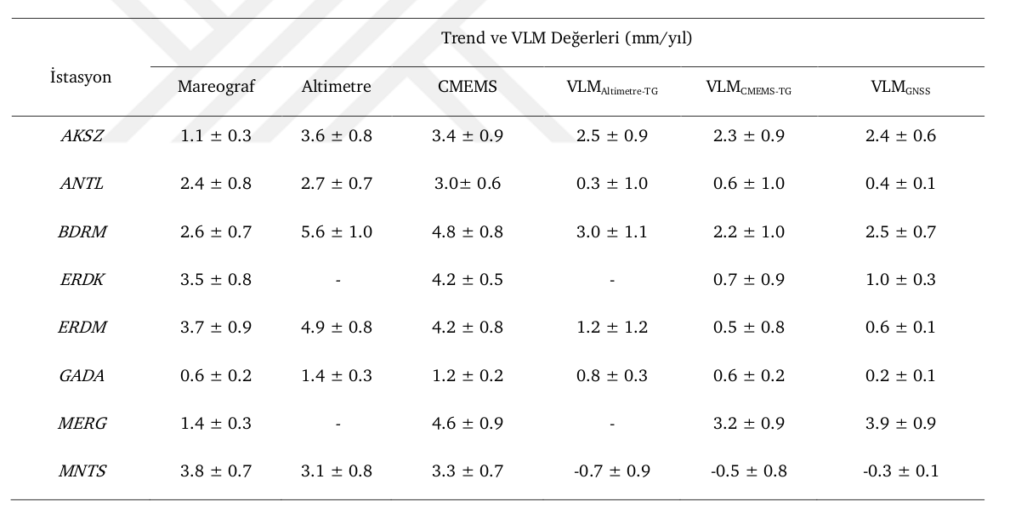
TUDES MAREOGRAF İSTASYONU VERİLERİ

İstasyon İsmi | TUDES İstasyonlarına Ait Veriler
 | Konum |  | MSL | Trend (mm/yıl) | Zaman Aralığı
 | Enlem | Boylam
AKSA | 36.83811 | 28.38501 | 0.155 m ± 0.9 | -1.0 ± 1.5 | 2009-06 / 2019-11
AMSR | ------------------------------------------------------------------------------------------
ANTL | 36.83042 | 30.60868 | 0.000 m ± 0.8 cm | 2.4 ± 0.7 | 1998-12 / 2018-01
ARSZ | ------------------------------------------------------------------------------------------
BDRM | ------------------------------------------------------------------------------------------
BZYZ | 36.09620 | 32.94012 | 0.191 m ± 1.0 | -10.7 ± 1.6 | 2009-01 / 2019-11
ERDK | 40.38988 | 27.84518 | 0.319 m ± 0.9 cm | 3.2 ± 0.7 | 1999-04 / 2019-11
ERDM | 36.56373 | 34.25539 | 0.189 m ± 0.8 cm | 3.7 ± 0.8 | 2003-05 / 2019-11
GADA | 40.23171 | 25.89349 | 0.016 m ± 1.0 cm | 0.8 ± 1.9 | 2009-09 / 2018-12
GRNE | ------------------------------------------------------------------------------------------
IADA | 41.88890 | 28.02352 | 0.689 m ± 1.1 cm | -0.9 ± 1.1 | 2002-06 / 2019-11
ISTN | ------------------------------------------------------------------------------------------
MAGU | ------------------------------------------------------------------------------------------
MERG | 40.96897 | 27.96215 | 0.361 m ± 1.0 cm | -1.4 ± 1.1 | 2004-07 / 2019-07
MNTS | 38.42960 | 26.72215 | 0.078 m ± 0.7 cm | 3.7 ± 0.6 | 1999-04 / 2019-11
SILE | ------------------------------------------------------------------------------------------
SNOP | 42.02307 | 35.14946 | 0.474 m ± 1.2 cm | 0.8 ± 1.9 | 2005-06 / 2016-10
TRBZ | 41.00198 | 39.74455 | 0.397 m ± 1.0 cm | 0.5 ± 1.0 | 2002-07 / 2019-11
TSCU | ------------------------------------------------------------------------------------------
YLVA | ------------------------------------------------------------------------------------------

