TUDES
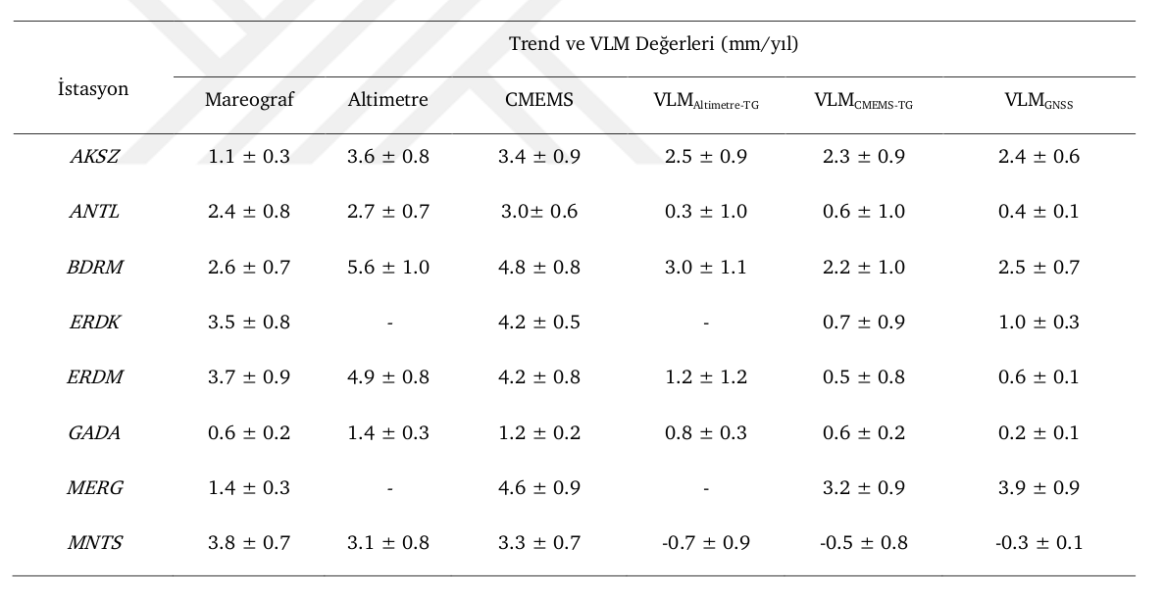
TUDES MAREOGRAF İSTASYONU VERİLERİ

İstasyon İsmi | TUDES İstasyonlarına Ait Veriler
 | Konum |  | MSL | Trend (mm/yıl) | Zaman Aralığı
 | Enlem | Boylam
AKSA | 36.83811 | 28.38501 | 0.155 m ± 0.9 | -1.0 ± 1.5 | 2009-06 / 2019-11
AMSR | ------------------------------------------------------------------------------------------
ANTL | 36.83042 | 30.60868 | 0.000 m ± 0.8 cm | 2.4 ± 0.7 | 1998-12 / 2018-01
ARSZ | ------------------------------------------------------------------------------------------
BDRM | ------------------------------------------------------------------------------------------
BZYZ | 36.09620 | 32.94012 | 0.191 m ± 1.0 | -10.7 ± 1.6 | 2009-01 / 2019-11
ERDK | 40.38988 | 27.84518 | 0.319 m ± 0.9 cm | 3.2 ± 0.7 | 1999-04 / 2019-11
ERDM | 36.56373 | 34.25539 | 0.189 m ± 0.8 cm | 3.7 ± 0.8 | 2003-05 / 2019-11
GADA | 40.23171 | 25.89349 | 0.016 m ± 1.0 cm | 0.8 ± 1.9 | 2009-09 / 2018-12
GRNE | ------------------------------------------------------------------------------------------
IADA | 41.88890 | 28.02352 | 0.689 m ± 1.1 cm | -0.9 ± 1.1 | 2002-06 / 2019-11
ISTN | ------------------------------------------------------------------------------------------
MAGU | ------------------------------------------------------------------------------------------
MERG | 40.96897 | 27.96215 | 0.361 m ± 1.0 cm | -1.4 ± 1.1 | 2004-07 / 2019-07
MNTS | 38.42960 | 26.72215 | 0.078 m ± 0.7 cm | 3.7 ± 0.6 | 1999-04 / 2019-11
SILE | ------------------------------------------------------------------------------------------
SNOP | 42.02307 | 35.14946 | 0.474 m ± 1.2 cm | 0.8 ± 1.9 | 2005-06 / 2016-10
TRBZ | 41.00198 | 39.74455 | 0.397 m ± 1.0 cm | 0.5 ± 1.0 | 2002-07 / 2019-11
TSCU | ------------------------------------------------------------------------------------------
YLVA | ------------------------------------------------------------------------------------------

CMEMS
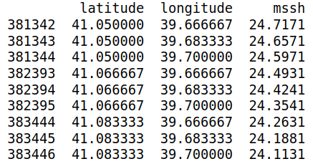
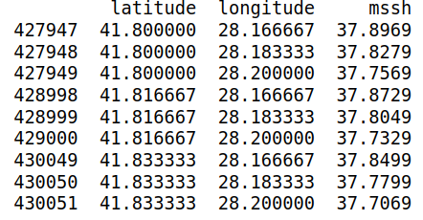
 | CMEMS DEĞERLER (WGS84 DATUMUNDA)

İstasyon İsmi | TUDES |  | CMEMS |  | İstasyona Mesafe (km) | MSS (m) | Trend (mm/yıl) | Zaman Aralığı
 | Konum |  | Konum
 | Enlem | Boylam | Enlem | Boylam
AKSA | 36.83811 | 28.38501 | 36.68750 | 28.56250 | 23.032 | 22.849 m ± 0.5 cm | 3.5 ± 0.4 | 1998-12 / 2019-12
AMSR
ANTL | 36.83042 | 30.60868 | 36.81250 | 30.93750 | 29.404 | 25.693 m ± 0.5 cm | 3.7 ± 0.4 | 1998-12 / 2019-12
ARSZ
BDRM
BZYZ | 36.09620 | 32.94012 | 36.06250 | 33.31250 | 33.749 | 26.705 m ± 0.5 cm | 3.9 ± 0.4 | 1998-12 / 2019-12
ERDK | 40.38988 | 27.84518 | 40.56250 | 27.93750 | 20.705 | 37.891 m ± 0.5 cm | 2.9 ± 0.4 | 1998-12 / 2019-12
ERDM | 36.56373 | 34.25539 | 36.43750 | 34.43750 | 21.504 | 24.544 m ± 0.5 cm | 3.4 ± 0.4 | 1998-12 / 2019-12
GADA | 40.23171 | 25.89349 | 40.31250 | 26.18750 | 26.567 | 39.540 m ± 0.5 cm | 3.0 ± 0.4 | 1998-12 / 2019-12
GRNE
IADA | 41.88890 | 28.02352 | 41.81250 | 28.18750 | 16.046 | 37.844 m ± 0.7 cm | 0.8 ± 0.6 | 1998-12 / 2019-12
ISTN
MAGU
MERG | 40.96897 | 27.96215 | 40.93750 | 28.18750 | 19.292 | 36.879 m ± 0.5 cm | 2.4 ± 0.4 | 1998-12 / 2019-12
MNTS | 38.42960 | 26.72215 | 38.68750 | 26.56250 | 31.831 | 38.673 m ± 0.5 cm | 3.3 ± 0.4 | 1998-12 / 2019-12
SILE
SNOP | 42.02307 | 35.14946 | 42.06250 | 34.68750 | 38.498 | 28.614 m ± 0.8 cm | 0.1 ± 0.6 | 1998-12 / 2019-12
TRBZ | 41.00198 | 39.74455 | 41.06250 | 39.68750 | 8.258 | 24.466 m ± 0.8 cm | 0.2 ± 0.6 | 1998-12 / 2019-12
TSCU
YLVA

ANTL |  |  |  | AKSA |  |  |  | ERDK
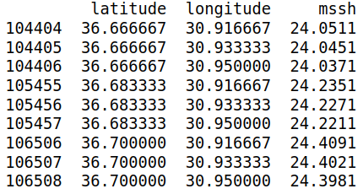
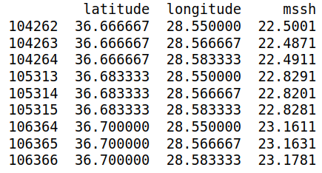
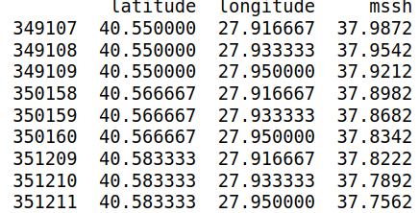

GADA |  |  |  | MNTS |  |  |  | ERDM
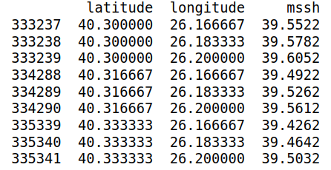
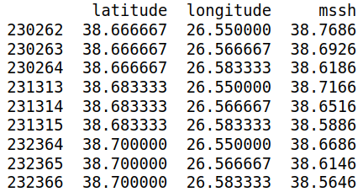
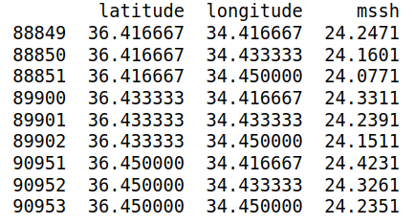

MERG |  |  |  | BZYZ |  |  |  | SNOP
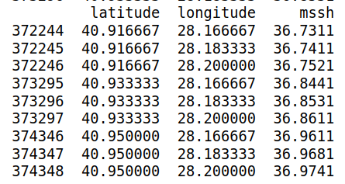
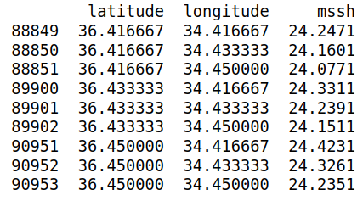
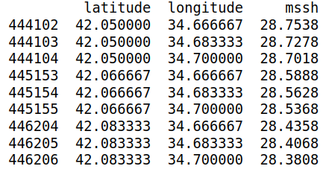

TRBZ |  |  |  | IADA

DTU
 |  | DTU MSS DEĞERLERİ (WGS84 DATUMUNDA)

 | İstasyon İsmi | Konum |  | DTU MSS DEĞERLERİ (m)
 |  |  |  | DTU10 | DTU13 | DTU15 | DTU18 | DTU21
 |  | Enlem | Boylam
 | AKSA | 36.75833 | 28.57500 | 25.054 | 25.059 | 25.019 | 25.015 | 25.014
 | ANTL | 36.75833 | 30.95833 | 25.755 | 25.760 | 25.721 | 25.718 | 25.779
 | BZYZ | 36.00833 | 33.32500 | 26.859 | 26.864 | 26.839 | 26.857 | 26.867
 | ERDK | 40.60833 | 27.92500 | 38.483 | 38.488 | 38.382 | 38.374 | 38.440
 | ERDM | 36.47500 | 34.42500 | 25.269 | 25.274 | 25.238 | 25.229 | 25.237
 | GADA | 40.29167 | 26.15833 | 40.346 | 40.351 | 40.265 | 40.256 | 40.303
 | MERG | 40.97500 | 28.20833 | 37.879 | 37.884 | 37.789 | 37.796 | 37.868
 | MNTS | 38.72500 | 26.59167 | 39.385 | 39.390 | 39.226 | 39.238 | 39.287
 | SNOP | 42.10833 | 34.74167 | 28.834 | 28.839 | 28.815 | 28.817 | 28.864
 | TRBZ | 41.10833 | 39.72500 | 24.113 | 24.118 | 24.284 | 24.352 | 24.371

AKSA | 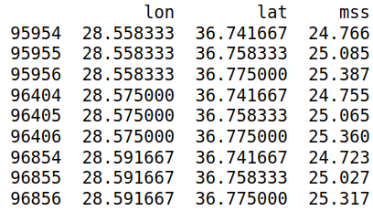 |  |  | 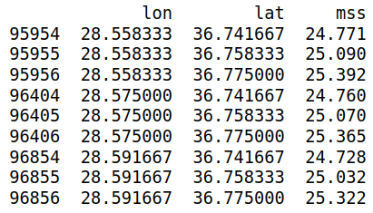 |  |  | 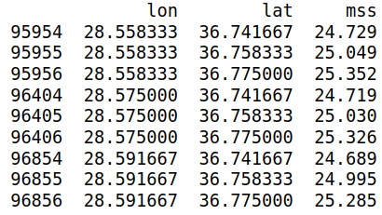 |  | 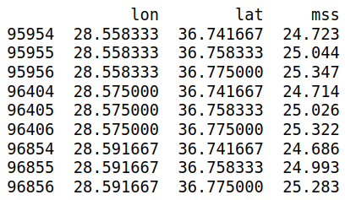 | 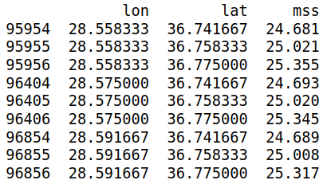

ANTL | 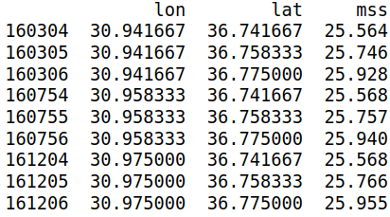 |  |  | 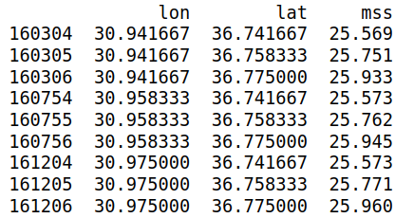 |  |  | 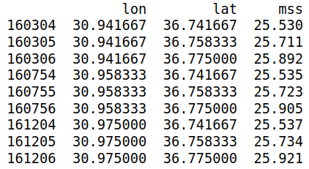 |  | 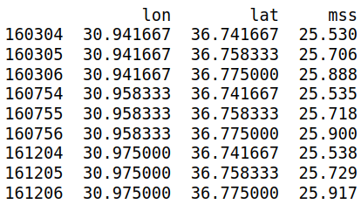 | 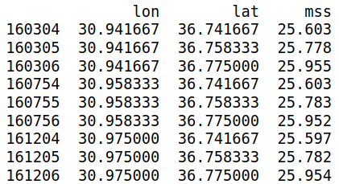

BZYZ | 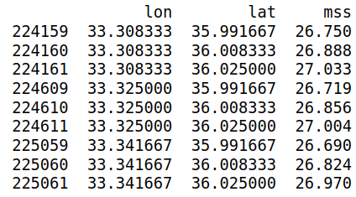 |  |  | 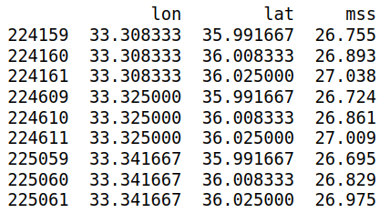 |  |  | 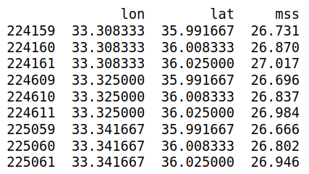 |  | 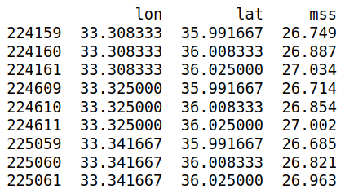 | 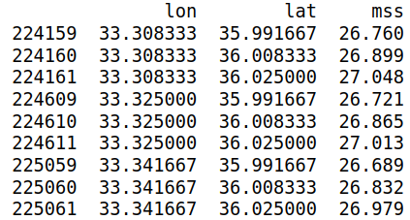

ERDK | 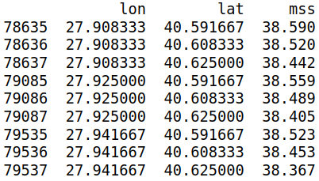 |  |  | 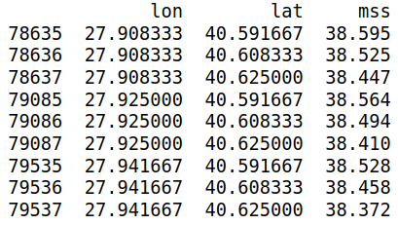 |  |  | 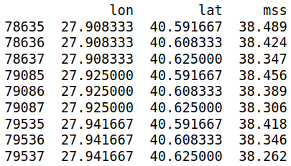 |  | 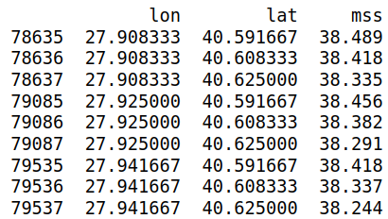 | 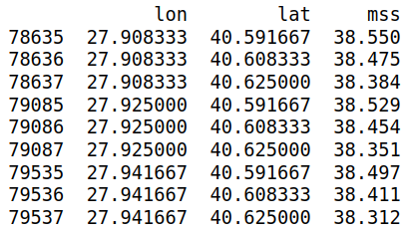

ERDM | 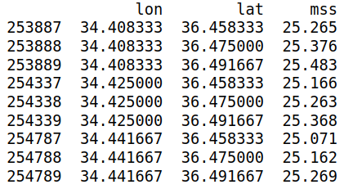 |  |  | 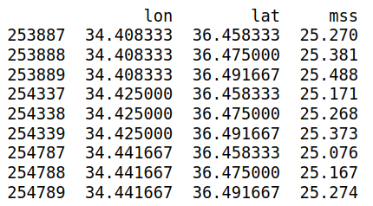 |  |  | 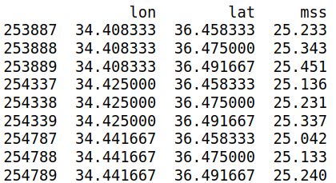 |  | 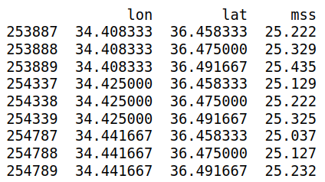 | 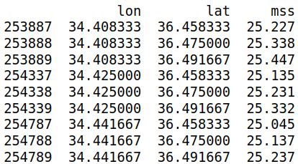

GADA | 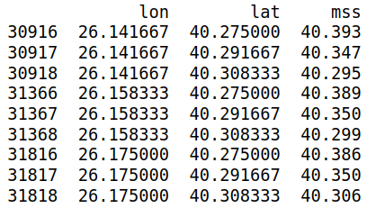 |  |  | 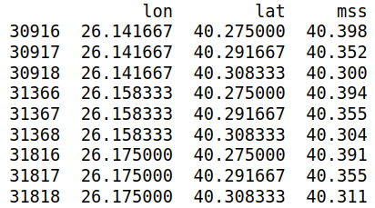 |  |  | 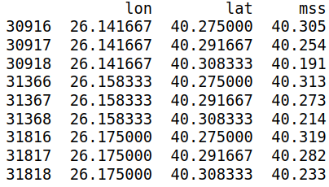 |  | 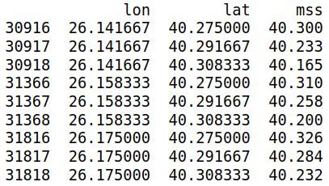 | 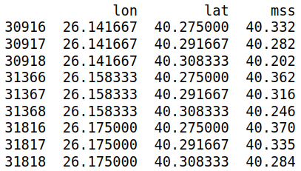

MERG | 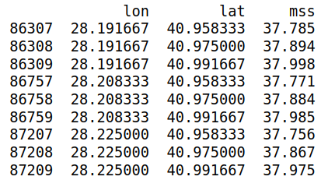 |  |  | 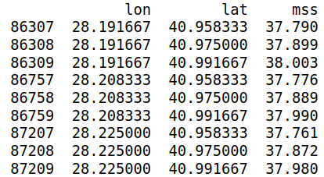 |  |  | 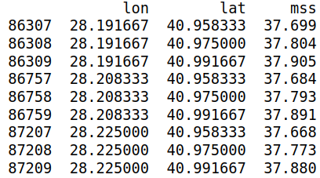 |  | 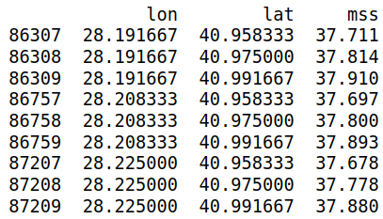 | 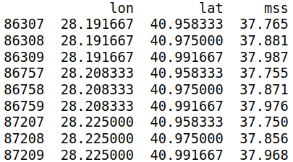

MNTS | 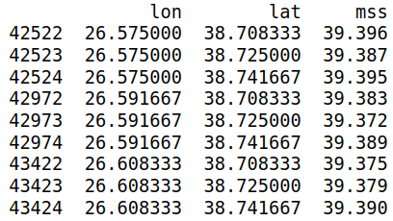 |  |  | 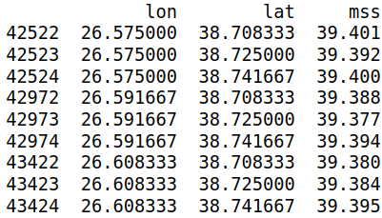 |  |  | 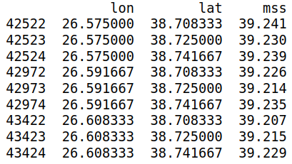 |  |  | 

SNOP |  |  |  |  |  |  |  |  |  | 

TRBZ |  |  |  |  |  |  |  |  |  | 

