Car Data
id | owner | email | gender | make | model | year | image
1 | Clementia | ceastam0@amazon.co.jp | Female | Pontiac | Daewoo Kalos | 2005 | 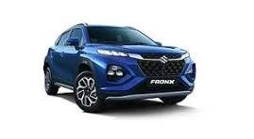
2 | Muffin | mcolquyte1@epa.gov | Male | Volkswagen | Scirocco | 1988 | 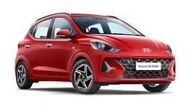
3 | Angelle | aabramamovh2@ft.com | Female | Chevrolet | Suburban 2500 | 2004 | 
4 | Yuri | ydrowsfield3@goodreads.com | Male | Toyota | T100 Xtra | 1995 | 
5 | Bobinette | bgotling4@rambler.ru | Female | Infiniti | JX | 2013 | 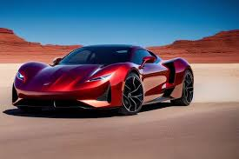
6 | Monty | mhuddleston5@mashable.com | Male | Nissan | Xterra | 2009 | 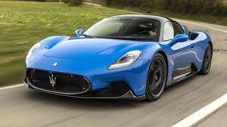
7 | Mallissa | mdowthwaite6@cyberchimps.com | Female | Chevrolet | Avalanche 1500 | 2006 | 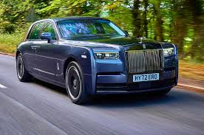
8 | Roarke | rdwelley7@apple.com | Male | Mercedes-Benz | 300SD | 1993 | 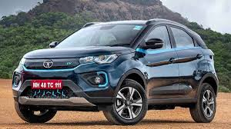
9 | Rabi | rbowcock8@devhub.com | Male | Jaguar | XK Series | 1998 | 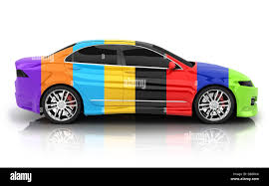
10 | Orly | ohorrell9@google.cn | Female | Mazda | Mazdaspeed 3 | 2010 | 

