Sheet1
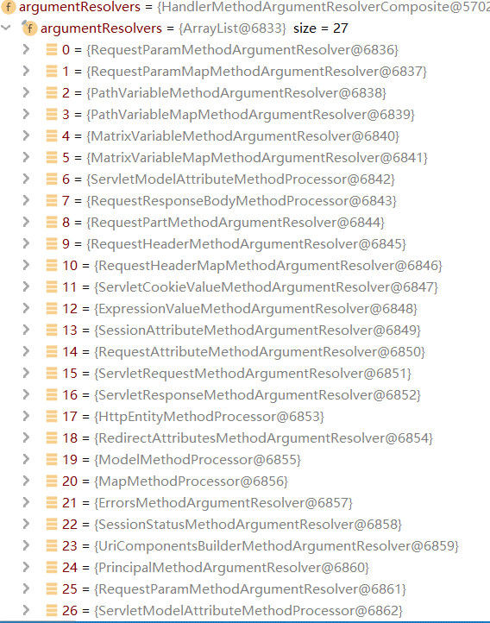

HandlerAdapter ha = this.getHandlerAdapter(mappedHandler.getHandler());

mv = ha.handle(processedRequest, response, mappedHandler.getHandler());

mav = this.invokeHandlerMethod(request, response, handlerMethod);

invocableMethod.invokeAndHandle(webRequest, mavContainer, new Object[0]);

Object returnValue = this.invokeForRequest(webRequest, mavContainer, providedArgs); |  |  | 参数和值已经绑定

 | Object[] args = this.getMethodArgumentValues(request, mavContainer, providedArgs); |  |  |  |  |  |  | argumentResolvers

 | args[i] = this.resolvers.resolveArgument(parameter, mavContainer, request, this.dataBinderFactory);

 | HandlerMethodArgumentResolver resolver = this.getArgumentResolver(parameter); |  | 找到适合的resolver
 | resolver.resolveArgument(parameter, mavContainer, webRequest, binderFactory); |  | 解析参数

 | AbstractNamedValueMethodArgumentResolver.NamedValueInfo namedValueInfo = this.getNamedValueInfo(parameter); |  |  | 获取到参数
 | Object resolvedName = this.resolveEmbeddedValuesAndExpressions(namedValueInfo.name); |  |  | 获取参数的值
 | Object arg = this.resolveName(resolvedName.toString(), nestedParameter, webRequest);
 | arg = binder.convertIfNecessary(arg, parameter.getParameterType(), parameter); |  |  | 将数据改成定义的形式String-->Interge |  | Handler 程序处理 4个
 | this.handleResolvedValue(arg, namedValueInfo.name, parameter, mavContainer, webRequest); |  |  | 将参数以key，value形式放入request域中 |  | 1. RequestMappingHandlerAdapter
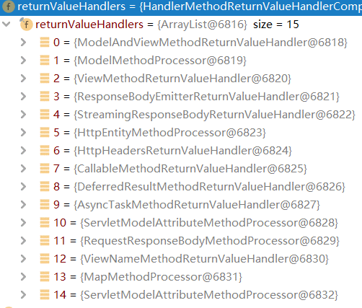
 |  | Map<String, Object> pathVars = (Map)request.getAttribute(key, scope); |  |  |  | 2. HandlerFunctionAdapter
 |  |  |  |  |  | 3. HttpRequestHandlerAdapter
 | this.doInvoke(args); |  |  |  |  | 4. SimpleControllerHandlerAdapter

this.returnValueHandlers.handleReturnValue(returnValue, this.getReturnValueType(returnValue), mavContainer, webRequest);
 |  |  |  |  |  |  |  | returnValueHandlers
 | HandlerMethodReturnValueHandler handler = this.selectHandler(returnValue, returnType); |  |  | 找合适的ReturnValueHandler
 | handler.handleReturnValue(returnValue, returnType, mavContainer, webRequest);

 | this.writeWithMessageConverters(returnValue, returnType, inputMessage, outputMessage);

 | List<MediaType> acceptableTypes = this.getAcceptableMediaTypes(request); |  |  |  | 浏览器可以接受的媒体类型
 |  | this.contentNegotiationManager.resolveMediaTypes(new ServletWebRequest(request)); |  |  | 从哪获取返回类型
 | List<MediaType> producibleTypes = this.getProducibleMediaTypes(request, valueType, (Type)targetType); |  |  |  | 服务器可以生产的媒体类型
 | converter.canWrite(valueType, selectedMediaType) |  |  |  | 寻找出来的MediaType和converter匹配

浏览器接受类型
服务器产生类型

mediaTypesToUse --> selectedMediaType
messageConverters
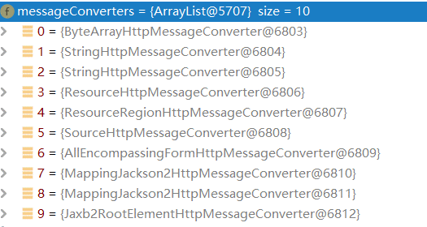

true

 | converter.write(body, selectedMediaType, outputMessage);
 |  |  |  |  |  |  |  | messageConverters

 |  |  |  |  |  |  |  | allowHeader | GET,HEAD,POST,PUT,PATCH,DELETE,OPTIONS

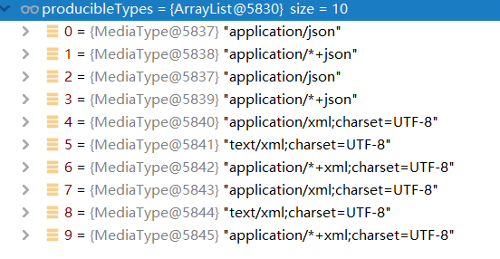

 |  |  |  |  |  | producibleTypes | 服务器可以产生的类型

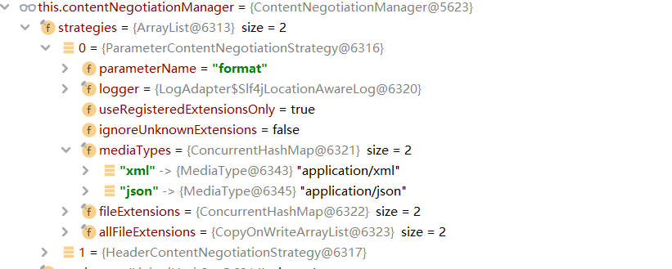

 |  |  |  |  |  | contentNegotiationManager
 |  |  |  |  |  | 开启浏览器参数方式内容协商功能

