Summary
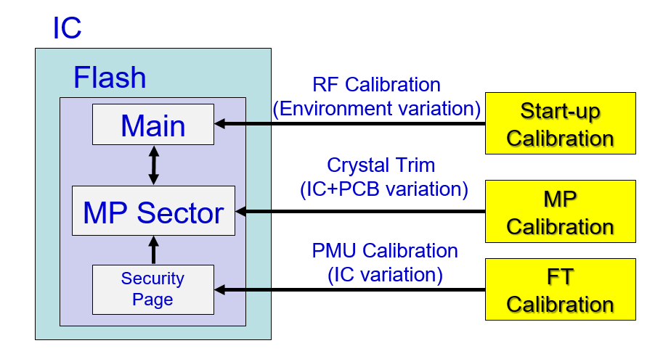
RT584z Calibration Flow

RT584_Flash_Layout
RT584z programe flash layout (secure mode)
RT584z security page flash layout

Bootloader (32K)
Application (988K)
0x10000000
0x10008000
0x100FFFFF
0x100FF000
Calibration data(4K)
FT calibration data
System reserved
User defined
0x00000000
0x000003FF
0x00001000
0x000000FF
0x00001100
0x000013FF
size : 1k bytes
size : 256 bytes
size : 767 bytes

RT58x_Flash_Layout
RT581 programe flash layout
RT581 security page flash layout

0x00000000
Bootloader (32K)
Security key
MAC Id
FT calibration data
0x00001000
0x000000FF
0x00001100
0x000013FF
0x00002000
0x000023FF
size : 1k bytes
size : 256 bytes
size : 767 bytes
0x00008000
Application (492K)

0x000FE000
Calibration Data(4K)

0x000FF000
Mp sector Info(4k)

0x000FFFFF

RT582 programe flash layout
RT582 security page flash layout

0x00000000
Bootloader (32K)
FT calibration data
Security key
MAC Id
0x00000000
0x000003FF
0x00001000
0x000000FF
0x00001100
0x000013FF
size : 1k bytes
size : 256 bytes
size : 767 bytes
0x00008000
Application (492K)

0x000FE000
Calibration Data(4K)

0x000FF000
Mp sector Info(4k)
0x000FFFFF

RT583 programe flash layout
RT583 security page flash layout

0x00000000
Bootloader (32K)
FT calibration data
Security key
MAC Id
0x00000000
0x000003FF
0x00001000
0x000000FF
0x00001100
0x000013FF
size : 1k bytes
size : 256 bytes
size : 767 bytes
0x00008000
Application (2008K)

0x001FE000
Calibration Data(4K)

0x001FF000
Mp sector Info(4k)

0x001FFFFF

RT584_PMU_Default_Setting
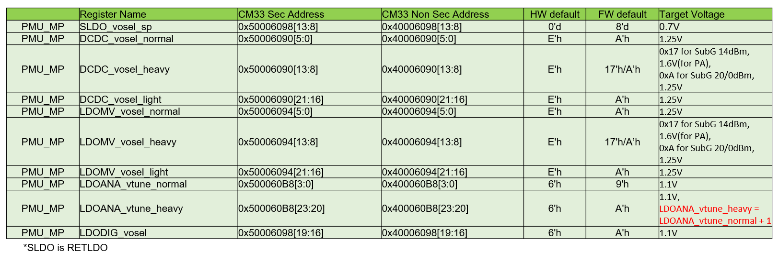
PMU Register default setting without calibration data

RT58x_Mpsector_Info
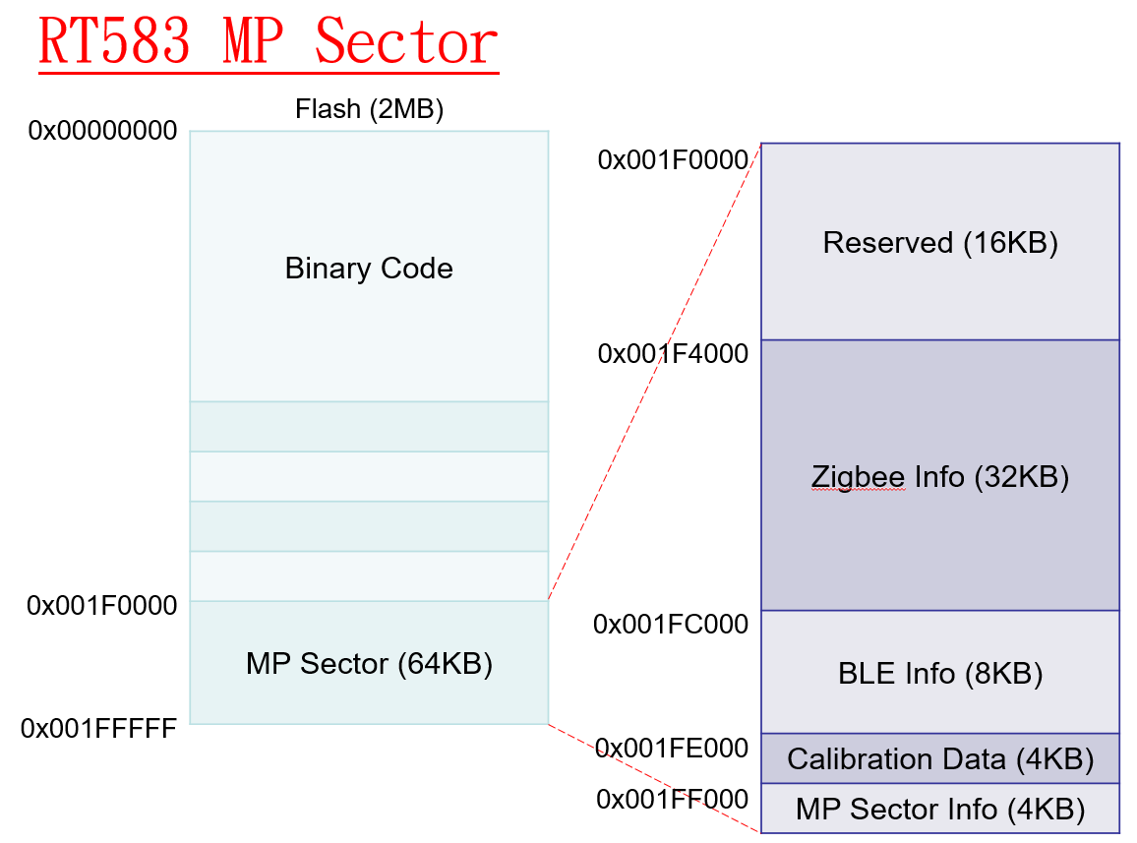
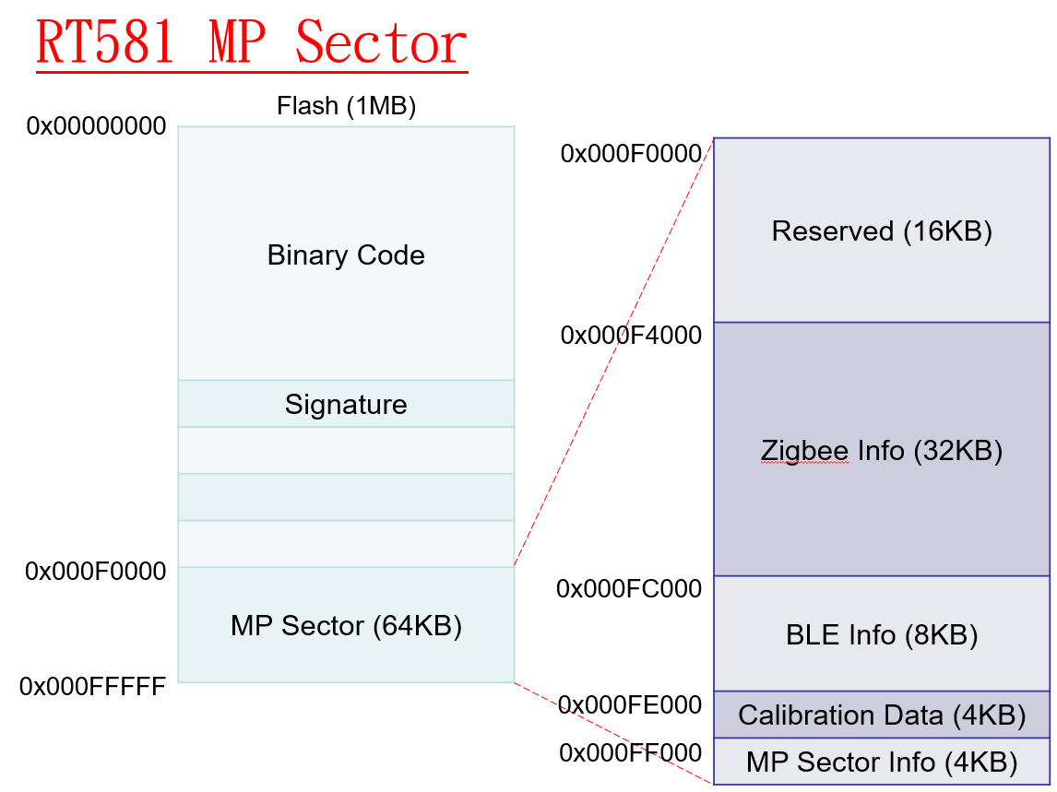
RT581/2
MP Sector Information | Calibration Data Sector Address | Calibration Data Sector Size | BLE Info Sector Address | BLE Info Sector Size | Zigbee Info Sector Address | Zigbee Info Sector Size | Reserved | MP Sector Calibration | MP Sector Version | MP Sector Size
Offset | 0x000 | 0x004 | 0x008 | 0x00C | 0x010 | 0x014 | 0x018~0xFF3 | 0xFF4 | 0xFF8 | 0xFFC
Byte Cnt | 4 | 4 | 4 | 4 | 4 | 4 | 4060 | 4 | 4 | 4
Value | 0x0FE000 | 0x1000 | 0x0FC000 | 0x2000 | 0x0F4000 | 0x8000 | All '1' | 0x5A3C0001 | 0x58570002 | 0x10000
Note | Please refer to MP_Sector_Calibration sheet for details |  |  |  |  |  |  | 0x5A3C0001: Tool K 0x5A3C0002: SW K | 0x58570002: valid MP Sector
RT583
MP Sector Information | Calibration Data Sector Address | Calibration Data Sector Size | BLE Info Sector Address | BLE Info Sector Size | Zigbee Info Sector Address | Zigbee Info Sector Size | Reserved | MP Sector Calibration | MP Sector Version | MP Sector Size
Offset | 0x000 | 0x004 | 0x008 | 0x00C | 0x010 | 0x014 | 0x018~0xFF3 | 0xFF4 | 0xFF8 | 0xFFC
Byte Cnt | 4 | 4 | 4 | 4 | 4 | 4 | 4060 | 4 | 4 | 4
Value | 0x1FE000 | 0x1000 | 0x1FC000 | 0x2000 | 0x1F4000 | 0x8000 | All '1' | 0x5A3C0001 | 0x58570002 | 0x10000
Note | Please refer to MP_Sector_Calibration sheet for details |  |  |  |  |  |  | 0x5A3C0001: Tool K 0x5A3C0002: SW K | 0x58570002: valid MP Sector

