Sheet1
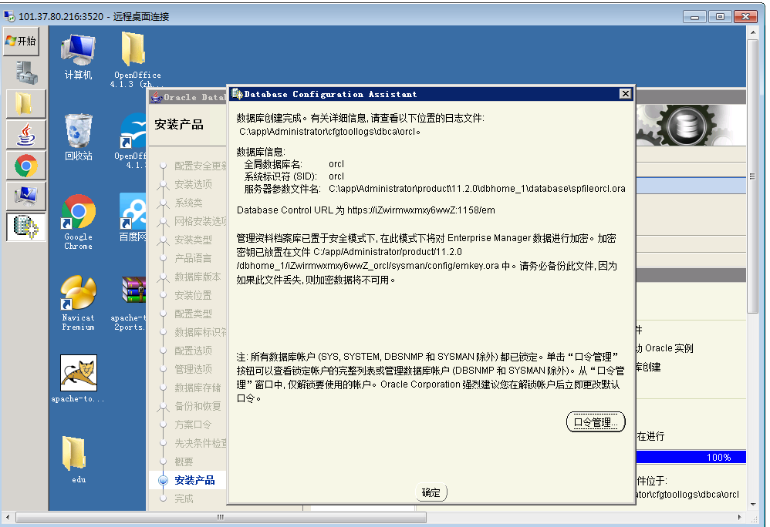



Copy ©

Copyright © 2017 zhjxa.com

