Newsletter
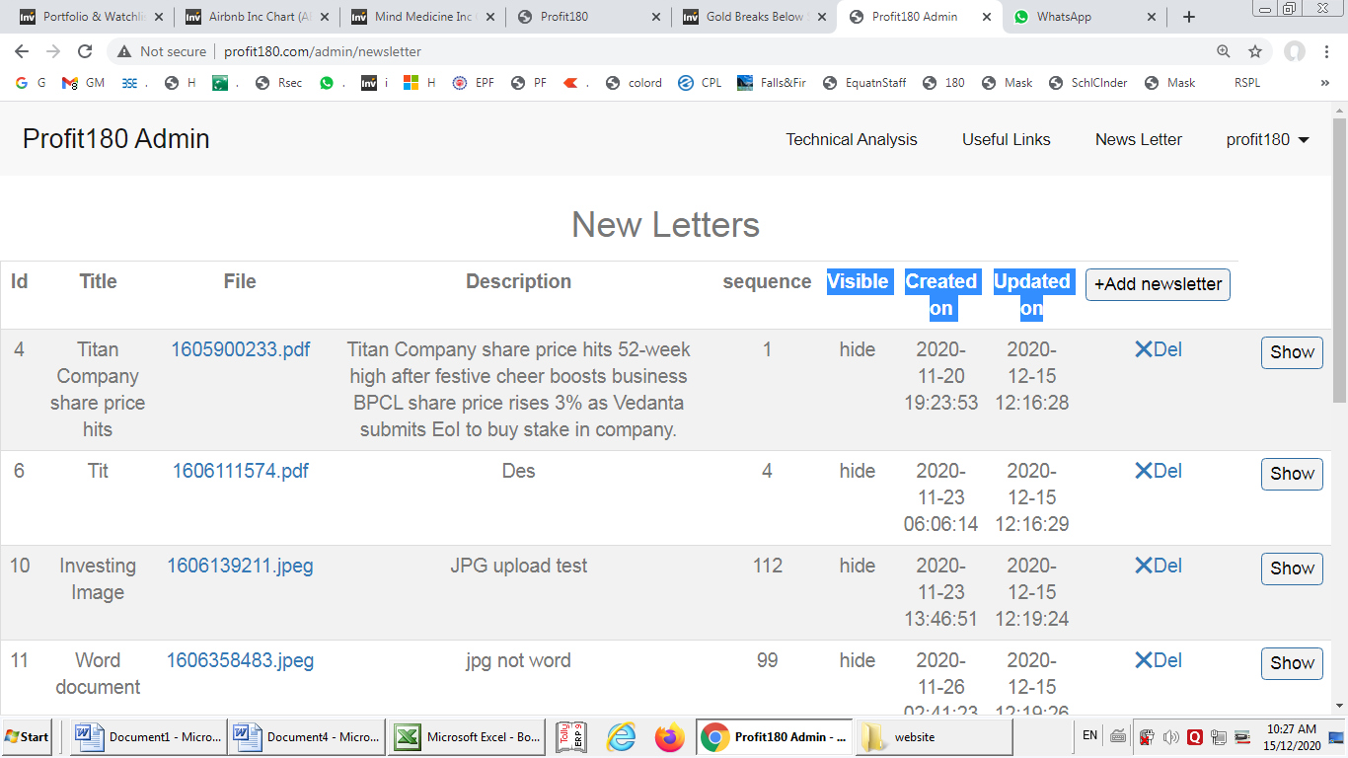
No need for two date Columns. Only One date is ok. "Last Saved On" should be title
Date should be YYYY-MM-DD only instead of current time inclusive option
"Visible" column is not required as there is Hide Vs Show Column
If possible, Edit Function be added here
Grey Font be replaced by Black Font. Size and Type of font needs no change
Max possible Line Items are presently 10 per page and thereafter a new page is created to fit additional item. Please increase the line items to 20.per page. The user will scrol it.
Edit is not possible once the item is created. If possible to permit edit for each line item (just like given in Tech Analysis)
News Letter ---> Title Field --> Does not support of the Special Char or Numbers
"Hide & Show" & "Del" Column position should be interchanged, better would be to display Hide / Show at the beginning so no need to scroll. Delete and Edit can be at the end.

Technical Analysis
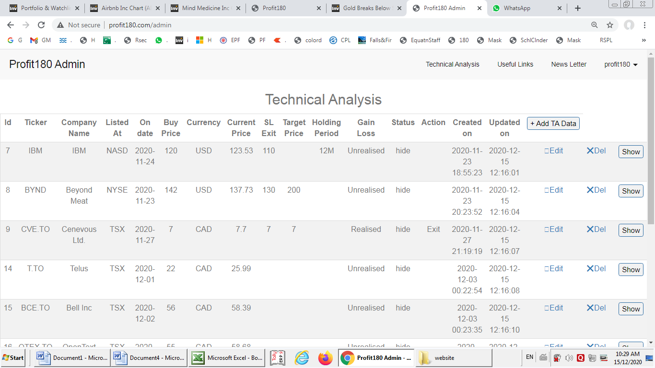
No need for two date Columns. Only One date is ok. "Last Saved On" should be title
Date should be YYYY-MM-DD only instead of current time inclusive option
"Status" column is not required as there is Hide Vs Show Column
Grey Color shade between two line items to be darker
Grey Font be replaced by Black Font. Size and Type of font needs no change
If possible, please provide a function "Sort by Company Name" so that when there are many companies in the list, user can sort to find a particular company easily
If possible, please provide "Sort by Listed At" so that those users who trade only on one stock exchange has ease to filter out.
"Hide & Show" & "Del" Column position should be interchanged, better would be to display Hide / Show at the beginning so no need to scroll. Delete and Edit can be at the end.

Font Color
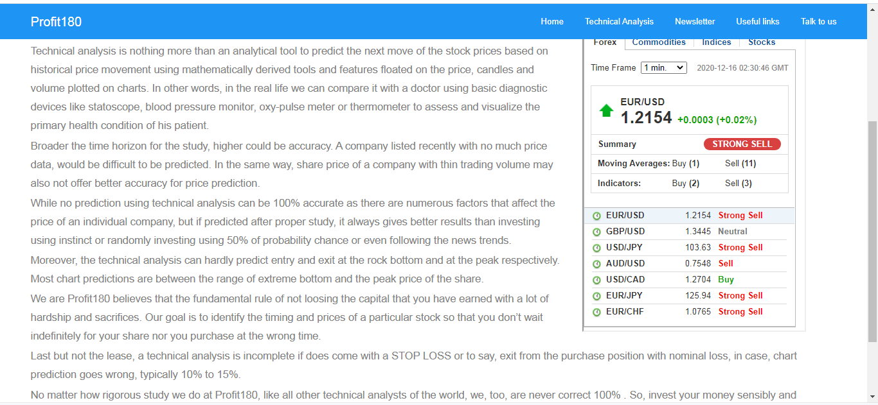
Grey Font be replaced by Black Font. Size and Type of font needs no change

