Problem 2-A Orjinal
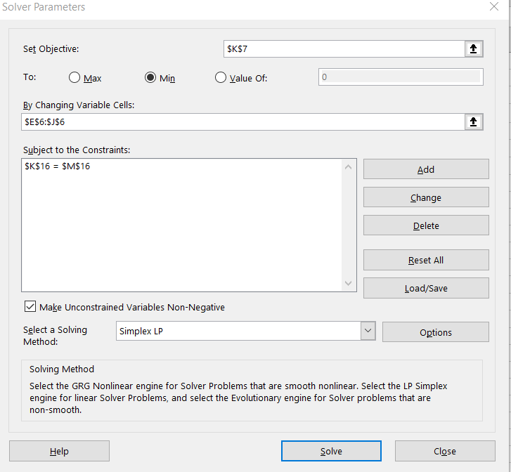
 | Decision Variables | 1 | 2 | 3 | 4 | 5 | 6
 | Objective Function Coefficients | 21 | 23 | 27 | 24 | 19 | 28
 | Values | 0 | 0 | 0 | 0 | 1800 | 0 | Total Cost
 |  |  |  |  |  |  |  | 34200

 | Constraints | Coefficients |  |  |  |  |  | LHS |  | RHS
 | Max Prod | 500 | 600 | 850 | 400 | 600 | 900 | 1800 | = | 1800

In any case if solver does not work on your computer:

Problem 2-A Solver Solution
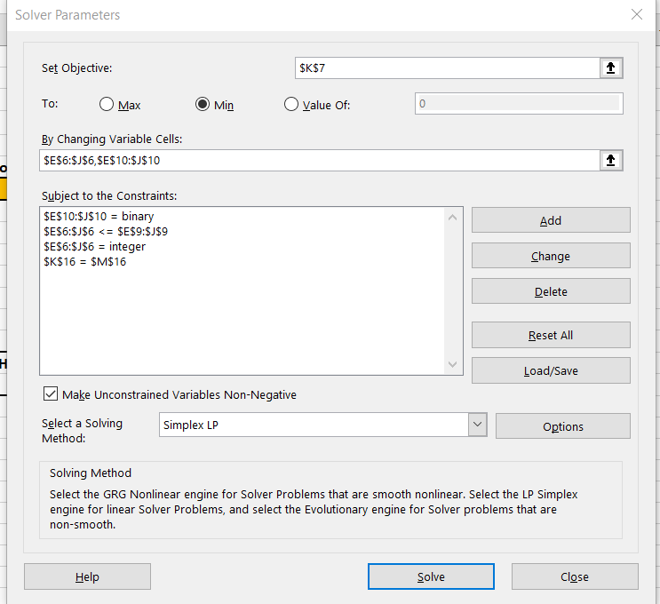
 |  |  |  |  |  |  |  |  |  |  | Problem 3-A Gsheet Link:
 |  |  |  |  |  |  |  |  |  |  | https://docs.google.com/spreadsheets/d/1LaAc8aAK0Tokm1X_vQOjCL_KPJEte2lJkpmMwi93A4c/edit?usp=sharing

 | Decision Variables | 1 | 2 | 3 | 4 | 5 | 6
 | Objective Function Coefficients | 21 | 23 | 27 | 24 | 19 | 28
 | Values | 500 | 600 | 0 | 100 | 600 | 0 | Total Cost
 |  |  |  |  |  |  |  | 41700

 |  | 500 | 600 | 0 | 400 | 600 | 0
 | Produce Or Not | 1 | 1 | 0 | 1 | 1 | 0
 | Fixed Cost | 1000 | 950 | 875 | 850 | 800 | 700

 | Constraints | Coefficients |  |  |  |  |  | LHS |  | RHS
 | Max Prod | 500 | 600 | 850 | 400 | 600 | 900 | 1800 | = | 1800

In any case if solver does not work on your computer:

