F103RBT6
Label | STM32 No | Remarks | 5 V? | ADC | TIMER | UART | SPI | JTAG | I2C | Core HW | Eink desp | Eink No
BOOT0 | 60 | BOOT0 |  |  |  |  |  |  |  |  | VNEG -15v | 1 | DIRECT
NRST | 7 |  |  |  |  |  |  |  |  |  | VPOS +15V | 2 | DIRECT
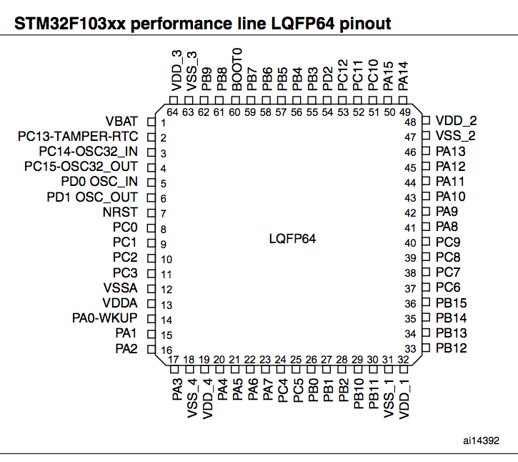
PA00 | 14 | WKUP |  | ADC12_IN0 | TIM2_CH1_ETR | USART2_CTS |  |  |  | A0 | VSS | 3 | DIRECT
PA01 | 15 |  |  | ADC12_IN1 | TIM2_CH2 | USART2_RTS |  |  |  | A1 | VDD | 4 | DIRECT
PA02 | 16 |  |  | ADC12_IN2 | TIM2_CH3 | USART2_TX |  |  |  | TX | CL | 5 | DIRECT
PA03 | 17 |  |  | ADC12_IN3 | TIM2_CH4 | USART2_RX |  |  |  | RX | LE | 6 | DIRECT
PA04 | 20 |  |  | ADC12_IN4 |  | USART2_CK | SPI1_NSS |  |  | A2 | OE | 7 | DIRECT
PA05 | 21 |  |  | ADC12_IN5 |  |  | SPI1_SCK |  |  | A3 | SHR | 8 | NC/DIRECT
PA06 | 22 |  |  | ADC12_IN6 | TIM3_CH1 |  | SPI1_MISO |  |  | A4 | CE1 | 9 | NC/GND
PA07 | 23 |  |  | ADC12_IN7 | TIM3_CH2 |  | SPI1_MOSI |  |  | A5 | CE2 | 10 | NC/3V3
PA08 | 41 | MCO | YES |  | TIM1_CH1 | USART1_CK |  |  |  | LED2 | SPH | 11 | DIRECT
PA09 | 42 |  | YES |  | TIM1_CH2 | USART1_TX |  |  |  | LED3 | D0 | 12 | DIRECT
PA10 | 43 |  | YES |  | TIM1_CH3 | USART1_RX |  |  |  | LED4 | D1 | 13 | DIRECT
PA11 | 44 | CANRX | YES |  | TIM1_CH4 | USART1_CTS |  |  |  | USBDM | D2 | 14 | DIRECT
PA12 | 45 | CANTX | YES |  | TIM1_ETR | USART1_RTS |  |  |  | USBDP | D3 | 15 | DIRECT
PA13 | 46 | JTMS | YES |  |  |  |  |  | D7 |  | D4 | 16 | DIRECT
PA14 | 49 | JTCK | YES |  |  |  |  |  | D6 |  | D5 | 17 | DIRECT
PA15 | 50 | JTDI | YES |  |  |  |  |  | D5 |  | D6 | 18 | DIRECT
PB00 | 26 |  |  | ADC12_IN8 | TIM3_CH3 |  |  |  |  | A6 | D7 | 19 | DIRECT
PB01 | 27 |  |  | ADC12_IN9 | TIM3_CH4 |  |  |  |  | A7 | NC | 20 | NC
PB02 | 28 | BOOT1 | YES |  |  |  |  |  |  | BTN | NC | 21 | NC
PB03 | 55 | JTDO | YES |  |  |  |  |  |  | D4 | VCOM | 22 | DIRECT
PB04 | 56 | JNTRST | YES |  |  |  |  |  |  | D3 | GVDD | 23 | DIRECT
PB05 | 57 |  |  |  |  |  |  |  | I2C1_SMBAl | D2 | GVEE | 24 | DIRECT
PB06 | 58 |  | YES |  | TIM4_CH1 |  |  |  | I2C1_SCL | D1 | NC | 25 | NC
PB07 | 59 |  | YES |  | TIM4_CH2 |  |  |  | I2C1_SDA | D0 | NC | 26 | NC/VEPD_G_-17V
PB10 | 29 |  | YES |  |  | USART3_TX |  |  | I2C2_SCL | USB_DISC | GMODE2 | 27 | DIRECT
PB11 | 30 |  | YES |  |  | USART3_RX |  |  | I2C2_SDA | WIFI_INT | GMODE1 | 28 | GMODE2
PB12 | 33 |  | YES |  | TIM1_BKIN | USART3_CK | SPI2_NSS |  | I2C2_SMBAl | WIFI_CS | RL | 29 | NC/DIRECT
PB13 | 34 |  | YES |  | TIM1_CH1N | USART3_CTS | SPI2_SCK |  |  | SPI_SCK | U1CE2 | 30 | 3V3
PB14 | 35 |  | YES |  | TIM1_CH2N | USART3_RTS | SPI2_MISO |  |  | SPI_MISO | U1CE1 | 31 | GND
PB15 | 36 |  | YES |  | TIM1_CH3N |  | SPI2_MOSI |  |  | SPI_MOSI | U1SPV | 32 | U2SPV
PB08 | 61 |  | YES |  | TIM4_CH3 |  |  |  |  | WIFI_EN | U1CKV | 33 | U2CKV
PB09 | 62 |  | YES |  | TIM4_CH4 |  |  |  |  | MEM_CS | VBORDER | 34 | GND/VOLTAGE
PC00 | 8 |  |  | ADC12_IN10 |  |  |  |  |  |  | U2CE2 | 35 | 3V3
PC01 | 9 |  |  | ADC12_IN11 |  |  |  |  |  |  | U2CE1 | 36 | 3V3
PC02 | 10 |  |  | ADC12_IN12 |  |  |  |  |  |  | U2SPV | 37 | U1SPV
PC03 | 11 |  |  | ADC12_IN13 |  |  |  |  |  |  | U2CKV | 38 | U1CKV
PC04 | 24 |  |  | ADC12_IN14 |  |  |  |  |  |  | NC | 39 | NC
PC05 | 25 |  |  | ADC12_IN15
PC06 | 37 |  | YES
PC07 | 38 |  | YES |  |  |  |  |  |  |  | SMPS_EN |  | Open-drain
PC08 | 39 |  | YES |  |  |  |  |  |  |  | POS_EN |  | Active high
PC09 | 40 |  | YES |  |  |  |  |  |  |  | NEG_EN |  | Active high
PC10 | 51 |  | YES
PC11 | 52 |  | YES
PC12 | 53 |  | YES
PC13 | 2 | Tamper-RTC
PC14 | 3 | OSC32_IN
PC15 | 4 | OSC32_OUT
PD00 | 5 | OSC_IN | YES
PD01 | 6 | OSC_OUT | YES
PD02 | 54 |  | YES |  | TIM3_ETR
VBAT | 1
VDD_1 | 32
VDD_2 | 48
VDD_3 | 64
VDD_4 | 19
VDDA | 13
VSS_1 | 31
VSS_2 | 47
VSS_3 | 63
VSS_4 | 18
VSSA | 12

