3. Redundancies chart
NHS Hospital & Community Health Service (HCHS) monthly workforce statistics - Provisional Statistics: Timeseries of Redundancies - chart

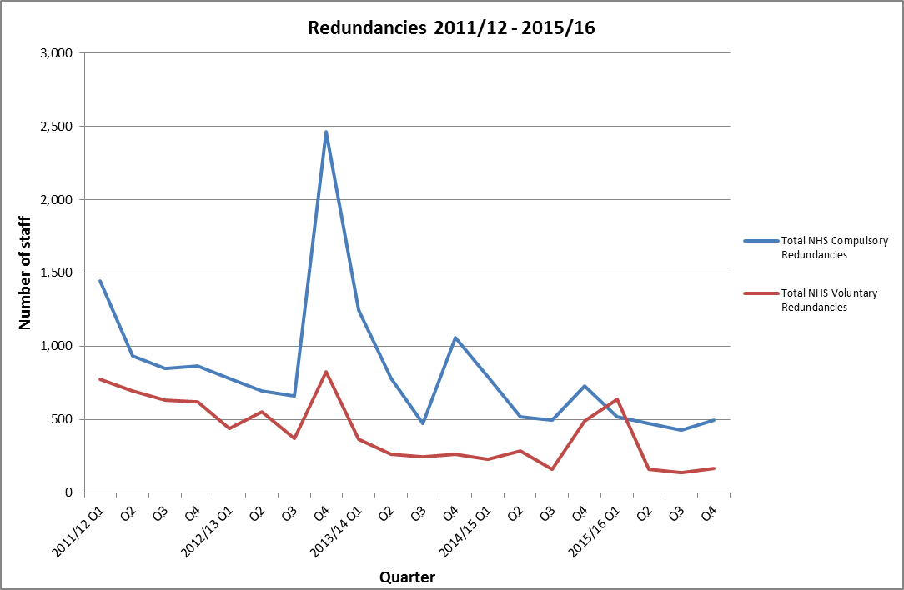

Source: Health and Social Care Information Centre, Provisional NHS Hospital & Community Health Service (HCHS) monthly workforce statistics

Copyright © 2016 Health and Social Care Information Centre. All rights reserved
This work remains the sole and exclusive property of the Health and Social Care Information Centre (HSCIC) and may only be reproduced where there is explicit reference to the ownership of the HSCIC.

