Table 1
Code | ProductImage | Each Color | Color |  | sack Pieces | Qty | Unıt Price | TotalPrice
 |  |  |  |  | 20 | 1440 | 1,60 USD | 2,304.00 USD
800 |  | 720 |  | Black

 |  | 720 | Brown

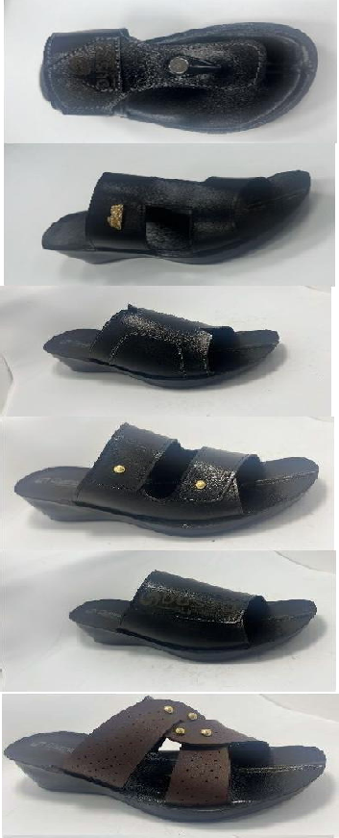
 |  |  |  |  | 25 | 1800 | 1,75 USD | 3,150.00 USD
1200 |  | 720 |  | Black
 |  | 360 | Red
 |  | 720 | Brown

1200 |  |  |  |  | 20 | 1440 | 1,75 USD | 2,520.00 USD
 |  | 720 |  | Black

 |  | 720 | Brown

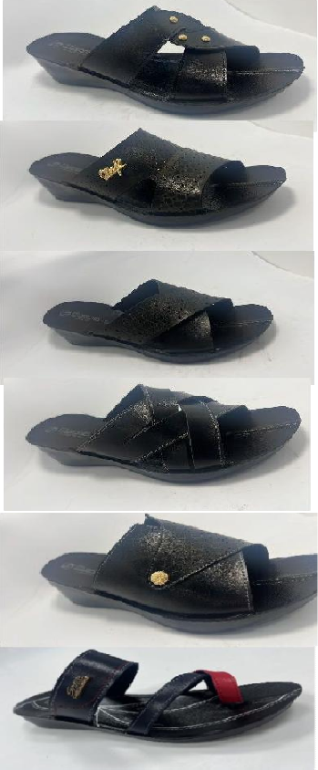
1200 |  |  |  |  | 20 | 1440 | 1,75 USD | 2,520.00 USD
 |  | 720 |  | Black

 |  | 720 | Brown

1200 |  |  |  |  | 25 | 1800 | 1,75 USD | 3,150.00 USD
 |  | 720 |  | Black
 |  | 360 | Red
 |  | 720 | Brown

1200 |  |  |  |  | 25 | 1800 | 1,75 USD | 3,150.00 USD
 |  | 720 |  | Black
 |  | 360 | Red
 |  | 720 | Brown

1200 |  |  |  |  | 20 | 1440 | 1,75 USD | 2,520.00 USD
 |  | 720 |  | Black

 |  | 720 | Brown
1200 |  |  |  |  | 20 | 1440 | 1,75 USD | 2,520.00 USD
 |  | 720 |  | Black

 |  | 720 | Brown

1200 |  |  |  |  | 20 | 1440 | 1,75 USD | 2,520.00 USD
 |  | 720 |  | Black

 |  | 720 | Brown

410 |  | 720 | Colourful |  | 30 | 52.200 | 0,68 USD | 35.496 USD

200 |  | 1440 | Gold |  | 65 | 4680 | 1,85 USD | 8,658.00 USD
 |  | 1080 | Copper
 |  | 720 | Silver
 |  | 360 | Red-Black
 |  | 720 | Gunmetal
 |  | 360 | Black
 | TOTAL PAİR | 70920 |  |  |  | PRICE |  | 68,508.00 USD
1 bag | new design sole
1 bag | medium sole |  | Average Freight Charge |  |  |  |  | 4,000.00 USD
 | size must be 36-37-38-39-40-41 |  | TOTAL |  |  |  |  | 72,508.00 USD
 |  |  | PRODUCİNG COMPANY
 |  |  | DUSTO SLİPPERS ÇAKMAK MAH NİZİP CAD NO 55 SEHİTKAMİL-GAZIANTEP\TURKIYE TAX

