MAIN_Table
Name | Unity | Time | Chemical_Elements | Drive_Train | Battery_Chemistry | Chemistry_Scenarios | Recycling_Process | EV_penetration_scenario | Size | Stock_Scenarios | Reuse_Scenarios | Ownership_Scenarios | Energy_Storage_Scenarios | V2G_Scenarios
Dimension | Unity | Time | Element | Material | Material | Battery chemistry development scenarios | Material | EV_penetration_scenario | Material | Material | Material | Material | Material | Material
Description | Trivial classifiation with only 1 | Time in steps of 1 year | 100 first chemical elements, plus total | List of manufactured and constructed products | List of manufactured and constructed products | Material | Type of recycling process |  | Vehicle size | Scenarios for chemistry development | Scenarios for chemistry development | Scenarios for chemistry development | Scenarios for chemistry development | Scenarios for V2G share in fleet
ID | None | None | None | None | None | Scenarios for chemistry development | None |  | None | None | None | None | None | None
UUID | b414cf15-c6ed-4ff8-b12c-daae0361f070 | 44694a9e-5884-11ea-8e2d-0242ac130003 | 44694814-5884-11ea-8e2d-0242ac130003 | 446950c0-5884-11ea-8e2d-0242ac130003 | 44695fd4-5884-11ea-8e2d-0242ac130003 | None | 44695fd4-5884-11ea-8e2d-0242ac130003 |  | 44694a9e-5884-11ea-8e2d-0242ac130003 | 44694a9e-5884-11ea-8e2d-0242ac130003 | 44694a9e-5884-11ea-8e2d-0242ac130003 | 44694a9e-5884-11ea-8e2d-0242ac130003 | 44694a9e-5884-11ea-8e2d-0242ac130003 | 44694a9e-5884-11ea-8e2d-0242ac130003
Date created | 2017-10-20 | 2017-10-20 | 2017-10-20 | 2017-10-20 | 2017-10-20 | 44694a9e-5884-11ea-8e2d-0242ac130003 | 2017-10-20 | #REF! | 43887 | 43887 | 43887 |  | 43887 | 43887
Last modified | 2017-10-20 | 2017-10-20 | 2017-10-20 | 2020-02-26 | 2020-02-26 | 43887 | 2020-02-26 |  | 43887 | 43887 | 43887 |  | 43887 | 43887
Last modified by |  | Fernando Aguilar Lopez | Fernando Aguilar Lopez | Fernando Aguilar Lopez | Fernando Aguilar Lopez | 43887 | Fernando Aguilar Lopez |  | Fernando Aguilar Lopez | Fernando Aguilar Lopez | Fernando Aguilar Lopez |  | Fernando Aguilar Lopez | Fernando Aguilar Lopez
Reference |  | None | None | 0 | 0 | Fernando Aguilar Lopez | 0 |  | None | None | None |  | None | None
Items |  |  |  |  |  | None | 0 |  | 0 | 0 | 0 | 0 | 0 | 0
0 | 1 | 1700 | All | ICE | LMO/NMC | NCX | Direct | Slow EV | Small | Low | No reuse | Low | Low | No V2G
1 |  | 1701 | H | BEV | NCA | LFP | Hydrometallurgy | Fast EV | Medium | Medium | LFP reused | BAU | High | Low
2 |  | 1702 | He | PHEV | LFP | Next_gen | Pyrometallurgy |  | Large | High | All reused | High | CP4All | Medium
3 |  | 1703 | Li | H | NCM111 | BNEF |  |  |  |  |  |  |  | V2G mandate
4 |  | 1704 | Be |  | NCM217 | All_LFP
5 |  | 1705 | B |  | NCM523 | Next_gen_LFP
6 |  | 1706 | Graphite |  | NCM622
7 |  | 1707 | N |  | NCM622-Graphite (Si)
8 |  | 1708 | O |  | NCM712-Graphite (Si)
9 |  | 1709 | F |  | NCM811-Graphite (Si)
10 |  | 1710 | Ne |  | NCM955-Graphite (Si)
11 |  | 1711 | Na |  | Li-Air
12 |  | 1712 | Mg |  | Li-Sulphur
13 |  | 1713 | Al |  | LNO
14 |  | 1714 | Si |  | NCMA
15 |  | 1715 | P |  | NiMH
16 |  | 1716 | S |  | LTO
17 |  | 1717 | Cl
18 |  | 1718 | Ar
19 |  | 1719 | K
20 |  | 1720 | Ca
21 |  | 1721 | Sc
22 |  | 1722 | Ti
23 |  | 1723 | V
24 |  | 1724 | Cr
25 |  | 1725 | Mn
26 |  | 1726 | Fe
27 |  | 1727 | Co
28 |  | 1728 | Ni
29 |  | 1729 | Cu
30 |  | 1730 | Zn
31 |  | 1731 | Ga
32 |  | 1732 | Ge
33 |  | 1733 | As
34 |  | 1734 | Se
35 |  | 1735 | Br
36 |  | 1736 | Kr
37 |  | 1737 | Rb
38 |  | 1738 | Sr
39 |  | 1739 | Y
40 |  | 1740 | Zr
41 |  | 1741 | Nb
42 |  | 1742 | Mo
43 |  | 1743 | Tc
44 |  | 1744 | Ru
45 |  | 1745 | Rh
46 |  | 1746 | Pd
47 |  | 1747 | Ag
48 |  | 1748 | Cd
49 |  | 1749 | In
50 |  | 1750 | Sn
51 |  | 1751 | Sb
52 |  | 1752 | Te
53 |  | 1753 | I
54 |  | 1754 | Xe
55 |  | 1755 | Cs
56 |  | 1756 | Ba
57 |  | 1757 | La
58 |  | 1758 | Ce
59 |  | 1759 | Pr
60 |  | 1760 | Nd
61 |  | 1761 | Pm
62 |  | 1762 | Sm
63 |  | 1763 | Eu
64 |  | 1764 | Gd
65 |  | 1765 | Tb
66 |  | 1766 | Dy
67 |  | 1767 | Ho
68 |  | 1768 | Er
69 |  | 1769 | Tm
70 |  | 1770 | Yb
71 |  | 1771 | Lu
72 |  | 1772 | Hf
73 |  | 1773 | Ta
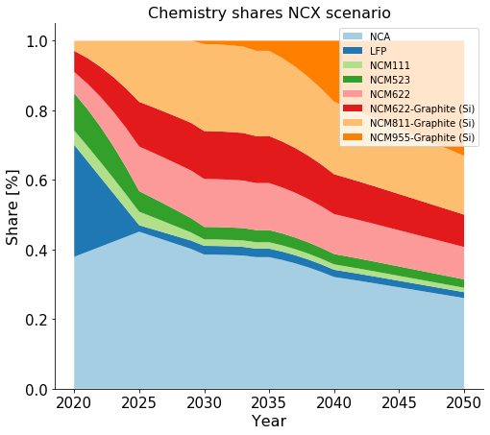
74 |  | 1774 | W
75 |  | 1775 | Re
76 |  | 1776 | Os
77 |  | 1777 | Ir
78 |  | 1778 | Pt
79 |  | 1779 | Au
80 |  | 1780 | Hg
81 |  | 1781 | Tl
82 |  | 1782 | Pb
83 |  | 1783 | Bi
84 |  | 1784 | Po
85 |  | 1785 | At
86 |  | 1786 | Rn
87 |  | 1787 | Fr
88 |  | 1788 | Ra
89 |  | 1789 | Ac
90 |  | 1790 | Th
91 |  | 1791 | Pa
92 |  | 1792 | U
93 |  | 1793 | Np
94 |  | 1794 | Pu
95 |  | 1795 | Am
96 |  | 1796 | Cm
97 |  | 1797 | Bk
98 |  | 1798 | Cf
99 |  | 1799 | Es
100 |  | 1800 | Fm
101 |  | 1801 | Other
102 |  | 1802
103 |  | 1803
104 |  | 1804
105 |  | 1805
106 |  | 1806
107 |  | 1807
108 |  | 1808
109 |  | 1809
110 |  | 1810
111 |  | 1811
112 |  | 1812
113 |  | 1813
114 |  | 1814
115 |  | 1815
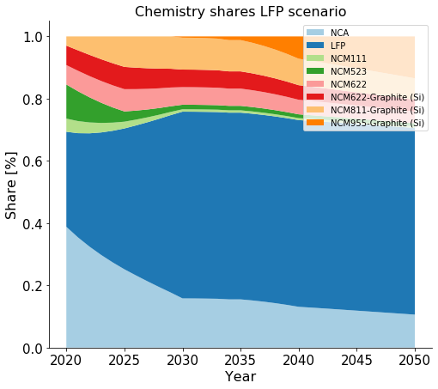
116 |  | 1816
117 |  | 1817
118 |  | 1818
119 |  | 1819
120 |  | 1820
121 |  | 1821
122 |  | 1822
123 |  | 1823
124 |  | 1824
125 |  | 1825
126 |  | 1826
127 |  | 1827
128 |  | 1828
129 |  | 1829
130 |  | 1830
131 |  | 1831
132 |  | 1832
133 |  | 1833
134 |  | 1834
135 |  | 1835
136 |  | 1836
137 |  | 1837
138 |  | 1838
139 |  | 1839
140 |  | 1840
141 |  | 1841
142 |  | 1842
143 |  | 1843
144 |  | 1844
145 |  | 1845
146 |  | 1846
147 |  | 1847
148 |  | 1848
149 |  | 1849
150 |  | 1850
151 |  | 1851
152 |  | 1852
153 |  | 1853
154 |  | 1854
155 |  | 1855
156 |  | 1856
157 |  | 1857
158 |  | 1858
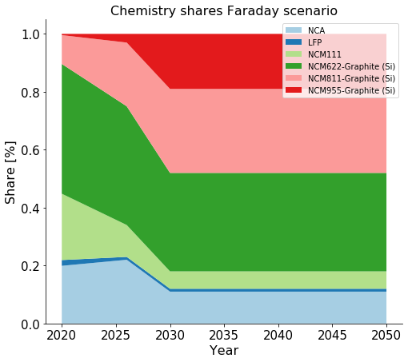
159 |  | 1859
160 |  | 1860
161 |  | 1861
162 |  | 1862
163 |  | 1863
164 |  | 1864
165 |  | 1865
166 |  | 1866
167 |  | 1867
168 |  | 1868
169 |  | 1869
170 |  | 1870
171 |  | 1871
172 |  | 1872
173 |  | 1873
174 |  | 1874
175 |  | 1875
176 |  | 1876
177 |  | 1877
178 |  | 1878
179 |  | 1879
180 |  | 1880
181 |  | 1881
182 |  | 1882
183 |  | 1883
184 |  | 1884
185 |  | 1885
186 |  | 1886
187 |  | 1887
188 |  | 1888
189 |  | 1889
190 |  | 1890
191 |  | 1891
192 |  | 1892
193 |  | 1893
194 |  | 1894
195 |  | 1895
196 |  | 1896
197 |  | 1897
198 |  | 1898
199 |  | 1899
200 |  | 1900
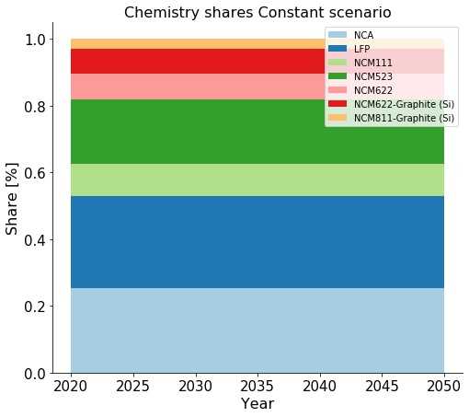
201 |  | 1901
202 |  | 1902
203 |  | 1903
204 |  | 1904
205 |  | 1905
206 |  | 1906
207 |  | 1907
208 |  | 1908
209 |  | 1909
210 |  | 1910
211 |  | 1911
212 |  | 1912
213 |  | 1913
214 |  | 1914
215 |  | 1915
216 |  | 1916
217 |  | 1917
218 |  | 1918
219 |  | 1919
220 |  | 1920
221 |  | 1921
222 |  | 1922
223 |  | 1923
224 |  | 1924
225 |  | 1925
226 |  | 1926
227 |  | 1927
228 |  | 1928
229 |  | 1929
230 |  | 1930
231 |  | 1931
232 |  | 1932
233 |  | 1933
234 |  | 1934
235 |  | 1935
236 |  | 1936
237 |  | 1937
238 |  | 1938
239 |  | 1939
240 |  | 1940
241 |  | 1941
242 |  | 1942
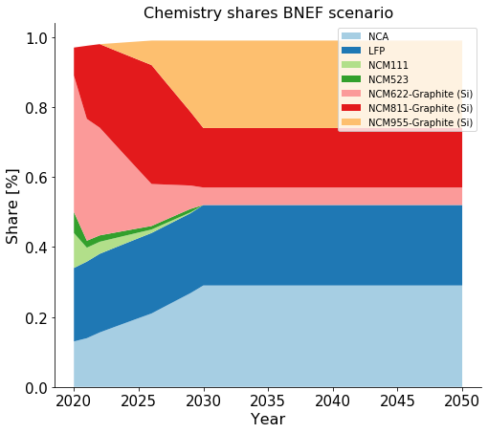
243 |  | 1943
244 |  | 1944
245 |  | 1945
246 |  | 1946
247 |  | 1947
248 |  | 1948
249 |  | 1949
250 |  | 1950
251 |  | 1951
252 |  | 1952
253 |  | 1953
254 |  | 1954
255 |  | 1955
256 |  | 1956
257 |  | 1957
258 |  | 1958
259 |  | 1959
260 |  | 1960
261 |  | 1961
262 |  | 1962
263 |  | 1963
264 |  | 1964
265 |  | 1965
266 |  | 1966
267 |  | 1967
268 |  | 1968
269 |  | 1969
270 |  | 1970
271 |  | 1971
272 |  | 1972
273 |  | 1973
274 |  | 1974
275 |  | 1975
276 |  | 1976
277 |  | 1977
278 |  | 1978
279 |  | 1979
280 |  | 1980
281 |  | 1981
282 |  | 1982
283 |  | 1983
284 |  | 1984
285 |  | 1985
286 |  | 1986
287 |  | 1987
288 |  | 1988
289 |  | 1989
290 |  | 1990
291 |  | 1991
292 |  | 1992
293 |  | 1993
294 |  | 1994
295 |  | 1995
296 |  | 1996
297 |  | 1997
298 |  | 1998
299 |  | 1999
300 |  | 2000
301 |  | 2001
302 |  | 2002
303 |  | 2003
304 |  | 2004
305 |  | 2005
306 |  | 2006
307 |  | 2007
308 |  | 2008
309 |  | 2009
310 |  | 2010
311 |  | 2011
312 |  | 2012
313 |  | 2013
314 |  | 2014
315 |  | 2015
316 |  | 2016
317 |  | 2017
318 |  | 2018
319 |  | 2019
320 |  | 2020
321 |  | 2021
322 |  | 2022
323 |  | 2023
324 |  | 2024
325 |  | 2025
326 |  | 2026
327 |  | 2027
328 |  | 2028
329 |  | 2029
330 |  | 2030
331 |  | 2031
332 |  | 2032
333 |  | 2033
334 |  | 2034
335 |  | 2035
336 |  | 2036
337 |  | 2037
338 |  | 2038
339 |  | 2039
340 |  | 2040
341 |  | 2041
342 |  | 2042
343 |  | 2043
344 |  | 2044
345 |  | 2045
346 |  | 2046
347 |  | 2047
348 |  | 2048
349 |  | 2049
350 |  | 2050
351 |  | 2051
352 |  | 2052
353 |  | 2053
354 |  | 2054
355 |  | 2055
356 |  | 2056
357 |  | 2057
358 |  | 2058
359 |  | 2059
360 |  | 2060
361 |  | 2061
362 |  | 2062
363 |  | 2063
364 |  | 2064
365 |  | 2065
366 |  | 2066
367 |  | 2067
368 |  | 2068
369 |  | 2069
370 |  | 2070
371 |  | 2071
372 |  | 2072
373 |  | 2073
374 |  | 2074
375 |  | 2075
376 |  | 2076
377 |  | 2077
378 |  | 2078
379 |  | 2079
380 |  | 2080
381 |  | 2081
382 |  | 2082
383 |  | 2083
384 |  | 2084
385 |  | 2085
386 |  | 2086
387 |  | 2087
388 |  | 2088
389 |  | 2089
390 |  | 2090
391 |  | 2091
392 |  | 2092
393 |  | 2093
394 |  | 2094
395 |  | 2095
396 |  | 2096
397 |  | 2097
398 |  | 2098
399 |  | 2099
400 |  | 2100
401 |  | 2101
402 |  | 2102
403 |  | 2103
404 |  | 2104
405 |  | 2105
406 |  | 2106
407 |  | 2107
408 |  | 2108
409 |  | 2109
410 |  | 2110
411 |  | 2111
412 |  | 2112
413 |  | 2113
414 |  | 2114
415 |  | 2115
416 |  | 2116
417 |  | 2117
418 |  | 2118
419 |  | 2119
420 |  | 2120
421 |  | 2121
422 |  | 2122
423 |  | 2123
424 |  | 2124
425 |  | 2125
426 |  | 2126
427 |  | 2127
428 |  | 2128
429 |  | 2129
430 |  | 2130
431 |  | 2131
432 |  | 2132
433 |  | 2133
434 |  | 2134
435 |  | 2135
436 |  | 2136
437 |  | 2137
438 |  | 2138
439 |  | 2139
440 |  | 2140
441 |  | 2141
442 |  | 2142
443 |  | 2143
444 |  | 2144
445 |  | 2145
446 |  | 2146
447 |  | 2147
448 |  | 2148
449 |  | 2149
450 |  | 2150
451 |  | 2151
452 |  | 2152
453 |  | 2153
454 |  | 2154
455 |  | 2155
456 |  | 2156
457 |  | 2157
458 |  | 2158
459 |  | 2159
460 |  | 2160
461 |  | 2161
462 |  | 2162
463 |  | 2163
464 |  | 2164
465 |  | 2165
466 |  | 2166
467 |  | 2167
468 |  | 2168
469 |  | 2169
470 |  | 2170
471 |  | 2171
472 |  | 2172
473 |  | 2173
474 |  | 2174
475 |  | 2175
476 |  | 2176
477 |  | 2177
478 |  | 2178
479 |  | 2179
480 |  | 2180
481 |  | 2181
482 |  | 2182
483 |  | 2183
484 |  | 2184
485 |  | 2185
486 |  | 2186
487 |  | 2187
488 |  | 2188
489 |  | 2189
490 |  | 2190
491 |  | 2191
492 |  | 2192
493 |  | 2193
494 |  | 2194
495 |  | 2195
496 |  | 2196
497 |  | 2197
498 |  | 2198
499 |  | 2199
500 |  | 2200
501 |  | 2201
502 |  | 2202
503 |  | 2203
504 |  | 2204
505 |  | 2205
506 |  | 2206
507 |  | 2207
508 |  | 2208
509 |  | 2209
510 |  | 2210
511 |  | 2211
512 |  | 2212
513 |  | 2213
514 |  | 2214
515 |  | 2215
516 |  | 2216
517 |  | 2217
518 |  | 2218
519 |  | 2219
520 |  | 2220
521 |  | 2221
522 |  | 2222
523 |  | 2223
524 |  | 2224
525 |  | 2225
526 |  | 2226
527 |  | 2227
528 |  | 2228
529 |  | 2229
530 |  | 2230
531 |  | 2231
532 |  | 2232
533 |  | 2233
534 |  | 2234
535 |  | 2235
536 |  | 2236
537 |  | 2237
538 |  | 2238
539 |  | 2239
540 |  | 2240
541 |  | 2241
542 |  | 2242
543 |  | 2243
544 |  | 2244
545 |  | 2245
546 |  | 2246
547 |  | 2247
548 |  | 2248
549 |  | 2249
550 |  | 2250
551 |  | 2251
552 |  | 2252
553 |  | 2253
554 |  | 2254
555 |  | 2255
556 |  | 2256
557 |  | 2257
558 |  | 2258
559 |  | 2259
560 |  | 2260
561 |  | 2261
562 |  | 2262
563 |  | 2263
564 |  | 2264
565 |  | 2265
566 |  | 2266
567 |  | 2267
568 |  | 2268
569 |  | 2269
570 |  | 2270
571 |  | 2271
572 |  | 2272
573 |  | 2273
574 |  | 2274
575 |  | 2275
576 |  | 2276
577 |  | 2277
578 |  | 2278
579 |  | 2279
580 |  | 2280
581 |  | 2281
582 |  | 2282
583 |  | 2283
584 |  | 2284
585 |  | 2285
586 |  | 2286
587 |  | 2287
588 |  | 2288
589 |  | 2289
590 |  | 2290
591 |  | 2291
592 |  | 2292
593 |  | 2293
594 |  | 2294
595 |  | 2295
596 |  | 2296
597 |  | 2297
598 |  | 2298
599 |  | 2299
600 |  | 2300
601 |  | 2301
602 |  | 2302
603 |  | 2303
604 |  | 2304
605 |  | 2305
606 |  | 2306
607 |  | 2307
608 |  | 2308
609 |  | 2309
610 |  | 2310
611 |  | 2311
612 |  | 2312
613 |  | 2313
614 |  | 2314
615 |  | 2315
616 |  | 2316
617 |  | 2317
618 |  | 2318
619 |  | 2319
620 |  | 2320
621 |  | 2321
622 |  | 2322
623 |  | 2323
624 |  | 2324
625 |  | 2325
626 |  | 2326
627 |  | 2327
628 |  | 2328
629 |  | 2329
630 |  | 2330
631 |  | 2331
632 |  | 2332
633 |  | 2333
634 |  | 2334
635 |  | 2335
636 |  | 2336
637 |  | 2337
638 |  | 2338
639 |  | 2339
640 |  | 2340
641 |  | 2341
642 |  | 2342
643 |  | 2343
644 |  | 2344
645 |  | 2345
646 |  | 2346
647 |  | 2347
648 |  | 2348
649 |  | 2349
650 |  | 2350
651 |  | 2351
652 |  | 2352
653 |  | 2353
654 |  | 2354
655 |  | 2355
656 |  | 2356
657 |  | 2357
658 |  | 2358
659 |  | 2359
660 |  | 2360
661 |  | 2361
662 |  | 2362
663 |  | 2363
664 |  | 2364
665 |  | 2365
666 |  | 2366
667 |  | 2367
668 |  | 2368
669 |  | 2369
670 |  | 2370
671 |  | 2371
672 |  | 2372
673 |  | 2373
674 |  | 2374
675 |  | 2375
676 |  | 2376
677 |  | 2377
678 |  | 2378
679 |  | 2379
680 |  | 2380
681 |  | 2381
682 |  | 2382
683 |  | 2383
684 |  | 2384
685 |  | 2385
686 |  | 2386
687 |  | 2387
688 |  | 2388
689 |  | 2389
690 |  | 2390
691 |  | 2391
692 |  | 2392
693 |  | 2393
694 |  | 2394
695 |  | 2395
696 |  | 2396
697 |  | 2397
698 |  | 2398
699 |  | 2399
700 |  | 2400
701 |  | 2401
702 |  | 2402
703 |  | 2403
704 |  | 2404
705 |  | 2405
706 |  | 2406
707 |  | 2407
708 |  | 2408
709 |  | 2409
710 |  | 2410
711 |  | 2411
712 |  | 2412
713 |  | 2413
714 |  | 2414
715 |  | 2415
716 |  | 2416
717 |  | 2417
718 |  | 2418
719 |  | 2419
720 |  | 2420
721 |  | 2421
722 |  | 2422
723 |  | 2423
724 |  | 2424
725 |  | 2425
726 |  | 2426
727 |  | 2427
728 |  | 2428
729 |  | 2429
730 |  | 2430
731 |  | 2431
732 |  | 2432
733 |  | 2433
734 |  | 2434
735 |  | 2435
736 |  | 2436
737 |  | 2437
738 |  | 2438
739 |  | 2439
740 |  | 2440
741 |  | 2441
742 |  | 2442
743 |  | 2443
744 |  | 2444
745 |  | 2445
746 |  | 2446
747 |  | 2447
748 |  | 2448
749 |  | 2449
750 |  | 2450
751 |  | 2451
752 |  | 2452
753 |  | 2453
754 |  | 2454
755 |  | 2455
756 |  | 2456
757 |  | 2457
758 |  | 2458
759 |  | 2459
760 |  | 2460
761 |  | 2461
762 |  | 2462
763 |  | 2463
764 |  | 2464
765 |  | 2465
766 |  | 2466
767 |  | 2467
768 |  | 2468
769 |  | 2469
770 |  | 2470
771 |  | 2471
772 |  | 2472
773 |  | 2473
774 |  | 2474
775 |  | 2475
776 |  | 2476
777 |  | 2477
778 |  | 2478
779 |  | 2479
780 |  | 2480
781 |  | 2481
782 |  | 2482
783 |  | 2483
784 |  | 2484
785 |  | 2485
786 |  | 2486
787 |  | 2487
788 |  | 2488
789 |  | 2489
790 |  | 2490
791 |  | 2491
792 |  | 2492
793 |  | 2493
794 |  | 2494
795 |  | 2495
796 |  | 2496
797 |  | 2497
798 |  | 2498
799 |  | 2499
800 |  | 2500
801 |  | 2501
802 |  | 2502
803 |  | 2503
804 |  | 2504
805 |  | 2505
806 |  | 2506
807 |  | 2507
808 |  | 2508
809 |  | 2509
810 |  | 2510
811 |  | 2511
812 |  | 2512
813 |  | 2513
814 |  | 2514
815 |  | 2515
816 |  | 2516
817 |  | 2517
818 |  | 2518
819 |  | 2519
820 |  | 2520
821 |  | 2521
822 |  | 2522
823 |  | 2523
824 |  | 2524
825 |  | 2525
826 |  | 2526
827 |  | 2527
828 |  | 2528
829 |  | 2529
830 |  | 2530
831 |  | 2531
832 |  | 2532
833 |  | 2533
834 |  | 2534
835 |  | 2535
836 |  | 2536
837 |  | 2537
838 |  | 2538
839 |  | 2539
840 |  | 2540
841 |  | 2541
842 |  | 2542
843 |  | 2543
844 |  | 2544
845 |  | 2545
846 |  | 2546
847 |  | 2547
848 |  | 2548
849 |  | 2549
850 |  | 2550
851 |  | 2551
852 |  | 2552
853 |  | 2553
854 |  | 2554
855 |  | 2555
856 |  | 2556
857 |  | 2557
858 |  | 2558
859 |  | 2559
860 |  | 2560
861 |  | 2561
862 |  | 2562
863 |  | 2563
864 |  | 2564
865 |  | 2565
866 |  | 2566
867 |  | 2567
868 |  | 2568
869 |  | 2569
870 |  | 2570
871 |  | 2571
872 |  | 2572
873 |  | 2573
874 |  | 2574
875 |  | 2575
876 |  | 2576
877 |  | 2577
878 |  | 2578
879 |  | 2579
880 |  | 2580
881 |  | 2581
882 |  | 2582
883 |  | 2583
884 |  | 2584
885 |  | 2585
886 |  | 2586
887 |  | 2587
888 |  | 2588
889 |  | 2589
890 |  | 2590
891 |  | 2591
892 |  | 2592
893 |  | 2593
894 |  | 2594
895 |  | 2595
896 |  | 2596
897 |  | 2597
898 |  | 2598
899 |  | 2599
900 |  | 2600
901 |  | 2601
902 |  | 2602
903 |  | 2603
904 |  | 2604
905 |  | 2605
906 |  | 2606
907 |  | 2607
908 |  | 2608
909 |  | 2609
910 |  | 2610
911 |  | 2611
912 |  | 2612
913 |  | 2613
914 |  | 2614
915 |  | 2615
916 |  | 2616
917 |  | 2617
918 |  | 2618
919 |  | 2619
920 |  | 2620
921 |  | 2621
922 |  | 2622
923 |  | 2623
924 |  | 2624
925 |  | 2625
926 |  | 2626
927 |  | 2627
928 |  | 2628
929 |  | 2629
930 |  | 2630
931 |  | 2631
932 |  | 2632
933 |  | 2633
934 |  | 2634
935 |  | 2635
936 |  | 2636
937 |  | 2637
938 |  | 2638
939 |  | 2639
940 |  | 2640
941 |  | 2641
942 |  | 2642
943 |  | 2643
944 |  | 2644
945 |  | 2645
946 |  | 2646
947 |  | 2647
948 |  | 2648
949 |  | 2649
950 |  | 2650
951 |  | 2651
952 |  | 2652
953 |  | 2653
954 |  | 2654
955 |  | 2655
956 |  | 2656
957 |  | 2657
958 |  | 2658
959 |  | 2659
960 |  | 2660
961 |  | 2661
962 |  | 2662
963 |  | 2663
964 |  | 2664
965 |  | 2665
966 |  | 2666
967 |  | 2667
968 |  | 2668
969 |  | 2669
970 |  | 2670
971 |  | 2671
972 |  | 2672
973 |  | 2673
974 |  | 2674
975 |  | 2675
976 |  | 2676
977 |  | 2677
978 |  | 2678
979 |  | 2679
980 |  | 2680
981 |  | 2681
982 |  | 2682
983 |  | 2683
984 |  | 2684
985 |  | 2685
986 |  | 2686
987 |  | 2687
988 |  | 2688
989 |  | 2689
990 |  | 2690
991 |  | 2691
992 |  | 2692
993 |  | 2693
994 |  | 2694
995 |  | 2695
996 |  | 2696
997 |  | 2697
998 |  | 2698
999 |  | 2699
1000 |  | 2700
1001 |  | 2701
1002 |  | 2702
1003 |  | 2703
1004 |  | 2704
1005 |  | 2705
1006 |  | 2706
1007 |  | 2707
1008 |  | 2708
1009 |  | 2709
1010 |  | 2710
1011 |  | 2711
1012 |  | 2712
1013 |  | 2713
1014 |  | 2714
1015 |  | 2715
1016 |  | 2716
1017 |  | 2717
1018 |  | 2718
1019 |  | 2719
1020 |  | 2720
1021 |  | 2721
1022 |  | 2722
1023 |  | 2723
1024 |  | 2724
1025 |  | 2725
1026 |  | 2726
1027 |  | 2727
1028 |  | 2728
1029 |  | 2729
1030 |  | 2730
1031 |  | 2731
1032 |  | 2732
1033 |  | 2733
1034 |  | 2734
1035 |  | 2735
1036 |  | 2736
1037 |  | 2737
1038 |  | 2738
1039 |  | 2739
1040 |  | 2740
1041 |  | 2741
1042 |  | 2742
1043 |  | 2743
1044 |  | 2744
1045 |  | 2745
1046 |  | 2746
1047 |  | 2747
1048 |  | 2748
1049 |  | 2749
1050 |  | 2750
1051 |  | 2751
1052 |  | 2752
1053 |  | 2753
1054 |  | 2754
1055 |  | 2755
1056 |  | 2756
1057 |  | 2757
1058 |  | 2758
1059 |  | 2759
1060 |  | 2760
1061 |  | 2761
1062 |  | 2762
1063 |  | 2763
1064 |  | 2764
1065 |  | 2765
1066 |  | 2766
1067 |  | 2767
1068 |  | 2768
1069 |  | 2769
1070 |  | 2770
1071 |  | 2771
1072 |  | 2772
1073 |  | 2773
1074 |  | 2774
1075 |  | 2775
1076 |  | 2776
1077 |  | 2777
1078 |  | 2778
1079 |  | 2779
1080 |  | 2780
1081 |  | 2781
1082 |  | 2782
1083 |  | 2783
1084 |  | 2784
1085 |  | 2785
1086 |  | 2786
1087 |  | 2787
1088 |  | 2788
1089 |  | 2789
1090 |  | 2790
1091 |  | 2791
1092 |  | 2792
1093 |  | 2793
1094 |  | 2794
1095 |  | 2795
1096 |  | 2796
1097 |  | 2797
1098 |  | 2798
1099 |  | 2799
1100 |  | 2800
1101 |  | 2801
1102 |  | 2802
1103 |  | 2803
1104 |  | 2804
1105 |  | 2805
1106 |  | 2806
1107 |  | 2807
1108 |  | 2808
1109 |  | 2809
1110 |  | 2810
1111 |  | 2811
1112 |  | 2812
1113 |  | 2813
1114 |  | 2814
1115 |  | 2815
1116 |  | 2816
1117 |  | 2817
1118 |  | 2818
1119 |  | 2819
1120 |  | 2820
1121 |  | 2821
1122 |  | 2822
1123 |  | 2823
1124 |  | 2824
1125 |  | 2825
1126 |  | 2826
1127 |  | 2827
1128 |  | 2828
1129 |  | 2829
1130 |  | 2830
1131 |  | 2831
1132 |  | 2832
1133 |  | 2833
1134 |  | 2834
1135 |  | 2835
1136 |  | 2836
1137 |  | 2837
1138 |  | 2838
1139 |  | 2839
1140 |  | 2840
1141 |  | 2841
1142 |  | 2842
1143 |  | 2843
1144 |  | 2844
1145 |  | 2845
1146 |  | 2846
1147 |  | 2847
1148 |  | 2848
1149 |  | 2849
1150 |  | 2850
1151 |  | 2851
1152 |  | 2852
1153 |  | 2853
1154 |  | 2854
1155 |  | 2855
1156 |  | 2856
1157 |  | 2857
1158 |  | 2858
1159 |  | 2859
1160 |  | 2860
1161 |  | 2861
1162 |  | 2862
1163 |  | 2863
1164 |  | 2864
1165 |  | 2865
1166 |  | 2866
1167 |  | 2867
1168 |  | 2868
1169 |  | 2869
1170 |  | 2870
1171 |  | 2871
1172 |  | 2872
1173 |  | 2873
1174 |  | 2874
1175 |  | 2875
1176 |  | 2876
1177 |  | 2877
1178 |  | 2878
1179 |  | 2879
1180 |  | 2880
1181 |  | 2881
1182 |  | 2882
1183 |  | 2883
1184 |  | 2884
1185 |  | 2885
1186 |  | 2886
1187 |  | 2887
1188 |  | 2888
1189 |  | 2889
1190 |  | 2890
1191 |  | 2891
1192 |  | 2892
1193 |  | 2893
1194 |  | 2894
1195 |  | 2895
1196 |  | 2896
1197 |  | 2897
1198 |  | 2898
1199 |  | 2899
1200 |  | 2900
1201 |  | 2901
1202 |  | 2902
1203 |  | 2903
1204 |  | 2904
1205 |  | 2905
1206 |  | 2906
1207 |  | 2907
1208 |  | 2908
1209 |  | 2909
1210 |  | 2910
1211 |  | 2911
1212 |  | 2912
1213 |  | 2913
1214 |  | 2914
1215 |  | 2915
1216 |  | 2916
1217 |  | 2917
1218 |  | 2918
1219 |  | 2919
1220 |  | 2920
1221 |  | 2921
1222 |  | 2922
1223 |  | 2923
1224 |  | 2924
1225 |  | 2925
1226 |  | 2926
1227 |  | 2927
1228 |  | 2928
1229 |  | 2929
1230 |  | 2930
1231 |  | 2931
1232 |  | 2932
1233 |  | 2933
1234 |  | 2934
1235 |  | 2935
1236 |  | 2936
1237 |  | 2937
1238 |  | 2938
1239 |  | 2939
1240 |  | 2940
1241 |  | 2941
1242 |  | 2942
1243 |  | 2943
1244 |  | 2944
1245 |  | 2945
1246 |  | 2946
1247 |  | 2947
1248 |  | 2948
1249 |  | 2949
1250 |  | 2950
1251 |  | 2951
1252 |  | 2952
1253 |  | 2953
1254 |  | 2954
1255 |  | 2955
1256 |  | 2956
1257 |  | 2957
1258 |  | 2958
1259 |  | 2959
1260 |  | 2960
1261 |  | 2961
1262 |  | 2962
1263 |  | 2963
1264 |  | 2964
1265 |  | 2965
1266 |  | 2966
1267 |  | 2967
1268 |  | 2968
1269 |  | 2969
1270 |  | 2970
1271 |  | 2971
1272 |  | 2972
1273 |  | 2973
1274 |  | 2974
1275 |  | 2975
1276 |  | 2976
1277 |  | 2977
1278 |  | 2978
1279 |  | 2979
1280 |  | 2980
1281 |  | 2981
1282 |  | 2982
1283 |  | 2983
1284 |  | 2984
1285 |  | 2985
1286 |  | 2986
1287 |  | 2987
1288 |  | 2988
1289 |  | 2989
1290 |  | 2990
1291 |  | 2991
1292 |  | 2992
1293 |  | 2993
1294 |  | 2994
1295 |  | 2995
1296 |  | 2996
1297 |  | 2997
1298 |  | 2998
1299 |  | 2999
1300 |  | 3000

