Formula
DISTANCE OF 2 POINTS | A |  | T |  |  | C |  | Q2
Distance | X1 | Y1 | X2 | Y2 |  | X3 | Y3 | X4 | Y4
10 | 0 | 0 | 10 | 0 | 10 | 0 | 0 | 0 | 10

M1 | 0 |  |  |  | M2 | #DIV/0!

TAN8 | #DIV/0! |  | #DIV/0!

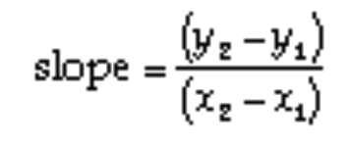
 |  |  |  |  |  | 149 | 225
 |  |  |  |  |  | a^2+b^2=c^2 | Right Triangle
 |  |  |  |  |  |  |  |  |  | 0.57735026919 | 30

LAW OF COSINE | https://www.youtube.com/watch?v=qGRiZ6jsBJo

Pythagorean Theorem
DISTANCE OF 2 POINTS
 | X | Y
A | 0 | 0
T | 10 | 0
C | 5 | 10

Pythagorean Theorem
 | DISTANCE
AT | 10 | 100
AC | 11.180339887 | 125
TC | 11.180339887 | 125

ANGLE OF A |  | -100 | degrees

