RevisiFakturPolisi
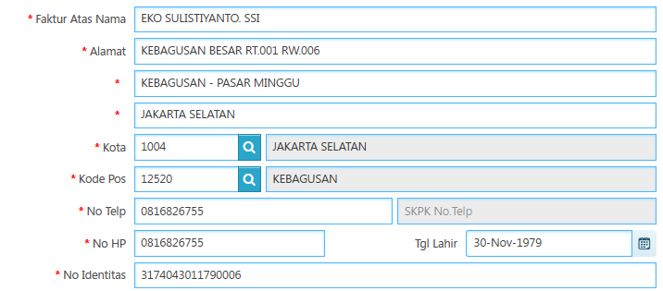
REVISI PERMOHONAN FAKTUR POLISI

