Audit findings
Internal Safety Audit Report – CCI Samarkand Plant
Audit date: 15.10.2026 | Findings: 14

SN | Finding (Observed) | Corrective Action Plan (CAP) | Responsible Department | Target date | Deadline | Status | Evidence – BEFORE | Evidence – AFTER | Date closed | Comments
1 | Combustible materials (lubricants) were stored in the forklift battery charging area, creating a potential fire hazard due to the presence of ignition sources and electrical equipment. | • Remove all combustible materials (lubricants) from the forklift charging area immediately. • Designate and use an approved storage location for lubricants and other flammable/combustible materials. • Ensure the forklift charging area is maintained free of combustible materials and clearly marked with appropriate housekeeping and fire safety requirements. | Health and Safety |  |  | Closed | 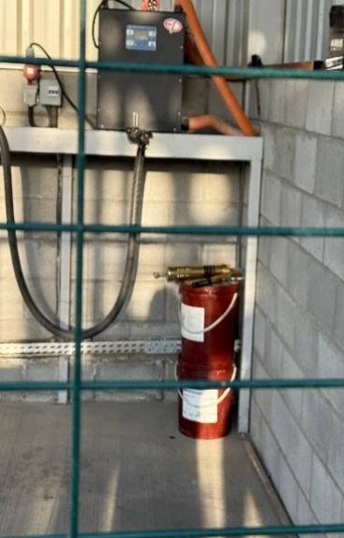 | 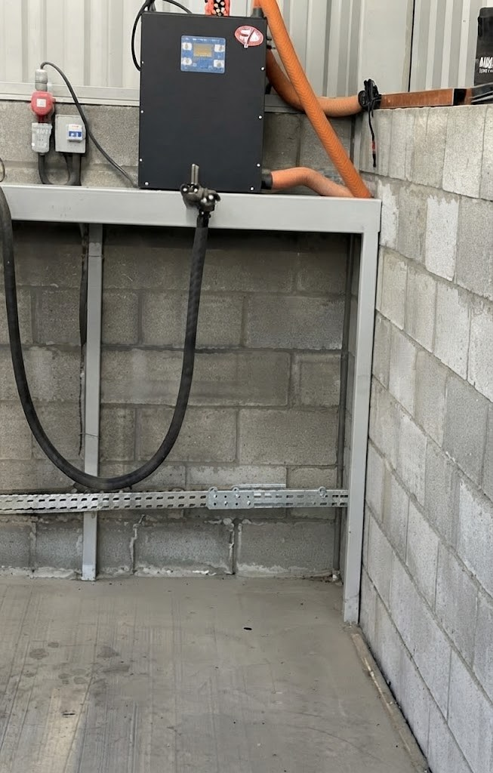
2 | Poor housekeeping was observed. The trash dumpster was overflowed, resulting in accumulated waste around the container and creating a potential hygiene and pest infestation hazard. | • Remove the accumulated waste and clean the surrounding area immediately. • Ensure dumpsters are emptied regularly to prevent overflow. • Improve housekeeping standards and maintain the waste collection area in a clean and orderly condition. • Conduct routine inspections to verify proper waste management and prevent recurrence. | Health and Safety Admin |  |  | Closed | 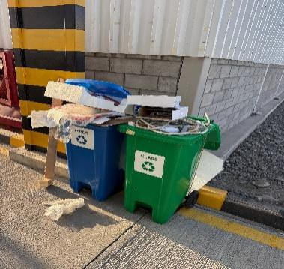 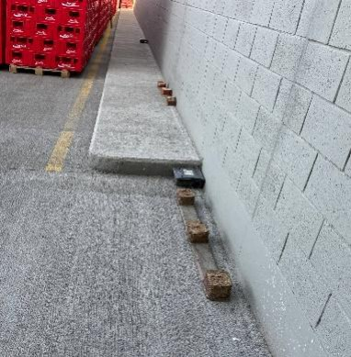 | 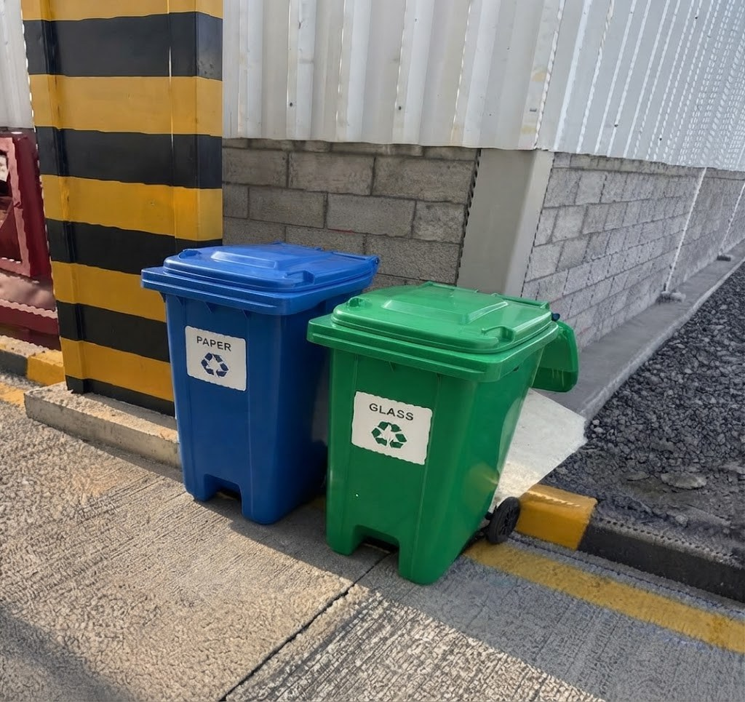
3 | The reflective safety barrier (bollard) was damaged and bent from its original position, compromising its effectiveness as a physical protection and traffic control device. | • Remove or repair the damaged bollard/barrier immediately. • Replace the barrier if it cannot be restored to its original condition. • Inspect similar barriers in the area to ensure they are in good condition and properly installed. • Implement measures to prevent vehicle impact and maintain the integrity of traffic safety barriers through routine inspections. | Health and Safety | 1900-01-24 |  | In progress | 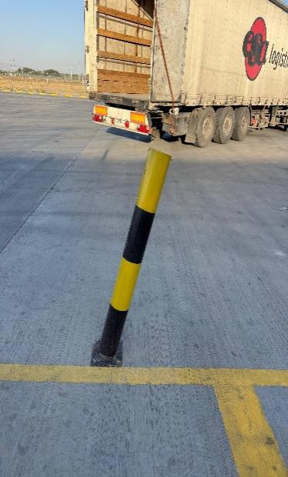
4 | A warehouse employee and a subcontractor employee were observed working in the warehouse without the required personal protective equipment (PPE), exposing them to potential workplace hazards and increasing the risk of injury. | • Ensure all employees and contractors wear the required PPE before entering and working in operational areas. • Stop work immediately when PPE non-compliance is identified and rectify the issue before work resumes. • Conduct refresher training on PPE requirements for warehouse employees and subcontractors. • Implement routine supervision and inspections to verify compliance with PPE requirements and prevent recurrence. | Health and Safety Warehouse Supervisor |  |  | Open | 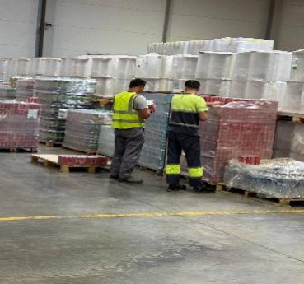 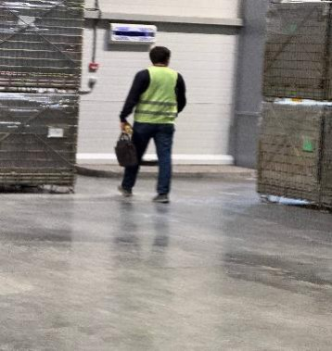
5 | Temperature and humidity monitoring records for the sugar warehouse were not being checked and recorded in the designated checklist since 13.10.2026, resulting in a lack of environmental condition verification for stored raw materials. | • Resume temperature and humidity monitoring immediately and update the checklist accordingly. • Review warehouse environmental conditions for the period where records were not maintained and assess any potential impact on stored materials. • Ensure responsible personnel perform and document temperature and humidity checks as required. | Health and Safety Warehouse Supervisor |  |  | Open | 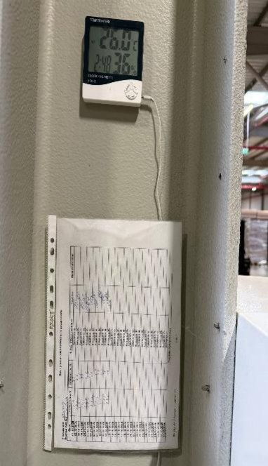
6 | An exposed electrical cable with makeshift insulation was observed, creating a potential risk of electric shock, short circuit, and fire. | • Remove the damaged cable from service or isolate the area immediately to prevent exposure to electrical hazards. • Replace the cable and ensure all electrical wiring is properly insulated and protected. • Conduct an inspection of nearby electrical installations to identify and rectify similar deficiencies. • Implement routine inspections and maintenance of electrical equipment to ensure continued compliance and prevent recurrence. | Health and Safety |  |  | Closed | 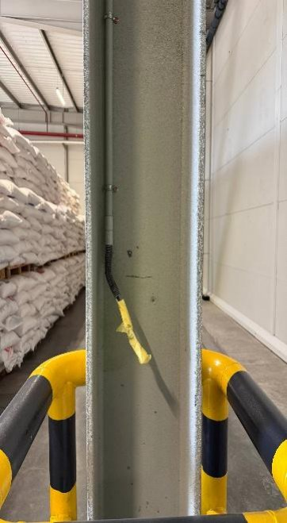 | 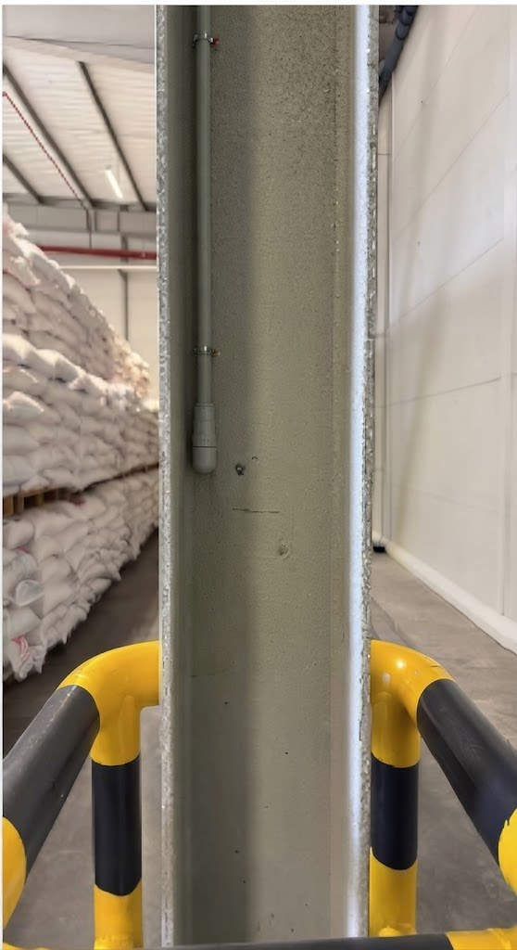 | 2026-10-21
7 | Fire extinguishers were found with inspection records last updated on 05.09.2026. Periodic inspections have not been conducted or documented as required, resulting in a lack of assurance that the extinguishers are in a ready-for-use condition during an emergency. | • Conduct an immediate inspection of all fire extinguishers and update inspection records accordingly. • Ensure monthly fire extinguisher inspections are performed and documented as required. • Replace or service any fire extinguishers found to be damaged, discharged, or otherwise non-compliant. • Implement routine supervisory checks to verify inspection records are maintained and up to date to prevent recurrence. | Health and Safety |  |  | Closed | 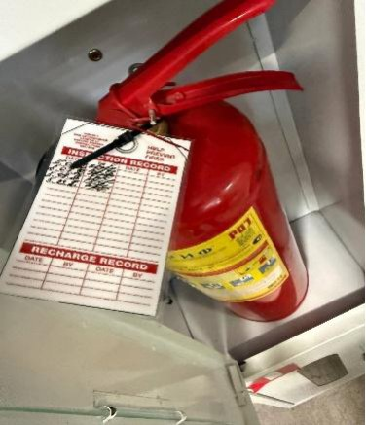 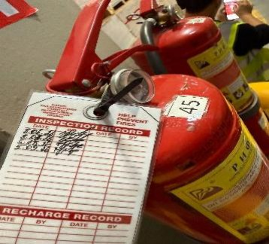 | 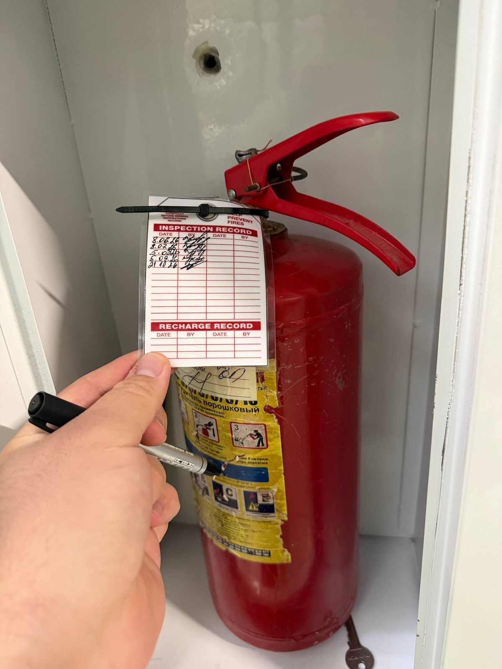 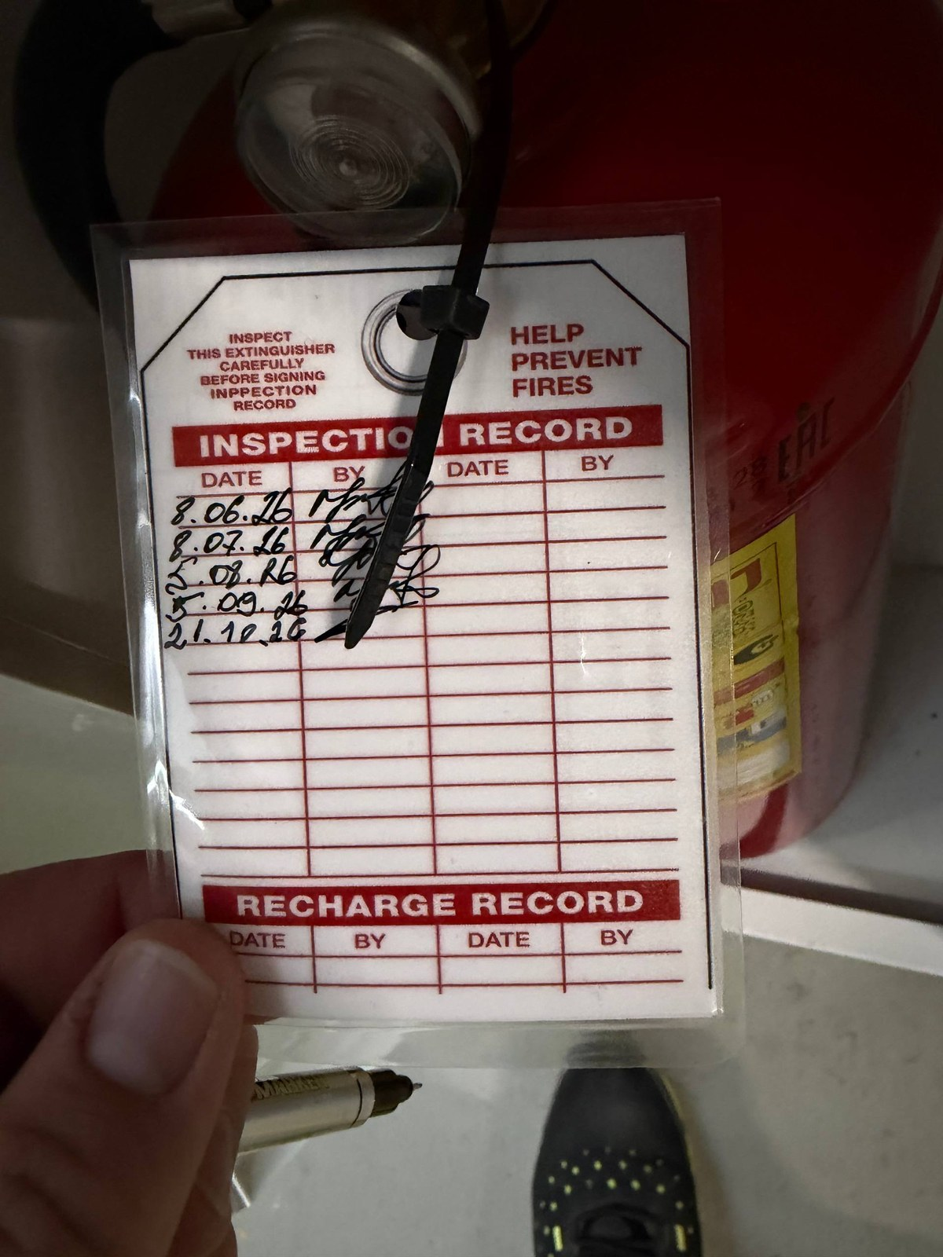 | 2026-10-21
8 | In the production area where chemical substances are used, no emergency eyewash station was available. This may delay immediate decontamination in the event of accidental chemical exposure to the eyes, increasing the risk of injury. | • Install a suitable emergency eyewash station in the chemical handling area in accordance with site requirements and applicable safety standards. • Ensure the eyewash station is readily accessible, clearly identified, and free from obstructions at all times. | Health and Safety |  |  | Open | 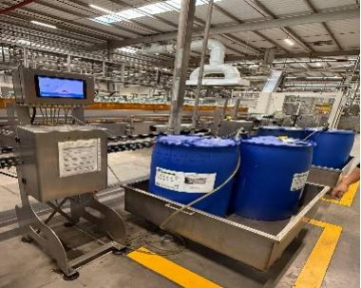 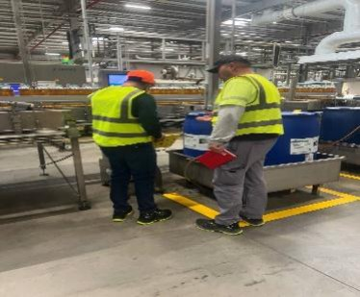
9 | In the production area, a set of tools was left in the pedestrian walkway, obstructing the designated path and creating a risk of collision between pedestrians and forklift traffic. | • Remove the tools from the pedestrian walkway immediately and store them in a designated location. • Keep pedestrian walkways clear of obstructions at all times. • Reinforce housekeeping and workplace organization requirements with employees and contractors. • Conduct routine inspections to ensure walkways remain unobstructed and pedestrian-forklift segregation is maintained. | Health and Safety |  |  | Closed | 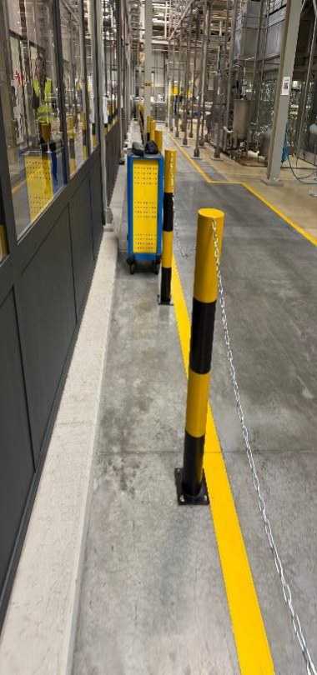 | 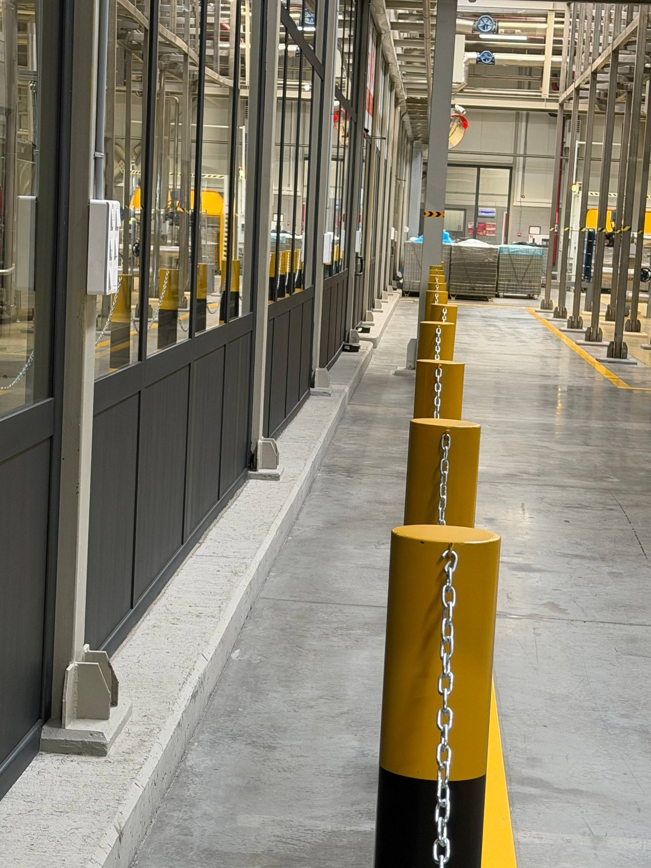
10 | Palletized materials were stored too close to the fire cabinet, restricting access to the fire hose and nozzle. This obstruction may delay emergency response and firefighting activities in the event of a fire. | • Remove the stored materials immediately and restore unobstructed access to the fire cabinet. • Maintain the required clearance around all firefighting equipment at all times. • Conduct routine inspections to ensure firefighting equipment remains visible, accessible, and ready for emergency use. | Health and Safety Warehouse Supervisor |  |  | Open | 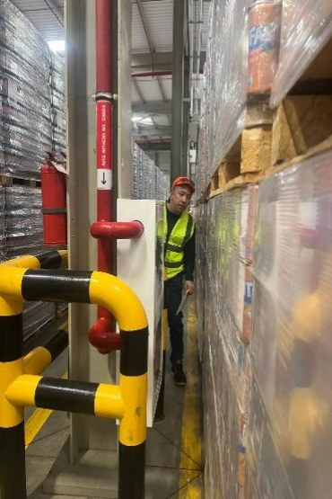
11 | Employees were observed handling sugar bags in the sugar warehouse area without the required respiratory protective equipment (respirators). Exposure to airborne sugar dust may increase the risk of respiratory irritation and occupational health issues. | • Ensure all employees wear the required respiratory protective equipment when working in areas where sugar dust is present. • Stop work immediately when PPE non-compliance is identified and ensure appropriate respiratory protection is provided before work resumes. • Conduct refresher training on PPE requirements and the health risks associated with dust exposure. • Supervise and monitor compliance with PPE requirements through routine workplace inspections and observations. | Health and Safety Warehouse Supervisor |  |  | Closed | 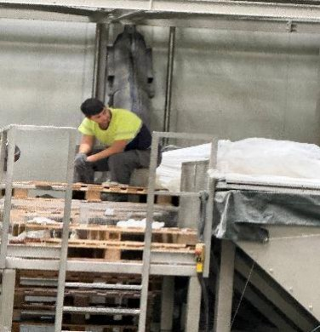 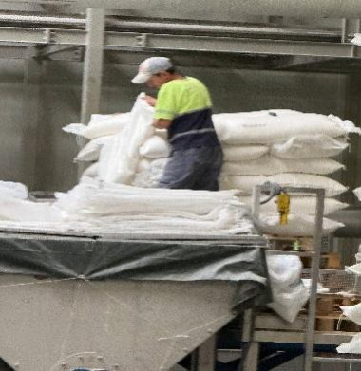 | 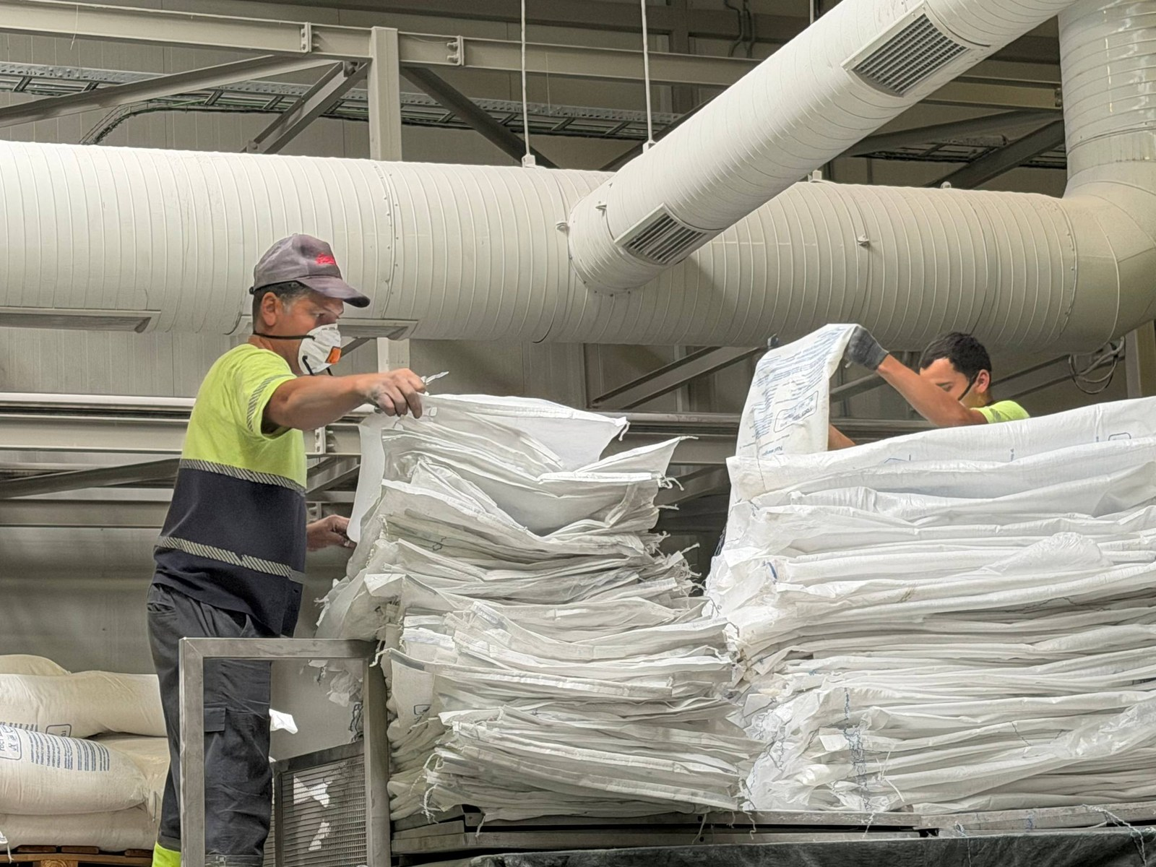 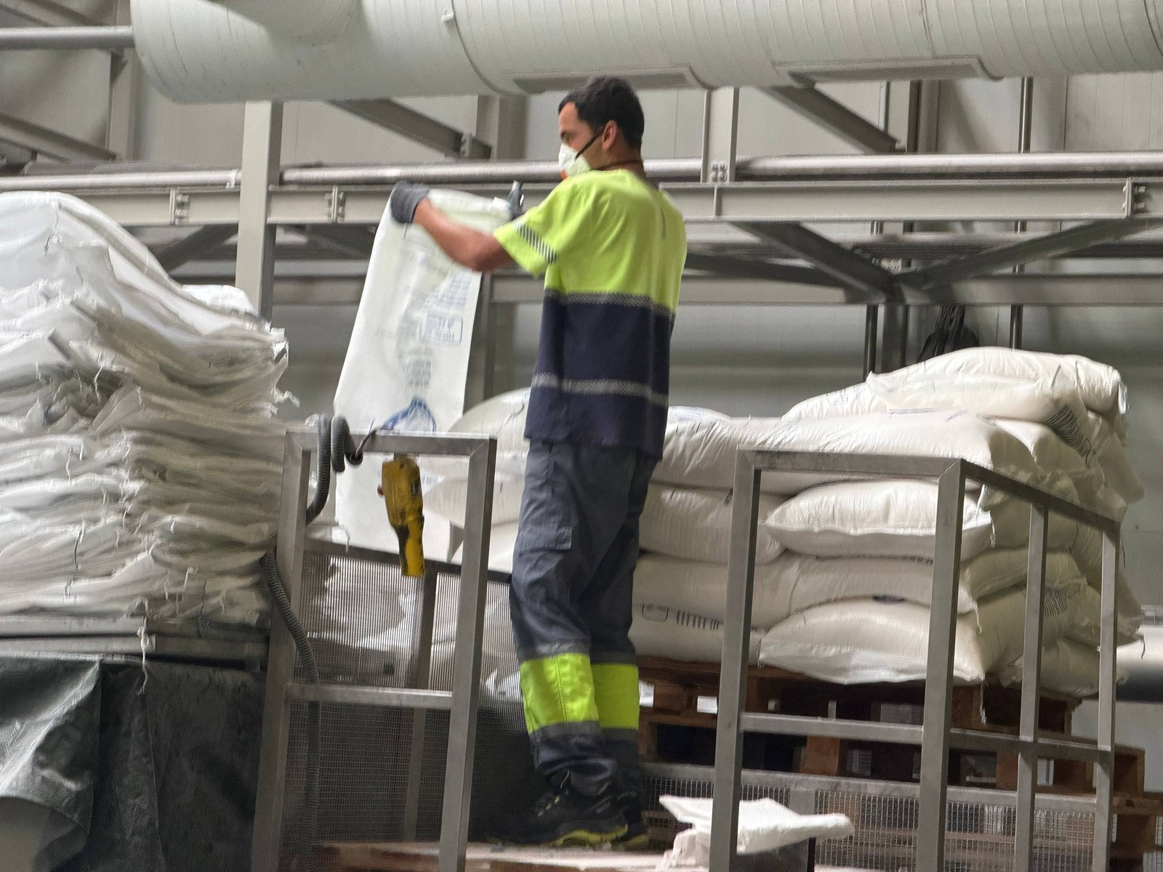
12 | Pest control equipment (rodent bait station) was installed in an inappropriate location and was not properly secured. The current placement may reduce its effectiveness and increase the risk of displacement, damage, or inadequate pest monitoring. | • Relocate the pest control equipment to the approved location in accordance with the pest control layout/site plan. • Secure the bait station properly to prevent movement or accidental displacement. • Verify that all pest control devices are installed, identified, and maintained according to the pest management program requirements. • Conduct routine inspections to ensure pest control equipment remains correctly positioned, functional, and effective. | Q&E |  |  | Closed | 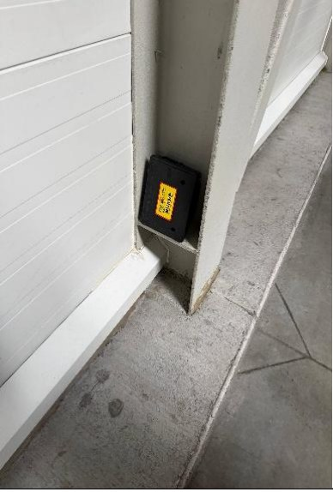 | 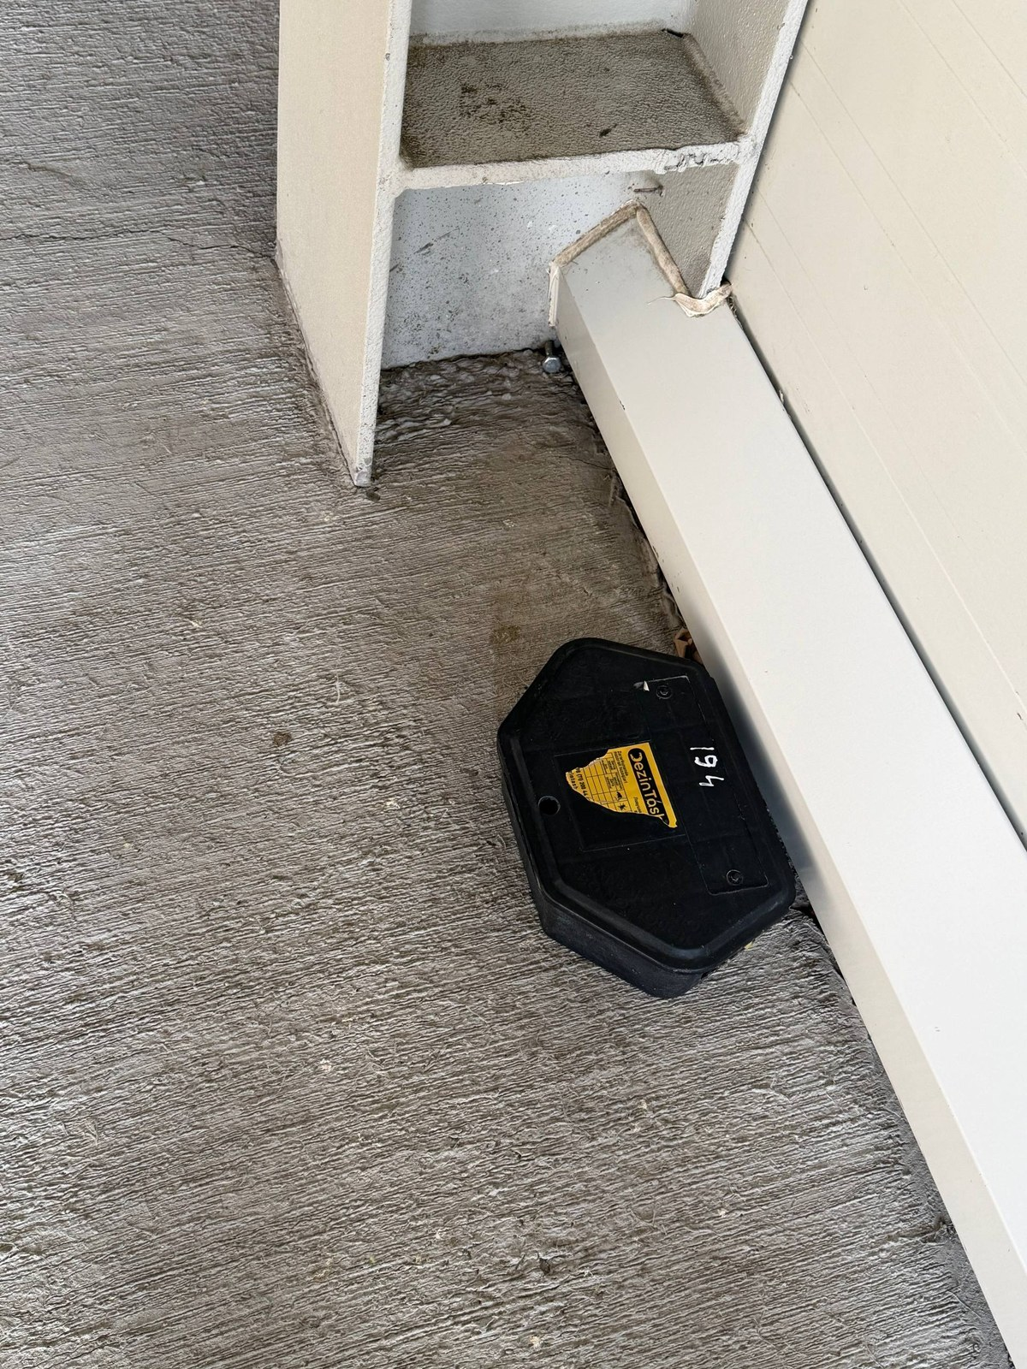
13 | The designated pedestrian walkway in the production area was obstructed by a structural wall/column, creating a blind spot at the intersection with the forklift travel route. This condition increases the risk of collisions between pedestrians and moving forklifts due to limited visibility. | • Conduct a risk assessment of the pedestrian and forklift traffic flow in the affected area. • Install appropriate traffic control measures, such as warning signage, floor markings to improve visibility at the blind spot. • Review and redesign the pedestrian route, where feasible, to ensure safe segregation from forklift traffic. • Reinforce safe driving and pedestrian awareness requirements with forklift operators and employees. | Health and Safety |  |  | Open | 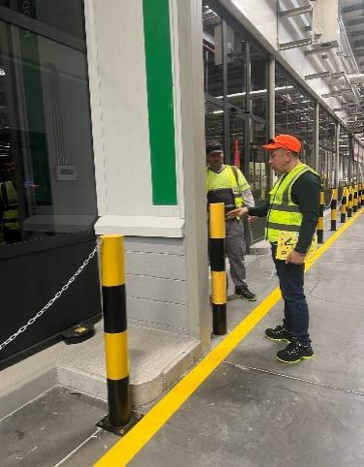
14 | A pallets of crates containing bottles was stored within the designated pedestrian walkway, obstructing the path and forcing pedestrians to deviate from the marked route. | • Remove the pallet from the pedestrian walkway immediately and store it in a designated storage area. • Maintain pedestrian walkways free from obstructions at all times. • Clearly identify and protect pedestrian routes to prevent unauthorized storage in walkways. | Health and Safety |  |  | Open | 