TMC4671 - Chain of Gain
This spreadsheet allows the dimensioning of the sense resistor of the TMC4671

TMC4671 - chain of gains

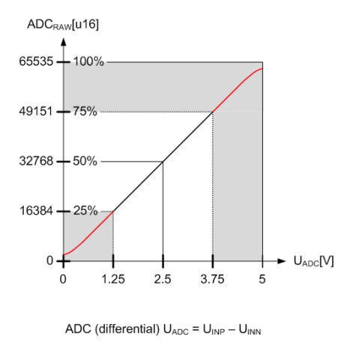
Apeak/LSB calculation for TMC6100-EVAL
 | 10 | [A] | Isense amplitude
 | 0.003 | [Ohm] | Rsense
 | 0.03 | [V] | Usense
 | 20 | [V/V] | Sense amplifier gain
 | 0.6 | [V] | U_ADC (Ouput Sense Amplifier)
 | 32767 | [s16] | ADC_RAW_MAX constant for TMC4671
 | 2.5 | [V] | ADC_U_MAX, depending on configuration
 | 0.001272 | [A/LSB] | ADC Gain - Apeak/LSB
 | 1.272 | [mA/LSB] | ADC Gain - Apeak/LSB
 | 41.67 | [A] | Current 100%, amplitude
 | 20.83 | [A] | Current 75%, amplitude

