Experimental
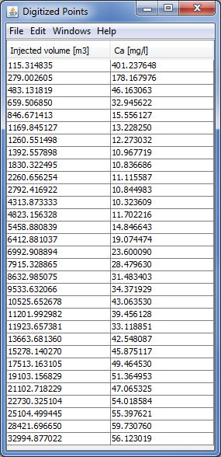
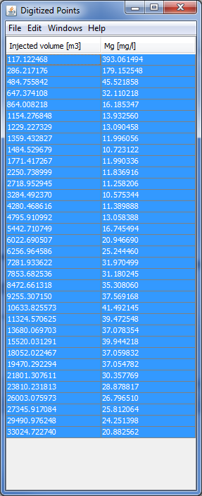

 | Injected volume [m3] | Ca+2 [mg/l] | Injected volume [m3] | Mg+2 [mg/l]
 | 115.314835 | 401.237648 | 117.122468 | 393.061494
 | 279.002605 | 178.167976 | 286.217176 | 179.152548
 | 483.131819 | 46.163063 | 484.755842 | 45.521858
 | 659.50685 | 32.945622 | 647.374108 | 32.110218
 | 846.671413 | 15.556127 | 864.008218 | 16.185347
 | 1169.845127 | 13.22825 | 1154.276848 | 13.93256
 | 1260.551498 | 12.273032 | 1229.227329 | 13.090458
 | 1392.557898 | 10.967719 | 1359.432827 | 11.996056
 | 1830.322495 | 10.836686 | 1484.529679 | 10.723122
 | 2260.656254 | 11.115587 | 1771.417267 | 11.990336
 | 2792.416922 | 10.844983 | 2250.738999 | 11.836916
 | 4313.873333 | 10.323609 | 2718.952945 | 11.258206
 | 4823.156328 | 11.702216 | 3284.49237 | 10.575344
 | 5458.880839 | 14.846643 | 4280.468616 | 11.389888
 | 6412.881037 | 19.074474 | 4795.910992 | 13.058388
 | 6992.908894 | 23.60009 | 5442.710749 | 16.745494
 | 7915.328865 | 28.47963 | 6022.690507 | 20.94669
 | 8632.985075 | 31.483403 | 6256.964586 | 25.24446
 | 9533.632066 | 34.371929 | 7281.933622 | 31.970499
Valocchi, A. J., Street, R. L. and Roberts, P. V. (1981) Transport of ion- exchanging solutes in groundwater – chromatographic theory and field simulation, Water Resources Research, 17(5):1517-1527. DOI: 10.1029/WR017i005p01517. | 10525.652678 | 43.06353 | 7853.682536 | 31.180245
 | 11201.992982 | 39.456128 | 8472.661318 | 35.30806
 | 11923.657381 | 33.118851 | 9255.30715 | 37.569168
 | 13663.68136 | 42.548087 | 10633.825573 | 41.492145
 | 15278.14027 | 45.875117 | 11324.570625 | 39.472548
 | 17513.163105 | 49.46453 | 13680.069703 | 37.078354
 | 19103.156829 | 51.364953 | 15520.031291 | 39.944218
 | 21102.718229 | 47.065325 | 18052.022467 | 37.059832
 | 22730.325104 | 54.018584 | 19470.292294 | 37.054782
 | 25104.499445 | 55.397621 | 21801.307611 | 30.357769
 | 28421.69665 | 59.73076 | 23810.231813 | 28.878817
 | 32994.877022 | 56.123019 | 26003.075973 | 26.79651
 |  |  | 27345.917084 | 25.812064
 |  |  | 29490.976248 | 24.251398
 |  |  | 33024.72274 | 20.882562

