Charts
New Arrivals Census
Bus Arrivals
Bus Arrivals (Individuals)
Total Residents In Shelter - Daily
Total Awaiting Shelter - Daily
60 Day Exits and Returns to Landing Zone
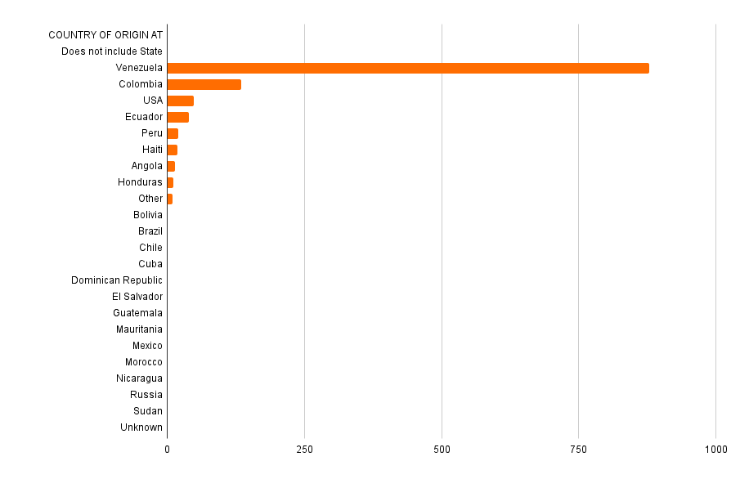

* = potential data entry error

NEW ARRIVALS CENSUS
DATE | 2023-06-09 | 2023-06-16 | 2023-06-23 | 2023-06-30 | 2023-07-07 | 2023-07-14 | 2023-07-21 | 2023-07-28 | 2023-08-04 | 2023-08-11 | 2023-08-18 | 2023-08-25 | 2023-09-01 | 2023-09-08 | 2023-09-15 | 2023-09-22 | 2023-09-29 | 2023-10-06 | 2023-10-13 | 2023-10-20 | 2023-10-27 | 2023-11-03 | 2023-11-10 | 2023-11-17 | 2023-11-24 | 2023-12-01 | 2023-12-08 | 2023-12-15 | 2023-12-22 | 2023-12-29 | 2024-01-05 | 2024-01-12 | 2024-01-19 | 2024-01-26 | 2024-02-02 | 2024-02-09 | 2024-02-16 | 2024-02-23 | 2024-03-01 | 2024-03-08 | 2024-03-15 | 2024-03-22 | 2024-03-29 | 2024-04-05 | 2024-04-12 | 2024-04-19 | 2024-04-26 | 2024-05-03 | 2024-05-10 | 2024-05-17 | 2024-05-24 | 2024-05-31 | 2024-06-07 | 2024-06-14 | 2024-06-21 | 2024-06-28 | 2024-07-05 | 2024-07-12 | 2024-07-19 | 2024-07-26 | 2024-08-02 | 2024-08-09 | 2024-08-16 | 2024-08-23 | 2024-08-30 | 2024-09-06 | 2024-09-13 | 2024-09-20 | 2024-09-27 | 2024-10-04 | 2024-10-11 | 2024-10-18 | 2024-10-25 | 2024-11-01 | 2024-11-08 | 2024-11-15 | 2024-11-22 | 2024-11-29 | 2024-12-06 | 2024-12-13 | 2024-12-20 | 2025-01-03
SHELTER TOTAL | 4647 | 4693 | 4830 | 5072 | 5166 | 5268 | 5407 | 5763 | 6054 | 6128 | 6360 | 6527 | 6662 | 6991 | 7370 | 8460 | 9361 | 9860 | 11018 | 11278 | 11749 | 11750 | 12125 | 12121 | 12198 | 13222 | 13600 | 14033 | 14505 | 14700 | 14734 | 14824 | 14649 | 14088 | 13749 | 13156 | 12722 | 12350 | 12084 | 11592 | 11207 | 10643 | 10208 | 9700 | 9398 | 8967 | 8605 | 8190 | 7793 | 7603 | 7387 | 7182 | 6937 | 6750 | 6310 | 5778 | 5870 | 5909 | 5673 | 5579 | 5565 | 5592 | 5551 | 5464 | 5470 | 5431 | 5446 | 5354 | 5298 | 5283 | 5104 | 4989 | 4954 | 4945 | 4606 | 4142 | 3763 | 3296 | 2861 | 2480 | 2394 | 2443
STAGING AREA TOTAL | 470 | 398 | 516 | 687 | 792 | 806 | 958 | 832 | 726 | 1032 | 1278 | 1639 | 1994 | 2032 | 2107 | 2006 | 2246 | 3382 | 3567 | 3684 | 3344 | 3228 | 2527 | 2218 | 1513 | 1032 | 575 | 339 | 251 | 253 | 262 | 406 | 230 | 202 | 69 | 29 | 26 | 4 | 15 | 7 | 43 | 76 | 133 | 84 | 39 | 31 | 84 | 29 | 53 | 17 | 40 | 34 | 20 | 17 | 19 | 26 | 29 | 6 | 8 | 33 | 35 | 9 | 5 | 7 | 12 | 13 | 21 | 17 | 19 | 10 | 15 | 21 | 4 | 6 | 9 | 16 | 12 | 56 | 6 | 4 | 0 | 0

BUS ARRIVALS
DATE | 2023-09-08 | 2023-09-15 | 2023-09-22 | 2023-09-29 | 2023-10-06 | 2023-10-13 | 2023-10-20 | 2023-10-27 | 2023-11-03 | 2023-11-10 | 2023-11-17 | 2023-11-24 | 2023-12-01 | 2023-12-08 | 2023-12-15 | 2023-12-22 | 2023-12-29 | 2024-01-05 | 2024-01-12 | 2024-01-19 | 2024-01-26 | 2024-02-02 | 2024-02-09 | 2024-02-16 | 2024-02-23 | 2024-03-01 | 2024-03-08 | 2024-03-15 | 2024-03-22 | 2024-03-29 | 2024-04-05 | 2024-04-12 | 2024-04-19 | 2024-04-26 | 2024-05-03 | 2024-05-10 | 2024-05-17 | 2024-05-24 | 2024-05-31 | 2024-06-07 | 2024-06-14 | 2024-06-21 | 2024-06-28 | 2024-07-05 | 2024-07-12 | 2024-07-19 | 2024-07-26 | 2024-08-02 | 2024-08-09 | 2024-08-16 | 2024-08-23 | 2024-08-30 | 2024-09-06 | 2024-09-13 | 2024-09-20 | 2024-09-27 | 2024-10-04 | 2024-10-11 | 2024-10-18 | 2024-10-25 | 2024-11-01 | 2024-11-08 | 2024-11-15 | 2024-11-22 | 2024-11-29 | 2024-12-06 | 2024-12-13 | 2024-12-20 | 2025-01-03
Landing Zone Buses Arrivals in Last 7 Days | 11 | 13 | 17 | 32 | 53 | 39 | 28 | 16 | 15 | 15 | 18 | 25 | 25 | 30 | 26 | 18 | 5 | 0 | 0 | 0 | 0 | 0 | 0 | 0 | 0 | 0 | 0 | 0 | 0 | 0 | 0 | 0 | 0 | 0 | 0 | 0 | 0 | 0 | 0 | 0 | 0 | 0 | 0 | 0 | 0 | 0 | 0 | 0 | 0 | 0 | 0 | 0 | 0 | 0 | 0 | 0 | 0 | 0 | 0 | 0 | 0 | 0 | 0 | 0 | 0 | 0 | 0 | 0 | 0
Outside Landing Zone Bus Arrivals in Last 7 Days |  |  |  |  |  |  |  |  |  |  |  |  |  |  |  |  |  |  |  |  |  |  |  |  | 2 | 4 | 6 | 12 | 9 | 10 | 13 | 13 | 9 | 12 | 7 | 5 | 7 | 7 | 7 | 6 | 0 | 0 | 0 | 0 | 0 | 0 | 0 | 0 | 0 | 0 | 0 | 0 | 0 | 0 | 0 | 0 | 0 | 0 | 0 | 0 | 0 | 0 | 0 | 0 | 0 | 0 | 0 | 0 | 0
Landing Zone Arrivals via Texas Contracted Buses in Last 7 Days |  | 602 | 826 | 1532 | 2910 | 1739 | 1180 | 646 | 744 | 714 | 800 | 1006 | 1175 | 1634 | 1115 | 667 | 182 | 0 | 0 | 15 | 5 | 2 | 0 | 0 | 64 | 149 | 253 | 529 | 525 | 459 | 453 | 522 | 284 | 537 | 250 | 155 | 154 | 272 | 262 | 232 | 0 | 0 | 0 | 0 | 0 | 0 | 0 | 0 | 0 | 0 | 0 | 0 | 0 | 0 | 0 | 0 | 0 | 0 | 0 | 0 | 0 | 0 | 0 | 0 | 0 | 0 | 0 | 0 | 0

DAILY CENSUS
DATE RANGE | 2024-08-10 | 2024-08-11 | 2024-08-12 | 2024-08-13 | 2024-08-14 | 2024-08-15 | 2024-08-16 | 2024-08-17 | 2024-08-18 | 2024-09-03 | 2024-09-04 | 2024-09-05 | 2024-09-06 | 2024-09-07 | 2024-09-08 | 2024-09-09 | 2024-09-10 | 2024-09-11 | 2024-09-12 | 2024-09-13 | 2024-09-14 | 2024-09-15 | 2024-09-16 | 2024-09-17 | 2024-09-18 | 2024-09-19 | 2024-09-20 | 2024-09-21 | 2024-09-22 | 2024-09-23 | 2024-09-24 | 2024-09-25 | 2024-09-26 | 2024-09-27 | 2024-09-28 | 2024-09-29 | 2024-09-30 | 2024-10-01 | 2024-10-02 | 2024-10-03 | 2024-10-04 | 2024-10-05 | 2024-10-06 | 2024-10-07 | 2024-10-08 | 2024-10-09 | 2024-10-10 | 2024-10-11 | 2024-10-12 | 2024-10-13 | 2024-10-14 | 2024-10-15 | 2024-10-16 | 2024-10-17 | 2024-10-18 | 2024-10-19 | 2024-10-20 | 2024-10-21 | 2024-10-22 | 2024-10-23 | 2024-10-24 | 2024-10-25 | 2024-10-26 | 2024-10-27 | 2024-10-28 | 2024-10-29 | 2024-10-30 | 2024-10-31 | 2024-11-01 | 2024-11-02 | 2024-11-03 | 2024-11-04 | 2024-11-05 | 2024-11-06 | 2024-11-07 | 2024-11-08 | 2024-11-09 | 2024-11-10 | 2024-11-11 | 2024-11-12 | 2024-11-13 | 2024-11-14 | 2024-11-15 | 2024-11-16 | 2024-11-17 | 2024-11-18 | 2024-11-19 | 2024-11-20 | 2024-11-21 | 2024-11-22 | 2024-11-23 | 2024-11-24 | 2024-11-25 | 2024-11-26 | 2024-11-27 | 2024-11-28 | 2024-11-29 | 2024-11-30 | 2024-12-01 | 2024-12-02 | 2024-12-03 | 2024-12-04 | 2024-12-05 | 2024-12-07 | 2024-12-08 | 2024-12-09 | 2024-12-10 | 2024-12-11 | 2024-12-12 | 2024-12-13 | 2024-12-14 | 2024-12-15 | 2024-12-16 | 2024-12-17 | 2024-12-18 | 2024-12-19 | 2024-12-20
Total Shelter Residents | 5571 | 5568 | 5506 | 5560 | 5579 | 5590 | 5567 | 5529 | 5514 | 5413 | 5421 | 5409 | 5431 | 5451 | 5438 | 5425 | 5461 | 5447 | 5454 | 5446 | 5389 | 5378 | 5343 | 5351 | 5374 | 5374 | 5354 | 5337 | 5303 | 5299 | 5348 | 5317 | 5302 | 5301 | 5312 | 5315 | 5292 | 5330 | 5330 | 5315 | 5287 | 5252 | 5234 | 5163 | 5174 | 5136 | 5112 | 5105 | 5096 | 5053 | 5007 | 5009 | 5020 | 4991 | 4990 | 5003 | 4989 | 4996 | 4969 | 4965 | 4942 | 4960 | 4918 | 4929 | 4909 | 4932 | 4952 | 4956 | 4950 | 4930 | 4930 | 4784 | 4735 | 4679 | 4626 | 4701 | 4647 | 4576 | 4489 | 4416 | 4408 | 4277 | 4242 | 4201 | 4111 | 4066 | 4007 | 3951 | 3906 | 3869 | 3831 | 3746 | 3703 | 3628 | 3575 | 3485 | 3450 | 3373 | 3330 | 3291 | 3114 | 3073 | 3016 | 2903 | 2825 | 2739 | 2671 | 2643 | 2610 | 2563 | 2529 | 2535 | 2487 | 2459 | 2487 | 2495 | 2476
Total Awaiting Placement | 22 | 6 | 11 | 7 | 43 | 14 | 5 | 9 | 11 | 43 | 12 | 20 | 13 | 15 | 20 | 25 | 15 | 29 | 23 | 21 | 11 | 17 | 34 | 18 | 16 | 17 | 17 | 18 | 17 | 64 | 10 | 7 | 11 | 18 | 12 | 10 | 38 | 28 | 14 | 25 | 10 | 8 | 9 | 30 | 13 | 6 | 9 | 15 | 11 | 27 | 27 | 52 | 25 | 12 | 11 | 13 | 8 | 21 | 16 | 14 | 13 | 3 | 12 | 8 | 46 | 33 | 17 | 28 | 2 | 9 | 5 | 30 | 32 | 16 | 11 | 11 | 15 | 10 | 27 | 13 | 18 | 13 | 16 | 7 | 5 | 20 | 7 | 4 | 23 | 12 | 8 | 3 | 10 | 23 | 3 | 10 | 10 | 4 | 8 | 8 | 5 | 6 | 0 | 0 | 0 | 16 | 10 | 10 | 3 | 4 | 7 | 3 | 3 | 0 | 0 | 2 | 0

EXITS VS RETURNS TO LZ
Date | 2024-04-19 | 2024-04-26 | 2024-05-03 | 2024-05-10 | 2024-05-17 | 2024-05-24 | 2024-05-31 | 2024-06-07 | 2024-06-14 | 2024-06-21 | 2024-06-28 | 2024-07-05 | 2024-07-12 | 2024-07-19 | 2024-07-26 | 2024-08-02 | 2024-08-09 | 2024-08-16 | 2024-08-23 | 2024-08-30 | 2024-09-06 | 2024-09-13 | 2024-09-20 | 2024-09-27 | 2024-10-04 | 2024-10-11 | 2024-10-18 | 2024-10-25 | 2024-11-01 | 2024-11-08 | 2024-11-15 | 2024-11-22 | 2024-11-29 | 2024-12-06 | 2024-12-13 | 2024-12-20 | 2025-01-03
60 Day Policy Exits in Last 7 Days | 86 | 177 | 232 | 55 | 64 | 51 | 68 | 86 | 51 | 117 | 152 | 68 | 100 | 65 | 198 | 129 | 87 | 67 | 106 | 67 | 18 | 67 | 95 | 152 | 113 | 113 | 55 | 93 | 95 | 148 | 176 | 214 | 138 | 138 | 138 | 166 | 267
60-Day Policy Exits Returned to Landing Zone in Last 7 Days | 70 | 108 | 83 | 33 | 36 | 37 | 45 | 40 | 32 | 78 | 125 | 51 | 89 | 50 | 172 | 115 | 76 | 55 | 87 | 54 | 14 | 76 | 95 | 136 | 71 | 97 | 54 | 93 | 81 | 107 | 128 | 126 | 126 | 126 | 126 | 135 | 135
 |  |  |  |  |  |  |  |  |  |  |  |  |  |  |  |  |  |  |  |  |  |  |  |  |  |  |  |  |  |  |  |  |  | ^potential data entry error, 2024-12-06
 |  |  |  |  |  |  |  |  |  |  |  |  |  |  |  |  |  |  |  |  |  |  |  |  |  |  |  |  |  |  |  |  |  |  | ^potential data entry error, 2024-12-13
 |  |  |  |  |  |  |  |  |  |  |  |  |  |  |  |  |  |  |  |  |  |  |  |  |  |  |  |  |  |  |  |  |  |  |  |  | ^potential data entry error, 2025-01-03

