Sheet2
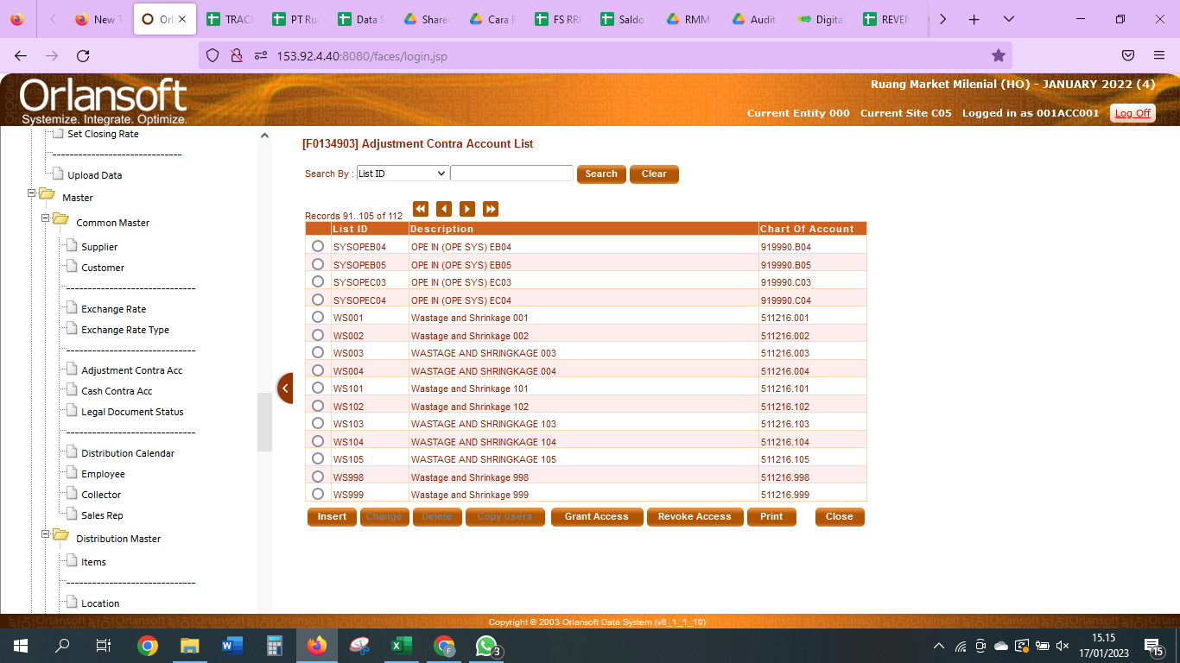
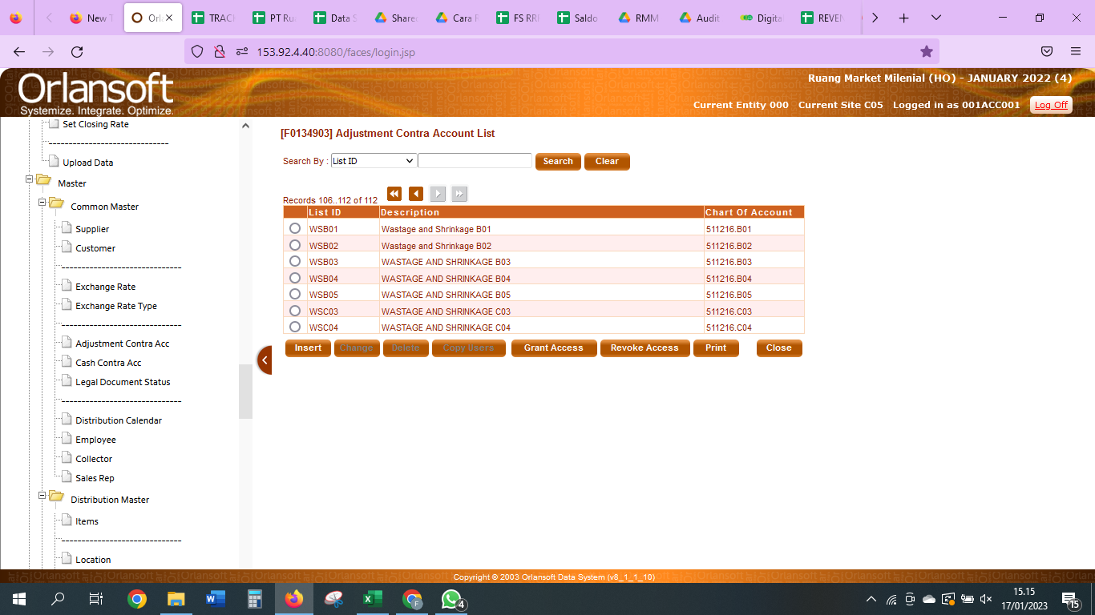
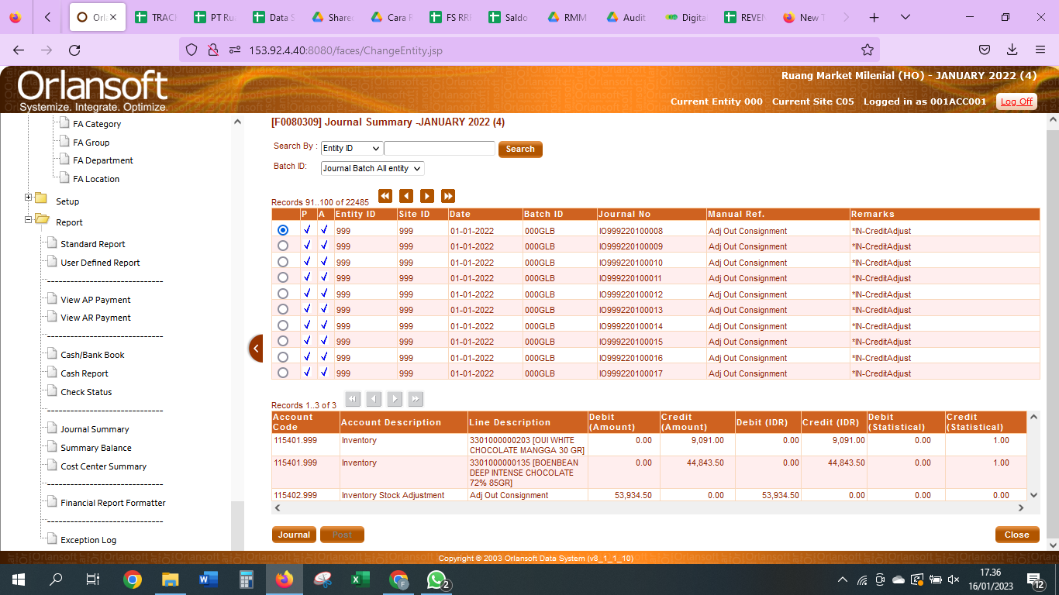

 | ADJ OUT CONSIGMENT

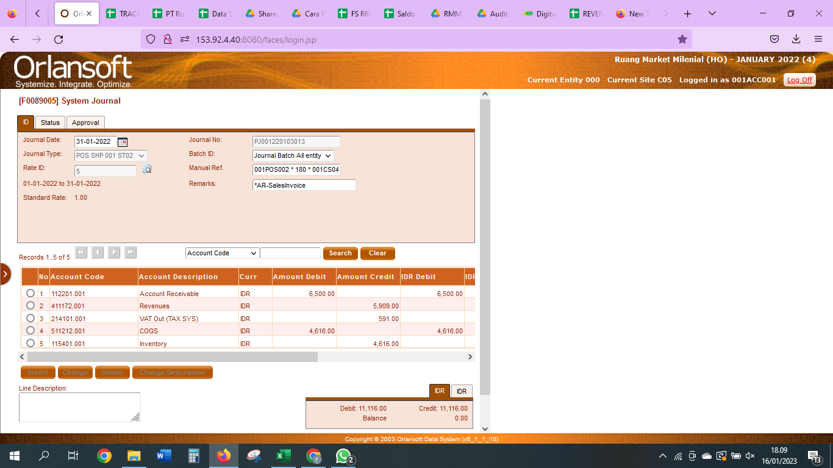

 | SALES INVOICE

 | D | Account Receivable |  | 112201001
 | K | Revenue |  | 411172001
 | K | VAT OUT |  | 214101001
 | D | COGS |  | 511212001
 | K | Inventory |  | 115401001

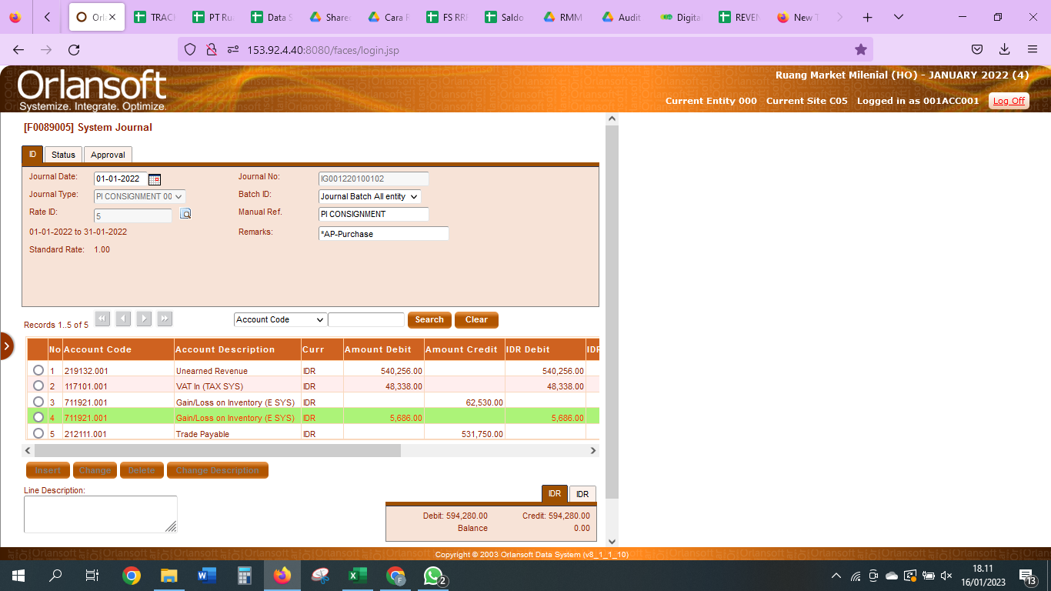

 | AP CONSIGMNET

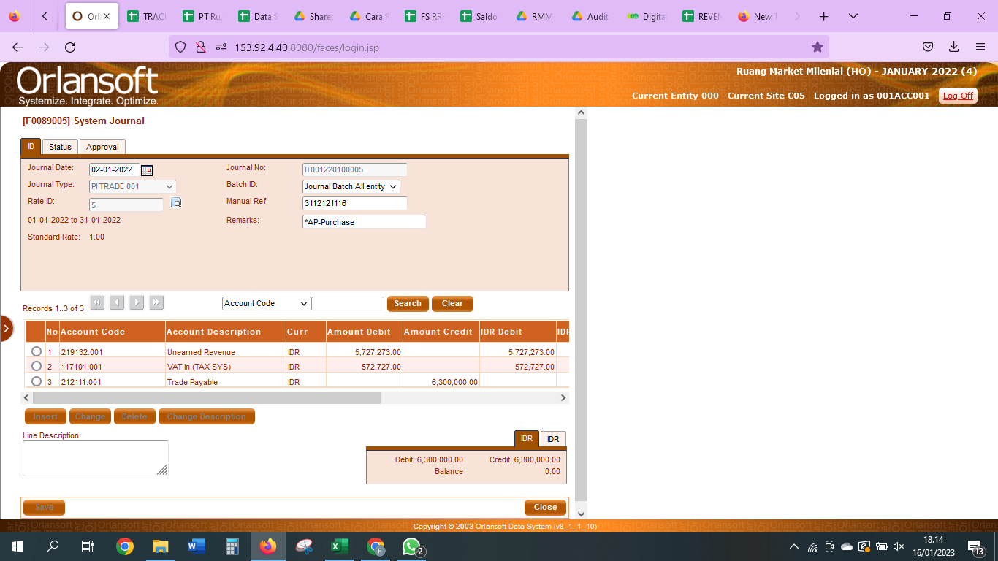

AP PURCHASE INVENTORY

D | Unearned Revenue |  | 219132001
D | VAT IN |  | 117101001
K | Trade Payable |  | 212111001

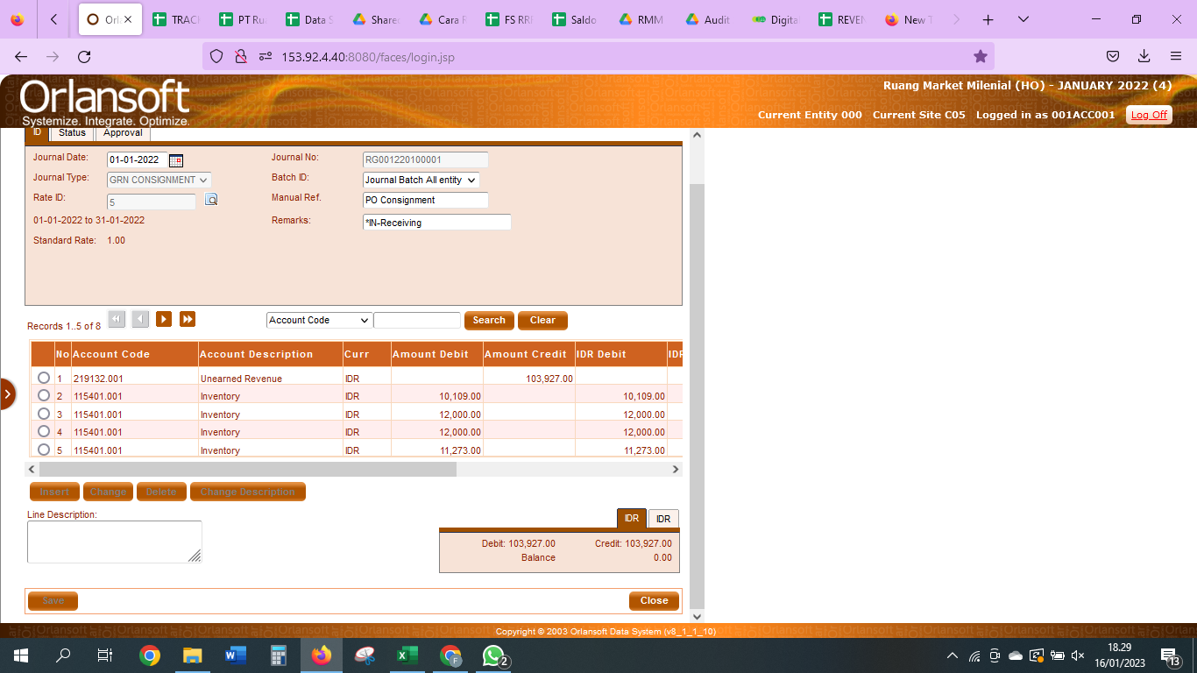

In Receiving

D | Inventory |  | 115401001
K | Unearned Revenue |  | 219132001

Sales Invoce

D | Unearned Revenue |  | 219132001
K | Trade Payable |  | 212111001

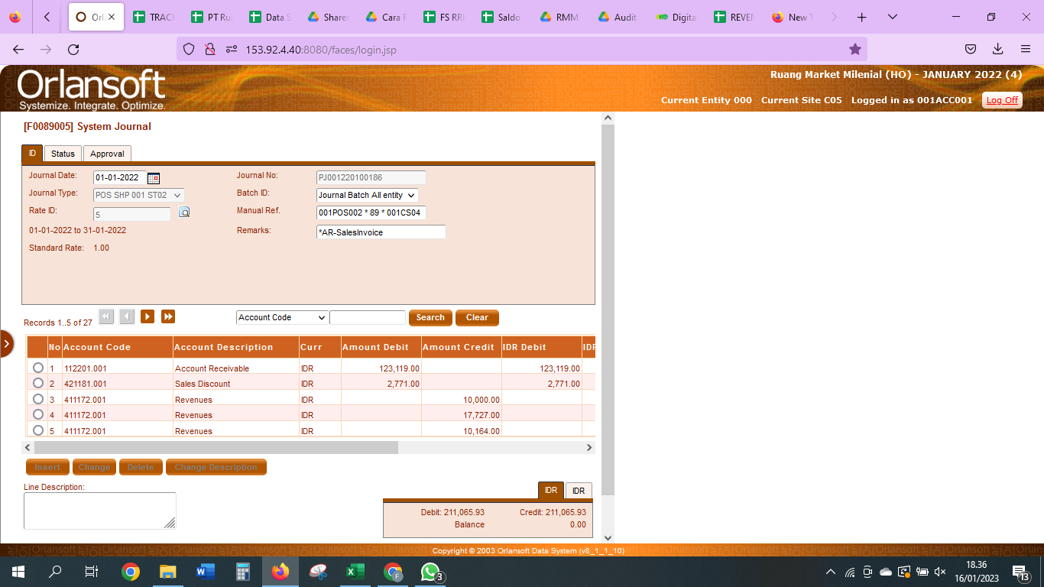

SALES DISKON

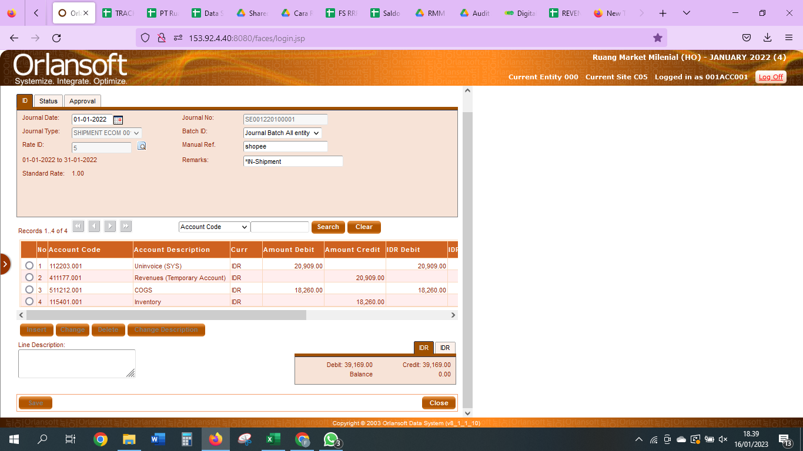

Shipment ECOMM

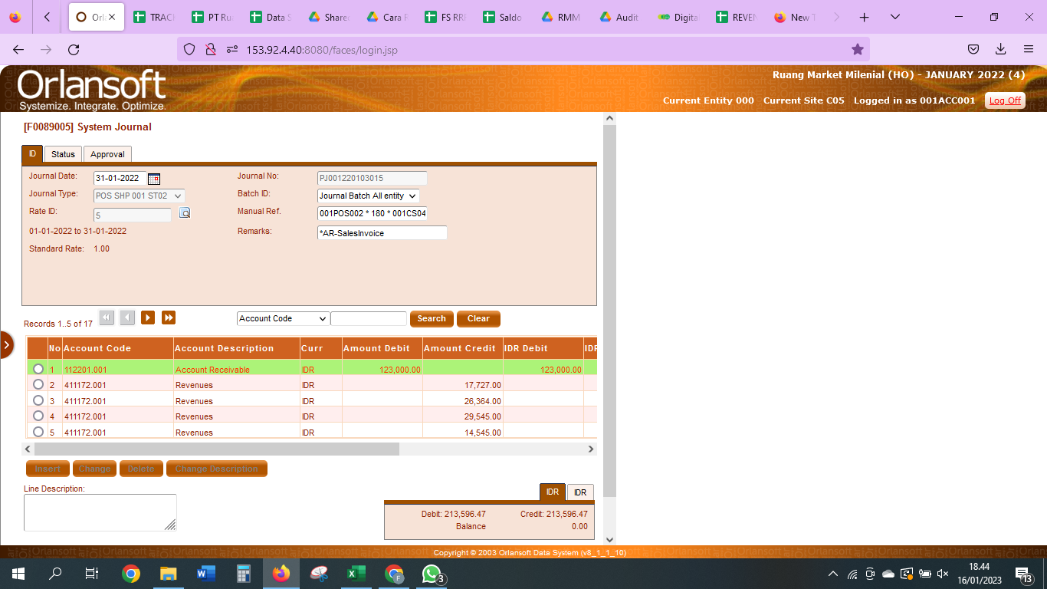

AR SALES INVOICE

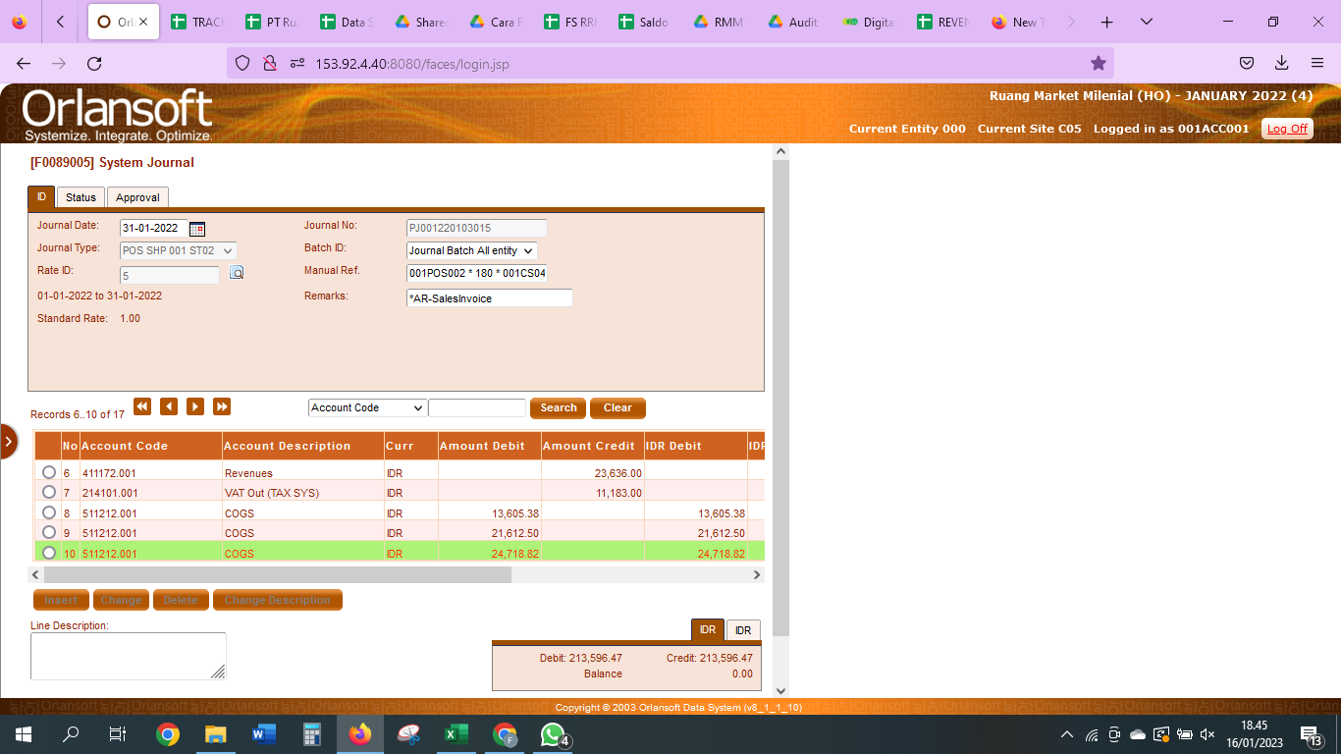

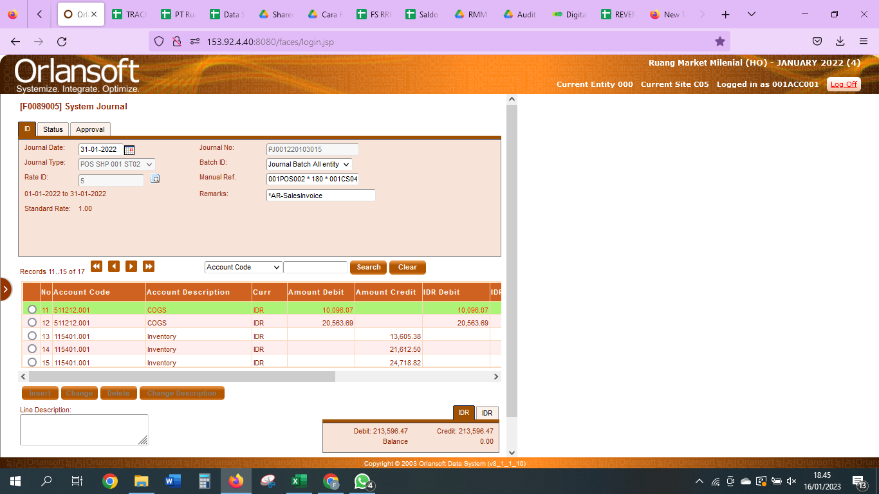

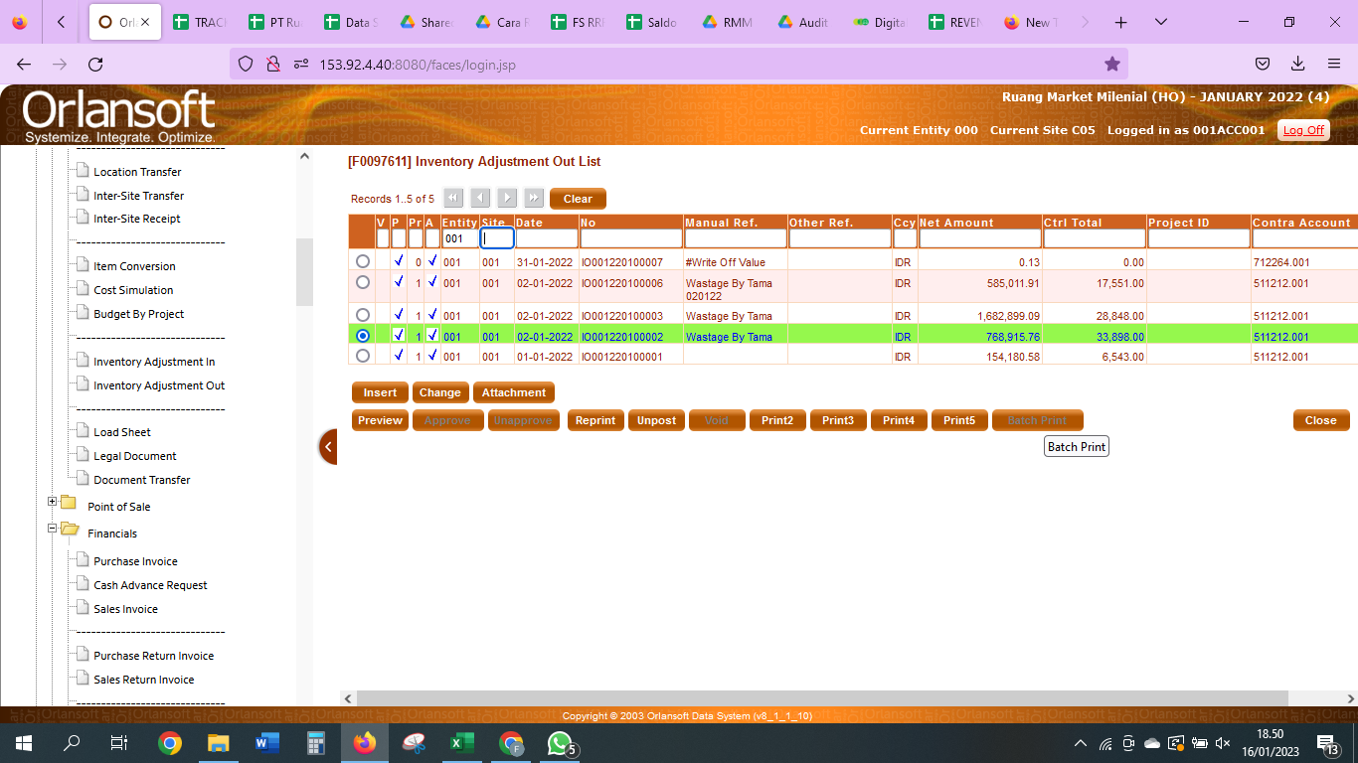

 |  | WASTAGE | 511212001

