Monte Carlo (2)
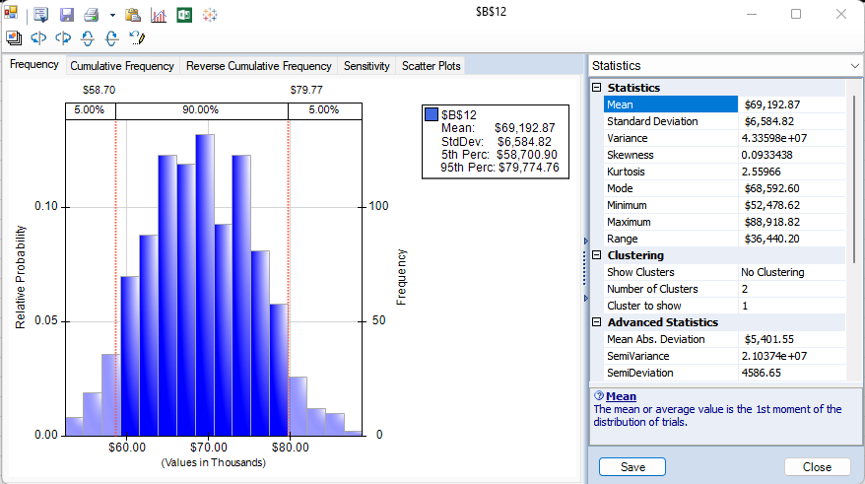
Black Ops

Cost | $9.23
Average selling price | 31.36
First year sale (bottle) produce | 4,000
2nd year sale (bottle) produce | 3,000
First year sale (bottle) | 3887.1154859
2nd year sale (bottle) | 2152.8912055

Profits | $124,804.61

Mean profit | $69,192.87
StdDev | $6,584.82
Min | $52,478.62
Max | $88,918.82

