T2DM Algorithm submodules
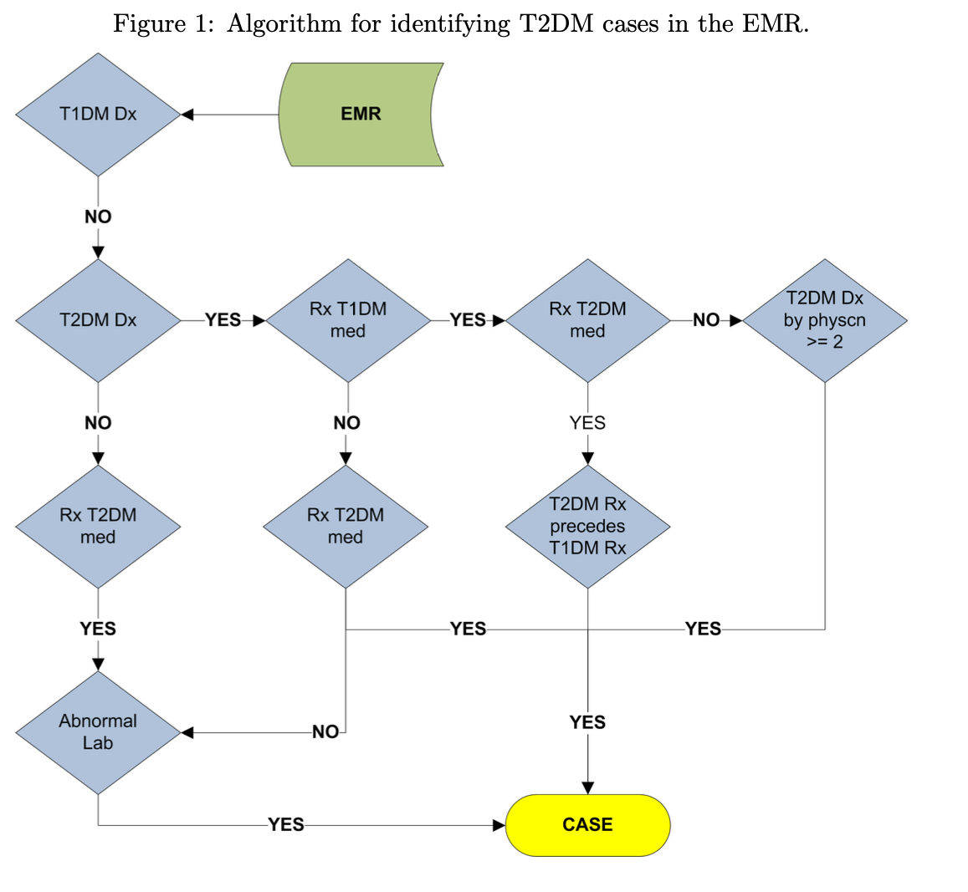
name | description | notes | count | FHIR Concept | Algorithm #
c00 | T1 DM diagnosis |  | 461 | Condition |  | 461
c01 | T2 DM diagnosis | no ICD-9 codes | 817 | Condition |  | 817
c02 | fstRxT2dm | date of first T2 DM medication | 728 | MedicationStatement |  | 728
c03 | fstRxT1dm | date of first T1 DM medication | 2765 | MedicationStatement |  | 2765
c04 | abnormalLabCaseCnt | No fasting glucose labs, but can still run | 15743 | Observation |  | 16603
c05 | dxDmCnt |  | 63 | Condition
c06 | abnormalLabCtrlCnt | No fasting glucose labs, but can still run (distinct dates) | 36709 | Observation |  | 36980
c07 | rxT1dmCnt | add insulin isophane; count distinct dates in which patient has taken t1dm meds |  |  | 8, 13
c08 | rxT2dmCnt | count distinct dates in which patient has taken t2dm meds |  |  | 8, 13
c09 | rxDiaMedSupCnt | combine c07+c08; count distinct dates in which patient has taken diabetes meds (t1+t2) |  |  | 8, 13
c10 | visitCnt | encounters/visit dates |  |  | 12
c11 | glucoseLabCnt |  |  | Observation?
c12 | t2dmFhxCnt | (t1+t2) any (1+) occurance in family history; currently do not have mapping?

abnormal case
if lab.type == random-glucose and lab.value ≥ 200 / (mg/dl)

or lab.type == fasting-glucose and lab.value ≥ 125 / (mg/dl)

or lab.type == HBA1c and lab.value ≥ 6.5 / (percent) abnormal-lab = true

( observation_concept_id in ('3002574','3024762','3035250','40765584','40765583','40768861','3025791','40766113','3025211','3031499','40765582','3036671','3002009','3020632','3037187','3021232','3037110')
 | AND O.value_as_number is not NULL AND O.value_as_number >= 125)
OR (observation_concept_id in ('3004251','3009397','3013145','3018151','3019013','3020193','3020260','3020407','3036807','3037936','3038525','3038855','3041757','3043210','3043637','40759281','3000845','3005131','3016083','3016427','3025113','3025181','3025866','3026300','3027276','3032809','3032986','3038388','3039397','3040904','3041921','3042058','3042145','3042343','3042443','3042982','3043678','3043908','3048585','40761078','3004676','3006325','3009540','3010030','3015930','3016680','3017261','3017328','3019876','3021580','3022314','3023125','3023186','3024629','3024762','3026071','3026550','3029871','3031929','3034771','3034962','3035858','3036283','3038687','3040748','3040872','3040940','3041915','3042186','3002544','3003541','3010075','3013802','3015283','3020909','3025658','3026020','3027198','3028112','3028607','3031928','3032779','3034003','3038543','3038570','3039280','3039582','3039937','3041056','3042201','3043057','3044574','3048856','3048865','3050405','3053004','3001975','3009414','3010044','3011296','3016726','3017083','3029014','3033408','3035352','3035759','3038995','3039229','3040476','3043648','3052646','3000607','3002436','3004077','3006760','3007427','3010300','3011789','3014163','3021924','3029102','3030416','3032780','3038316','3038958','3038965','3040739','3041620','3041745','3041799','3042329','3042431','3049846','3050095','3050134','3051368','3000931','3001020','3004351','3008572','3010115','3015544','3019431','3022079','3023306','3023776','3024583','3025398','3026604','3032276','3034466','3034530','3039562','3040420','3040694','3040983','3041015','3041186','3041860','3043930','3049496','3052381','40761077','3002310','3004389','3005787','3005850','3005996','3007781','3007864','3012635','3013881','3017269','3020317','3026536','3030070','3031266','3032230','3035125','3039896','3040375','3041397','3041864','3041875','3042637','3044252','3045908','3048282','40760467','40759245','40759870','3003412','3004681','3004766','3005487','3006887','30
 | AND O.value_as_number is not NULL AND O.value_as_number > 200)
OR (observation_concept_id in ('3033145','42869630','3007263','40762352','40765129','40758583','3005673','3003309','3004410')
 | AND O.value_as_number is not NULL AND O.value_as_number >= 6.5)

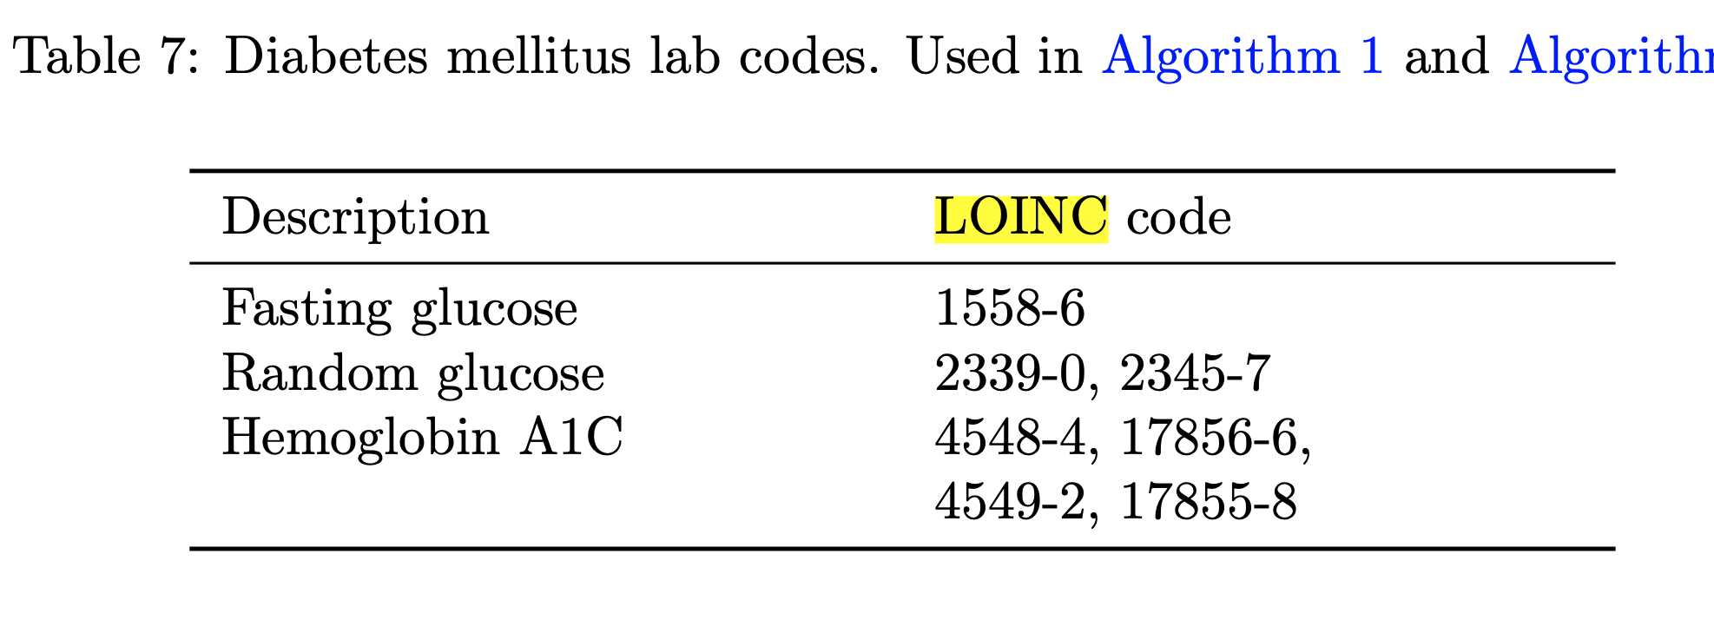

 |  |  |  |  |  |  |  | 1558-6
 |  |  |  |  |  |  |  | 2339-0, 2345-7 4548-4, 17856-6, 4549-2, 17855-8

Display that mention "glucose"
code2 | display2 | count | avg_reading | over_200
2345-7 | Glucose lab | 595589 | 132.77328107 | 50738 | 8.5% | icu so "random"/icu | https://physionet.org/content/glucose-management-mimic/1.0.0/
2339-0 | Glucose [Mass/volume] in Blood | 193219 | 139.12070598 | 17203 | 8.9%
5792-7 | Glucose urine dipstick | 7879 | 436.07183653 | 4724 | 60.0%
2342-4 | Glucose [Mass/volume] in Cerebral spinal fluid | 3280 | 71.68902439 | 21 | 0.6%
2346-5 | Glucose [Mass/volume] in Pleural fluid | 1835 | 120.05286104 | 96 | 5.2%
2347-3 | Glucose [Mass/volume] in Peritoneal fluid | 939 | 131.23855165 | 81 | 8.6%
2344-0 | Glucose [Mass/volume] in Body fluid | 432 | 98.886574074 | 19 | 4.4%
32546-4 | Glucose-6-Phosphate dehydrogenase [Enzymatic activity/mass] in Red Blood Cells | 153 | 11.559477124 | 0 | 0.0%
2350-7 | Glucose [Mass/volume] in Urine | 56 | 216.69642857 | 11 | 19.6%
2348-1 | Glucose [Mass/volume] in Synovial fluid | 31 | 105.64516129 | 2 | 6.5%

