Sheet1
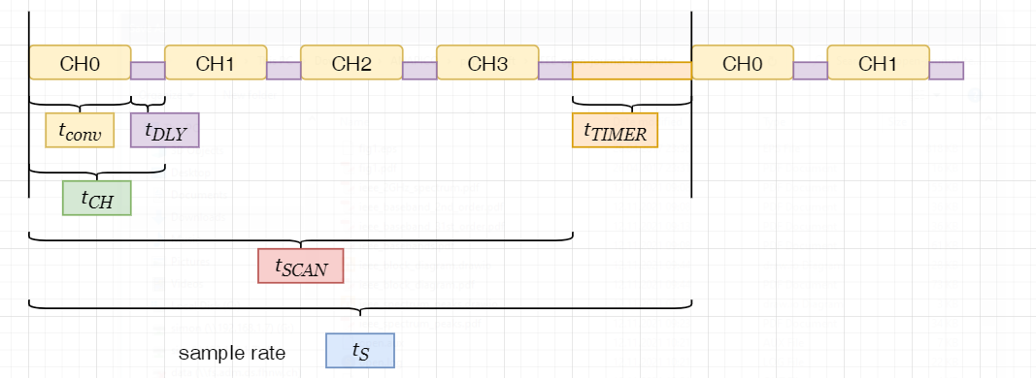
1 | MCLK | 4.92E+06 | Hz | t_MCLK | 2.03E-07 | s
2 | PRE | 1
analog | AMCLK | 4915000 | Hz | t_AMCLK | 2.035e-07 | s
digital | DMCLK | 1228750 | Hz | t_DMCLK | 8.138e-07 | s
data rate | DRCLK | 12.4994913737 | Hz | t_DRCLK | 0.0800032553 | s

3 | N_CH | 1
4 | OSR | 98304 |  | t_conv | 99328 | DMCLK
 | OSR3 | 512 |  | t_poll | 0.0808366226 | s | (required polling delay)
 | OSR1 | 192 |  | f_s | 12.3706306379 | Hz | (effective sampling rate)
5 | DLY | 0 | DMCLK
6 | f_s | 1 | Hz | t_DLY | 0.00E+00 | s

1. enter input master clock MCLK
2. enter the clock prescaler setting
3. enter number of channels that are continuously converted by SCAN mode
4. enter desired oversampling rate OSR to achieve a desired ENOB
5. enter the delay after each channel conversion
6. enter desired sampling rate per channel
the tool will output the required TIMER delay for the SCAN mode
 | t_conv | 0.0808366226 | s | f_s (max) | 12.3706306379 | Hz
 | t_CH | 0.0808366226 | s
 | t_SCAN | 0.0808366226 | s
 | t_s | 1 | s
 | t_TIMER | 0.9191633774 | s
 | TIMER | 1129422 | DMCLK

