StDevSummary
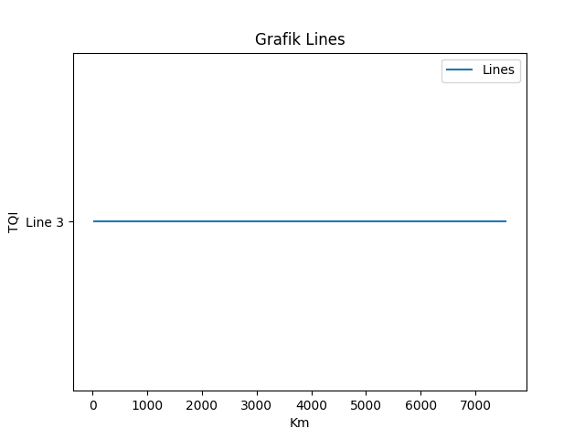
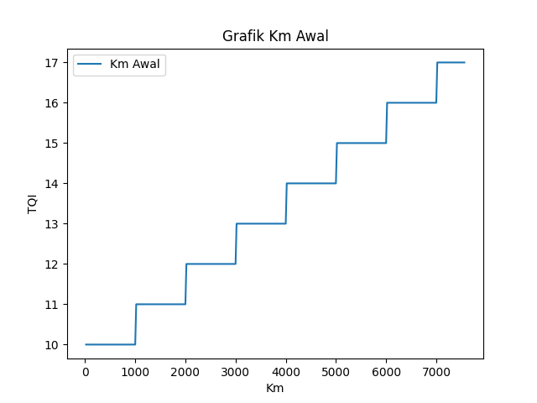
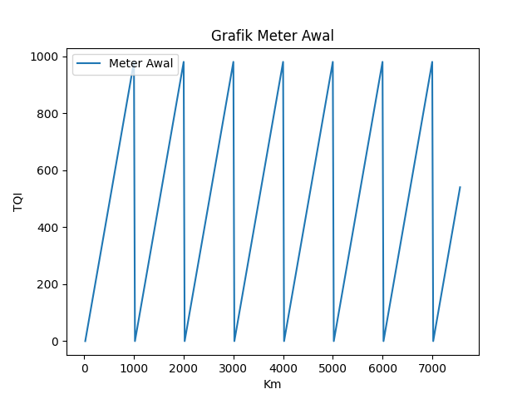
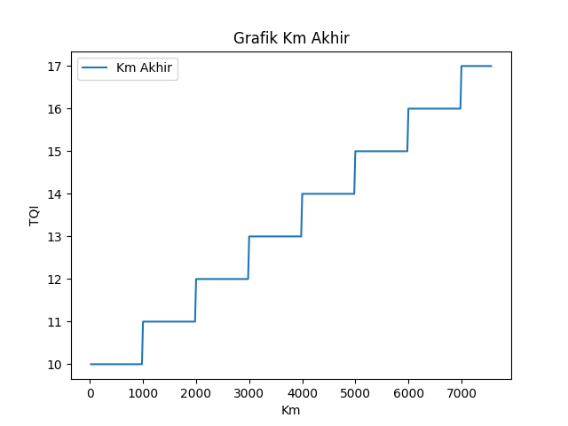
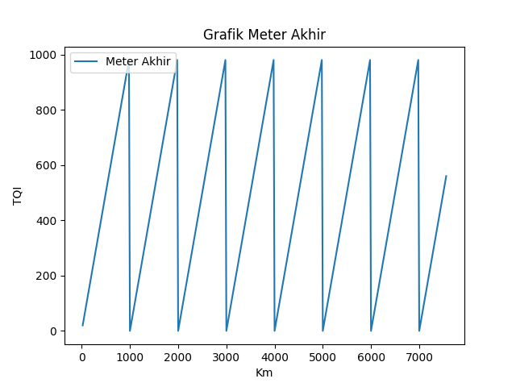
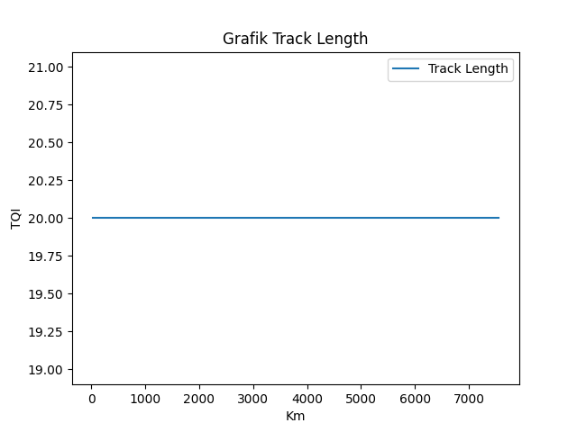
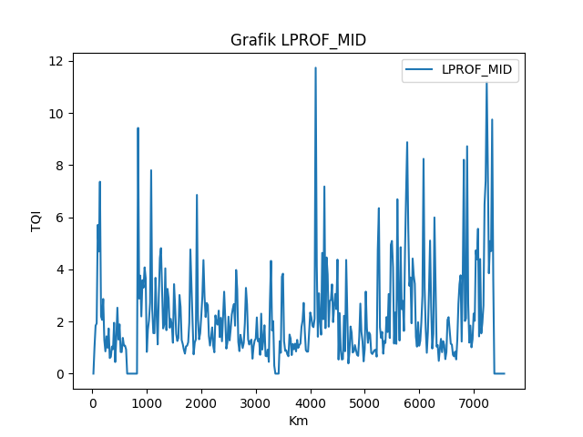
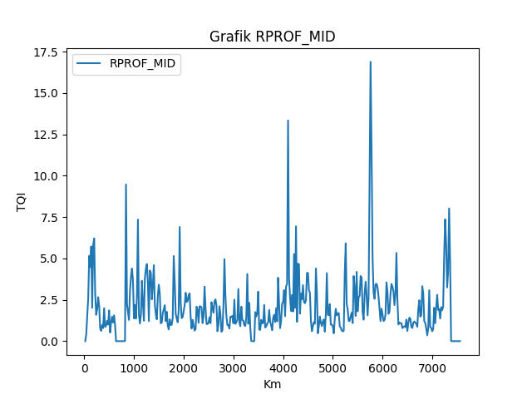
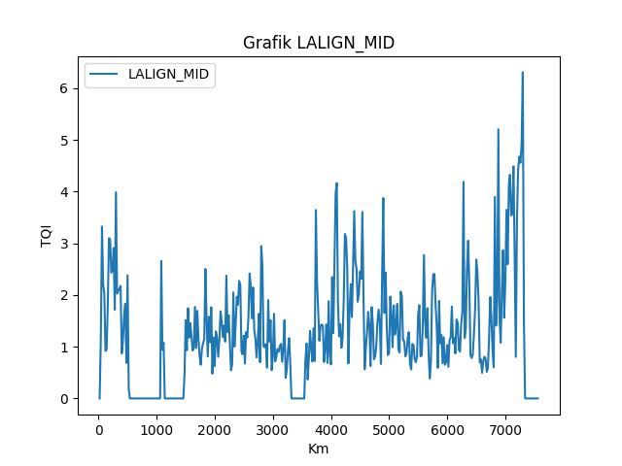
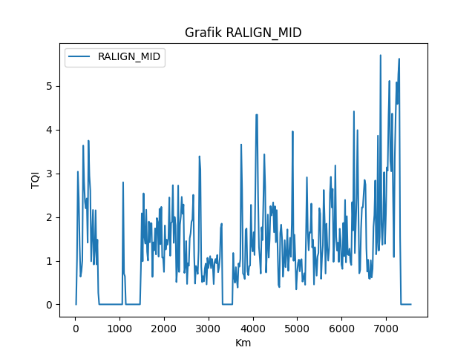
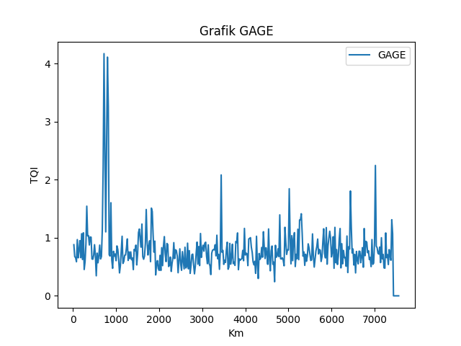
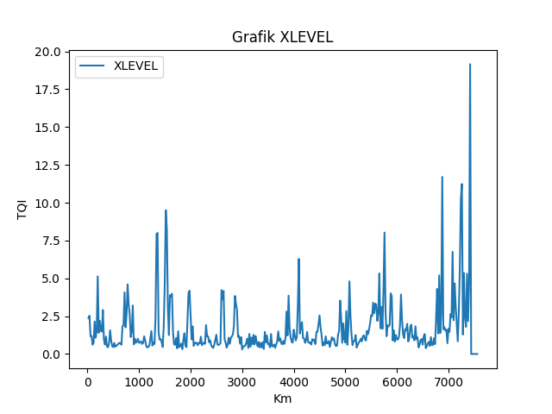
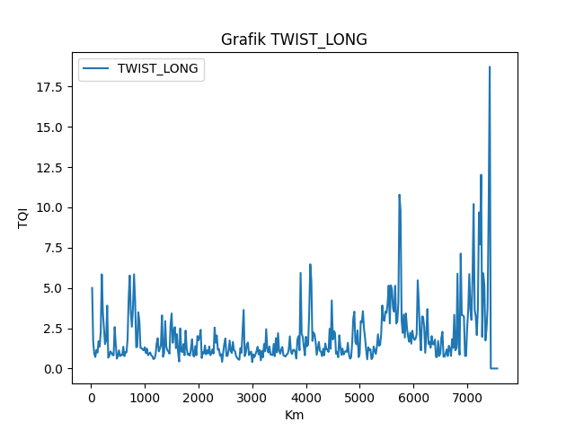
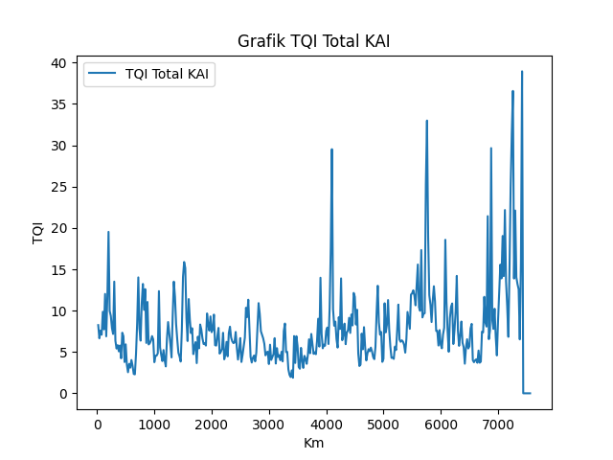
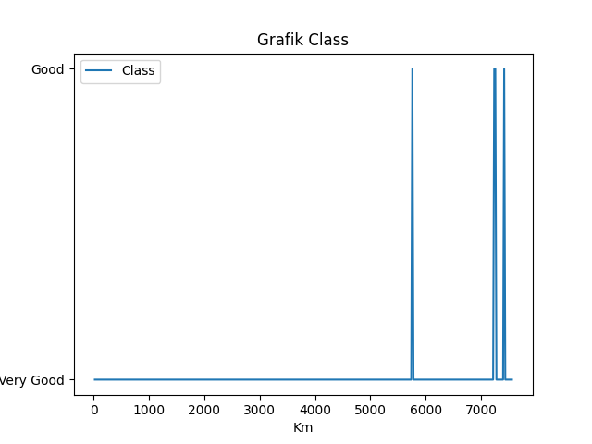
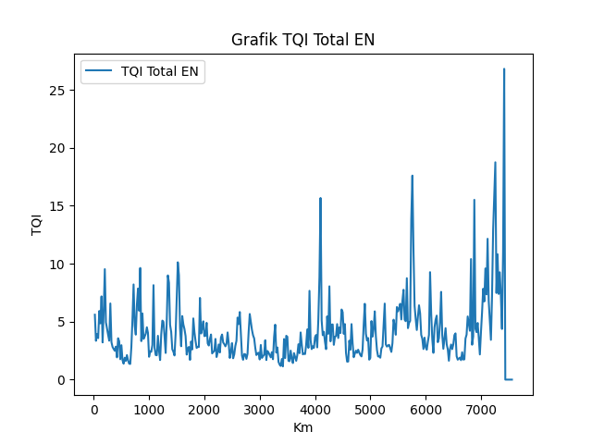
Lines | Km Awal | Meter Awal | Km Akhir | Meter Akhir | Track Length | LPROF_MID | RPROF_MID | LALIGN_MID | RALIGN_MID | GAGE | XLEVEL | TWIST_LONG | TQI Total KAI | Class | TQI Total EN
Line 3 | 10 | 0 | 10 | 20 | 20 | 0 | 0 | 0 | 0 | 0.88009445516 | 2.3655387831 | 5.0008281674 | 8.25 | Very Good | 5.6
Line 3 | 10 | 20 | 10 | 40 | 20 | 1.0118042054 | 0.41228083193 | 1.1629880091 | 1.023085743 | 0.67560379245 | 2.5305532961 | 1.6343340339 | 6.65 | Very Good | 3.35
Line 3 | 10 | 40 | 10 | 60 | 20 | 1.8409143066 | 1.4908638383 | 3.3250045489 | 3.039768677 | 0.65728464867 | 1.1694213246 | 0.9161000133 | 7.59 | Very Good | 3.94
Line 3 | 10 | 60 | 10 | 80 | 20 | 1.9287036449 | 2.6353614286 | 2.2063223041 | 2.426120553 | 0.58702108139 | 1.1939846039 | 0.71320113529 | 7.09 | Very Good | 3.58
Line 3 | 10 | 80 | 10 | 100 | 20 | 5.7084138545 | 5.1565545046 | 2.0281473034 | 1.3541987887 | 0.96825596274 | 0.61473856232 | 1.1580832696 | 9.86 | Very Good | 5.92
Line 3 | 10 | 100 | 10 | 120 | 20 | 4.6865789162 | 4.4743066781 | 0.91894245433 | 0.63642506187 | 0.65460484263 | 0.73362643764 | 0.98851147565 | 7.73 | Very Good | 4.85
Line 3 | 10 | 120 | 10 | 140 | 20 | 7.3634597464 | 5.7202054036 | 0.94645918262 | 0.75535396297 | 0.79054791126 | 2.1489583778 | 1.6888516392 | 12.02 | Very Good | 7.18
Line 3 | 10 | 140 | 10 | 160 | 20 | 2.1955721599 | 2.0118506367 | 1.8151689832 | 1.0011136845 | 0.95071210153 | 1.0737365832 | 1.3503571518 | 6.89 | Very Good | 3.21
Line 3 | 10 | 160 | 10 | 180 | 20 | 2.0624183279 | 5.8212584537 | 3.0992737456 | 3.6373398247 | 0.65708150893 | 1.5196268816 | 2.2541246881 | 11.74 | Very Good | 5.89
Line 3 | 10 | 180 | 10 | 200 | 20 | 2.8649734292 | 6.2102245078 | 3.0809574177 | 2.8156422197 | 1.0687150506 | 5.1296398981 | 5.8435699919 | 19.53 | Very Good | 9.53
Line 3 | 10 | 200 | 10 | 220 | 20 | 1.2938077282 | 2.8604904491 | 2.4342621957 | 2.3444327539 | 0.62616286819 | 1.4040943478 | 3.4702845615 | 9.97 | Very Good | 4.94
Line 3 | 10 | 220 | 10 | 240 | 20 | 0.85507601088 | 1.5924013117 | 2.4752666239 | 2.1988159847 | 1.0857845594 | 2.1928540157 | 2.5215870994 | 9.36 | Very Good | 4.39
Line 3 | 10 | 240 | 10 | 260 | 20 | 1.4306176496 | 1.9390289089 | 2.9082778812 | 2.42614406 | 0.45319911463 | 1.5565713724 | 1.5137002469 | 7.88 | Very Good | 3.86
Line 3 | 10 | 260 | 10 | 280 | 20 | 0.99015048572 | 2.6580666112 | 1.715753752 | 1.4148683463 | 0.58885460854 | 1.4735129739 | 1.7311167593 | 7.18 | Very Good | 3.36
Line 3 | 10 | 280 | 10 | 300 | 20 | 1.733806213 | 2.1325089537 | 3.9872819611 | 3.7503683965 | 0.89428616785 | 2.9072527302 | 3.9037483189 | 13.51 | Very Good | 6.57
Line 3 | 10 | 300 | 10 | 320 | 20 | 0.59947058675 | 0.7804869874 | 2.0277672104 | 2.9417596536 | 1.5440911364 | 0.95954246095 | 0.67233593491 | 6.35 | Very Good | 3.23
Line 3 | 10 | 320 | 10 | 340 | 20 | 0.64572796856 | 0.62248975895 | 2.0771938854 | 2.6074513298 | 1.0319100918 | 0.62257228496 | 0.77519251641 | 5.41 | Very Good | 2.82
Line 3 | 10 | 340 | 10 | 360 | 20 | 1.0399716868 | 0.9777447264 | 2.1205783262 | 0.9860438552 | 1.037158498 | 1.1507243371 | 1.0654540992 | 5.82 | Very Good | 2.64
Line 3 | 10 | 360 | 10 | 380 | 20 | 0.93459549238 | 0.78867214354 | 2.1778537851 | 1.5590738437 | 0.87567060017 | 0.48920752243 | 0.97680057298 | 5.07 | Very Good | 2.49
Line 3 | 10 | 380 | 10 | 400 | 20 | 1.952274811 | 1.9923956058 | 0.86827622873 | 2.1626392694 | 1.0136155583 | 0.4451976387 | 0.83462865058 | 5.78 | Very Good | 2.85
Line 3 | 10 | 400 | 10 | 420 | 20 | 0.44516834948 | 0.86120800877 | 1.1005333295 | 0.91252136961 | 1.0092645837 | 0.73345160031 | 0.82263219872 | 4.23 | Very Good | 1.92
Line 3 | 10 | 420 | 10 | 440 | 20 | 1.3417911536 | 0.94634526436 | 1.5913349545 | 1.2304781527 | 0.63472784522 | 1.5671379965 | 2.5719301969 | 7.33 | Very Good | 3.57
Line 3 | 10 | 440 | 10 | 460 | 20 | 2.5295268796 | 1.2290458634 | 1.8291613131 | 2.1551420922 | 0.62970130568 | 0.89643543235 | 1.5093423599 | 6.91 | Very Good | 3.31
Line 3 | 10 | 460 | 10 | 480 | 20 | 1.3078928604 | 0.99931594572 | 0.68425039962 | 0.91624109818 | 0.70029403423 | 0.51588260232 | 0.60930481647 | 3.78 | Very Good | 1.76
Line 3 | 10 | 480 | 10 | 500 | 20 | 1.8905660487 | 1.8631568263 | 2.3816826739 | 1.4812715768 | 0.88049811896 | 0.45803928257 | 0.77548110067 | 5.92 | Very Good | 2.97
Line 3 | 10 | 500 | 10 | 520 | 20 | 0.82968969162 | 0.5239980916 | 0.18355363658 | 0.26660316952 | 0.69177840337 | 0.73265851527 | 1.1302742408 | 3.46 | Very Good | 1.67
Line 3 | 10 | 520 | 10 | 540 | 20 | 0.82833748217 | 1.1108762026 | 0 | 0 | 0.34515974563 | 0.47002898847 | 0.76702574924 | 2.55 | Very Good | 1.37
Line 3 | 10 | 540 | 10 | 560 | 20 | 1.3719051477 | 1.4811762587 | 0 | 0 | 0.73504437579 | 0.55387722861 | 0.8401380002 | 3.56 | Very Good | 1.89
Line 3 | 10 | 560 | 10 | 580 | 20 | 1.0790905893 | 1.1244637611 | 0 | 0 | 0.56918251412 | 0.59268899939 | 0.83220430184 | 3.1 | Very Good | 1.61
Line 3 | 10 | 580 | 10 | 600 | 20 | 1.0753726026 | 1.5595836333 | 0 | 0 | 0.69281653416 | 0.66918042223 | 1.3548740716 | 4.03 | Very Good | 2.12
Line 3 | 10 | 600 | 10 | 620 | 20 | 0.92940945632 | 0.97189549818 | 0 | 0 | 0.87379742361 | 0.73407386379 | 0.76945008772 | 3.33 | Very Good | 1.67
Line 3 | 10 | 620 | 10 | 640 | 20 | 0 | 0 | 0 | 0 | 0.63479020895 | 0.69461590106 | 1.0128082787 | 2.34 | Very Good | 1.38
Line 3 | 10 | 640 | 10 | 660 | 20 | 0 | 0 | 0 | 0 | 0.67549444853 | 0.61091088497 | 1.0014816446 | 2.29 | Very Good | 1.35
Line 3 | 10 | 660 | 10 | 680 | 20 | 0 | 0 | 0 | 0 | 1.1324381261 | 1.8260469215 | 1.8219585573 | 4.78 | Very Good | 2.82
Line 3 | 10 | 680 | 10 | 700 | 20 | 0 | 0 | 0 | 0 | 2.1974970101 | 1.9073542539 | 4.3743859498 | 8.48 | Very Good | 5.25
Line 3 | 10 | 700 | 10 | 720 | 20 | 0 | 0 | 0 | 0 | 4.1707975837 | 4.0713427146 | 5.7755605667 | 14.02 | Very Good | 8.21
Line 3 | 10 | 720 | 10 | 740 | 20 | 0 | 0 | 0 | 0 | 2.5563304236 | 1.7591437503 | 3.4898028933 | 7.81 | Very Good | 4.67
Line 3 | 10 | 740 | 10 | 760 | 20 | 0 | 0 | 0 | 0 | 1.1009988647 | 2.6718739211 | 2.5925536518 | 6.37 | Very Good | 3.88
Line 3 | 10 | 760 | 10 | 780 | 20 | 0 | 0 | 0 | 0 | 2.6001998841 | 4.6015133907 | 3.7324445722 | 10.93 | Very Good | 6.47
Line 3 | 10 | 780 | 10 | 800 | 20 | 0 | 0 | 0 | 0 | 4.1106442603 | 3.273596264 | 5.8423572084 | 13.23 | Very Good | 7.86
Line 3 | 10 | 800 | 10 | 820 | 20 | 0 | 0 | 0 | 0 | 3.2575162989 | 2.6064620148 | 4.2223364311 | 10.09 | Very Good | 5.94
Line 3 | 10 | 820 | 10 | 840 | 20 | 9.428217686 | 9.4691800199 | 0 | 0 | 0.70952202221 | 1.1189900511 | 1.3199352198 | 12.6 | Very Good | 9.63
Line 3 | 10 | 840 | 10 | 860 | 20 | 2.879682814 | 2.2175005073 | 0 | 0 | 0.68482474948 | 1.497768752 | 1.3583056484 | 6.09 | Very Good | 3.32
Line 3 | 10 | 860 | 10 | 880 | 20 | 3.7614704385 | 1.7448455519 | 0 | 0 | 1.603005595 | 3.2024966798 | 3.4872879662 | 11.05 | Very Good | 5.71
Line 3 | 10 | 880 | 10 | 900 | 20 | 2.1956711816 | 1.281711356 | 0 | 0 | 0.61906703999 | 0.6360613178 | 2.9143637813 | 5.91 | Very Good | 3.51
Line 3 | 10 | 900 | 10 | 920 | 20 | 3.5860528353 | 3.0022723451 | 0 | 0 | 0.47370479666 | 1.0123181858 | 1.2799059963 | 6.06 | Very Good | 3.71
Line 3 | 10 | 920 | 10 | 940 | 20 | 3.3007379478 | 3.8933620894 | 0 | 0 | 0.76703939762 | 0.7393133533 | 1.266226425 | 6.37 | Very Good | 3.96
Line 3 | 10 | 940 | 10 | 960 | 20 | 4.076784408 | 4.3871820041 | 0 | 0 | 0.68327661858 | 0.82538512791 | 1.1839024189 | 6.92 | Very Good | 4.52
Line 3 | 10 | 960 | 10 | 980 | 20 | 3.659521135 | 3.6654420756 | 0 | 0 | 0.72081714698 | 1.0086981399 | 1.124462309 | 6.52 | Very Good | 4.03
Line 3 | 10 | 980 | 11 | 0 | 20 | 0.83502222089 | 1.3708238798 | 0 | 0 | 0.6050473122 | 0.73252806047 | 1.3220414552 | 3.76 | Very Good | 1.97
Line 3 | 11 | 0 | 11 | 20 | 20 | 1.6860238683 | 2.1848450996 | 0 | 0 | 0.85894185448 | 0.78452970586 | 0.95716913343 | 4.54 | Very Good | 2.45
Line 3 | 11 | 20 | 11 | 40 | 20 | 2.0434110575 | 1.358706738 | 0 | 0 | 0.80049975601 | 0.82973729841 | 1.2321017612 | 4.56 | Very Good | 2.4
Line 3 | 11 | 40 | 11 | 60 | 20 | 2.7224084437 | 2.7375950868 | 0 | 0 | 0.62536189523 | 0.66232326652 | 0.8242932958 | 4.84 | Very Good | 2.99
Line 3 | 11 | 60 | 11 | 80 | 20 | 7.8035380507 | 7.3473762494 | 2.6589099006 | 2.796325446 | 0.39482519866 | 0.74195264969 | 0.92147075883 | 12.36 | Very Good | 8.15
Line 3 | 11 | 80 | 11 | 100 | 20 | 2.4709548224 | 1.5977920263 | 0.94162226204 | 0.70317098739 | 0.52141272939 | 1.1690438133 | 0.99588050708 | 5.54 | Very Good | 2.73
Line 3 | 11 | 100 | 11 | 120 | 20 | 1.5558377516 | 1.0649116087 | 1.0753545273 | 0.64180914949 | 0.76564693846 | 0.89291901054 | 0.81609794717 | 4.64 | Very Good | 2.12
Line 3 | 11 | 120 | 11 | 140 | 20 | 1.5497128565 | 1.5846151692 | 0 | 0 | 1.026075282 | 0.54357957099 | 0.76649664668 | 3.9 | Very Good | 2.1
Line 3 | 11 | 140 | 11 | 160 | 20 | 3.6767261167 | 3.6501073186 | 0 | 0 | 0.55796223831 | 0.42146700642 | 0.5855866583 | 5.23 | Very Good | 3.78
Line 3 | 11 | 160 | 11 | 180 | 20 | 2.3263188162 | 2.2527527466 | 0 | 0 | 0.59337212976 | 0.48755198441 | 0.61491349747 | 3.99 | Very Good | 2.49
Line 3 | 11 | 180 | 11 | 200 | 20 | 1.1224740462 | 1.2336186354 | 0 | 0 | 0.69840246277 | 0.53605824077 | 0.83280609988 | 3.25 | Very Good | 1.69
Line 3 | 11 | 200 | 11 | 220 | 20 | 2.9368963635 | 3.8030396067 | 0 | 0 | 0.7039662634 | 1.0212021026 | 1.5398484047 | 6.63 | Very Good | 3.91
Line 3 | 11 | 220 | 11 | 240 | 20 | 4.4349419106 | 4.3890846426 | 0 | 0 | 0.8214870282 | 1.5126594492 | 1.8785813755 | 8.62 | Very Good | 5.09
Line 3 | 11 | 240 | 11 | 260 | 20 | 4.8141230705 | 4.6609564989 | 0 | 0 | 0.97959844292 | 0.55015439594 | 1.0590267938 | 7.33 | Very Good | 4.98
Line 3 | 11 | 260 | 11 | 280 | 20 | 3.2196301006 | 3.5562945054 | 0 | 0 | 0.60958386164 | 0.7675089576 | 1.2072378015 | 5.97 | Very Good | 3.73
Line 3 | 11 | 280 | 11 | 300 | 20 | 1.733997905 | 1.2093429001 | 0 | 0 | 0.75604512721 | 0.65364027521 | 1.4560249343 | 4.34 | Very Good | 2.3
Line 3 | 11 | 300 | 11 | 320 | 20 | 1.8868899635 | 4.2714850389 | 0 | 0 | 0.64111815165 | 2.3434978898 | 3.2995871309 | 9.36 | Very Good | 5.13
Line 3 | 11 | 320 | 11 | 340 | 20 | 4.0408397932 | 4.1231858965 | 0 | 0 | 0.7572663728 | 7.9376172029 | 0.72883125619 | 13.51 | Very Good | 8.99
Line 3 | 11 | 340 | 11 | 360 | 20 | 1.6676373819 | 2.5262083247 | 0 | 0 | 0.62121039864 | 8.0002063997 | 0.97630422385 | 11.69 | Very Good | 8.35
Line 3 | 11 | 360 | 11 | 380 | 20 | 3.2538916484 | 3.4020900194 | 0 | 0 | 0.65173028116 | 1.4387887647 | 2.9484666539 | 8.37 | Very Good | 4.72
Line 3 | 11 | 380 | 11 | 400 | 20 | 2.8882216604 | 4.5933221212 | 0 | 0 | 0.45147750498 | 0.95681920151 | 1.3549770293 | 6.5 | Very Good | 4.12
Line 3 | 11 | 400 | 11 | 420 | 20 | 1.7616999558 | 2.2079045496 | 0 | 0 | 0.79984794453 | 0.99399477331 | 1.1349669599 | 4.91 | Very Good | 2.62
Line 3 | 11 | 420 | 11 | 440 | 20 | 2.1003541926 | 1.6313379047 | 0 | 0 | 0.77545509823 | 0.77295689361 | 1.0487389749 | 4.46 | Very Good | 2.4
Line 3 | 11 | 440 | 11 | 460 | 20 | 1.8456115137 | 1.3223654882 | 0 | 0 | 0.87325747027 | 0.46174912019 | 0.91920396948 | 3.84 | Very Good | 2.08
Line 3 | 11 | 460 | 11 | 480 | 20 | 1.1855874006 | 2.7381427071 | 0.45674007926 | 0.82416620745 | 0.53260197087 | 1.8824996306 | 2.7075701716 | 7.72 | Very Good | 3.93
Line 3 | 11 | 480 | 11 | 500 | 20 | 3.4336370568 | 3.4093487281 | 1.5143902238 | 2.0854028051 | 0.72049596633 | 4.7213145945 | 3.4170305982 | 14.08 | Very Good | 7.03
Line 3 | 11 | 500 | 11 | 520 | 20 | 2.5824034802 | 2.8727582537 | 0.93029094071 | 0.98710305313 | 1.0875229811 | 9.5045977484 | 1.5978600484 | 15.88 | Very Good | 10.12
Line 3 | 11 | 520 | 11 | 540 | 20 | 1.5214711425 | 1.0765126277 | 1.7438048199 | 2.5421985441 | 1.1503357934 | 8.2456655195 | 2.3253542707 | 15.16 | Very Good | 9
Line 3 | 11 | 540 | 11 | 560 | 20 | 1.2535414832 | 1.1241914803 | 1.1750069082 | 1.5434956218 | 0.97231713416 | 3.0251479199 | 2.5690186569 | 9.11 | Very Good | 4.47
Line 3 | 11 | 560 | 11 | 580 | 20 | 1.3673489348 | 1.7195247845 | 1.4595863284 | 1.391538217 | 0.83763446682 | 1.2495367579 | 1.264141779 | 6.32 | Very Good | 2.88
Line 3 | 11 | 580 | 11 | 600 | 20 | 3.0173915784 | 1.9274581059 | 1.1836510254 | 2.1678602317 | 1.2351352153 | 3.8790778543 | 2.1342138482 | 11.4 | Very Good | 5.48
Line 3 | 11 | 600 | 11 | 620 | 20 | 2.559837092 | 2.1738718878 | 0.92648121271 | 1.2094078871 | 0.67493952275 | 3.8090366236 | 0.98479490251 | 8.9 | Very Good | 4.76
Line 3 | 11 | 620 | 11 | 640 | 20 | 1.2921338396 | 1.2124581436 | 0.98156965335 | 1.0040368208 | 0.62994790211 | 3.9813119618 | 0.43536450246 | 7.29 | Very Good | 4.36
Line 3 | 11 | 640 | 11 | 660 | 20 | 1.1366628788 | 1.7718745326 | 1.7699802082 | 1.8957068438 | 0.68582011809 | 1.407983132 | 2.49085073 | 7.87 | Very Good | 3.76
Line 3 | 11 | 660 | 11 | 680 | 20 | 0.91696564821 | 0.93355502482 | 0.97421185292 | 1.4209898838 | 0.90663995059 | 0.64660206803 | 1.0643148031 | 4.74 | Very Good | 2.16
Line 3 | 11 | 680 | 11 | 700 | 20 | 0.76714526615 | 0.71125241652 | 1.6927274589 | 1.8619364752 | 1.4867300055 | 0.59863339157 | 1.0168345182 | 5.62 | Very Good | 2.7
Line 3 | 11 | 700 | 11 | 720 | 20 | 1.0477214563 | 1.3144831446 | 1.1286715366 | 1.8562603493 | 0.94621997971 | 1.0563030386 | 1.5163626246 | 6.19 | Very Good | 2.82
Line 3 | 11 | 720 | 11 | 740 | 20 | 1.0717330518 | 0.97897873285 | 0.82166179744 | 0.63002534671 | 0.70340955353 | 0.37361042544 | 0.82547212816 | 3.65 | Very Good | 1.7
Line 3 | 11 | 740 | 11 | 760 | 20 | 1.20359472 | 0.99200893866 | 0.65223265596 | 1.4207579348 | 0.86024179014 | 1.5051759397 | 2.354618968 | 6.85 | Very Good | 3.29
Line 3 | 11 | 760 | 11 | 780 | 20 | 1.9573266845 | 1.4368165712 | 0.96412962692 | 1.2373849378 | 0.94759761206 | 0.45500652468 | 1.2417794125 | 5.44 | Very Good | 2.6
Line 3 | 11 | 780 | 11 | 800 | 20 | 4.7645492376 | 5.1465956224 | 1.0670443919 | 1.7424391982 | 0.58816191436 | 0.5182897205 | 0.85694179171 | 8.32 | Very Good | 5.28
Line 3 | 11 | 800 | 11 | 820 | 20 | 3.3220105899 | 3.5901399607 | 1.1562397027 | 1.143205738 | 1.5106049285 | 0.68178248685 | 0.91638296273 | 7.71 | Very Good | 4.11
Line 3 | 11 | 820 | 11 | 840 | 20 | 1.993780564 | 1.6466534196 | 2.503251935 | 1.9770506917 | 1.4521479296 | 0.32131993402 | 0.79965738757 | 6.63 | Very Good | 3.34
Line 3 | 11 | 840 | 11 | 860 | 20 | 0.7410237745 | 1.3668536864 | 1.5241730083 | 1.8840973925 | 1.0456762091 | 0.91050892362 | 1.2408542861 | 5.96 | Very Good | 2.73
Line 3 | 11 | 860 | 11 | 880 | 20 | 1.1912165788 | 1.1409815949 | 0.81055335073 | 1.0932344213 | 0.75247753289 | 1.3696366078 | 1.8163828711 | 6.06 | Very Good | 2.83
Line 3 | 11 | 880 | 11 | 900 | 20 | 1.3135635631 | 1.8583593865 | 1.5814726078 | 2.1888085193 | 0.94229556801 | 0.54338240448 | 0.81435748254 | 5.77 | Very Good | 2.81
Line 3 | 11 | 900 | 11 | 920 | 20 | 6.8577181701 | 6.897325196 | 1.0856633629 | 1.3786959192 | 0.36055926611 | 0.44654981175 | 0.74534294749 | 9.66 | Very Good | 7.05
Line 3 | 11 | 920 | 11 | 940 | 20 | 2.0740573725 | 2.3288240024 | 1.7646045547 | 2.2327224098 | 0.54934000173 | 2.1798794548 | 1.3906731677 | 8.32 | Very Good | 3.98
Line 3 | 11 | 940 | 11 | 960 | 20 | 1.3182647448 | 1.3900035746 | 0.47962250781 | 1.0721517427 | 0.60644950326 | 4.0183747881 | 0.82873207937 | 7.58 | Very Good | 4.43
Line 3 | 11 | 960 | 11 | 980 | 20 | 1.5498812656 | 1.4579224088 | 1.1789070084 | 1.0708106669 | 0.47000822799 | 4.1845110807 | 2.0144220286 | 9.3 | Very Good | 5.03
Line 3 | 11 | 980 | 12 | 0 | 20 | 2.2133085952 | 1.802237806 | 0.62522475959 | 0.74332277646 | 0.43796111414 | 2.5136182058 | 1.7469355312 | 7.39 | Very Good | 3.75
Line 3 | 12 | 0 | 12 | 20 | 20 | 2.9649308171 | 2.1613860715 | 1.2954298937 | 1.807557589 | 0.69759397888 | 0.95917639638 | 1.9761827946 | 7.75 | Very Good | 3.78
Line 3 | 12 | 20 | 12 | 40 | 20 | 4.3570006814 | 2.9246210198 | 1.1723749867 | 1.2550766909 | 0.43716899979 | 1.8262666666 | 2.400096235 | 9.52 | Very Good | 4.9
Line 3 | 12 | 40 | 12 | 60 | 20 | 2.9535410289 | 2.3666795833 | 0.80517447643 | 1.4826176123 | 0.82969719627 | 0.53390395906 | 0.65264801961 | 5.82 | Very Good | 3.13
Line 3 | 12 | 60 | 12 | 80 | 20 | 2.1728494972 | 2.4290552915 | 1.13772986 | 1.3671948871 | 0.519656001 | 0.67871568744 | 1.0175619683 | 5.77 | Very Good | 2.94
Line 3 | 12 | 80 | 12 | 100 | 20 | 2.7102386888 | 2.7874731809 | 1.6860847352 | 1.5104471554 | 0.85594114868 | 0.76420346604 | 0.93690840501 | 6.9 | Very Good | 3.51
Line 3 | 12 | 100 | 12 | 120 | 20 | 2.6305739749 | 2.8880382615 | 1.4893420894 | 2.4486104446 | 1.0195022606 | 0.72427333195 | 1.4332732152 | 7.91 | Very Good | 3.89
Line 3 | 12 | 120 | 12 | 140 | 20 | 1.4361566767 | 1.473981428 | 1.191263405 | 1.1134408311 | 0.72881315121 | 0.57775912747 | 0.88235054506 | 4.8 | Very Good | 2.26
Line 3 | 12 | 140 | 12 | 160 | 20 | 1.0783816289 | 0.76098948744 | 1.4078600283 | 1.8641827926 | 0.58932991609 | 0.73675656385 | 1.1250449922 | 5.01 | Very Good | 2.38
Line 3 | 12 | 160 | 12 | 180 | 20 | 1.3975362193 | 1.2866653545 | 1.0970534328 | 1.8892044457 | 0.90190627978 | 0.7002753811 | 0.93485627238 | 5.37 | Very Good | 2.49
Line 3 | 12 | 180 | 12 | 200 | 20 | 1.7728862018 | 0.94951431664 | 2.376100061 | 2.729433409 | 0.8846989601 | 1.1441811414 | 1.3721535936 | 7.32 | Very Good | 3.51
Line 3 | 12 | 200 | 12 | 220 | 20 | 1.0663038966 | 0.63948513225 | 1.2827089925 | 1.4084338321 | 0.5049309204 | 0.57993313192 | 0.82949569581 | 4.11 | Very Good | 1.95
Line 3 | 12 | 220 | 12 | 240 | 20 | 0.81842165172 | 0.731045901 | 1.6072432921 | 2.002688053 | 0.52861257079 | 0.66596527687 | 0.93744116482 | 4.71 | Very Good | 2.34
Line 3 | 12 | 240 | 12 | 260 | 20 | 2.2340449267 | 2.0882287313 | 1.0770814442 | 1.8113641096 | 0.66770240377 | 0.74777961952 | 1.1971403165 | 6.22 | Very Good | 3.03
Line 3 | 12 | 260 | 12 | 280 | 20 | 1.941923724 | 1.9080109694 | 0.54501141043 | 0.5110820476 | 0.42050027869 | 0.66519095003 | 0.9291797458 | 4.47 | Very Good | 2.34
Line 3 | 12 | 280 | 12 | 300 | 20 | 1.8806824559 | 1.1062221465 | 0.65695319468 | 0.86410682752 | 0.56270196374 | 1.9064748843 | 2.5419143377 | 7.27 | Very Good | 3.64
Line 3 | 12 | 300 | 12 | 320 | 20 | 2.4179667304 | 2.1102695177 | 2.0490555141 | 2.7220175307 | 0.65167369854 | 1.1578729893 | 1.6013373269 | 8.06 | Very Good | 3.89
Line 3 | 12 | 320 | 12 | 340 | 20 | 1.4014010345 | 2.095216423 | 1.0011402171 | 0.74225306289 | 0.91594922587 | 1.1683640004 | 2.0482335339 | 6.75 | Very Good | 3.2
Line 3 | 12 | 340 | 12 | 360 | 20 | 2.1401503707 | 2.0337539797 | 1.4261345867 | 1.8221793099 | 0.64155592118 | 0.76872361743 | 1.1648846509 | 6.29 | Very Good | 3.06
Line 3 | 12 | 360 | 12 | 380 | 20 | 1.2417869936 | 1.0901014216 | 1.9669255832 | 2.0230272953 | 0.79271132829 | 0.90542776493 | 1.2111941422 | 6.07 | Very Good | 2.87
Line 3 | 12 | 380 | 12 | 400 | 20 | 2.204575324 | 1.5007294841 | 1.8091572581 | 2.4619840069 | 0.77833555384 | 0.56941724596 | 0.80349656774 | 6.14 | Very Good | 3.09
Line 3 | 12 | 400 | 12 | 420 | 20 | 3.144175011 | 3.2952700738 | 2.272041758 | 2.0745053627 | 0.68541409701 | 0.46094630924 | 0.88437545053 | 7.42 | Very Good | 4.07
Line 3 | 12 | 420 | 12 | 440 | 20 | 2.1310852722 | 1.9778742377 | 2.1955701851 | 2.2865454156 | 0.39777975612 | 0.40241984839 | 0.41194733811 | 5.51 | Very Good | 3.12
Line 3 | 12 | 440 | 12 | 460 | 20 | 0.96063309203 | 1.0429386892 | 0.90678825395 | 0.72074283512 | 0.61366720419 | 0.62943276795 | 1.0260253941 | 4.08 | Very Good | 1.87
Line 3 | 12 | 460 | 12 | 480 | 20 | 1.2007513208 | 1.0330178786 | 0.85272246914 | 0.85880658474 | 0.80912294338 | 0.94463484182 | 1.5283117933 | 5.25 | Very Good | 2.42
Line 3 | 12 | 480 | 12 | 500 | 20 | 2.185814708 | 1.117483494 | 1.2145411685 | 1.4506373115 | 0.54824401502 | 1.2744106236 | 1.8683120348 | 6.68 | Very Good | 3.15
Line 3 | 12 | 500 | 12 | 520 | 20 | 1.2756351114 | 1.4467998955 | 0.67362526675 | 0.46783529086 | 0.43935855232 | 0.63297599431 | 0.78710085123 | 3.79 | Very Good | 1.84
Line 3 | 12 | 520 | 12 | 540 | 20 | 1.709698877 | 1.0887563935 | 1.2838410082 | 0.94382039473 | 0.76104737656 | 0.59356712973 | 0.77684904422 | 4.64 | Very Good | 2.18
Line 3 | 12 | 540 | 12 | 560 | 20 | 2.2650478886 | 2.3531770944 | 1.1766493676 | 0.88519135467 | 0.61571349618 | 0.63087487616 | 1.1421792766 | 5.73 | Very Good | 2.91
Line 3 | 12 | 560 | 12 | 580 | 20 | 2.503369729 | 2.0077764403 | 1.5772229897 | 1.5143323405 | 0.46401717371 | 0.71885967641 | 1.7362824466 | 6.72 | Very Good | 3.35
Line 3 | 12 | 580 | 12 | 600 | 20 | 2.670685162 | 1.7138217117 | 2.4164577349 | 1.6290702822 | 0.83709482736 | 4.2215624163 | 1.0739552409 | 10.35 | Very Good | 5.35
Line 3 | 12 | 600 | 12 | 620 | 20 | 1.8393275775 | 2.4144759266 | 2.1724254734 | 1.8901942856 | 0.47971443328 | 3.6233694954 | 0.96046615473 | 9.22 | Very Good | 4.79
Line 3 | 12 | 620 | 12 | 640 | 20 | 3.9759412015 | 2.525530362 | 1.5475768913 | 1.944898953 | 0.50693712628 | 4.1658516836 | 1.6534596306 | 11.32 | Very Good | 5.83
Line 3 | 12 | 640 | 12 | 660 | 20 | 3.2347553617 | 2.1486662142 | 2.1471707802 | 2.5083679829 | 0.90714080357 | 0.94983431943 | 1.1325866137 | 8.01 | Very Good | 3.96
Line 3 | 12 | 660 | 12 | 680 | 20 | 1.2128784912 | 0.59759569056 | 1.3174277969 | 1.1322016646 | 0.46561301998 | 0.74387867584 | 1.0697195821 | 4.41 | Very Good | 2.06
Line 3 | 12 | 680 | 12 | 700 | 20 | 0.86455515115 | 1.020624778 | 1.1530969102 | 0.47654969245 | 0.77845551214 | 0.41465556113 | 0.768740691 | 3.72 | Very Good | 1.71
Line 3 | 12 | 700 | 12 | 720 | 20 | 1.4893313884 | 2.111222539 | 0.79184401084 | 0.87958831812 | 0.38692326032 | 0.60567395313 | 0.65828902277 | 4.29 | Very Good | 2.21
Line 3 | 12 | 720 | 12 | 740 | 20 | 1.2504064277 | 1.6040476926 | 1.0984648094 | 0.82518481831 | 0.52776598744 | 1.081217131 | 0.57588106411 | 4.57 | Very Good | 2.18
Line 3 | 12 | 740 | 12 | 760 | 20 | 0.98263011225 | 0.5642508169 | 1.6379659595 | 0.69765818099 | 0.70808610882 | 0.6692334701 | 0.54150802164 | 3.86 | Very Good | 1.79
Line 3 | 12 | 760 | 12 | 780 | 20 | 1.1811588589 | 0.65744475766 | 0.69997071367 | 1.2274464792 | 0.71779304773 | 1.0478661353 | 1.2678996165 | 4.92 | Very Good | 2.23
Line 3 | 12 | 780 | 12 | 800 | 20 | 1.9344740726 | 2.1511143878 | 2.9470239199 | 3.3911176601 | 0.53455209054 | 1.1617465031 | 0.9719347972 | 7.88 | Very Good | 4.1
Line 3 | 12 | 800 | 12 | 820 | 20 | 3.2907273512 | 4.956303808 | 2.5770145033 | 3.0930171127 | 0.37896353304 | 1.2958203 | 2.2809183149 | 10.91 | Very Good | 5.66
Line 3 | 12 | 820 | 12 | 840 | 20 | 2.6608291442 | 2.7344834978 | 1.0058163351 | 0.86471613839 | 0.51404468434 | 1.8244540108 | 3.637434688 | 9.61 | Very Good | 5
Line 3 | 12 | 840 | 12 | 860 | 20 | 1.3168164201 | 1.5068559518 | 0.99118123973 | 0.51002230343 | 0.74281684107 | 3.8352835945 | 0.77245161661 | 7.51 | Very Good | 4.29
Line 3 | 12 | 860 | 12 | 880 | 20 | 1.1165946486 | 0.96796745813 | 1.0508878315 | 0.64519366036 | 0.92561655128 | 3.3101042067 | 0.97358227053 | 7.1 | Very Good | 3.82
Line 3 | 12 | 880 | 12 | 900 | 20 | 1.2386159362 | 0.97449178261 | 0.59511835745 | 0.52772714304 | 0.54543788315 | 2.9233071918 | 1.5128601586 | 6.65 | Very Good | 3.56
Line 3 | 12 | 900 | 12 | 920 | 20 | 1.3058904469 | 0.7568082547 | 1.9013499768 | 0.8214362422 | 0.84874609719 | 1.1327793185 | 1.6145225252 | 5.99 | Very Good | 2.74
Line 3 | 12 | 920 | 12 | 940 | 20 | 0.5741078813 | 1.4754481046 | 1.1006980101 | 0.93276792398 | 0.52087162526 | 1.199243505 | 0.82776596934 | 4.59 | Very Good | 2.12
Line 3 | 12 | 940 | 12 | 960 | 20 | 1.0405800966 | 1.4541598734 | 1.5127993712 | 0.45643097438 | 1.0734415375 | 0.67669781845 | 0.98285787852 | 4.96 | Very Good | 2.26
Line 3 | 12 | 960 | 12 | 980 | 20 | 1.2746440434 | 1.5280561539 | 0.54597613272 | 1.0656856948 | 0.66142194126 | 1.1134630593 | 1.0486748707 | 5.03 | Very Good | 2.32
Line 3 | 12 | 980 | 13 | 0 | 20 | 1.337478411 | 1.0782936752 | 0.8063813362 | 0.83112979394 | 0.81014573342 | 0.29964134811 | 0.39857541241 | 3.54 | Very Good | 1.74
Line 3 | 13 | 0 | 13 | 20 | 20 | 2.1566904586 | 2.5080185126 | 1.6371543719 | 0.96508483273 | 0.87306410847 | 0.50203734921 | 0.87598387542 | 5.88 | Very Good | 2.99
Line 3 | 13 | 20 | 13 | 40 | 20 | 1.2404768173 | 1.0436538504 | 0.71660833096 | 1.1043600452 | 0.76891803042 | 0.50644149156 | 0.70597227947 | 4.03 | Very Good | 1.87
Line 3 | 13 | 40 | 13 | 60 | 20 | 1.3345030676 | 1.1490321403 | 0.80830485238 | 0.82845549066 | 0.90747967436 | 0.55850016786 | 0.8771145521 | 4.4 | Very Good | 2.03
Line 3 | 13 | 60 | 13 | 80 | 20 | 0.72298236493 | 1.2993438188 | 0.95445337759 | 1.0414253979 | 0.92339894378 | 0.72872315559 | 1.0823336405 | 4.74 | Very Good | 2.14
Line 3 | 13 | 80 | 13 | 100 | 20 | 2.3009738122 | 3.1527805585 | 0.90263987836 | 0.9000426292 | 0.68444863759 | 1.0180809076 | 1.3439430733 | 6.67 | Very Good | 3.4
Line 3 | 13 | 100 | 13 | 120 | 20 | 0.92231155765 | 1.1466908844 | 1.0128656053 | 0.46482105092 | 0.55359110305 | 0.39926399083 | 0.87298679114 | 3.6 | Very Good | 1.69
Line 3 | 13 | 120 | 13 | 140 | 20 | 1.3054806586 | 0.90371867166 | 1.0534134694 | 0.96564680396 | 0.87799180485 | 1.3240000413 | 1.146653003 | 5.46 | Very Good | 2.47
Line 3 | 13 | 140 | 13 | 160 | 20 | 1.8546177125 | 2.0846746599 | 0.70647713162 | 1.0385455876 | 0.55777795761 | 0.48358425778 | 0.50790425709 | 4.39 | Very Good | 2.33
Line 3 | 13 | 160 | 13 | 180 | 20 | 0.68378244896 | 1.281523989 | 0.97145432214 | 0.9434556743 | 0.51851951205 | 1.0786611783 | 1.0787149473 | 4.62 | Very Good | 2.12
Line 3 | 13 | 180 | 13 | 200 | 20 | 0.66534294494 | 1.247593878 | 1.5143528114 | 1.1314365799 | 0.36620554338 | 0.64817916842 | 0.69503884784 | 3.99 | Very Good | 1.92
Line 3 | 13 | 200 | 13 | 220 | 20 | 0.92071561842 | 0.95923354006 | 0.39810863389 | 0.73519001583 | 0.73389474722 | 1.2618218723 | 1.5178623898 | 5.02 | Very Good | 2.37
Line 3 | 13 | 220 | 13 | 240 | 20 | 0.45185727835 | 0.91628836038 | 0.5567920954 | 0.84656216547 | 0.78635456379 | 0.62336083802 | 1.0650922495 | 3.86 | Very Good | 1.76
Line 3 | 13 | 240 | 13 | 260 | 20 | 2.7521747764 | 1.4627246836 | 0.93301138793 | 1.0899802464 | 0.7946275759 | 1.1863388797 | 2.4440191795 | 7.54 | Very Good | 3.67
Line 3 | 13 | 260 | 13 | 280 | 20 | 4.3272418973 | 4.0595899404 | 1.1662718112 | 1.7506340994 | 0.79093631223 | 0.77171391032 | 1.2292905474 | 8.44 | Very Good | 4.74
Line 3 | 13 | 280 | 13 | 300 | 20 | 1.6530871451 | 1.0490184698 | 0.67603521312 | 1.8493750253 | 0.87931134276 | 0.49264323742 | 0.99318105569 | 4.98 | Very Good | 2.33
Line 3 | 13 | 300 | 13 | 320 | 20 | 2.013106799 | 2.3164265448 | 0 | 0 | 0.68814459554 | 0.79673803725 | 1.369433043 | 5.02 | Very Good | 2.77
Line 3 | 13 | 320 | 13 | 340 | 20 | 0.30586534517 | 0.78929177115 | 0 | 0 | 1.0438896538 | 0.43452265476 | 0.86538754866 | 2.89 | Very Good | 1.53
Line 3 | 13 | 340 | 13 | 360 | 20 | 0 | 0 | 0 | 0 | 0.63823358528 | 0.73133183303 | 0.86310192764 | 2.23 | Very Good | 1.3
Line 3 | 13 | 360 | 13 | 380 | 20 | 0 | 0 | 0 | 0 | 0.7145309213 | 0.42690292734 | 0.82962777798 | 1.97 | Very Good | 1.18
Line 3 | 13 | 380 | 13 | 400 | 20 | 0 | 0 | 0 | 0 | 0.45686224332 | 0.78346840037 | 1.5271163133 | 2.77 | Very Good | 1.78
Line 3 | 13 | 400 | 13 | 420 | 20 | 0 | 0 | 0 | 0 | 0.78127075972 | 0.33274089018 | 0.76198257034 | 1.88 | Very Good | 1.14
Line 3 | 13 | 420 | 13 | 440 | 20 | 1.2432296085 | 1.7547312428 | 0 | 0 | 2.0818734014 | 1.4568149977 | 1.8834451437 | 6.92 | Very Good | 3.5
Line 3 | 13 | 440 | 13 | 460 | 20 | 0.80130314761 | 1.4866373497 | 0 | 0 | 0.74995957183 | 0.76656339431 | 1.0060910666 | 3.67 | Very Good | 1.86
Line 3 | 13 | 460 | 13 | 480 | 20 | 3.7220926238 | 1.6946545371 | 0 | 0 | 0.78150639793 | 1.222829199 | 2.1951536962 | 6.91 | Very Good | 3.78
Line 3 | 13 | 480 | 13 | 500 | 20 | 3.8362432287 | 2.9928857208 | 0 | 0 | 0.54207816261 | 0.64817280441 | 1.1377389584 | 5.74 | Very Good | 3.7
Line 3 | 13 | 500 | 13 | 520 | 20 | 1.2420533402 | 0.69712399139 | 0 | 0 | 0.61358862441 | 0.67704799267 | 0.9163606601 | 3.18 | Very Good | 1.62
Line 3 | 13 | 520 | 13 | 540 | 20 | 0.87691130538 | 0.68317538698 | 0 | 0 | 0.57394854952 | 0.43315541019 | 1.1818184082 | 2.97 | Very Good | 1.59
Line 3 | 13 | 540 | 13 | 560 | 20 | 0.8972685983 | 1.2908088005 | 0.74176748378 | 1.1768555561 | 0.79198248087 | 1.3182574613 | 1.3383766053 | 5.5 | Very Good | 2.5
Line 3 | 13 | 560 | 13 | 580 | 20 | 0.73874207906 | 1.0683835922 | 1.0628351751 | 0.610735008 | 0.92330652413 | 0.5032280795 | 0.82036515307 | 3.99 | Very Good | 1.82
Line 3 | 13 | 580 | 13 | 600 | 20 | 0.66717116198 | 1.1032346688 | 0.36646791725 | 0.49575800548 | 0.45858314404 | 0.51390172638 | 0.77867832736 | 3.07 | Very Good | 1.43
Line 3 | 13 | 600 | 13 | 620 | 20 | 1.4992289477 | 2.1857944744 | 0.7933772353 | 0.85261523231 | 0.49735599361 | 0.62482836393 | 0.74522101378 | 4.53 | Very Good | 2.29
Line 3 | 13 | 620 | 13 | 640 | 20 | 1.3512262024 | 0.82262020398 | 1.3078755436 | 0.55608902165 | 0.90311263832 | 0.40277281127 | 0.86527275324 | 4.19 | Very Good | 1.94
Line 3 | 13 | 640 | 13 | 660 | 20 | 0.71230102485 | 0.89119807002 | 0.97825661255 | 0.38582047315 | 0.54449265376 | 0.62307699163 | 0.90747003222 | 3.56 | Very Good | 1.62
Line 3 | 13 | 660 | 13 | 680 | 20 | 1.1353172464 | 1.0628122776 | 0.71328881773 | 0.93722859405 | 0.6599274463 | 0.84462402878 | 1.2028320163 | 4.63 | Very Good | 2.12
Line 3 | 13 | 680 | 13 | 700 | 20 | 0.93447176756 | 1.1402256082 | 1.3559589261 | 0.86449204739 | 0.88902161813 | 1.4902578164 | 2.0014656973 | 6.53 | Very Good | 3.05
Line 3 | 13 | 700 | 13 | 720 | 20 | 1.1470945907 | 1.8833858971 | 0.72324576563 | 1.0380787467 | 0.55433062111 | 0.85380164558 | 1.0452423164 | 4.85 | Very Good | 2.28
Line 3 | 13 | 720 | 13 | 740 | 20 | 0.85239507235 | 1.1867486834 | 3.6449271062 | 3.6615775097 | 0.58034729635 | 1.0283315902 | 0.90099069605 | 7.18 | Very Good | 4.07
Line 3 | 13 | 740 | 13 | 760 | 20 | 1.2955960923 | 0.95292890606 | 2.2661304988 | 2.6229422292 | 0.52405150928 | 0.69611689706 | 1.149344589 | 5.94 | Very Good | 3.05
Line 3 | 13 | 760 | 13 | 780 | 20 | 0.9885257252 | 0.66306065899 | 1.6969892043 | 0.70878856817 | 0.93532076717 | 0.64047438473 | 1.1660595772 | 4.77 | Very Good | 2.18
Line 3 | 13 | 780 | 13 | 800 | 20 | 1.1001354391 | 1.3926589676 | 1.1157468351 | 0.6734414298 | 0.91665939012 | 0.86080985669 | 1.0368425552 | 4.96 | Very Good | 2.24
Line 3 | 13 | 800 | 13 | 820 | 20 | 1.1550977705 | 1.5876873118 | 1.4026168401 | 0.58222418363 | 1.0834505065 | 0.66339268867 | 0.61831141021 | 4.73 | Very Good | 2.2
Line 3 | 13 | 820 | 13 | 840 | 20 | 1.7979061433 | 1.158146121 | 1.4294544195 | 1.7058727559 | 0.45052406983 | 1.053189323 | 1.783838203 | 6.33 | Very Good | 3.02
Line 3 | 13 | 840 | 13 | 860 | 20 | 2.0364661142 | 1.9830446564 | 1.3968034042 | 1.7397790808 | 0.63529082907 | 2.7998504871 | 2.0053157131 | 9.02 | Very Good | 4.33
Line 3 | 13 | 860 | 13 | 880 | 20 | 2.7136403594 | 1.1996649272 | 0.70497584178 | 0.75633784614 | 0.61185086776 | 1.2192249011 | 1.1341470088 | 5.65 | Very Good | 2.74
Line 3 | 13 | 880 | 13 | 900 | 20 | 1.6330569303 | 3.8340168863 | 0.97273891667 | 0.66888562877 | 0.62975908092 | 3.8592456436 | 5.9343648302 | 13.98 | Very Good | 7.66
Line 3 | 13 | 900 | 13 | 920 | 20 | 0.9000080208 | 2.2087780523 | 1.4300367128 | 0.8761328381 | 0.63838663833 | 1.7020903279 | 2.1604370941 | 7.21 | Very Good | 3.42
Line 3 | 13 | 920 | 13 | 940 | 20 | 0.84344053584 | 0.78311556259 | 0.68557903219 | 0.88877618632 | 0.78167892226 | 1.106656839 | 1.9561183462 | 5.44 | Very Good | 2.63
Line 3 | 13 | 940 | 13 | 960 | 20 | 0.84664557778 | 1.2331481815 | 1.8804076644 | 2.2797200178 | 0.60464576406 | 0.80315237307 | 1.3513884006 | 5.88 | Very Good | 2.87
Line 3 | 13 | 960 | 13 | 980 | 20 | 1.599818813 | 2.2566395232 | 0.84602123939 | 1.3378578435 | 1.1614094616 | 0.75093071418 | 0.82200546493 | 5.75 | Very Good | 2.74
Line 3 | 13 | 980 | 14 | 0 | 20 | 2.3445970336 | 2.3775460563 | 0.65682235755 | 1.21255938 | 0.70214581819 | 1.602195837 | 1.9735434463 | 7.57 | Very Good | 3.66
Line 3 | 14 | 0 | 14 | 20 | 20 | 2.161813417 | 3.0830655782 | 2.3475089157 | 1.6520687032 | 0.73464012236 | 1.2265910013 | 1.3773878357 | 7.96 | Very Good | 3.85
Line 3 | 14 | 20 | 14 | 40 | 20 | 1.8343412944 | 1.5096232922 | 1.2610114988 | 1.1307917511 | 0.72069133476 | 0.89245202077 | 1.476411692 | 5.96 | Very Good | 2.78
Line 3 | 14 | 40 | 14 | 60 | 20 | 1.7835942469 | 3.3032230094 | 2.5777224413 | 2.7530175915 | 0.52032441803 | 1.1165096213 | 3.4657706214 | 10.31 | Very Good | 5.21
Line 3 | 14 | 60 | 14 | 80 | 20 | 2.1113110227 | 3.4650929619 | 3.9683369765 | 4.3426789255 | 0.97905176542 | 3.2157176274 | 6.4724318073 | 17.61 | Very Good | 8.85
Line 3 | 14 | 80 | 14 | 100 | 20 | 11.737824966 | 13.342007696 | 4.1656337284 | 4.3436601771 | 0.98908966195 | 6.2816312322 | 5.467367018 | 29.53 | Very Good | 15.67
Line 3 | 14 | 100 | 14 | 120 | 20 | 4.1442371961 | 3.759200528 | 1.8494626078 | 2.4698618256 | 1.0017661825 | 1.3492581063 | 1.7115803918 | 10.17 | Very Good | 5.1
Line 3 | 14 | 120 | 14 | 140 | 20 | 1.4153867846 | 2.6741471742 | 1.2026706675 | 1.3081221034 | 0.83845687874 | 1.7991164498 | 2.2362376886 | 8.17 | Very Good | 3.83
Line 3 | 14 | 140 | 14 | 160 | 20 | 3.0830030409 | 1.816711723 | 1.4364217206 | 1.0493104804 | 0.74915952907 | 2.1064737678 | 2.1205676716 | 8.67 | Very Good | 4.13
Line 3 | 14 | 160 | 14 | 180 | 20 | 2.0386732473 | 2.7902121083 | 0.97977764537 | 0.70635276907 | 0.58709718904 | 1.0573402288 | 1.6437022569 | 6.55 | Very Good | 3.27
Line 3 | 14 | 180 | 14 | 200 | 20 | 1.4949914506 | 1.7902637899 | 1.1803811884 | 1.7643663833 | 0.53331738908 | 1.0327779287 | 0.84719934748 | 5.53 | Very Good | 2.63
Line 3 | 14 | 200 | 14 | 220 | 20 | 4.6338490329 | 5.264186066 | 1.919310423 | 1.4728721463 | 0.59364151641 | 0.73743252869 | 1.2344705343 | 9.21 | Very Good | 5.46
Line 3 | 14 | 220 | 14 | 240 | 20 | 2.0858223798 | 2.0139267458 | 3.1799820533 | 2.3855742364 | 0.38699289399 | 0.90897758498 | 1.6468318827 | 7.78 | Very Good | 3.95
Line 3 | 14 | 240 | 14 | 260 | 20 | 7.1809467506 | 6.9367586079 | 3.0962068906 | 3.4357466801 | 1.0263295036 | 1.4513340361 | 1.0940780865 | 13.9 | Very Good | 8.05
Line 3 | 14 | 260 | 14 | 280 | 20 | 1.7462736711 | 1.1673471795 | 2.5125505934 | 2.7036277683 | 0.53942932809 | 0.77957872237 | 1.0361056594 | 6.42 | Very Good | 3.3
Line 3 | 14 | 280 | 14 | 300 | 20 | 4.4589951485 | 4.6787654622 | 0.67556364199 | 0.73040655417 | 0.29867810327 | 0.73419853199 | 0.77514962265 | 7.08 | Very Good | 4.75
Line 3 | 14 | 300 | 14 | 320 | 20 | 3.8066262766 | 4.6505096764 | 1.7167104444 | 1.2319136473 | 0.72907020195 | 0.76986910413 | 1.2235020433 | 8.43 | Very Good | 4.76
Line 3 | 14 | 320 | 14 | 340 | 20 | 1.8005359922 | 1.6649160968 | 2.2128400304 | 2.0568225495 | 0.6268785643 | 0.62351643924 | 0.82084697112 | 5.94 | Very Good | 3
Line 3 | 14 | 340 | 14 | 360 | 20 | 2.7936154777 | 2.8884177221 | 1.5732244754 | 1.0709329753 | 0.6524563084 | 0.9777647899 | 1.553372093 | 7.35 | Very Good | 3.69
Line 3 | 14 | 360 | 14 | 380 | 20 | 2.8300410774 | 2.5300071609 | 2.5397023417 | 1.488468335 | 0.83278327575 | 0.89232715413 | 1.1863485931 | 7.61 | Very Good | 3.76
Line 3 | 14 | 380 | 14 | 400 | 20 | 3.4247198334 | 3.3859499775 | 3.6232890359 | 2.251627297 | 0.6654884367 | 0.94802768947 | 1.1764631781 | 9.13 | Very Good | 4.79
Line 3 | 14 | 400 | 14 | 420 | 20 | 1.9777599545 | 2.3651226184 | 2.6456260335 | 2.0373750115 | 1.1033147783 | 0.65649056305 | 1.029002179 | 7.3 | Very Good | 3.59
Line 3 | 14 | 420 | 14 | 440 | 20 | 2.6045924705 | 2.2961363064 | 2.5090989294 | 2.1435574403 | 0.83122740571 | 1.4565236814 | 2.4653118337 | 9.53 | Very Good | 4.51
Line 3 | 14 | 440 | 14 | 460 | 20 | 3.0593567134 | 2.4775189171 | 1.8697538441 | 2.3349065158 | 0.64189193016 | 1.471619808 | 1.225961606 | 8.21 | Very Good | 4.02
Line 3 | 14 | 460 | 14 | 480 | 20 | 2.4753660209 | 4.1182779301 | 2.0260537382 | 1.6522328831 | 0.82900147014 | 1.9517895635 | 4.2272549437 | 12.14 | Very Good | 6.05
Line 3 | 14 | 480 | 14 | 500 | 20 | 4.3750301142 | 4.1280258429 | 2.4574873823 | 2.2475692286 | 0.72406179596 | 2.5473863781 | 1.8044403565 | 11.68 | Very Good | 5.82
Line 3 | 14 | 500 | 14 | 520 | 20 | 0.54052977485 | 3.0836261528 | 2.3119149936 | 1.4228030213 | 0.54314959668 | 1.7745920966 | 2.3240944473 | 8.32 | Very Good | 3.95
Line 3 | 14 | 520 | 14 | 540 | 20 | 2.3211502402 | 2.9125954893 | 3.6061055842 | 2.1581537212 | 1.1518742811 | 1.2555517711 | 2.2056538146 | 10.11 | Very Good | 4.79
Line 3 | 14 | 540 | 14 | 560 | 20 | 0.89277200862 | 1.2050969813 | 1.9414570519 | 1.3188470106 | 0.66253630797 | 0.54858304693 | 0.9086655652 | 4.8 | Very Good | 2.31
Line 3 | 14 | 560 | 14 | 580 | 20 | 0.54095927527 | 0.6026084446 | 0.56306255203 | 0.4461579737 | 0.43116047984 | 0.75746348922 | 1.0369795005 | 3.3 | Very Good | 1.55
Line 3 | 14 | 580 | 14 | 600 | 20 | 0.55896689023 | 0.91260013149 | 0.98258904654 | 0.39257863464 | 0.77420764939 | 0.58421849509 | 0.69910366721 | 3.48 | Very Good | 1.56
Line 3 | 14 | 600 | 14 | 620 | 20 | 2.2203957101 | 1.1438441491 | 1.2784570229 | 1.629646434 | 0.85737648527 | 1.1649731153 | 2.0609842574 | 7.22 | Very Good | 3.36
Line 3 | 14 | 620 | 14 | 640 | 20 | 0.85857017768 | 1.0524801364 | 1.673448904 | 1.8254457675 | 0.54254953691 | 0.69287533826 | 1.37703576 | 5.32 | Very Good | 2.58
Line 3 | 14 | 640 | 14 | 660 | 20 | 4.3623106531 | 4.3923477777 | 1.4263333893 | 1.5064337855 | 0.58264247185 | 0.72753469634 | 0.84758457358 | 8 | Very Good | 4.79
Line 3 | 14 | 660 | 14 | 680 | 20 | 2.3173108202 | 2.9846520918 | 0.62479745468 | 0.63326040013 | 0.24237677281 | 0.85030288721 | 1.2402776907 | 5.61 | Very Good | 3.12
Line 3 | 14 | 680 | 14 | 700 | 20 | 0.39179841756 | 0.47351550925 | 1.7675864724 | 0.92127492334 | 0.86967292702 | 0.46065544336 | 0.86461349747 | 3.97 | Very Good | 1.93
Line 3 | 14 | 700 | 14 | 720 | 20 | 0.81187505774 | 0.9428941815 | 1.4612065006 | 1.4719888279 | 0.6645141082 | 0.80415343685 | 1.0102038702 | 4.82 | Very Good | 2.24
Line 3 | 14 | 720 | 14 | 740 | 20 | 1.8077718286 | 1.4880449422 | 0.75676299749 | 0.85215605232 | 0.68947778019 | 1.1065633102 | 1.0900142201 | 5.34 | Very Good | 2.5
Line 3 | 14 | 740 | 14 | 760 | 20 | 1.5756718755 | 1.1122824506 | 0.81003545447 | 1.1603667995 | 0.80977450565 | 0.92579856577 | 1.0281415272 | 5.09 | Very Good | 2.31
Line 3 | 14 | 760 | 14 | 780 | 20 | 0.81029562507 | 0.90946377574 | 1.0163534003 | 1.7174485755 | 0.67456558938 | 1.0341190695 | 1.5946323587 | 5.53 | Very Good | 2.58
Line 3 | 14 | 780 | 14 | 800 | 20 | 0.85239089294 | 1.191132018 | 1.4965973855 | 0.76956114726 | 1.3943439317 | 0.64464093688 | 0.86709280789 | 5.06 | Very Good | 2.33
Line 3 | 14 | 800 | 14 | 820 | 20 | 1.0955683171 | 1.3110299148 | 1.7178939868 | 1.1227602635 | 0.63885247466 | 0.51367656105 | 0.60931763833 | 4.39 | Very Good | 2.12
Line 3 | 14 | 820 | 14 | 840 | 20 | 0.91070573595 | 0.56970628397 | 1.4682791799 | 1.5247234175 | 0.63428698897 | 0.56863823078 | 0.69201145899 | 4.13 | Very Good | 2
Line 3 | 14 | 840 | 14 | 860 | 20 | 0.71918143573 | 1.6473176635 | 0.66651602334 | 1.0897522367 | 0.65490026674 | 1.2833393939 | 1.5854434514 | 5.59 | Very Good | 2.6
Line 3 | 14 | 860 | 14 | 880 | 20 | 0.68264101107 | 4.1138319557 | 2.3824254448 | 1.8524735997 | 0.61393707689 | 1.5211033002 | 3.077561918 | 9.73 | Very Good | 4.73
Line 3 | 14 | 880 | 14 | 900 | 20 | 1.4189282707 | 1.5998826324 | 3.875183042 | 3.9629521804 | 0.51742389235 | 3.5292710628 | 3.5303084121 | 13.01 | Very Good | 6.54
Line 3 | 14 | 900 | 14 | 920 | 20 | 2.6875469734 | 1.5647763369 | 1.6551106411 | 0.9988211098 | 1.180548363 | 2.3067747743 | 1.6372547479 | 8.58 | Very Good | 3.96
Line 3 | 14 | 920 | 14 | 940 | 20 | 1.6010070073 | 2.2390350042 | 2.4354427729 | 1.593862447 | 0.91798617058 | 0.73887912366 | 1.5005588074 | 7.09 | Very Good | 3.37
Line 3 | 14 | 940 | 14 | 960 | 20 | 1.239018456 | 1.000996722 | 1.3807282895 | 1.0237650793 | 0.71315456775 | 2.0195438803 | 2.3667865576 | 7.42 | Very Good | 3.59
Line 3 | 14 | 960 | 14 | 980 | 20 | 0.46988028728 | 0.99645484092 | 0.84006309287 | 0.34397229176 | 0.79177331628 | 0.97736968441 | 0.70357292399 | 3.8 | Very Good | 1.72
Line 3 | 14 | 980 | 15 | 0 | 20 | 0.93573659989 | 0.89593680023 | 0.87496491894 | 0.72116359968 | 0.78837228476 | 0.75379289886 | 0.91353831337 | 4.17 | Very Good | 1.87
Line 3 | 15 | 0 | 15 | 20 | 20 | 3.147191007 | 0.46964279977 | 1.9705058638 | 0.95130140301 | 1.8444030157 | 2.8326886494 | 2.9435198318 | 10.89 | Very Good | 5.05
Line 3 | 15 | 20 | 15 | 40 | 20 | 1.7607637547 | 1.369881838 | 1.6197598395 | 1.0259898879 | 1.0176110505 | 0.60608786492 | 2.8542145127 | 7.37 | Very Good | 3.71
Line 3 | 15 | 40 | 15 | 60 | 20 | 1.1823875145 | 1.949921008 | 0.99053091036 | 0.75629267442 | 0.55061884219 | 1.727352671 | 3.5612592927 | 8.28 | Very Good | 4.38
Line 3 | 15 | 60 | 15 | 80 | 20 | 1.5778264322 | 1.5581576411 | 1.7967047919 | 1.0109487808 | 1.0365350859 | 4.7991619565 | 2.4754684879 | 11.28 | Very Good | 5.89
Line 3 | 15 | 80 | 15 | 100 | 20 | 1.4934814141 | 1.6584487481 | 1.2364457567 | 1.0354541199 | 0.60571640177 | 2.5191740927 | 1.8868209002 | 7.72 | Very Good | 3.75
Line 3 | 15 | 100 | 15 | 120 | 20 | 0.8006087918 | 1.6955648718 | 1.4059878867 | 0.52204495736 | 0.98040779143 | 1.3005352204 | 1.16663469 | 5.66 | Very Good | 2.55
Line 3 | 15 | 120 | 15 | 140 | 20 | 0.75311420117 | 0.89566581379 | 1.8284006672 | 0.58924018872 | 1.0884001734 | 0.58549546326 | 0.57047239197 | 4.28 | Very Good | 2
Line 3 | 15 | 140 | 15 | 160 | 20 | 0.82978324542 | 0.81834809792 | 0.95018911769 | 0.71102637082 | 0.50371594178 | 0.84143237251 | 1.3220189047 | 4.32 | Very Good | 2.02
Line 3 | 15 | 160 | 15 | 180 | 20 | 0.90341957998 | 0.64313368556 | 0.88757548975 | 0.44887802839 | 0.71524820867 | 0.8692910096 | 1.1301686821 | 4.16 | Very Good | 1.89
Line 3 | 15 | 180 | 15 | 200 | 20 | 0.91305462597 | 0.58923667518 | 2.0645584274 | 1.5653175347 | 0.63948073417 | 1.2475760247 | 1.1945338461 | 5.65 | Very Good | 2.69
Line 3 | 15 | 200 | 15 | 220 | 20 | 0.65263981979 | 0.62481552277 | 1.9606418592 | 2.9100933834 | 1.1471390977 | 0.42088966413 | 0.58369982386 | 5.23 | Very Good | 2.86
Line 3 | 15 | 220 | 15 | 240 | 20 | 4.7587477197 | 4.074093304 | 1.1290789872 | 1.6565426675 | 0.62277905392 | 0.59924169529 | 0.68505746794 | 7.72 | Very Good | 4.76
Line 3 | 15 | 240 | 15 | 260 | 20 | 6.3489582561 | 5.9083348635 | 1.1069063801 | 1.2391604454 | 1.3079227268 | 0.75001915601 | 1.3716150095 | 10.73 | Very Good | 6.56
Line 3 | 15 | 260 | 15 | 280 | 20 | 1.7796818141 | 2.2274884399 | 0.81439640225 | 1.6552256219 | 1.3064237384 | 0.83469155044 | 1.1169507529 | 6.5 | Very Good | 3.03
Line 3 | 15 | 280 | 15 | 300 | 20 | 1.3701834731 | 1.9146940846 | 0.87431572351 | 1.6402117051 | 1.4127512995 | 1.0093029463 | 0.90561871116 | 6.23 | Very Good | 2.85
Line 3 | 15 | 300 | 15 | 320 | 20 | 1.6009848336 | 1.2100945211 | 1.1734606672 | 2.3071060877 | 1.0802117197 | 0.83654078465 | 1.3470848154 | 6.41 | Very Good | 2.95
Line 3 | 15 | 320 | 15 | 340 | 20 | 0.76566138689 | 1.2306881967 | 1.2826247442 | 1.3042574276 | 0.68317622178 | 1.1669749288 | 2.1226055591 | 6.26 | Very Good | 3
Line 3 | 15 | 340 | 15 | 360 | 20 | 1.2544146481 | 1.5078541043 | 0.67757213638 | 1.4808560869 | 0.75520600459 | 1.2310315733 | 1.4200545709 | 5.87 | Very Good | 2.68
Line 3 | 15 | 360 | 15 | 380 | 20 | 1.1772995517 | 1.7225809125 | 0.55997029776 | 0.45516547472 | 0.52441918765 | 0.98392611988 | 1.452243948 | 4.92 | Very Good | 2.39
Line 3 | 15 | 380 | 15 | 400 | 20 | 2.1692052116 | 1.0951583718 | 1.0538535759 | 1.3077432613 | 0.7165702927 | 0.87892468925 | 2.145227319 | 6.55 | Very Good | 3.15
Line 3 | 15 | 400 | 15 | 420 | 20 | 1.5967589782 | 3.9316065339 | 1.0335912439 | 1.0469228422 | 0.5952423351 | 1.5283572676 | 3.9120890659 | 9.84 | Very Good | 5.17
Line 3 | 15 | 420 | 15 | 440 | 20 | 3.0534716896 | 3.1979446304 | 0.76330202697 | 0.65793919504 | 0.68285613419 | 1.3069482045 | 3.0053662838 | 8.83 | Very Good | 4.63
Line 3 | 15 | 440 | 15 | 460 | 20 | 1.3688754509 | 1.5231917097 | 0.69951371502 | 1.0953617838 | 0.89496057874 | 1.6057519218 | 2.952687801 | 7.8 | Very Good | 3.87
Line 3 | 15 | 460 | 15 | 480 | 20 | 4.9457337107 | 4.1875616395 | 0.81400518272 | 1.177993819 | 0.82464461095 | 2.0117074488 | 3.5433268067 | 11.94 | Very Good | 6.26
Line 3 | 15 | 480 | 15 | 500 | 20 | 5.0908291994 | 1.7970296281 | 1.6222021876 | 2.2029596534 | 0.71519887968 | 2.5576558329 | 3.4568081285 | 12.09 | Very Good | 5.88
Line 3 | 15 | 500 | 15 | 520 | 20 | 4.0849897472 | 2.652889168 | 1.8033104931 | 2.0751909212 | 0.6084303062 | 2.4982792797 | 4.042403493 | 12.46 | Very Good | 6.17
Line 3 | 15 | 520 | 15 | 540 | 20 | 1.153066672 | 2.7342251645 | 0.81433369043 | 0.5854063626 | 0.61995317363 | 3.3947190513 | 5.1522360907 | 11.81 | Very Good | 6.54
Line 3 | 15 | 540 | 15 | 560 | 20 | 2.3447091371 | 3.9385750735 | 0.82866519174 | 1.0686955834 | 1.0664996484 | 2.6832078953 | 2.7959541948 | 10.64 | Very Good | 5.19
Line 3 | 15 | 560 | 15 | 580 | 20 | 1.1432519134 | 3.8381346299 | 1.4002861259 | 1.3554666171 | 0.68940354655 | 3.3282094449 | 5.1610230197 | 13.05 | Very Good | 6.8
Line 3 | 15 | 580 | 15 | 600 | 20 | 6.6907366455 | 1.7439993146 | 2.7748657625 | 2.6194234784 | 0.49495296494 | 3.2579056707 | 4.9169703563 | 15.58 | Very Good | 7.75
Line 3 | 15 | 600 | 15 | 620 | 20 | 2.9426738452 | 1.3006865435 | 1.4985721068 | 1.9201012302 | 0.64019328136 | 2.1852838739 | 3.755469426 | 10.41 | Very Good | 5.17
Line 3 | 15 | 620 | 15 | 640 | 20 | 1.2697382604 | 2.8285470652 | 1.171737752 | 0.70617096903 | 0.7750528611 | 2.6840774835 | 3.5320261182 | 9.98 | Very Good | 5.04
Line 3 | 15 | 640 | 15 | 660 | 20 | 4.8514099996 | 3.591926483 | 1.7430966697 | 1.8485435779 | 0.84965536212 | 5.3234337544 | 5.1350797888 | 17.33 | Very Good | 8.75
Line 3 | 15 | 660 | 15 | 680 | 20 | 2.4745097494 | 2.7801816375 | 0.85298736069 | 1.3282370835 | 0.97676862025 | 1.6931981389 | 2.7912986421 | 9.18 | Very Good | 4.44
Line 3 | 15 | 680 | 15 | 700 | 20 | 2.7932031764 | 1.5616997151 | 0.38751594725 | 1.0020834546 | 0.72070095003 | 3.1104652762 | 2.9195437117 | 9.62 | Very Good | 4.89
Line 3 | 15 | 700 | 15 | 720 | 20 | 1.6398181111 | 2.6387921479 | 0.72083631984 | 1.2699745999 | 0.79861551098 | 1.6610587315 | 4.0941827615 | 9.69 | Very Good | 5.07
Line 3 | 15 | 720 | 15 | 740 | 20 | 4.7140637972 | 9.746318753 | 2.0763486543 | 2.5439064172 | 0.78405193546 | 4.1498303504 | 10.7905215 | 25.26 | Very Good | 13.85
Line 3 | 15 | 740 | 15 | 760 | 20 | 6.9350681999 | 16.879720958 | 2.4002567278 | 2.9213647389 | 0.59211612037 | 8.0282089223 | 9.8044112513 | 32.99 | Good | 17.6
Line 3 | 15 | 760 | 15 | 780 | 20 | 8.8799928482 | 11.45550446 | 2.4069239186 | 2.2212236739 | 0.67339693903 | 2.8087034264 | 3.0178610777 | 18.98 | Very Good | 11.23
Line 3 | 15 | 780 | 15 | 800 | 20 | 5.555709175 | 5.1169598381 | 1.8061325697 | 2.6441983396 | 0.92841005723 | 1.1730666008 | 2.2156035824 | 11.88 | Very Good | 6.37
Line 3 | 15 | 800 | 15 | 820 | 20 | 3.3714576758 | 2.9286198861 | 1.3746752116 | 0.97354776462 | 1.1542475837 | 1.8968164736 | 3.3525916747 | 10.73 | Very Good | 5.24
Line 3 | 15 | 820 | 15 | 840 | 20 | 3.6895019799 | 2.5598954782 | 0.590509195 | 1.4606868248 | 0.72676332977 | 1.8194758174 | 1.9212585353 | 8.62 | Very Good | 4.28
Line 3 | 15 | 840 | 15 | 860 | 20 | 1.9320333201 | 3.4348660727 | 1.8863146899 | 3.1815906964 | 0.65248408745 | 1.9207543928 | 3.417460751 | 11.21 | Very Good | 5.42
Line 3 | 15 | 860 | 15 | 880 | 20 | 4.4167648918 | 3.4671271226 | 1.0669514911 | 1.5519131288 | 1.1755232877 | 4.0099584162 | 2.5132494405 | 12.95 | Very Good | 6.41
Line 3 | 15 | 880 | 15 | 900 | 20 | 3.7627669257 | 3.2477037826 | 1.2292399837 | 1.2318285126 | 0.54551740062 | 3.8227331498 | 1.9876120998 | 11.09 | Very Good | 5.72
Line 3 | 15 | 900 | 15 | 920 | 20 | 3.4483862077 | 2.7115029014 | 0.68001580864 | 1.4143988951 | 0.86078306464 | 0.89322502064 | 1.6644127906 | 7.55 | Very Good | 3.86
Line 3 | 15 | 920 | 15 | 940 | 20 | 1.4190527155 | 1.9285815667 | 1.1834523055 | 0.97130156716 | 0.9953606052 | 1.5675537471 | 2.2249801649 | 7.54 | Very Good | 3.52
Line 3 | 15 | 940 | 15 | 960 | 20 | 1.0369553917 | 1.210399495 | 0.6494150132 | 1.7324571423 | 1.1122108543 | 0.81607440684 | 1.5413648528 | 5.78 | Very Good | 2.64
Line 3 | 15 | 960 | 15 | 980 | 20 | 1.9718688946 | 1.962003086 | 0.69653782202 | 1.4780100167 | 0.99152975245 | 1.252960594 | 2.3497368869 | 7.65 | Very Good | 3.62
Line 3 | 15 | 980 | 16 | 0 | 20 | 1.0696173308 | 1.6327821301 | 1.0337038911 | 0.90789171126 | 0.67078983296 | 0.95369831937 | 1.9301748261 | 5.88 | Very Good | 2.8
Line 3 | 16 | 0 | 16 | 20 | 20 | 1.2569523596 | 1.223548911 | 0.61010909629 | 0.81333064271 | 0.75209248725 | 0.96019395827 | 1.7716452056 | 5.44 | Very Good | 2.58
Line 3 | 16 | 20 | 16 | 40 | 20 | 1.9811520283 | 1.2640438827 | 1.1209573963 | 1.8659660869 | 1.0180971758 | 1.127822785 | 1.8529099369 | 7.11 | Very Good | 3.26
Line 3 | 16 | 40 | 16 | 60 | 20 | 2.9988810387 | 1.607312178 | 1.1853293253 | 1.1037051237 | 0.47427904168 | 1.8995703297 | 2.1110656928 | 7.93 | Very Good | 3.86
Line 3 | 16 | 60 | 16 | 80 | 20 | 8.2414531448 | 3.54672049 | 1.7771515833 | 2.3933891993 | 1.1793195535 | 3.9339624406 | 5.4755739982 | 18.57 | Very Good | 9.27
Line 3 | 16 | 80 | 16 | 100 | 20 | 3.2919528755 | 2.9581358044 | 1.0685660953 | 0.96135074245 | 0.5698958101 | 2.2585494481 | 4.0818202722 | 11.05 | Very Good | 5.73
Line 3 | 16 | 100 | 16 | 120 | 20 | 1.7247461951 | 1.6520545495 | 1.1682930858 | 2.0193106458 | 0.79562883935 | 1.2928095314 | 2.0934800572 | 7.46 | Very Good | 3.48
Line 3 | 16 | 120 | 16 | 140 | 20 | 0.79966571141 | 1.7846632692 | 0.86989381536 | 1.1435105965 | 0.53995277571 | 1.0518216267 | 1.126176045 | 5.02 | Very Good | 2.31
Line 3 | 16 | 140 | 16 | 160 | 20 | 1.5978892131 | 2.8318791657 | 1.5274584896 | 1.1301355007 | 0.68398665923 | 1.6393001556 | 3.2320850444 | 9.1 | Very Good | 4.5
Line 3 | 16 | 160 | 16 | 180 | 20 | 3.1874800955 | 3.4557156798 | 1.4664883598 | 1.2750432346 | 0.97522240252 | 1.5824843947 | 3.2178222449 | 10.47 | Very Good | 5.17
Line 3 | 16 | 180 | 16 | 200 | 20 | 5.1053390191 | 3.2889173656 | 0.94161974809 | 0.9690474624 | 1.1590131511 | 1.9917173455 | 2.5672204692 | 10.87 | Very Good | 5.52
Line 3 | 16 | 200 | 16 | 220 | 20 | 2.5578697191 | 3.0031368782 | 0.90566757146 | 0.90206121605 | 0.48157579881 | 0.82348406178 | 0.9718682958 | 5.96 | Very Good | 3.23
Line 3 | 16 | 220 | 16 | 240 | 20 | 0.96281537041 | 2.1809465799 | 1.4501388727 | 2.3412832886 | 0.89746405743 | 1.0364579028 | 2.1939909091 | 7.6 | Very Good | 3.57
...
Lines | Km Awal | Meter Awal | Km Akhir | Meter Akhir | Track Length | LPROF_MID | RPROF_MID | LALIGN_MID | RALIGN_MID | GAGE | XLEVEL | TWIST_LONG | TQI Total KAI | Class | TQI Total EN
Line 3 | 16 | 560 | 16 | 580 | 20 | 1.1444453897 | 0.86037637113 | 0.75800493691 | 0.75098534232 | 0.7646003756 | 0.50298608331 | 0.73089618577 | 3.76 | Very Good | 1.72
Line 3 | 16 | 580 | 16 | 600 | 20 | 1.1179691129 | 0.79605510762 | 0.49618645689 | 1.021282091 | 0.62511467698 | 0.70271143393 | 0.94337108287 | 3.99 | Very Good | 1.81
Line 3 | 16 | 600 | 16 | 620 | 20 | 0.72078315697 | 1.1102094116 | 0.71784415744 | 0.59631544452 | 0.55025925708 | 0.80002796826 | 1.1887661079 | 4.11 | Very Good | 1.9
Line 3 | 16 | 620 | 16 | 640 | 20 | 0.66381330913 | 1.1893955857 | 0.80582628401 | 0.58531780897 | 0.76893103559 | 0.52901498975 | 0.77154730898 | 3.69 | Very Good | 1.68
Line 3 | 16 | 640 | 16 | 660 | 20 | 0.84524020255 | 1.1193495879 | 0.77246516912 | 1.0104657342 | 0.76516497404 | 1.112592124 | 1.4151508257 | 5.17 | Very Good | 2.36
Line 3 | 16 | 660 | 16 | 680 | 20 | 0.54624422194 | 1.0375031325 | 0.51515313257 | 0.61689817586 | 0.57050503942 | 0.60645423106 | 1.1697344183 | 3.7 | Very Good | 1.73
Line 3 | 16 | 680 | 16 | 700 | 20 | 1.3093291221 | 0.86662685706 | 0.58265427142 | 0.81530476472 | 0.67787793887 | 0.58734439429 | 0.77587449654 | 3.83 | Very Good | 1.75
Line 3 | 16 | 700 | 16 | 720 | 20 | 2.671321276 | 1.9389451022 | 1.1715759685 | 1.7748245688 | 0.82946515147 | 1.0289739352 | 1.8190264867 | 7.46 | Very Good | 3.54
Line 3 | 16 | 720 | 16 | 740 | 20 | 3.4300838091 | 2.4705513017 | 1.9603621477 | 2.0444184343 | 0.49280219155 | 0.6504634886 | 1.2836038074 | 7.38 | Very Good | 3.88
Line 3 | 16 | 740 | 16 | 760 | 20 | 3.7736653187 | 1.480746006 | 1.5678350868 | 2.8371160423 | 1.1596404346 | 2.3451151224 | 3.3351465391 | 11.67 | Very Good | 5.45
Line 3 | 16 | 760 | 16 | 780 | 20 | 1.2304841463 | 1.5487726542 | 0.93509354479 | 1.1454594875 | 0.69125063291 | 4.3021547218 | 1.128301482 | 8.55 | Very Good | 4.82
Line 3 | 16 | 780 | 16 | 800 | 20 | 3.7285331713 | 3.3215034223 | 0.60027238609 | 1.4293832531 | 0.93890793445 | 1.351185816 | 1.2442189757 | 8.07 | Very Good | 4.21
Line 3 | 16 | 800 | 16 | 820 | 20 | 8.2063951729 | 2.8772315687 | 3.8974792956 | 3.8634732896 | 0.9236747263 | 5.1945058581 | 5.8859876773 | 21.43 | Very Good | 10.4
Line 3 | 16 | 820 | 16 | 840 | 20 | 2.0192689542 | 1.2098147521 | 1.4084485259 | 1.2311650732 | 0.74248736311 | 1.3814000541 | 1.4913005859 | 6.55 | Very Good | 3.01
Line 3 | 16 | 840 | 16 | 860 | 20 | 2.1191911045 | 1.0959648717 | 1.9211311772 | 1.5376700668 | 0.776673908 | 2.6483543947 | 0.85429758245 | 7.62 | Very Good | 3.73
Line 3 | 16 | 860 | 16 | 880 | 20 | 8.7253448213 | 0.76308787788 | 5.2046186205 | 5.7063504044 | 0.62398472537 | 11.703687109 | 7.1362333859 | 29.66 | Very Good | 15.51
Line 3 | 16 | 880 | 16 | 900 | 20 | 2.6872362196 | 0.35384475321 | 1.5455120308 | 1.8332148972 | 0.65922947446 | 1.6322959099 | 3.3188689244 | 8.82 | Very Good | 4.39
Line 3 | 16 | 900 | 16 | 920 | 20 | 1.1910184455 | 0.78441953061 | 1.0767654036 | 1.3656563841 | 0.50331176658 | 1.7718122387 | 3.301468118 | 7.79 | Very Good | 4.09
Line 3 | 16 | 920 | 16 | 940 | 20 | 1.8441751374 | 3.0765245814 | 2.0715640076 | 2.0053765817 | 0.9688267389 | 1.5459538924 | 3.2140521153 | 10.23 | Very Good | 4.89
Line 3 | 16 | 940 | 16 | 960 | 20 | 1.0104527992 | 0.86968543164 | 2.8675666405 | 3.026907743 | 0.54297122392 | 1.6095649839 | 0.77944655846 | 6.82 | Very Good | 3.61
Line 3 | 16 | 960 | 16 | 980 | 20 | 1.3184725063 | 0.7958713778 | 1.5589916413 | 1.386401812 | 0.563488243 | 0.71029807783 | 0.7797797766 | 4.58 | Very Good | 2.17
Line 3 | 16 | 980 | 17 | 0 | 20 | 2.3050854072 | 0.59749184095 | 2.2747813631 | 2.0773406941 | 0.9235644181 | 1.6657647221 | 2.5162872917 | 8.73 | Very Good | 4.1
Line 3 | 17 | 0 | 17 | 20 | 20 | 2.0256312442 | 0.73304327123 | 3.6479401379 | 3.1367592353 | 2.2451446188 | 1.4596403185 | 3.6523587391 | 12.13 | Very Good | 5.82
Line 3 | 17 | 20 | 17 | 40 | 20 | 4.7319627254 | 2.0124711139 | 2.5954739331 | 3.0643505021 | 0.85672770433 | 2.6321224207 | 5.8654559059 | 15.56 | Very Good | 7.84
Line 3 | 17 | 40 | 17 | 60 | 20 | 4.3850545607 | 1.0841355355 | 4.1157060281 | 4.3324660919 | 0.8282739583 | 2.4158301853 | 3.6927934696 | 13.9 | Very Good | 6.74
Line 3 | 17 | 60 | 17 | 80 | 20 | 5.5584490741 | 2.0537483871 | 4.326100494 | 5.1184958667 | 0.73188257895 | 6.749135315 | 3.0194551428 | 19.03 | Very Good | 9.59
Line 3 | 17 | 80 | 17 | 100 | 20 | 1.429239259 | 2.7969585155 | 3.5379501834 | 3.2830536091 | 0.71895131963 | 2.2320500526 | 5.7008359255 | 14.18 | Very Good | 7.35
Line 3 | 17 | 100 | 17 | 120 | 20 | 4.396263568 | 1.8934929652 | 3.5663902969 | 3.0478811903 | 0.83977109046 | 4.6652414042 | 10.210132639 | 22.17 | Very Good | 12.15
Line 3 | 17 | 120 | 17 | 140 | 20 | 1.5445863878 | 1.9327964844 | 4.4879375118 | 4.3692515878 | 0.57262246234 | 3.166793765 | 3.6206200069 | 13.53 | Very Good | 6.79
Line 3 | 17 | 140 | 17 | 160 | 20 | 1.9447011178 | 1.3610734504 | 2.7918586747 | 2.5628676291 | 1.0003930399 | 1.9728858305 | 3.2365733978 | 10.54 | Very Good | 5.03
Line 3 | 17 | 160 | 17 | 180 | 20 | 2.6142302404 | 2.0576467103 | 0.80409847617 | 1.0839632143 | 0.63601292243 | 0.838705839 | 2.0715115103 | 6.83 | Very Good | 3.43
Line 3 | 17 | 180 | 17 | 200 | 20 | 6.4968884848 | 1.8697696006 | 3.4588065048 | 3.3608972365 | 0.71264818634 | 2.7152880142 | 3.7892099358 | 14.81 | Very Good | 7.17
Line 3 | 17 | 200 | 17 | 220 | 20 | 7.3875385352 | 2.087232015 | 4.4224875282 | 4.3465258469 | 0.48184137366 | 5.6379197613 | 9.6874838379 | 24.93 | Very Good | 12.94
Line 3 | 17 | 220 | 17 | 240 | 20 | 11.183144682 | 5.0931040004 | 4.6755523738 | 5.0855289164 | 0.4760629554 | 10.201640094 | 7.6962209872 | 31.39 | Good | 15.92
Line 3 | 17 | 240 | 17 | 260 | 20 | 7.9535236285 | 7.3609106933 | 4.5588550577 | 4.5880002026 | 1.0826999743 | 11.235591173 | 12.027499948 | 36.58 | Good | 18.75
Line 3 | 17 | 260 | 17 | 280 | 20 | 3.8511340842 | 5.9132446558 | 4.9245320828 | 5.2759391329 | 0.65727609068 | 1.2789443889 | 1.9647851306 | 13.88 | Very Good | 7.47
Line 3 | 17 | 280 | 17 | 300 | 20 | 5.0858081938 | 3.2463312923 | 6.3086414742 | 5.6247488333 | 0.71056205746 | 5.348990816 | 5.9128496078 | 22.11 | Very Good | 10.82
Line 3 | 17 | 300 | 17 | 320 | 20 | 4.7014851643 | 4.1966349149 | 1.4647992823 | 1.54614314 | 0.53854664085 | 2.3912538421 | 5.1583972741 | 14.04 | Very Good | 7.39
Line 3 | 17 | 320 | 17 | 340 | 20 | 9.7499721762 | 8.0208943538 | 0 | 0 | 0.79631133006 | 1.790307917 | 1.739097247 | 13.21 | Very Good | 9.26
Line 3 | 17 | 340 | 17 | 360 | 20 | 3.5846927257 | 4.7654572184 | 0 | 0 | 0.68243698198 | 5.3082310142 | 2.4138637046 | 12.58 | Very Good | 7.2
Line 3 | 17 | 360 | 17 | 380 | 20 | 0 | 0 | 0 | 0 | 0.61246612151 | 2.1623792994 | 3.746818515 | 6.52 | Very Good | 4.37
Line 3 | 17 | 380 | 17 | 400 | 20 | 0 | 0 | 0 | 0 | 1.3105836248 | 4.7519791518 | 9.8526191561 | 15.92 | Very Good | 11.02
Line 3 | 17 | 400 | 17 | 420 | 20 | 0 | 0 | 0 | 0 | 1.067556673 | 19.157690099 | 18.728442397 | 38.95 | Good | 26.81
Line 3 | 17 | 420 | 17 | 440 | 20 | 0 | 0 | 0 | 0 | 2.2737367544E-13 | 0 | 0 | 0 | Very Good | 0
Line 3 | 17 | 440 | 17 | 460 | 20 | 0 | 0 | 0 | 0 | 2.2737367544E-13 | 0 | 0 | 0 | Very Good | 0
Line 3 | 17 | 460 | 17 | 480 | 20 | 0 | 0 | 0 | 0 | 2.2737367544E-13 | 0 | 0 | 0 | Very Good | 0
Line 3 | 17 | 480 | 17 | 500 | 20 | 0 | 0 | 0 | 0 | 2.2737367544E-13 | 0 | 0 | 0 | Very Good | 0
Line 3 | 17 | 500 | 17 | 520 | 20 | 0 | 0 | 0 | 0 | 2.2737367544E-13 | 0 | 0 | 0 | Very Good | 0
Line 3 | 17 | 520 | 17 | 540 | 20 | 0 | 0 | 0 | 0 | 2.2737367544E-13 | 0 | 0 | 0 | Very Good | 0
Line 3 | 17 | 540 | 17 | 560 | 20 | 0 | 0 | 0 | 0 | 2.2737367544E-13 | 1.7763568394E-15 | 0 | 0 | Very Good | 0

