M1 (E122)
12.3-456
00.0-E12201 | GA M1 KRL KCI 2022
00.0-E12020 | TRAILLER BOGIE ASSEMBLY
00.2-E12202 | CARBODY SET M1
20.0-E12201 | CARBODY SHEEL M1
21.0-E12201 | UNDERFRAME ARRANGEMENT (M1, M2)
21.4-E12201 | FLOOR CONSTRUCTION M1&M2
 | ARR SUPORTING FRAME FOR FLOOR M1
21.5-E12207 | TAPPING STRIP FOR EVACUATION LINE
21.8-E12201 | ARRANGEMENT BRACKET & FRAME ON U/F M1
21.8-E12002 | BRACKET FOR GROUNDING INTER CAR
21.8-E12213 | BRACKET FOR CABLE DUCT | FOR REVIEW
21.8-E12214 | BRACKET FOR PNEUMATIC PIPING | FOR REVIEW
21.8-E12216 | BRACKET FILTER REACTOR
21.8-E12218 | BRACKET JUNCTION COUPLER ELECTRIC
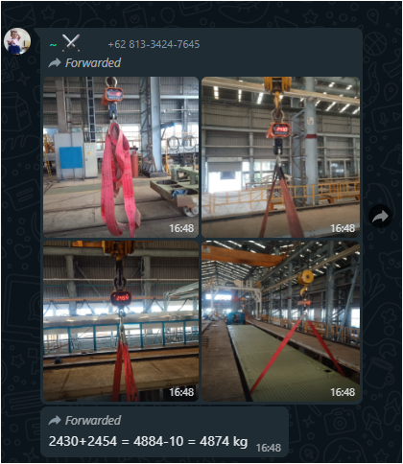
21.8-E12219 | BRACKET OF PANTOGRAPH CONTROL MODULE
21.8-E12222 | BRACKET OF LGS (GROUND SWITCH)
21.8-E12223 | BRACKET OF TRACTION MOTOR JUNCTION BOX
21.8-E12224 | BRACKET OF GROUNDING PLATE
21.8-E12225 | CABLE DIRECTOR ON UNDERFRAME
22.0-E12201 | SIDEWALL ARRANGEMENT M1
22.8-E12201 | ARR BRACKET ON SIDE WALL M1
22.8-E12011 | BRACKET ROLL FILTER PANEL
23.0-E12201 | ENDWALL ARRANGEMENT M1
23.8-E12201 | ARR BRACKET ON ENDWALL M1
23.8-E12005 | DIRECTOR CABLE ON ON ENDWALL
25.0-E12201 | ROOF ARRANGEMENT M1
25.5-E12201 | ARR CEILLING FRAMING M1
25.8-E12201 | ARR BRACKET ON ROOF M1
25.8-E12210 | BRACKET OF CABLE DUCT PANTOGRAPH
25.8-E12212 | BRACKET OF PIPING PANTOGRAPH
Gagal, cek manual
Gagal, cek manual
Gagal, cek manual
Gagal, cek manual
Gagal, cek manual
Gagal, cek manual
Gagal, cek manual
Gagal, cek manual
Gagal, cek manual
Gagal, cek manual
Gagal, cek manual
Gagal, cek manual
Gagal, cek manual
1B.O- | BOM MATERIAL
Gagal, cek manual
Gagal, cek manual | GREEN CAR
Gagal, cek manual
Gagal, cek manual | BRACKET AND SUPPORT
Gagal, cek manual
Gagal, cek manual | TOTAL DRAWING/ TOTAL BERAT
Gagal, cek manual | PROGRESS TOTAL
Gagal, cek manual
Gagal, cek manual
Gagal, cek manual
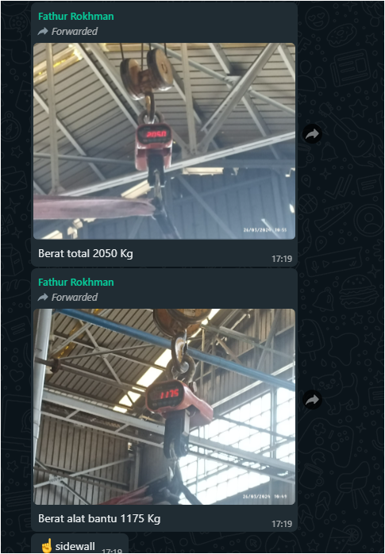
Gagal, cek manual
DR.A-WING UNTUK KEBUTUHAN CARBODY AS
Gagal, cek manual | Title (Judul Sub Assy)
Gagal, cek manual
Gagal, cek manual
Gagal, cek manual
Gagal, cek manual
Gagal, cek manual
Gagal, cek manual
Gagal, cek manual | TOTAL DRAWING INKA
Gagal, cek manual | PROGRESS INKA
Gagal, cek manual
Gagal, cek manual
Gagal, cek manual
Gagal, cek manual
Gagal, cek manual
Gagal, cek manual
Gagal, cek manual
Gagal, cek manual
Gagal, cek manual
Gagal, cek manual
Gagal, cek manual
Gagal, cek manual
Gagal, cek manual
Gagal, cek manual
Gagal, cek manual
Gagal, cek manual
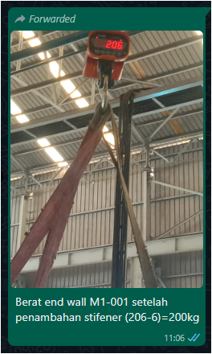
Gagal, cek manual
Gagal, cek manual
Gagal, cek manual
Gagal, cek manual
Gagal, cek manual
Gagal, cek manual
Gagal, cek manual
Gagal, cek manual
Gagal, cek manual
Gagal, cek manual
Gagal, cek manual
Gagal, cek manual
Gagal, cek manual
Gagal, cek manual
Gagal, cek manual
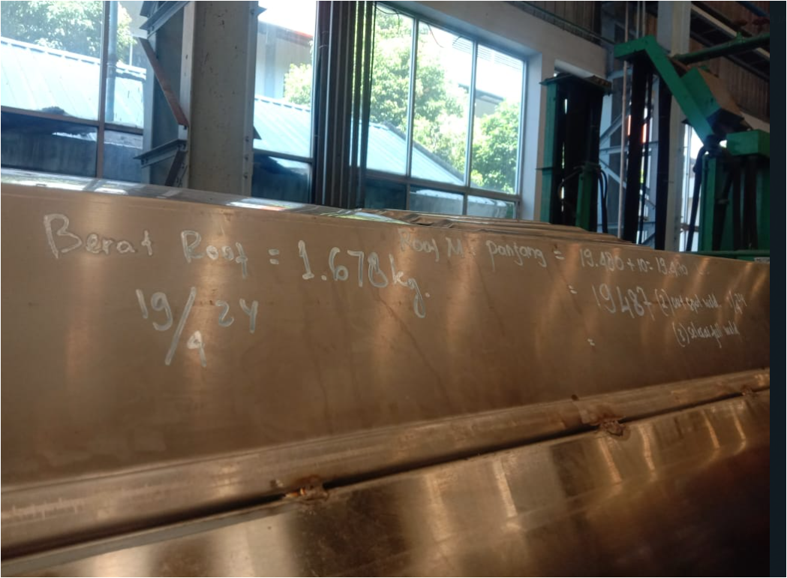
Gagal, cek manual
Gagal, cek manual
Gagal, cek manual
Gagal, cek manual
Gagal, cek manual
Gagal, cek manual
Gagal, cek manual
Gagal, cek manual
Gagal, cek manual
Gagal, cek manual
Gagal, cek manual
Gagal, cek manual
Gagal, cek manual
Gagal, cek manual
Gagal, cek manual
Gagal, cek manual
Gagal, cek manual
Gagal, cek manual
Gagal, cek manual
Gagal, cek manual | Title (Judul Sub Assy) | %-tase (besaran % tase per sub assy)
Gagal, cek manual
Gagal, cek manual
Gagal, cek manual
Gagal, cek manual
Gagal, cek manual
Gagal, cek manual
Gagal, cek manual
Gagal, cek manual
Gagal, cek manual
Gagal, cek manual
Gagal, cek manual
Gagal, cek manual
Gagal, cek manual | TOTAL DRAWING INKA
Gagal, cek manual | TOTAL DRAWING IMS
Gagal, cek manual | TOTAL DRAWING KERETA
Gagal, cek manual | PROGRESS TOTAL
Gagal, cek manual | PROGRESS INKA
Gagal, cek manual | PROGRESS IMS

