Sheet1
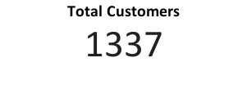
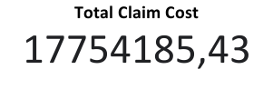
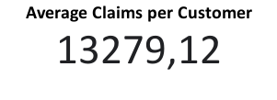
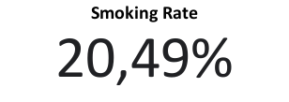

Smokers vs. Non-Smokers
BMI Category Distribution
Average Claims by BMI Category

Average Claims by Age Group
Total Claims by Region

