Tabelas_Pinos
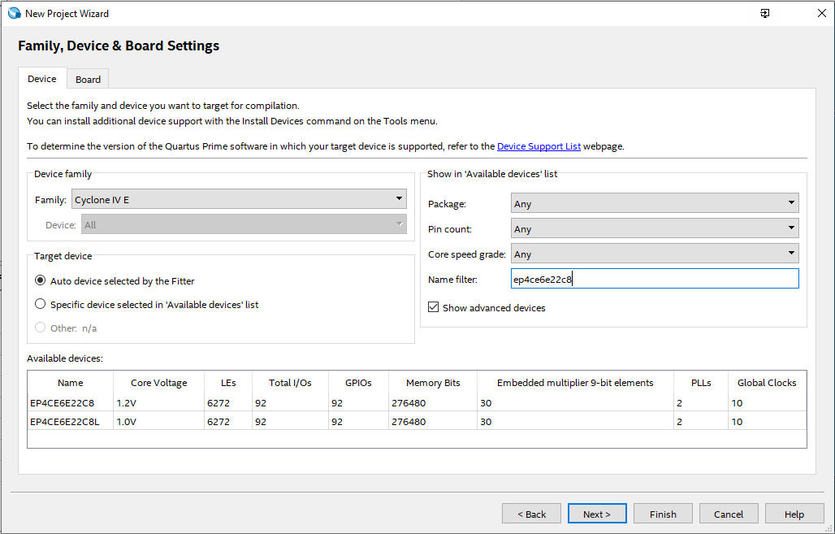
 | RZ-EasyFPGA A2.2 - Altera Cyclone IV - EP4CE6E22C8N |  |  |  | Tensão Lógica: | 3,3V LVTTL
 |  |  |  |  | Corrente GPIO: | 8mA
 | FPGA_RESET | 25 | SDRAM | Pino
 | FPGA_CLK | 23 | SDRAM_DQ[0] | 28 | VGA | Pino
 |  |  | SDRAM_DQ[1] | 30 | VGA_HSYNC | 101
 |  |  | SDRAM_DQ[2] | 31 | VGA_VSYNC | 103
 | Keys | Pino | SDRAM_DQ[3] | 32 | VGA_B | 104
 | KEY[0] | 88 | SDRAM_DQ[4] | 33 | VGA_G | 105
 | KEY[1] | 89 | SDRAM_DQ[5] | 34 | VGA_R | 106
 | KEY[2] | 90 | SDRAM_DQ[6] | 38
 | KEY[3] | 91 | SDRAM_DQ[7] | 39 | LCD 1602/12864 | Pino
Os botões e os DIP estão ligados juntos! |  |  | SDRAM_DQ[8] | 54 | LCD_RS | 141
 |  |  | SDRAM_DQ[9] | 53 | LCD_RW | 138
Botões/DIP são acionados com "0" (LOW ou BAIXO) |  |  | SDRAM_DQ[10] | 52 | LCD_E | 143
 |  |  | SDRAM_DQ[11] | 51 | LCD_D[0] | 142
 | Dial Switch | Pino | SDRAM_DQ[12] | 50 | LCD_D[1] | 1
 | ckey1 | 88 | SDRAM_DQ[13] | 49 | LCD_D[2] | 144
 | ckey2 | 89 | SDRAM_DQ[14] | 46 | LCD_D[3] | 3
 | ckey3 | 90 | SDRAM_DQ[15] | 44 | LCD_D[4] | 2
 | ckey4 | 91 |  |  | LCD_D[5] | 10
 |  |  | SDRAM_A[0] | 76 | LCD_D[6] | 7
 |  |  | SDRAM_A[1] | 77 | LCD_D[7] | 11
 | LED | Pino | SDRAM_A[2] | 80
 | LED[0] | 87 | SDRAM_A[3] | 83 | Displ. 7 Segs | Pino
 | LED[1] | 86 | SDRAM_A[4] | 68 | DIG[0] | 133
 | LED[2] | 85 | SDRAM_A[5] | 67 | DIG[1] | 135
 | LED[3] | 84 | SDRAM_A[6] | 66 | DIG[2] | 136
 |  |  | SDRAM_A[7] | 65 | DIG[3] | 137
 |  |  | SDRAM_A[8] | 64 | SEG[0] | 128
 | UART | Pino | SDRAM_A[9] | 60 | SEG[1] | 121
 | UART_TXD | 114 | SDRAM_A[10] | 75 | SEG[2] | 125
 | UART_RXD | 115 | SDRAM_A[11] | 59 | SEG[3] | 129
 |  |  |  |  | SEG[4] | 132
 |  |  | SDRAM_BS[0] | 73 | SEG[5] | 126
 | I²C | Pino | SDRAM_BS[1/ | 74 | SEG[6] | 124
 | FPGA_SCL | 112 | SDRAM_DQM[0] / LDQM | 42 | SEG[7] | 127
 | FPGA_SDA | 113 | SDRAM_DQM[1] / UDQM | 55
 | I2C_SCL | 99 |  |  | PS2 | Pino
 | I2C_SDA | 98 | SDRAM_CKE | 58 | PS_CLOCK | 119
 |  |  | SDRAM_CLK | 43 | PS_DATA | 120
 |  |  | SDRAM_CS | 72
 | Receptor IR | Pino | SDRAM_RAS | 71 | Buzzer | Pino
 | IR | 100 | SDRAM_CAS | 70 | FPGA_BUZZER | 110
 |  |  | SDRAM_WE | 69

