Zadanie_1
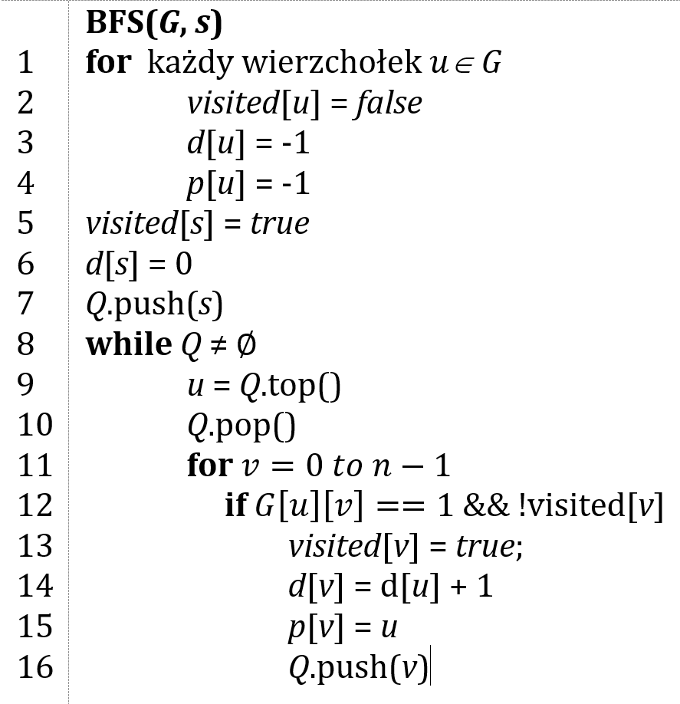
 |  |  |  | Macierz sąsiedztwa G
 |  |  |  | 0 | 1 | 2 | 3 | 4 | 5 |  | 0 | 1 | 2 | 3 | 4 | 5
 |  |  | 0 |  |  |  |  |  |  | d | -1 | -1 | -1 | 0 | -1 | -1 | Q | 1 |  | kolejka FIFO
 |  |  | 1 |  |  |  |  |  |  | p | -1 | -1 | -1 | -1 | -1 | -1
 |  |  | 2 |  |  |  |  |  |  | visited | false | false | false | false | false | false
 |  |  | 3
 |  |  | 4
 |  |  | 5
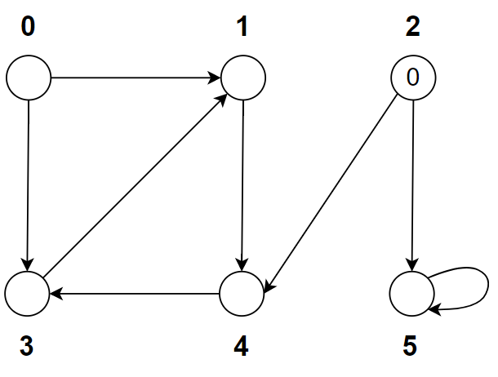
 |  |  |  |  |  |  |  |  |  |  | 0 | 1 | 2 | 3 | 4 | 5
 |  |  |  |  |  |  |  |  |  | d | -1 | 1 | -1 | 0 | -1 | -1 | Q | 4
 |  |  |  |  |  |  |  |  |  | p | -1 | 0 | -1 | -1 | -1 | -1
 |  |  |  |  |  |  |  |  |  | visited | false | true | false | true | false | false

 |  |  |  |  |  |  |  |  |  |  | 0 | 1 | 2 | 3 | 4 | 5
 |  |  |  |  |  |  |  |  |  | d | -1 | 1 | 0 | -1 | -1 | -1 | Q | 4 | 5
 | Ścieżka | d |  |  |  |  |  |  |  | p | -1 | -1 | -1 | -1 | -1 | -1
0 |  |  |  |  |  |  |  |  |  | visited | false | false | true | false | false | false
1
2
3
4 |  |  |  |  |  |  |  |  |  |  | 0 | 1 | 2 | 3 | 4 | 5
5 |  |  |  |  |  |  |  |  |  | d | -1 | 1 | 0 | -1 | 1 | -1 | Q | 5 | 3
 |  |  |  |  |  |  |  |  |  | p | -1 | -1 | -1 | -1 | 2 | -1
 |  |  |  |  |  |  |  |  |  | visited | false | false | true | false | true | false

 |  |  |  |  |  |  |  |  |  |  | 0 | 1 | 2 | 3 | 4 | 5
 |  |  |  |  |  |  |  |  |  | d | -1 | 1 | 0 | -1 | 1 | 1 | Q | 3
 |  |  |  |  |  |  |  |  |  | p | -1 | -1 | -1 | -1 | 2 | 2
 |  |  |  |  |  |  |  |  |  | visited | false | false | true | fasle | true | true

 |  |  |  |  |  |  |  |  |  |  | 0 | 1 | 2 | 3 | 4 | 5
 |  |  |  |  |  |  |  |  |  | d | -1 | 1 | 0 | 2 | 1 | 1 | Q | 1
 |  |  |  |  |  |  |  |  |  | p | -1 | -1 | -1 | 4 | 2 | 2
 |  |  |  |  |  |  |  |  |  | visited | false | false | true | true | true | true

 |  |  |  |  |  |  |  |  |  |  | 0 | 1 | 2 | 3 | 4 | 5
 |  |  |  |  |  |  |  |  |  | d | -1 | 2 | 0 | 2 | 1 | 1 | Q | 1
 |  |  |  |  |  |  |  |  |  | p | -1 | 3 | -1 | 4 | 2 | 2
 |  |  |  |  |  |  |  |  |  | visited | false | true | true | true | true | true

Zadanie_2
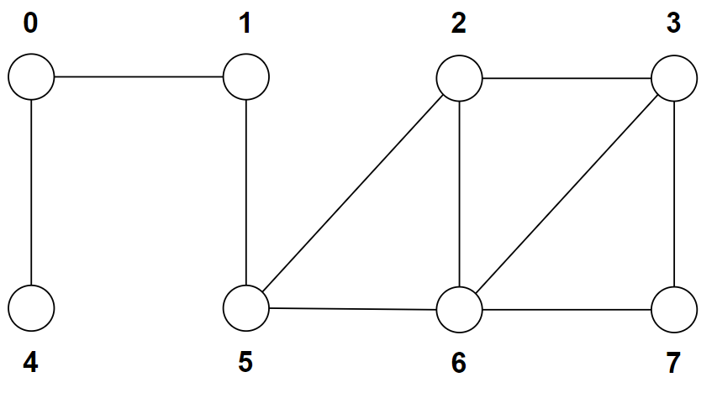
 |  |  |  | 0 | 1 | 2 | 3 | 4 | 5 | 6 | 7
 |  |  | d | -1 | -1 | -1 | 0 | -1 | -1 | -1 | -1 | Q | 3
 |  |  | p | -1 | -1 | -1 | -1 | -1 | -1 | -1 | -1
 |  |  | visited | false | false | false | false | false | false | false | false

 |  |  |  | 0 | 1 | 2 | 3 | 4 | 5 | 6 | 7
 | Ścieżka | d | d | -1 | -1 | -1 | 0 | -1 | -1 | -1 | -1 | Q | 2 | 6 | 7
0 |  |  | p | -1 | -1 | -1 | -1 | -1 | -1 | -1 | -1
1 |  |  | visited | false | false | false | true | false | false | false | false
2
3
4
5 |  |  |  | 0 | 1 | 2 | 3 | 4 | 5 | 6 | 7
6 |  |  | d | -1 | -1 | 1 | 0 | -1 | -1 | 1 | 1 | Q | 6 | 7 | 5
7 |  |  | p | -1 | -1 | -1 | -1 | -1 | -1 | -1 | -1
 |  |  | visited | false | false | true | true | fasle | false | false | false

 |  |  |  | 0 | 1 | 2 | 3 | 4 | 5 | 6 | 7
 |  |  | d | -1 | -1 | 1 | 0 | -1 | -1 | 1 | 1 | Q | 7 | 5
 |  |  | p | -1 | -1 | -1 | -1 | -1 | -1 | -1 | -1
 |  |  | visited | false | false | true | true | fasle | false | true | false

 |  |  |  | 0 | 1 | 2 | 3 | 4 | 5 | 6 | 7
 |  |  | d | -1 | -1 | 1 | 0 | -1 | -1 | 1 | 1 | Q | 5
 |  |  | p | -1 | -1 | -1 | -1 | -1 | -1 | -1 | -1
 |  |  | visited | false | false | true | true | fasle | false | true | true
 |  |  |  |  |  |  |  |  |  |  |  |  | 5 | 1
 |  |  |  |  |  |  |  |  |  |  |  |  | 1 | 0
 |  |  |  |  |  |  |  |  |  |  |  |  | 0 | 4
 |  |  |  |  |  |  |  |  |  |  |  |  | 4

