Data
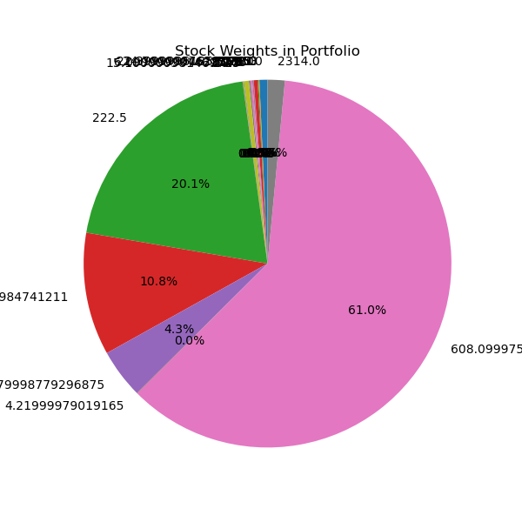
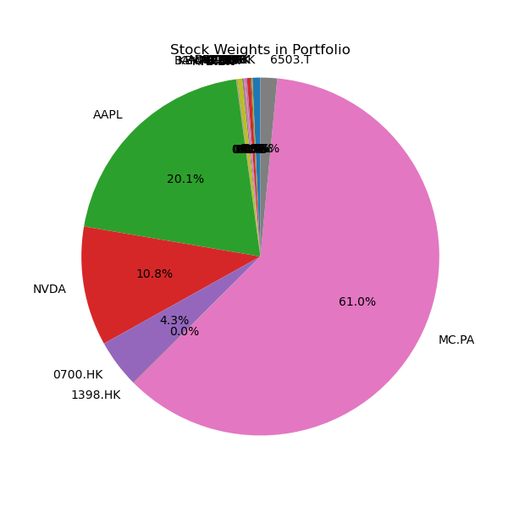
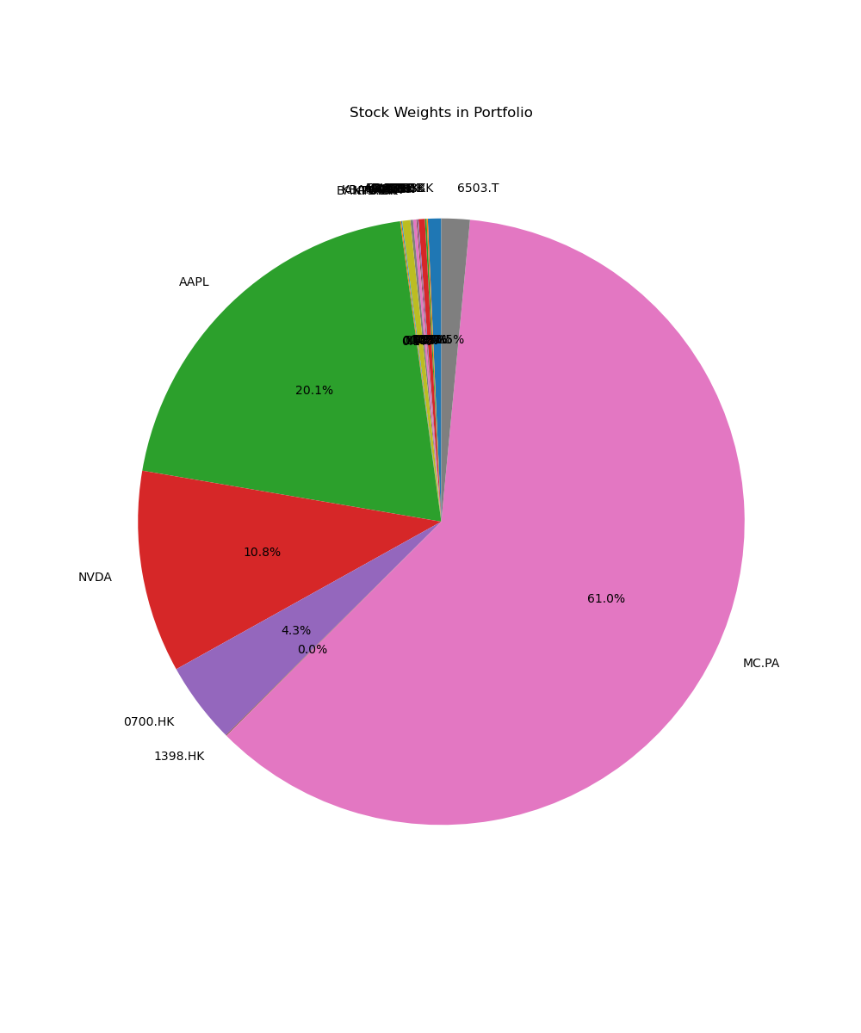
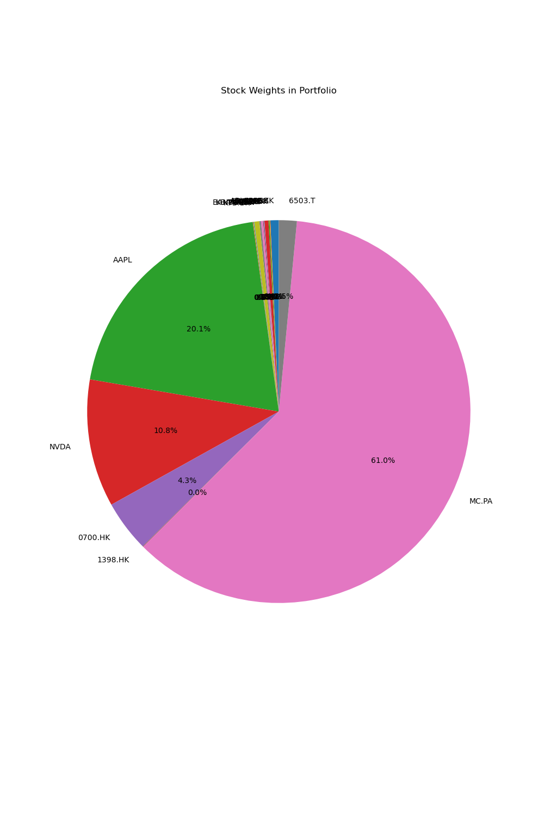
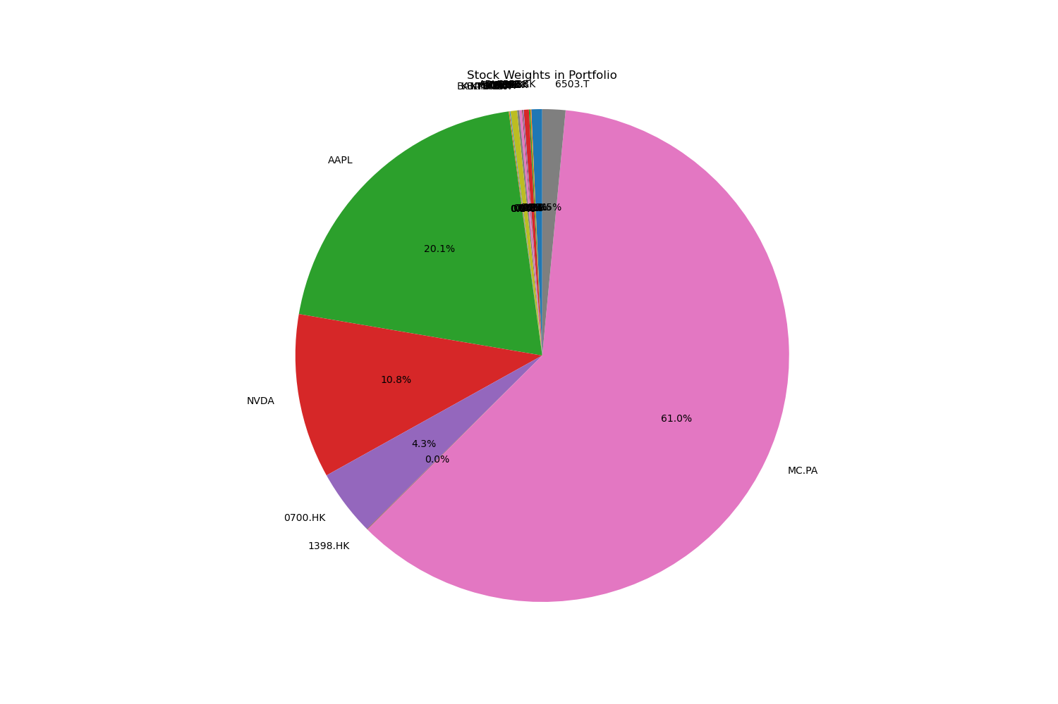


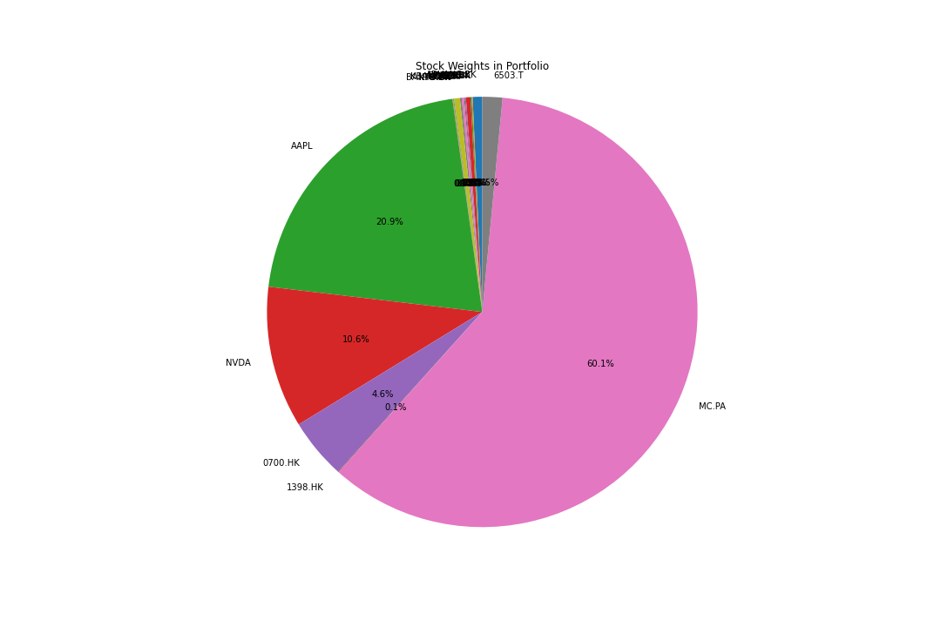
Stocks | Bench mark | Price of one unit(In local currency) | Number of units | Exchange rate | Price of one unit(THB) | Value | Weight | SET50
ADVANC.BK | SET50 | 260 | 100 | 1 | 260 | 26000 | 0.71650447225 | S&P 500
CPF.BK | SET50 | 24.600000381 | 100 | 1 | 24.600000381 | 2460.0000381 | 0.067792347272 | Hang Seng
PTT.BK | SET50 | 33 | 100 | 1 | 33 | 3300 | 0.090940952247 | Nifty 50
EGCO.BK | SET50 | 123 | 100 | 1 | 123 | 12300 | 0.3389617311 | STOXX Europe 600
RCL.BK | SET50 | 26 | 100 | 1 | 26 | 2600 | 0.071650447225 | Nikkei 225
IVL.BK | SET50 | 24.700000763 | 100 | 1 | 24.700000763 | 2470.0000763 | 0.068067926966 | Shanghai Composite
AOT.BK | SET50 | 62.25 | 100 | 1 | 62.25 | 6225 | 0.17154770537 | MSCI World Index
KKP.BK | SET50 | 50.75 | 100 | 1 | 50.75 | 5075 | 0.13985616141
KBANK.BK | SET50 | 157.5 | 100 | 1 | 157.5 | 15750 | 0.434036363
BANPU.BK | SET50 | 7.4000000954 | 100 | 1 | 7.4000000954 | 740.00000954 | 0.020392819858
TU.BK | SET50 | 15 | 100 | 1 | 15 | 1500 | 0.041336796476
KTB.BK | SET50 | 20.5 | 100 | 1 | 20.5 | 2050 | 0.05649362185
AAPL | S&P 500 | 228.19999695 | 100 | 33.25 | 7587.6498985 | 758764.98985 | 20.909942639
NVDA | S&P 500 | 116 | 100 | 33.25 | 3857 | 385700 | 10.629068267
0700.HK | Hang Seng | 388.6000061 | 100 | 4.26 | 1655.436026 | 165543.6026 | 4.562028139
1398.HK | Hang Seng | 4.3899998665 | 100 | 4.26 | 18.701399431 | 1870.1399431 | 0.051537062807
MC.PA | STOXX Europe 600 | 591.90002441 | 100 | 36.86 | 21817.4349 | 2181743.49 | 60.124191072
6503.T | Nikkei 225 | 2276.5 | 100 | 0.24 | 546.36 | 54636 | 1.5056514748

Portfolio_management
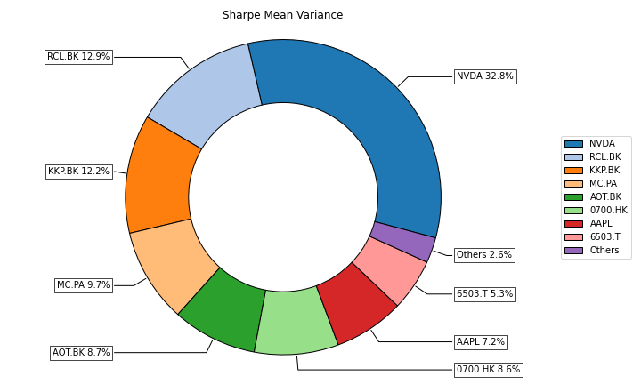
 | ADVANC.BK | CPF.BK | PTT.BK | EGCO.BK | RCL.BK | IVL.BK | AOT.BK | KKP.BK | KBANK.BK | BANPU.BK | TU.BK | KTB.BK | AAPL | NVDA | 0700.HK | 1398.HK | MC.PA | 6503.T
weights | 0.026040779729 | 1.1607752558E-07 | 1.4527562585E-07 | 9.3527100361E-08 | 0.12917576275 | 8.0594583205E-08 | 0.086846037238 | 0.12170432733 | 5.3819811679E-08 | 5.0641835634E-08 | 2.161054466E-07 | 1.0952923974E-07 | 0.07214022522 | 0.3276651765 | 0.086295140342 | 1.2730801503E-07 | 0.096746364381 | 0.053385193636

