Effsize_large
SEd | J | g | Vg | SEg
0.31 | 0.95 | 0.95 | 0.08 | 0.29 | r
0.50 | 0.91 | 1.58 | 0.21 | 0.46 | 0.5 | <--- Change R here for all outcomes
0.42 | 0.87 | 0.58 | 0.13 | 0.36
0.40 | 0.87 | -0.44 | 0.12 | 0.35 |  | The calculations with different r values (0.1-0.8) were performed using R to generate the necessary CSV files.
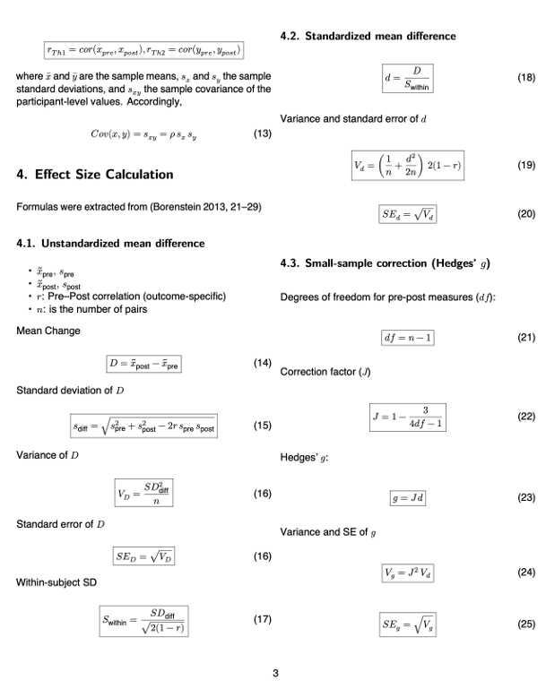
0.53 | 0.94 | 2.29 | 0.25 | 0.50
0.54 | 0.94 | 2.32 | 0.26 | 0.51
0.42 | 0.94 | 1.61 | 0.16 | 0.40
0.53 | 0.94 | 2.31 | 0.25 | 0.50
0.40 | 0.97 | 2.78 | 0.16 | 0.39
0.25 | 0.97 | 1.37 | 0.06 | 0.25
0.21 | 0.97 | 0.76 | 0.04 | 0.20
0.30 | 0.97 | 1.89 | 0.09 | 0.30
0.33 | 0.95 | 1.20 | 0.10 | 0.32
0.35 | 0.95 | 1.30 | 0.11 | 0.33
0.32 | 0.95 | 1.11 | 0.09 | 0.31
0.35 | 0.95 | 1.35 | 0.11 | 0.34
0.34 | 0.95 | 1.25 | 0.10 | 0.32
0.36 | 0.95 | 1.42 | 0.12 | 0.34
0.32 | 0.95 | 1.07 | 0.09 | 0.30
0.40 | 0.95 | 1.66 | 0.14 | 0.38
0.66 | 0.95 | 3.28 | 0.39 | 0.63
0.78 | 0.95 | 3.96 | 0.55 | 0.74
0.99 | 0.57 | -1.12 | 0.32 | 0.56
5.18 | 0.57 | 7.21 | 8.77 | 2.96
0.39 | 0.87 | 0.37 | 0.12 | 0.34
0.43 | 0.87 | -0.66 | 0.14 | 0.37
0.38 | 0.87 | 0.09 | 0.11 | 0.33
0.38 | 0.87 | 0.00 | 0.11 | 0.33
0.38 | 0.87 | 0.12 | 0.11 | 0.33
0.38 | 0.87 | 0.00 | 0.11 | 0.33
0.44 | 0.90 | -1.09 | 0.16 | 0.40
0.45 | 0.90 | -1.16 | 0.17 | 0.41
0.35 | 0.90 | -0.45 | 0.10 | 0.32
0.24 | 0.96 | -0.28 | 0.05 | 0.23
0.32 | 0.95 | 1.10 | 0.09 | 0.31
0.55 | 0.91 | 1.83 | 0.25 | 0.50
0.38 | 0.87 | 0.14 | 0.11 | 0.33
0.38 | 0.87 | 0.04 | 0.11 | 0.33
0.29 | 0.94 | -0.53 | 0.07 | 0.27
0.27 | 0.94 | -0.20 | 0.06 | 0.25
0.28 | 0.94 | -0.33 | 0.07 | 0.26
0.27 | 0.94 | -0.25 | 0.07 | 0.26
0.19 | 0.97 | 0.41 | 0.03 | 0.18
0.18 | 0.97 | 0.23 | 0.03 | 0.18
0.18 | 0.97 | 0.33 | 0.03 | 0.18
0.20 | 0.97 | 0.71 | 0.04 | 0.20
0.34 | 0.95 | 1.27 | 0.11 | 0.33
0.33 | 0.95 | 1.16 | 0.10 | 0.31
0.31 | 0.95 | 0.94 | 0.08 | 0.29
0.33 | 0.95 | 1.13 | 0.10 | 0.31
0.25 | 0.95 | -0.04 | 0.06 | 0.24
0.28 | 0.95 | 0.66 | 0.07 | 0.26
0.25 | 0.95 | 0.16 | 0.06 | 0.24
0.25 | 0.95 | 0.15 | 0.06 | 0.24
0.26 | 0.95 | 0.28 | 0.06 | 0.24
0.26 | 0.95 | 0.28 | 0.06 | 0.24
2.69 | 0.57 | -3.68 | 2.36 | 1.54
2.97 | 0.57 | -4.08 | 2.89 | 1.70
0.38 | 0.87 | 0.12 | 0.11 | 0.33
0.38 | 0.87 | 0.00 | 0.11 | 0.33
0.38 | 0.87 | 0.00 | 0.11 | 0.33
0.38 | 0.87 | 0.00 | 0.11 | 0.33
0.39 | 0.87 | 0.33 | 0.12 | 0.34
0.39 | 0.87 | 0.33 | 0.12 | 0.34
0.34 | 0.90 | 0.14 | 0.09 | 0.30
...

