1. Title Page
[Project Name]

Project Name: Basket Analysis
Date: July 30, 2022
Analyst Name: Finn D.

Contents:
Population Flow
Consistency checks
Wrangling steps
Column derivations
Visuals & recommendations

2. Population Flow
Title page

Population flow

Exclusion flag
Condition: max_order < 5
Obervations to be removed: 2884
Final total count of order_products_all: 32401975

Orders_products_combined
Orders_products_merged
Orders_products_all

Total: 32404859
Total:32,434,489
Total: 32404859

1.) The grey boxes in the first row of the population flow represent the original data sets as they were when you downloaded them. In the Total fields you need to add the count of the rows when you imported the data set into Jupyter.
2.) The second row of boxes (coloured) represents the data sets after you manipulated them, e.g., removed missing values and duplicates. In the Total fields you need to add the count of the rows after conducting these operations. This offers a visual oveview of how the data flows throughout the data consistency checks.
3.) The third row, where also the arrows are coloured, represents the merges you performed between the datasets. In the Total fields you need to add the count of the rows in the merged datasets, so that you end up with the final dataset (in the red box). Keep in mind the final dataset should be without exclusions (based on the exclusion flag).

3. Consistency checks
 |  |  |  | Title page
Consistency checks

Dataset | Missing values | Missing values treatment | Duplicates
orders | 206209 | Ignored | /
products | 16 | Removed from data frame | 5
orders_products_prior | / | / | /
customers | / | / | /

4. Wrangling steps
 |  |  |  | Title page
Wrangling steps

Columns dropped | Columns renamed | Columns' type changed | Comment/Reason
eval_set |  |  | Not relevant for analysis
 | order_dow |  | Renamed to 'orders_day_of_week' for clarity
 |  | order_id -> string | Changed to string to exclude from descriptive statistics
 |  | user_id -> string | Changed to string to exclude from descriptive statistics
 |  | order_hour_of_day | Changed to integer for better readability
 | First name |  | -> first_name according to naming convention
 | Surname |  | -> last_name according to naming convention and more clarity
 | fam_satus |  | -> relationship_status according to naming convention and more clarity
 | n_dependants |  | -> no_of_dependants according to naming convention and more clarity
 | Gender |  | -> gender according to naming convention
 | Age |  | -> age according to naming convention
 | STATE |  | -> state according to naming convention
first_name |  |  | data privacy (PII)
last_name |  |  | data privacy (PII)

5. Column derivations
 |  |  |  | Title page

Column derivations and aggregations

In this tab you should add tables below that the frequences of flags/label variables that you produced after deriving them. NB: don't do this for continuous variables, only for flags.
Dataset | New column | Column/s it was derived from | Conditions
orders_products_merged | price_range_loc | prices column | prices >15 -> high-range product prices <= 15 & > 5 -> mid-range product prices <= 5 are -> low-range product
orders_products_merged | busiest_day | orders_day_of_week | 0 -> busiest day 4 -> least busy rest -> regularly busy
orders_products_merged | busiest_days | orders_day_of_week | 0 & 1 -> busiest days 4 & 3 -> least busy days rest -> regularly busy
orders_products_merged | busiest_period_of_day | order_hour_of_day | 0-6 -> fewest orders 9-16 -> most orders 7-8 & 17-23 -> average orders
orders_products_merged | max_order | order_number | Maximum of orders per customer
orders_products_merged | loyalty_flag | max_order | maximum orders > 40, -> Loyal customer maximum orders > 10 but < 40 -> Regular customer maximum orders <= 10 -> Rew customer
orders_products_merged | user_spending | user_id, prices | Mean price of orders per customer
orders_products_merged | spending_flag | user_spending | mean of prices of products purchased by customer < 10 -> Low spender mean of prices of products purchased by customer >= 10 -> high spender
orders_products_merged | order_frequency | user_id, days_since_last_order | Median days since last order per customer
orders_products_merged | order_frequency_flag | order_frequency | median days_since_prior_order> 20 -> Non-frequent customer median days_since_prior_order > 10 and <= to 20 -> Regular customer median days_since_prior_order lower than or equal to 10 -> Frequent customer
df_instacart | total_orders | user_id | Count of numer of user_id entries
df_instacart | activity_flag | total_orders | < 5 orders -> low activity customers > 5 order - > regular activity customers
df_instacart | region | state | Maine','New Hampshire','Vermont','Massachusetts','Rhode Island','Connecticut','New York','Pennsylvania','New Jersey' -> Northeast 'Wisconsin','Michigan','Illinois','Indiana','Ohio','North Dakota','South Dakota','Nebraska','Kansas' ,'Minnesota','Iowa','Missouri' -> Midwest 'Delaware','Maryland','District of Columbia','Virginia','West Virginia','North Carolina','South Carolina' ,'Georgia','Florida','Kentucky','Tennessee','Mississippi','Alabama','Oklahoma','Texas','Arkansas','Louisiana' -> South 'Idaho','Montana','Wyoming','Nevada','Utah','Colorado','Arizona','New Mexico','Alaska','Washington','Oregon', 'California','Hawaii' -> West
df_instacart | age_group | age | 18-24 -> '1' (youth) 25-64 -> '2' (adults) >= 65 -> '3' (seniors)
df_instacart | income_group | income | < $52,200 -> Low income $52,200 - $156,600 -> Middle income > $156,600 -> Upper income
df_instacart | customer_profile | age_group, no_of_dependants, income_group, goods_category | age_group = 0 & no_of_dependants > 0 & income_group = 0) & goods_category = 'Babies' ->'customer_profile = 'Young parent' age_group = 1 & no_of_dependants <1 & income_group = 1) & goods_category = 'Pets' ->'customer_profile = 'Single adult with pet' age_group = 2 & no_of_dependants > 1 & income_group = 1) & goods_category = 'Pets' & relationship_status = 'married' ->'customer_profile = 'Married senior with pet

6. Visuals & recommendations
 |  |  |  |  | Title page

Visualisations

In this tab you should include all the visualtions from Exercises 4.9 and 4.10, alongside the questions from the project brief that they answer. Include any commentary on the relationship between different variables.

Key questions

 | 1. The sales team needs to know what the busiest days of the week and hours of the day are (i.e., the days and times with the most orders) in order to schedule ads at times when there are fewer orders.

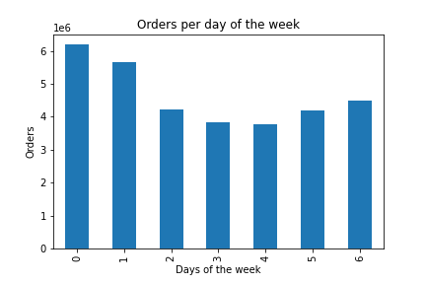
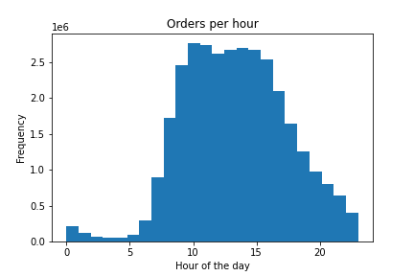

 | The above bar chart shows the number of orders per day by the day of the week starting with Saturday on the left. The highest amount of orders gets placed on the weekend. |  |  | The above histogram shows the number of orders that are beeing placed within a hour of the day starting with 0am on the left. The busiest hours of the day are from 10am to 3pm.
 | Recommendation: Since Monday, Tuesday and Wednsday the least orders per day of the week get placed, on thesse days the ads should be scheduled. The orders per hour are as to be expected the lowest early in the morning and late in the evening or night, since most of the people are sleeping in these times. But orders per hour between 16pm and 22pl could be higher, so at this time the ads should by scheduled, especially on Monday, Tuesday and Wednsday.

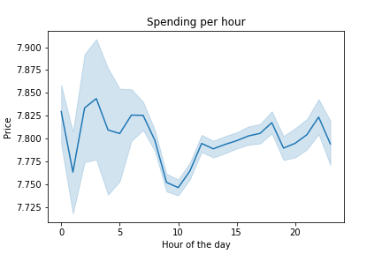
 | 2. They also want to know whether there are particular times of the day when people spend the most money, as this might inform the type of products they advertise at these times.

 | The above line chart shows the spending per hour of the average price for goods of the day starting with 0am on the left. The more expensive products are beeing ordered between midnight and 7am.
 | Recommendation: The ads between midnight and 7am should focused on higher priced products, since the customers are willing to pay higher prices in these times.

 | 3. Instacart has a lot of products with different price tags. Marketing and sales want to use simpler price range groupings to help direct their efforts.
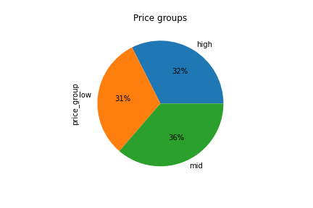

 | In the above pie chart the prices were grouped in three price groups. The high price range are prices higher than $10, the mid price range are prices between $10 and $6 and the low price range are goods under $6. The mid price groups makes up most of the prices.

 | Recommendation: The proportion of the price groups should stay the same, so all price groups are covered to have covered all income groups. The mor expensive price groups should be advertised with a focus on higher quality etc.

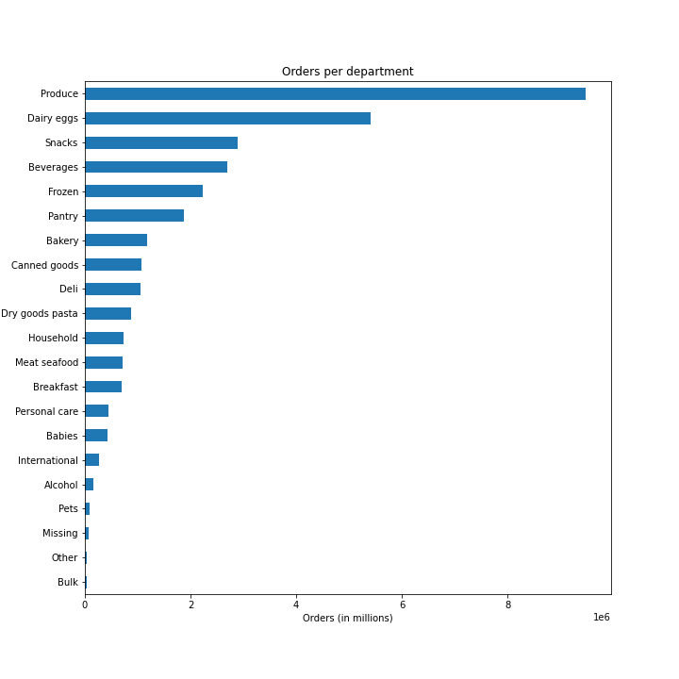
 | 4. Are there certain types of products that are more popular than others? The marketing and sales teams want to know which departments have the highest frequency of product orders

 | In the above bar chart the orders per department get displayed starting with the most orders per department at the top descending to the lowest number of orders at the bottom. The 'produce' departements has the most orders and the 'bulk' department has the lowest number of sales.

 | Recommendation: Regarding the quite usally high popularity categorys 'alcohol', 'Household' and 'Breakfast' there is a big potential for instacart to generate more revenue by playing more ads focusing on these categories.

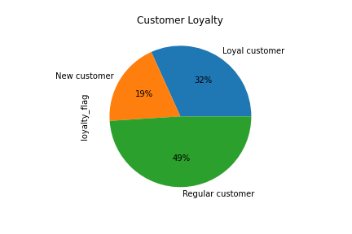
 | 5. The marketing and sales teams are particularly interested in the different types of customers in their system and how their ordering behaviors differ. a) What’s the distribution among users in regards to their brand loyalty (i.e., how often do they return to Instacart)?

 | In the above pie chart the customers are broken down by there loyalty status. If the maximum orders the user has made is over 40, then the customer will be labeled a “Loyal customer.” If the maximum orders the user has made is over 10 but less than or equal to 40, then the customer will be labeled a “Regular customer.” If the maximum orders the user has made is less than or equal to 10, then the customer will be labeled a “New customer.” Almost 50% are regular customers, 32% are loyal customers and the remaining 19% are new customers.

 | Recommendation: The prioratiy should alwas lay on keeping customer at least regular and in the best case loyal customers, there could be a potential for CRM methods to keep customers loyal.

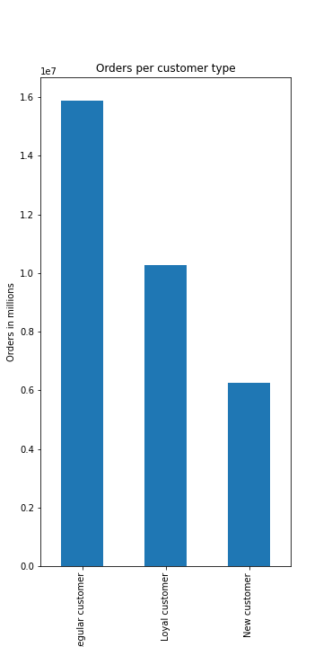
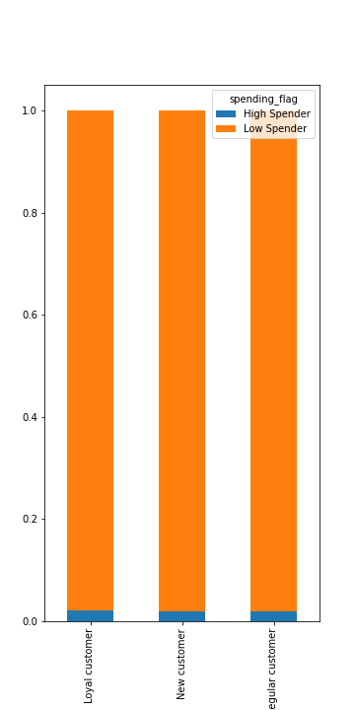
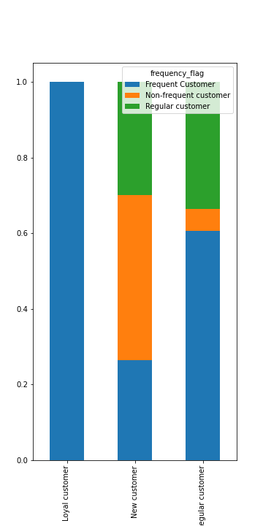
 | b) Are there differences in ordering habits based on a customer’s loyalty status?

 | Most of the customers are regular customers and the least customers are new customers. |  | In the above bar chart the spending per customer type gets displayed. Nontheless the loyalty status the majority of customers can be categorized as low spenders, so there is no difference regardingen the spending habit per loyalty status. |  |  |  | In the above bar chart the frequency of ordering per customer type gets displayed. As expected the loyal customers are also frequent customers. The number of Non-frequent customers is quite high in the New customer category.
 | Recommendation: The focus should lay on the Non-frequent customers in the new customers segment, to not lose these customers right away. The amount of new customers is pretty low compared to the other two segments, there should be a focus on the marketing of new customers in the futute.
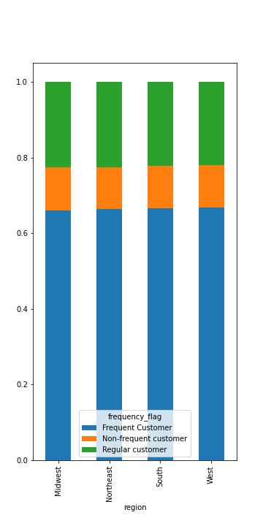
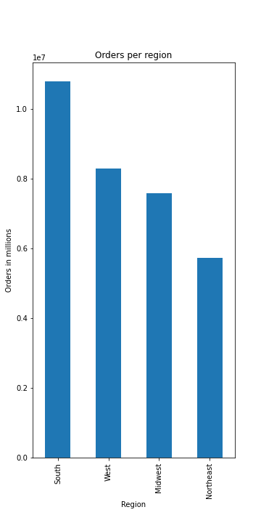
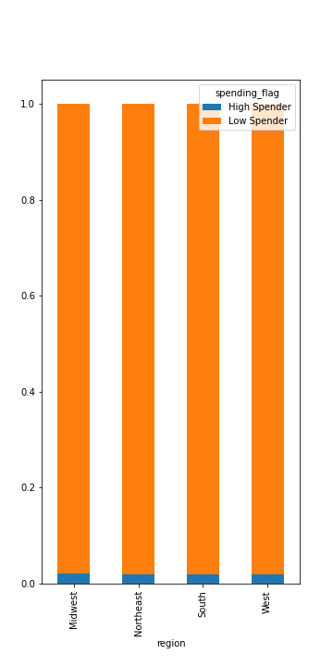
 | c) Are there differences in ordering habits based on a customer’s region?

 | In the above bar chart the orders per region get displayed. The region South has the most and the Northeast hast the least amount of orders in the US. | In the above bar chart the spending per region gets displayed. Nontheless the region the majority of customers can be categorized as low spenders, so there is no difference regardingen the spending habit per loyalty status. |  |  |  | In the above bar chart the frequency of ordering per region gets displayed. There isn't a big difference in the proportions in the frequency of buying per region.

 | Recommendation: Acknowledge that the differences per region for the frequency and spending habbits are negligible and keep amount of orders per region in mind, when planning the marketing budet.

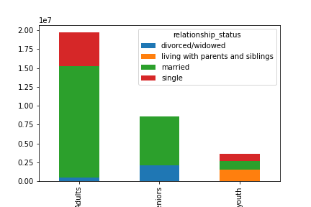
 | d) Is there a connection between age and family status in terms of ordering habits?

 | The orders by customers living with their parents and siblings all come from young adults. Orders by divorced/widowed customers all come from adults and seniors. The older a customer, the more likely they are married and there are no single seniors at all.

 | Recommendation: Target customers per age group to advertise different products for differnt living situations that change with the age or family status.

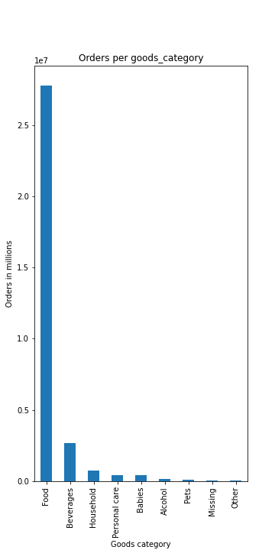
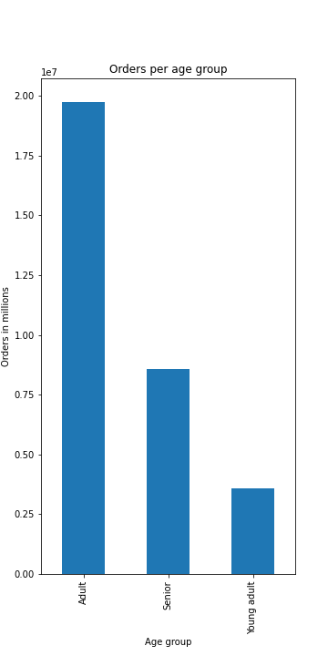
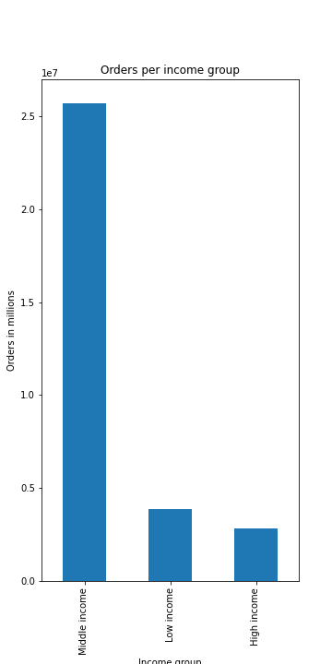
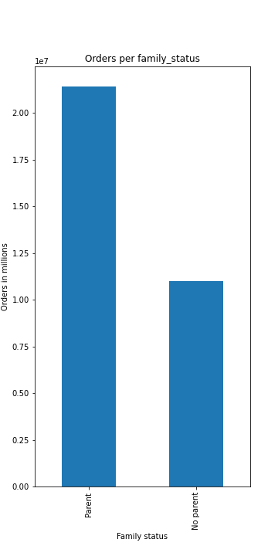
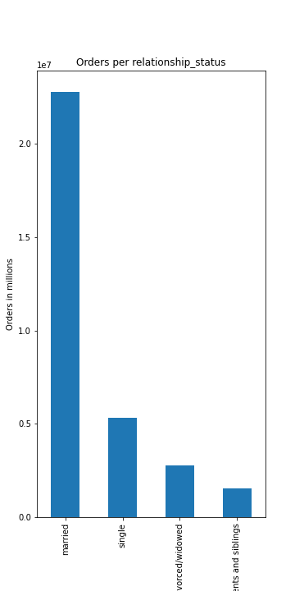
 | e) What different classifications does the demographic information suggest?

 | More than half of instacart's orders are ordered by adults, followed by seniors and then young adults. More than two thirds are ordered by customers with middle income. Almost 90% of the goods ordered are in the food category. And roughly two third of the orders are ordered by parents. And about 80% of the customers that ordered at instacart are married.

 | Recommendation: Concentrate marketing campaign on the potential customers, that only make up one third of the given demographic category.

 | f) What differences can you find in ordering habits of different customer profiles?

 | In the above bar chart the average price per customer type is displayed. The average spend price does not vary that much in the chosen customer types. Interesting ist that, the average spent price of the senior with low income is a lot lower than the of the other customer types, that is probably due to the low income of that customer type.

 | In the above bar chart the average purchase frequency per customer type is displayed. The purchase frequency does not vary that much in the chosen customer types.

 | In the above bar chart the products bought per customer type are beeing displayed. the products bought per customer type do not vary that much in the chosen customer types. Noticeable ist the big spike in bought pets goods, that is due to the customer type, in which a the customer owns a pet.

 | In the above bar chart the spending per customer type is displayed. The spending per customer type do not vary that much in the chosen customer types. Noticeable ist the spike for the Senior upper income customer type of the spending, that is due to the higher income of that customer type. Also interessinting ist, that the for senior low income customer type there is no high spender, which is also due to the low income.

 | Recommendation: These charts per customer type are only a small analysis, there should be further and more detailed analysis on customer profiles, so the marketing can be target more effective. For that it lends itself to create some more customer profiles also with more parameters.

