Directions
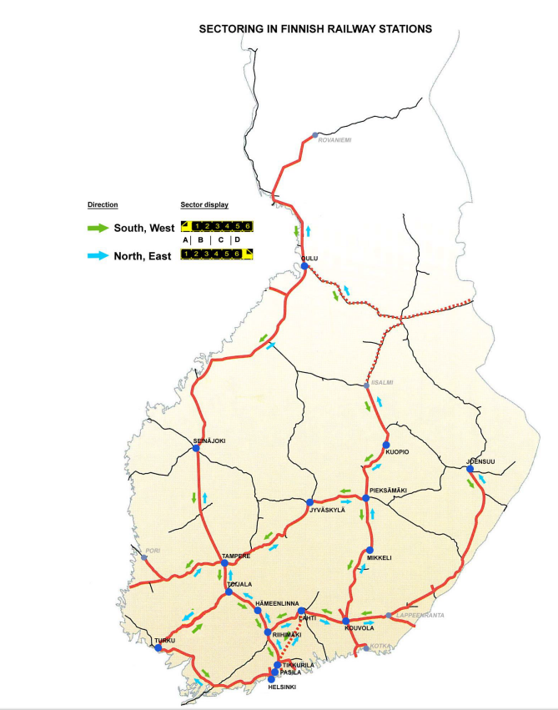

sector | nbr of wagons
A | 5 | A0…A4
B | 4 | B1…B4
C | 4 | C1…C4
D | 5 | D1…D5

 |  | Sectors |  |  | A |  |  |  |  | B |  |  |  | C |  |  |  | D
 |  | South | A0 | A1 | A2 | A3 | A4 | B1 | B2 | B3 | B4 | C1 | C2 | C3 | C4 | D1 | D2 | D3 | D4 | D5 | North

 |  |  | 1 | 2 | 3 | 4 | 5 | 6 | 7 | 8 | 9 | 10 | 11 | 12 | 13 | 14 | 15 | 16 | 17 | 18

