Appendix A
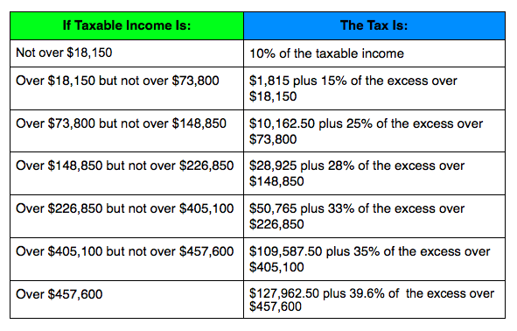
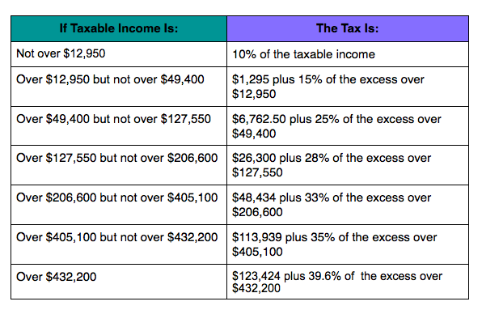
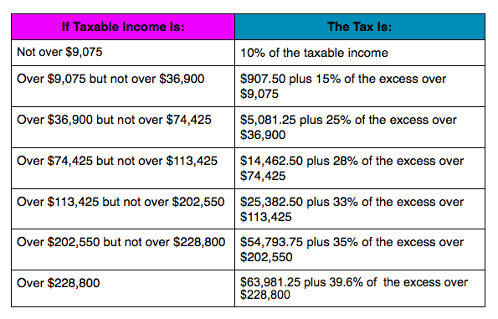
Worksheet Appendix A

Tax Rates Information

Note the tax rates in some of the fomulates should be updated each new tax years as the marginal rates change.

Go to | Introduction |  | worksheet describes the Spreadsheet program and how to enter your data and review the results.
Go to | Main | worksheet is where you enter your data and review the estimate results.
Go to | TaxRates | worksheet computes the proper tax table to use give the filing status
Go to | RMDtable | worksheet contains the IRS Recommended Minimum Distribution tables used in IRA withdrawals after 70 1/2.

State marginal tax rate
http://www.tax-brackets.org/ |  |  |  |  | (Use whatever it is for your state)

Long-Term Capital Gains and investment income rates
http://taxes.about.com/od/Federal-Income-Taxes/fl/Federal-Income-Tax-Rates-for-the-Year-2015.htm
0% if taxable income falls in the 10% or 15% marginal tax brackets
15% if taxable income falls in the 25%, 28%, 33%, or 35% marginal tax brackets
20% if taxable income falls in the 39.6% marginal tax bracket
25% on Depreciation Recapture
28% on Collectibles
28% on qualified small business stock after exclusion

Investment income rate and tax threshold
http://taxes.about.com/od/Types-of-Taxes/fl/Net-Investment-Income-Tax.htm
A 3.8% net investment income surtax applies if adjusted gross income (with some modifications) exceeds certain thresholds.

Filing status |  |  |  |  | Modified Adjusted Gross Income
Married Filing Jointly or Qualifying Widow(er) |  |  |  |  | $250,000
Single or Head of Household |  |  |  |  | $200,000
Married Filing Separately |  |  |  |  | $125,000

The net investment income tax is a surtax at a rate of 3.8% on a base of income that is the lesser of one's:
* Modified adjusted gross income over the threshold amount, or
* Net investment income.

Calculating the Net Investment Income Tax for individuals is a four-step process.
1. Calculate by how much modified adjusted gross income (MAGI) exceeds the relevant threshold.
2. Calculate net investment income for the year.
3. Take the lesser of the amounts in step 1 or in step 2.
4. Multiply the amount in step 3 by 3.8% (the net investment income tax rate).

Qualified dividends rates
http://en.wikipedia.org/wiki/Qualified_dividend

Dividend Taxation in the United States: 2003 + [4]
 | 2003–2007 |  | 2008–2012 |  | 2013 +
Ordinary Income Tax Rate | Ordinary Dividend | Qualified Dividend | Ordinary Dividend | Qualified Dividend | Ordinary Dividend | Qualified Dividend
 | Tax Rate | Tax Rate | Tax Rate | Tax Rate | Tax Rate | Tax Rate
10% | 10% | 5% | 10% | 0% | 10% | 0%
15% | 15% | 5% | 15% | 0% | 15% | 0%
25% | 25% | 15% | 25% | 15% | 25% | 15%
28% | 28% | 15% | 28% | 15% | 28% | 15%
33% | 33% | 15% | 33% | 15% | 33% | 15%
35% | 35% | 15% | 35% | 15% | 35% | 15%
39.60% | N/A | N/A | N/A | N/A | 39.60% | 20%

Marginal income tax rates
http://www.forbes.com/sites/kellyphillipserb/2015/05/14/2015-tax-rates-standard-deductions-personal-exemptions-credit-amounts-more/

